Sheet1
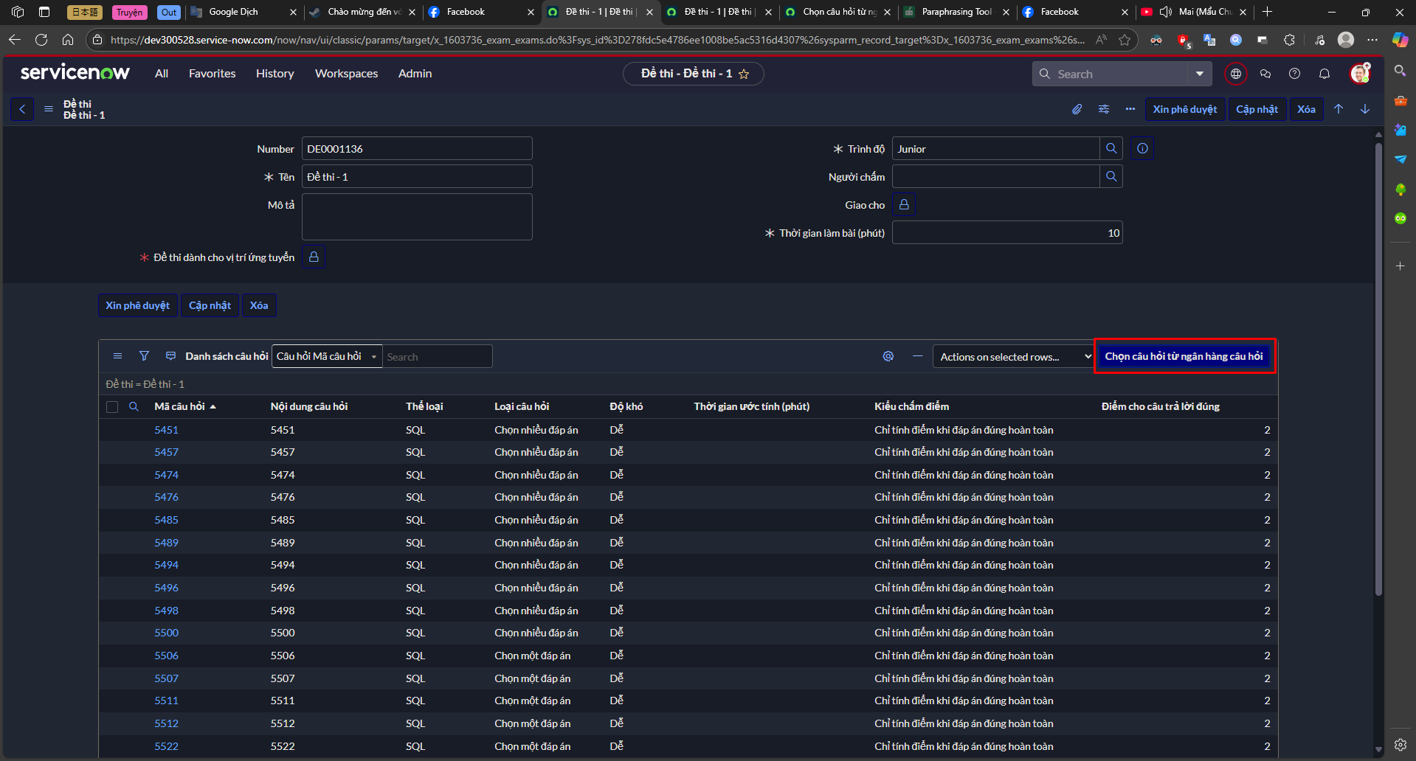

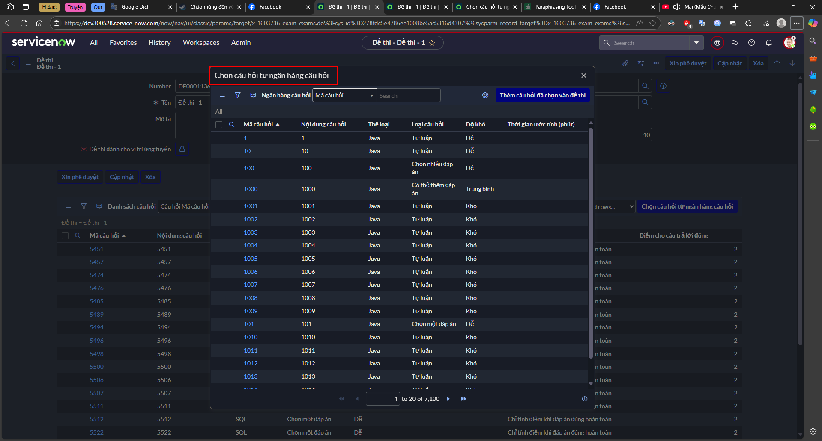

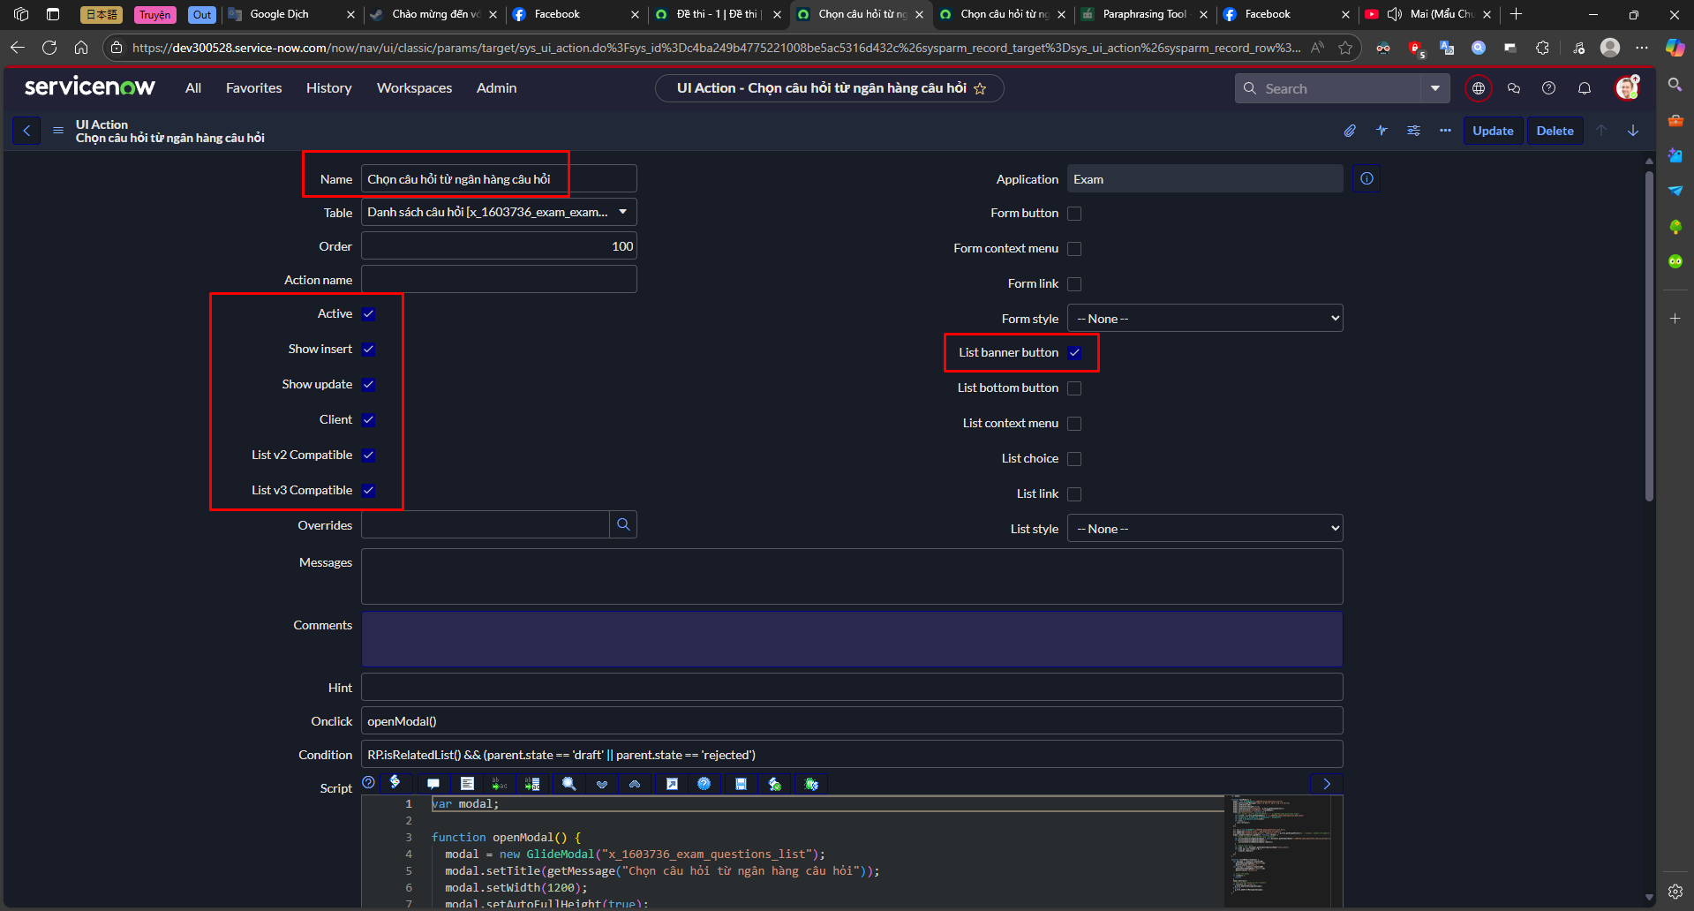
var modal;
function openModal() {
modal = new GlideModal("x_1603736_exam_questions_list");
modal.setTitle(getMessage("Chọn câu hỏi từ ngân hàng câu hỏi"));
modal.setWidth(1200);
modal.setAutoFullHeight(true);
modal.setPreference("examSysID", g_form.getUniqueValue());
modal.setPreference("closeModal", closeModal);
modal.on("beforeclose", function () {
// var listId = g_form.getTableName() + ".x_1603736_exam_questions.exam";
var listId = g_form.getTableName() + ".x_1603736_exam_exam_question_m2m.exam";
var GlideList = GlideList2 ? GlideList2 : GlideList;
var list = GlideList.get(listId);
if (list) {
list.refresh();
}
});
var url = new GlideURL("x_1603736_exam_questions_list.do");
url.addParam("sysparm_view", "add_questions_to_exam");
url.addParam("sysparm_fixed_query", "exam_sys_id:" + g_form.getUniqueValue()); // example: number!=4^number=5
modal.renderIframe(url.getURL(), function (event) {
// remove "Actions on selected rows" dropdown
var actionsOnSelectedRowsDropdown = this.document.getElementById("x_1603736_exam_questions_choice_actions");
if (actionsOnSelectedRowsDropdown) {
actionsOnSelectedRowsDropdown.remove();
}
// remove view title
var view = this.document.getElementsByClassName("list_view");
if (view && view.length > 0) {
view[0].remove();
}
});
}
function closeModal(response) {
var message = response.responseXML
.getElementsByTagName("result")[0]
.getAttribute("message");
var success = response.responseXML
.getElementsByTagName("result")[0]
.getAttribute("success");
// Close the modal
if (!modal) {
return;
}
modal.destroy();
// Show message based on the response
if (success === "true") {
g_form.addInfoMessage(message);
} else {
g_form.addErrorMessage(message);
}
}

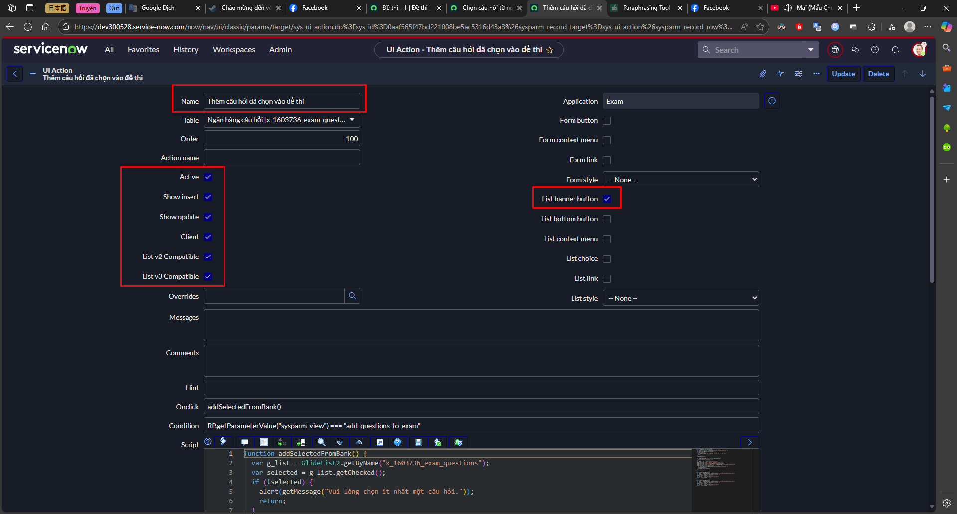
function addSelectedFromBank() {
var g_list = GlideList2.getByName("x_1603736_exam_questions");
var selected = g_list.getChecked();
if (!selected) {
alert(getMessage("Vui lòng chọn ít nhất một câu hỏi."));
return;
}
showLoadingIcon();
var glideModal = parent.GlideModal.prototype.get(
"x_1603736_exam_questions_list"
);
var gajax = new GlideAjax("ExamUtilsAJAX");
gajax.addParam("sysparm_name", "addQuestionsToExam");
gajax.addParam("sysparm_selected_questions", selected);
gajax.addParam("sysparm_exam_sys_id", glideModal.getPreference("examSysID"));
gajax.getXML(function (response) {
var closeModalFunc = glideModal.getPreference("closeModal");
hideLoadingIcon();
closeModalFunc(response);
});
}
function showLoadingIcon() {
var modal = parent.document.getElementById("x_1603736_exam_questions_list");
var loading = modal.querySelector(".loading");
loading.style.display = "block";
var content = modal.querySelector("iframe");
content.style.display = "none";
}
function hideLoadingIcon() {
var modal = parent.document.getElementById("x_1603736_exam_questions_list");
var loading = modal.querySelector(".loading");
loading.style.display = "none";
var content = modal.querySelector("iframe");
content.style.display = "block";
}

