Wait For Completion
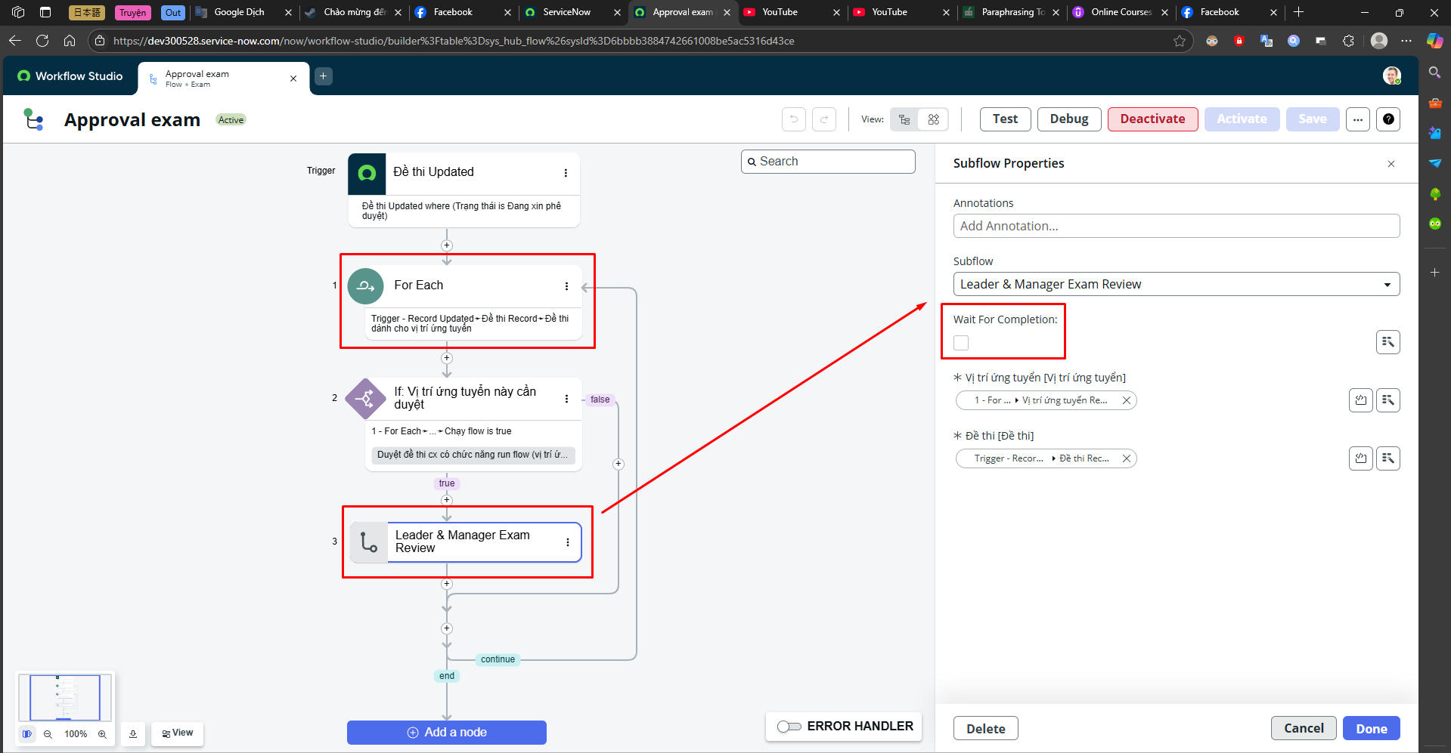
How to wait for a subflow

Ask For Approval
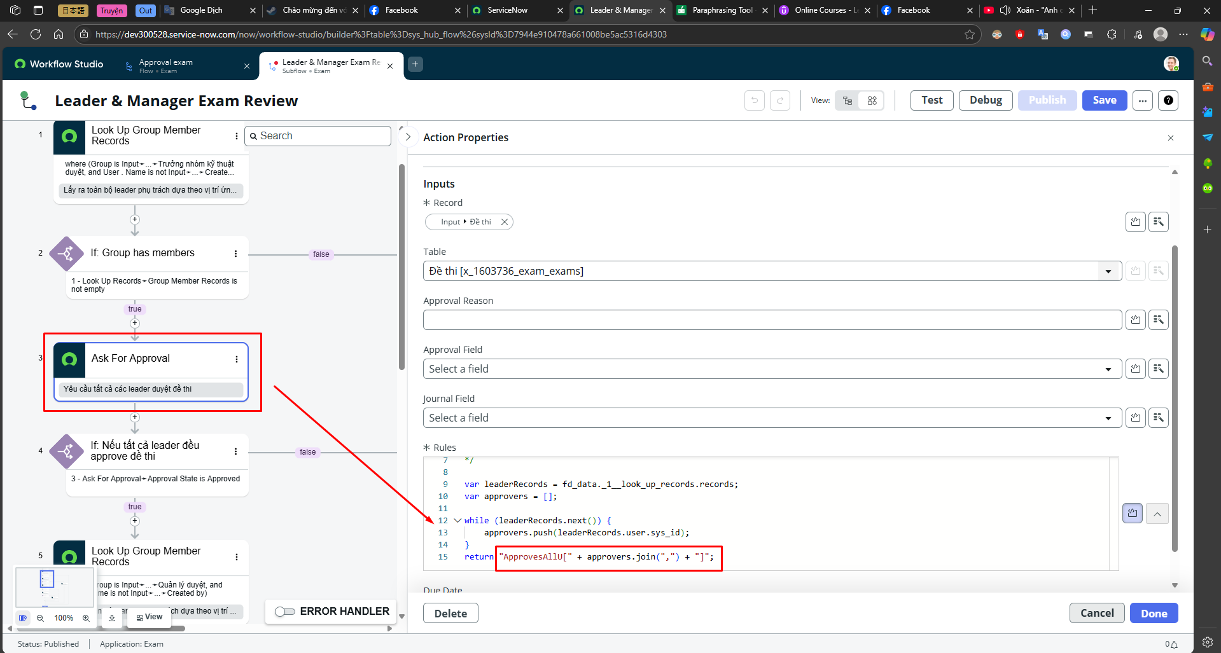

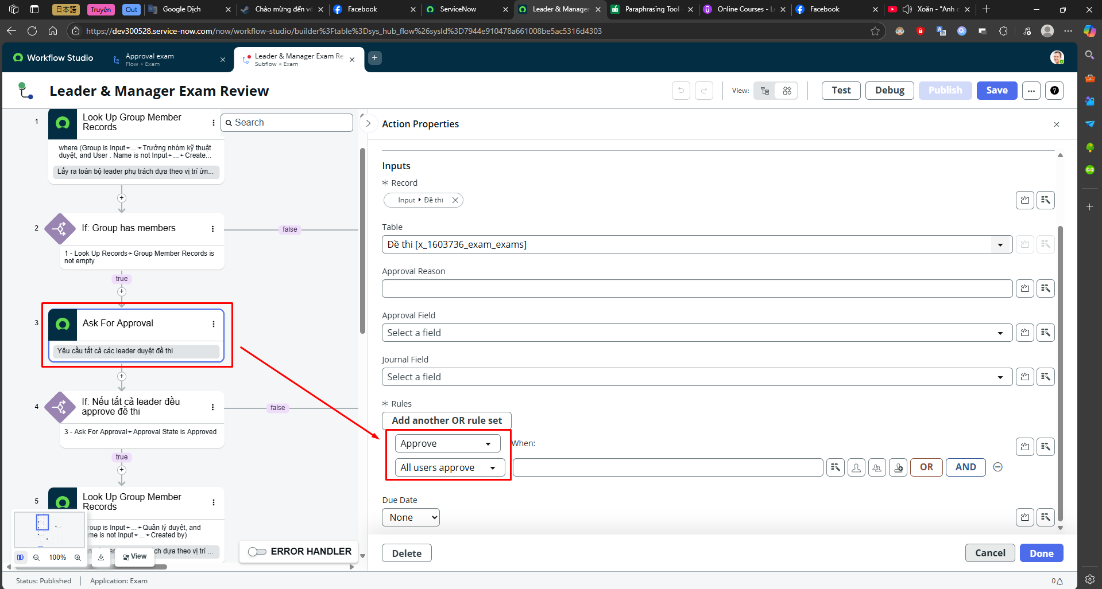

ApproveAllU = Approve + All users approve ApproveAllG = Approve + All groups approve
can use debug to see

