Sheet1
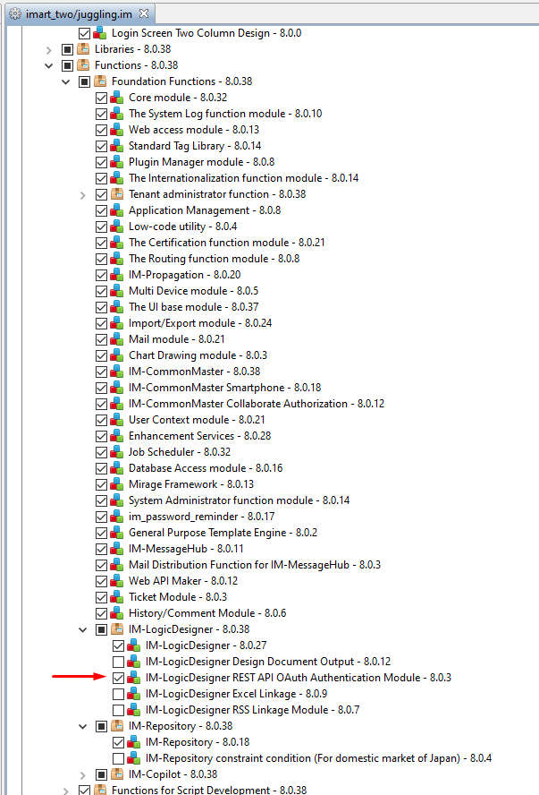
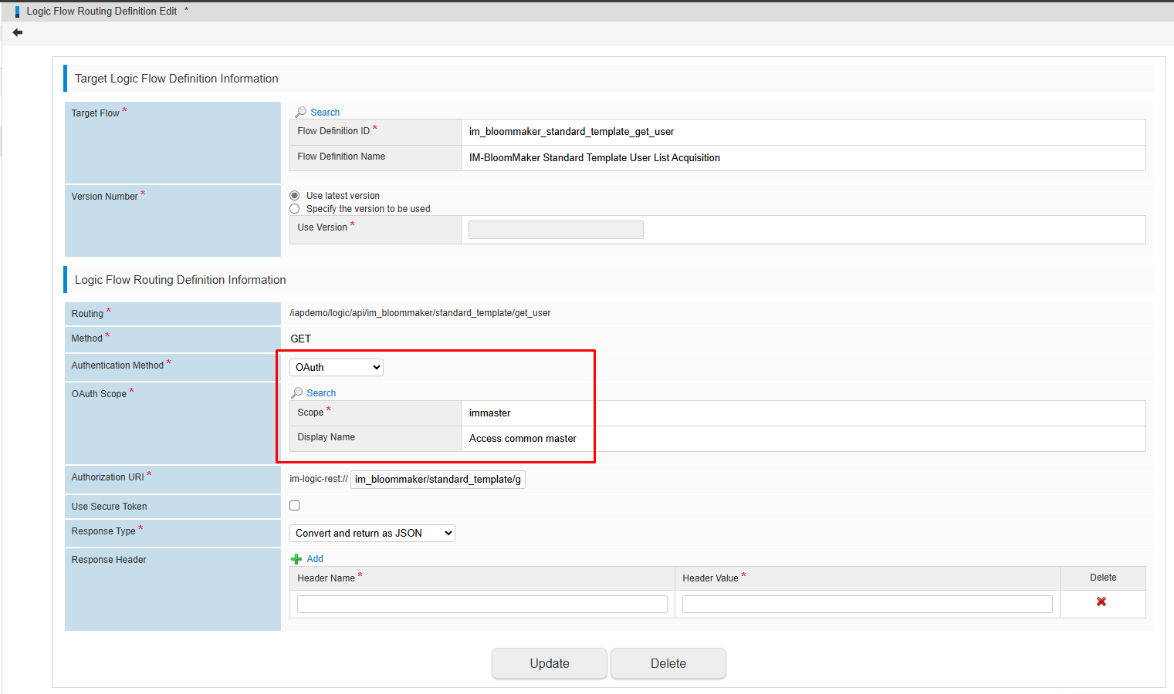

have to check this option, without this option, the authentication method: OAuth will not display

https://document.intra-mart.jp/library/iap/public/im_oauth/im_oauth_administrator_guide/texts/basic_guide/basic_guide_1.html

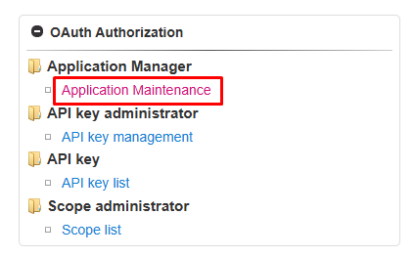
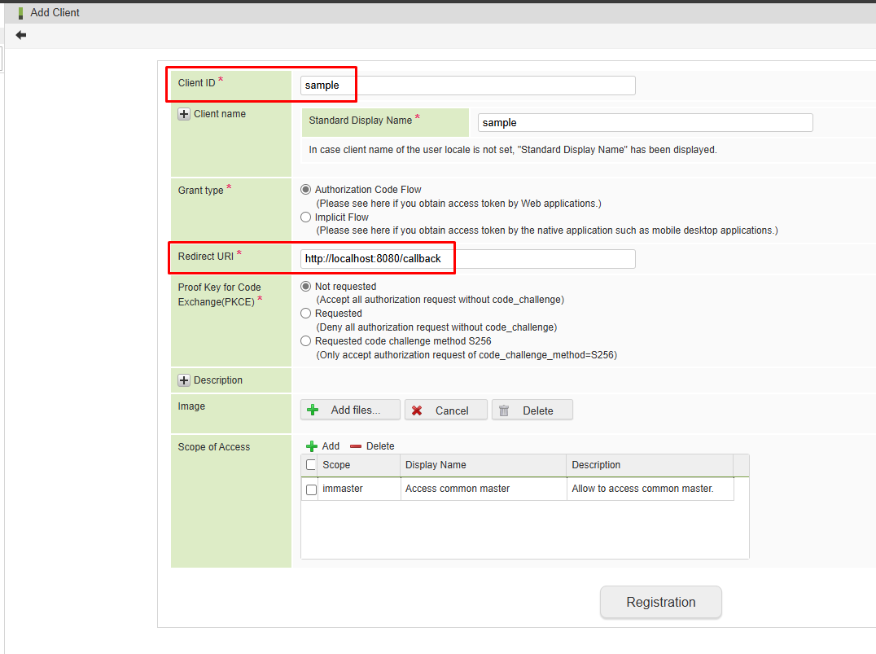
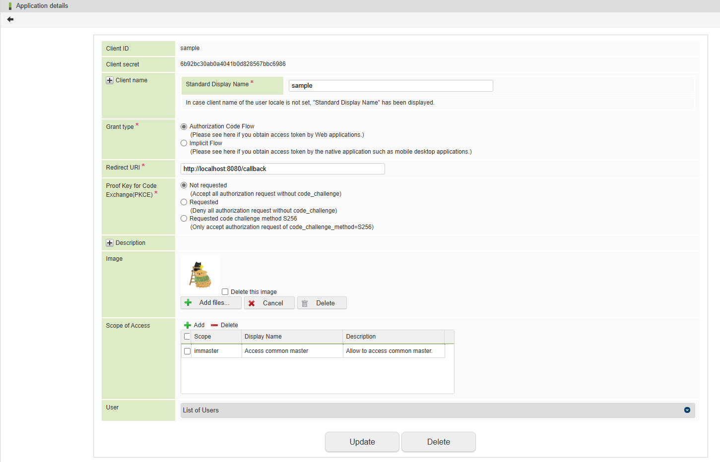

https://document.intra-mart.jp/library/iap/public/im_oauth/im_oauth_programming_guide/texts/client_application/index.html

 | http://localhost:8080/imart/oauth/authorize?response_type=code&client_id=sample

 | http://localhost:8080/imart/oauth/token?grant_type=authorization_code&code=OGhzM29kbzg4MWhoaGxjQGRlZmF1bHQ&client_id=sample&client_secret=6b92bc30ab0a4041b0d828567bbc6986&redirect_uri=http://localhost:8080/callback
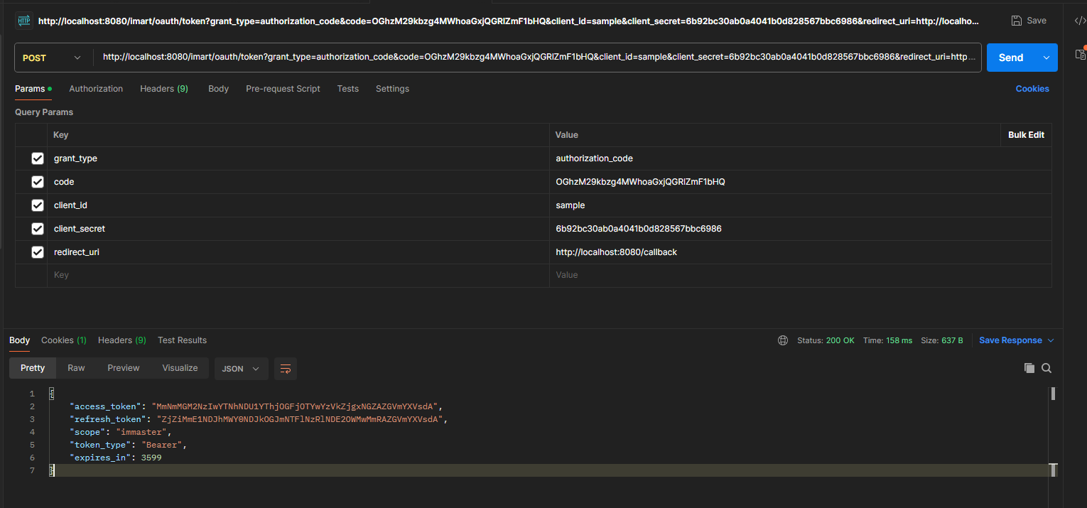

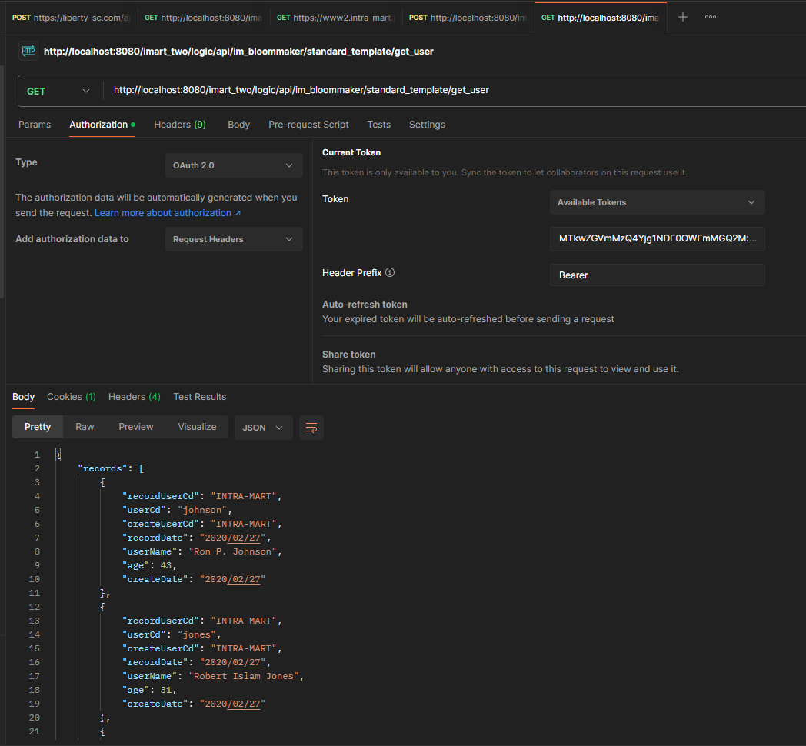
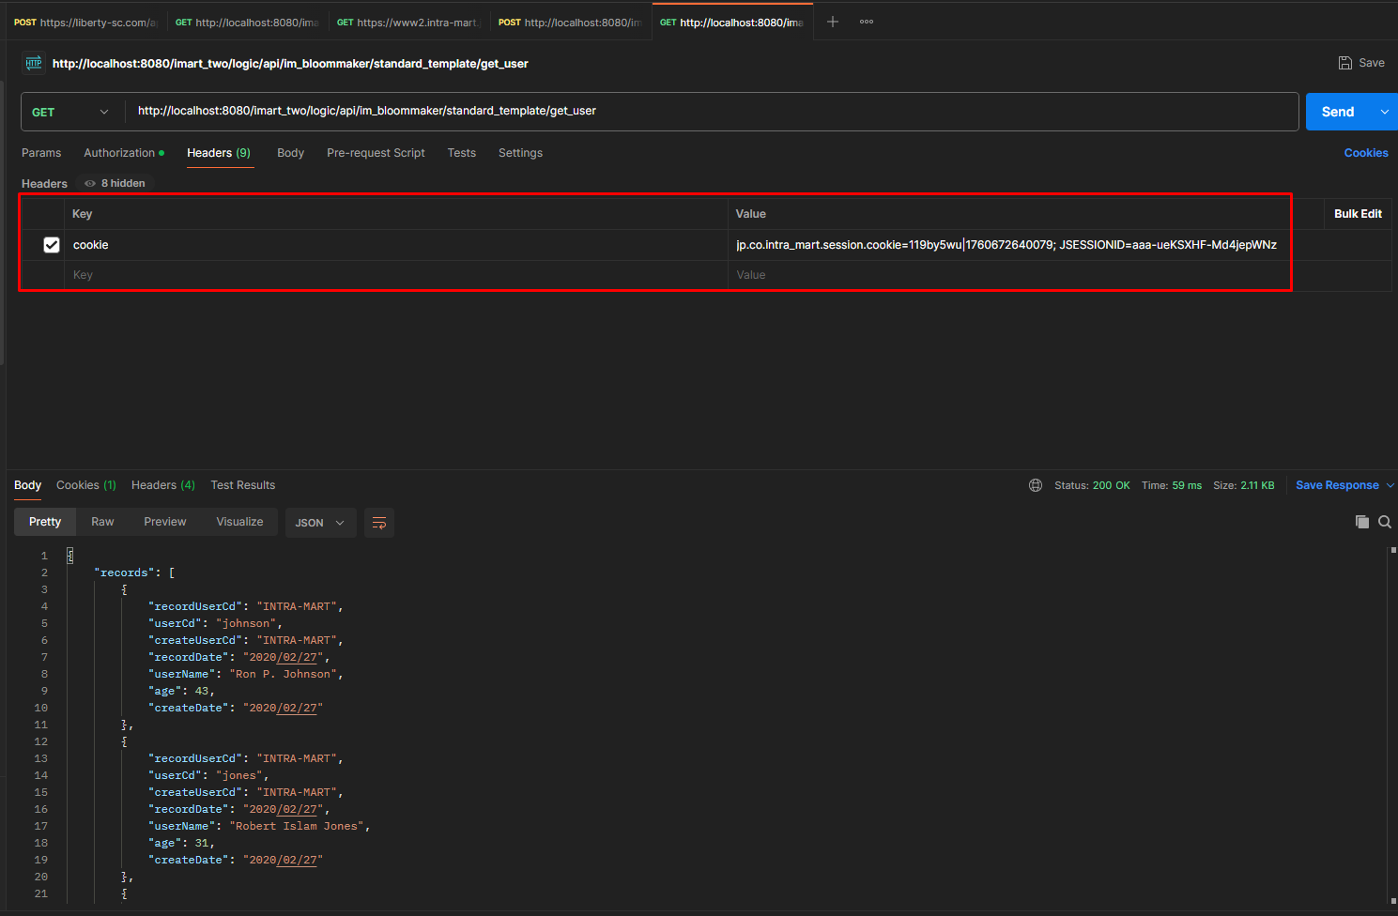

can get this cookie from the browser

