Scientific notation
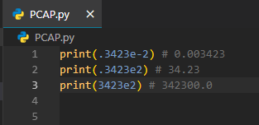
The "e" stands for exponent and indicates a power of 10.

String
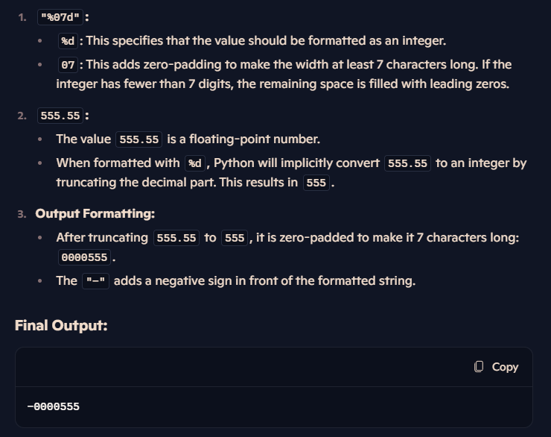
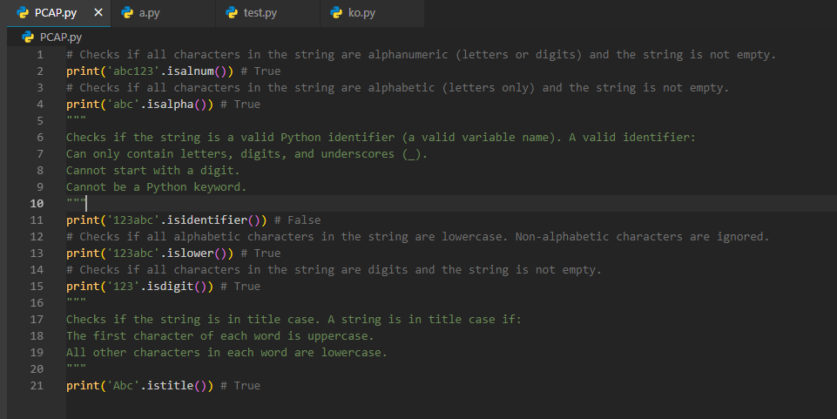
print("-%07d" % 555.55)

Function
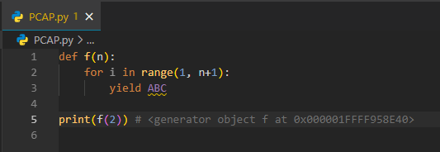
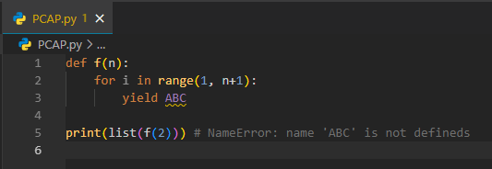

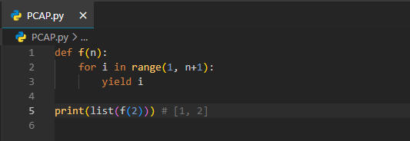

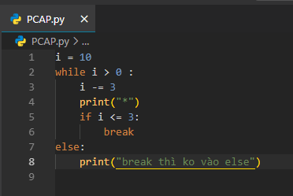

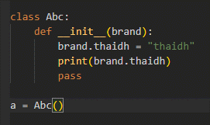

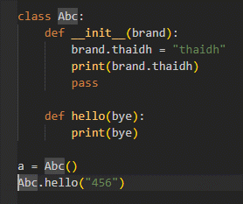

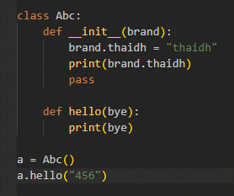
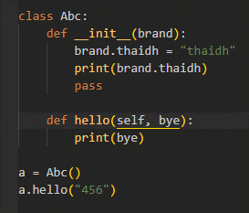
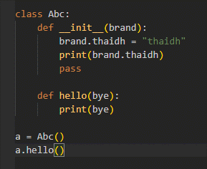

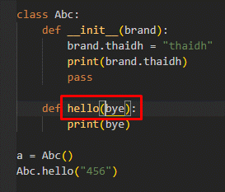
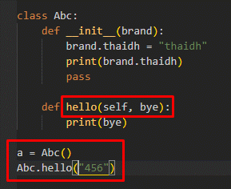
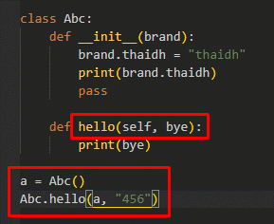

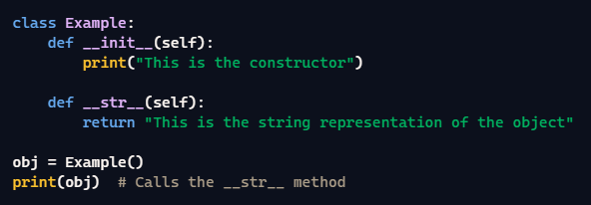

Bitwise operators
decimal 2 binary (base 10 -> base 2)
 | 5 = 101 |  | 5 / 2 = 2, remainder 1 |  |  | reverse the remainders = 101 (binary for 5)
 |  |  | 2 / 2 = 1, remainder 0
 |  |  | 1 / 2 = 0, remainder 1

 | 3 = 11 |  | 3 / 2 = 1, remainder 1 |  |  | reserve the remainders = 11 (binary for 3)
 |  |  | 1 / 2 = 0, remainder 1

binary 2 decimal (base 2 -> base 10)
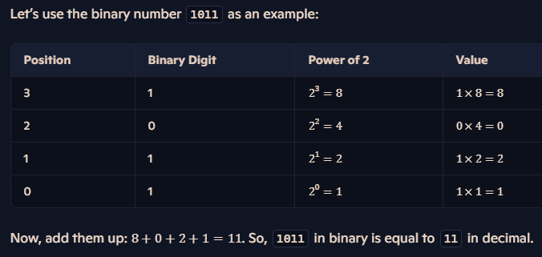

Bitwise AND (&)
 | 5 | = | 0 | 1 | 0 | 1
 | 3 | = | 0 | 0 | 1 | 1
 | 5 & 3 | = | 0 | 0 | 0 | 1 |  | the resulting bit is 1 only if both corresponding bits are 1. Otherwise, the resulting bit is 0.
 | 0001 | = | 0*2^3 | 0*2^2 | 0*2^1 | 1*2^0 | = | 1

Bitwise OR (|)
 | 5 | = | 0 | 1 | 0 | 1
 | 3 | = | 0 | 0 | 1 | 1
 | 5 | 3 | = | 0 | 1 | 1 | 1 |  | the resulting bit is 1 if either or both of the corresponding bits are 1. Otherwise, the resulting bit is 0.
 | 0111 | = | 0*2^3 | 1*2^2 | 1*2^1 | 1*2^0 | = | 7

Bitwise XOR (^)
 | 5 | = | 0 | 1 | 0 | 1
 | 3 | = | 0 | 0 | 1 | 1
 | 5 ^ 3 | = | 0 | 1 | 1 | 0 |  | the resulting bit is 1 if the bits are different and 0 if they are the same.
 | 0110 | = | 0*2^3 | 1*2^2 | 1*2^1 | 0*2^0 | = | 6

Bitwise NOT (~)
 | n = 5
 | ~n = -(n +1) = -(5 + 1) = -6

Left Shift (<<)
 | 17 << 3 | = | 17 * 2 ** 3 | = | 17 * 8 | = | 136

Right Shift (>>)
 | 17 >> 3 | = | 17 // 2 ** 3 | = | 17 // 8 | = | 2

Alias
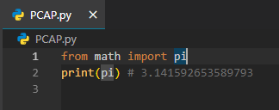

File
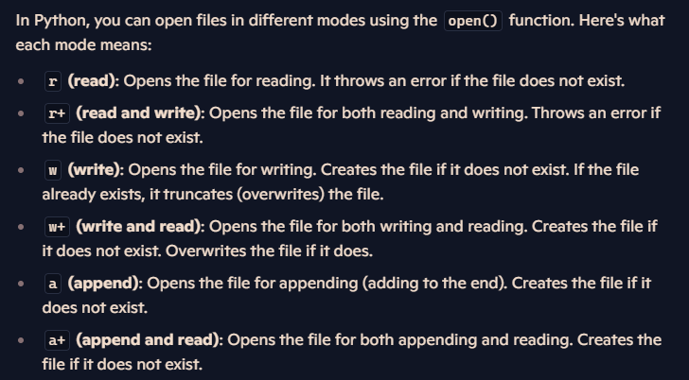
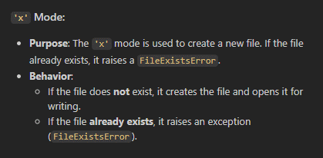

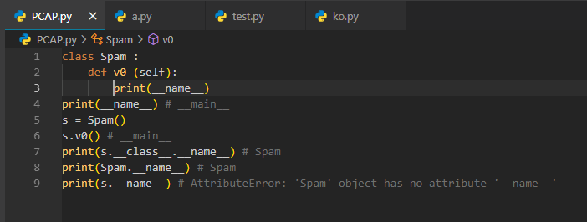

Decimal2Octal
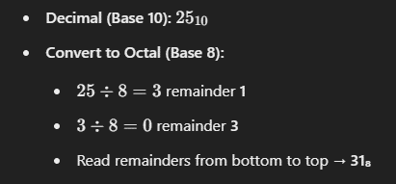

Try catch
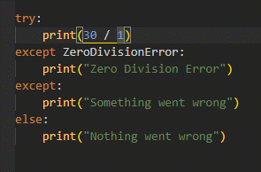

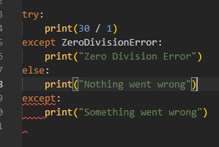

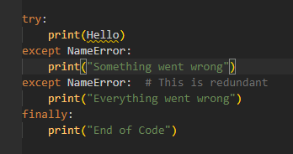

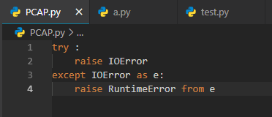
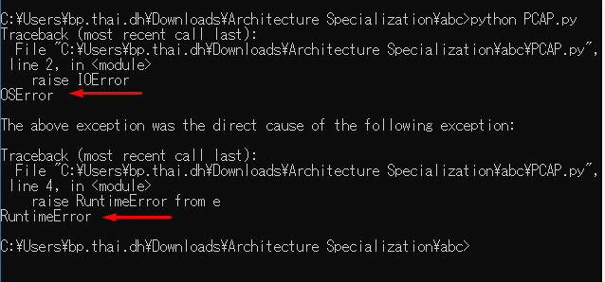

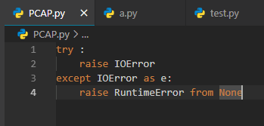

Unary operator
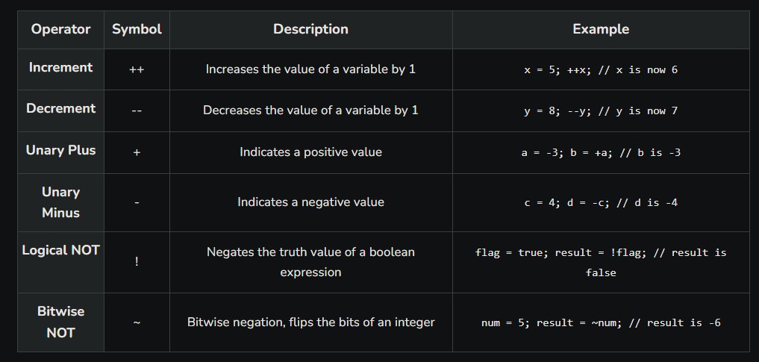
Unary perators are operators that perform operations on a single operand

Variable
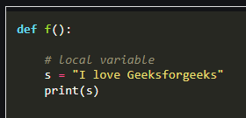
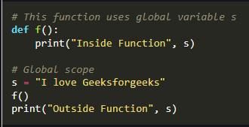

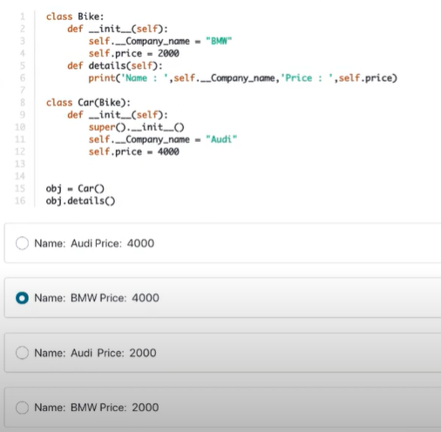

Set
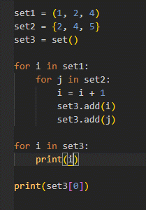

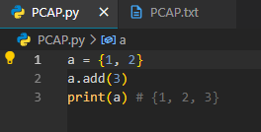

Tuple
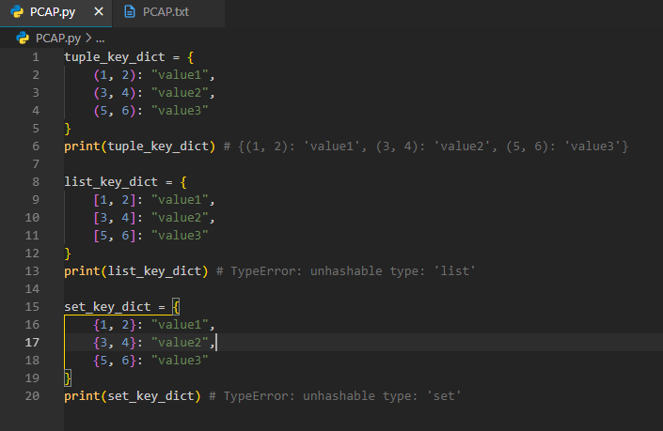
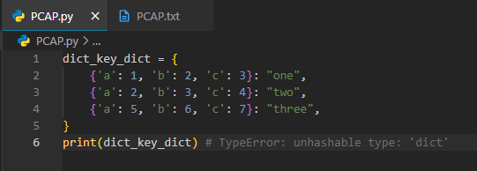

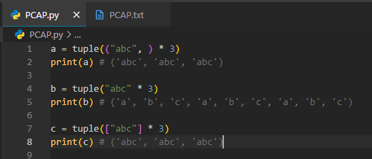

Platform
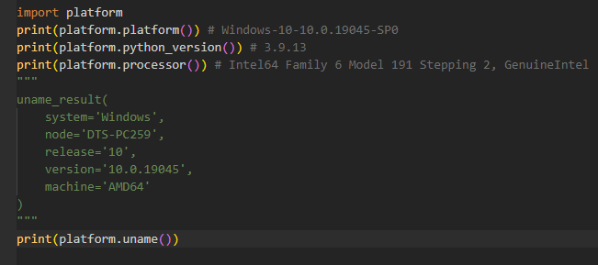

Datetime
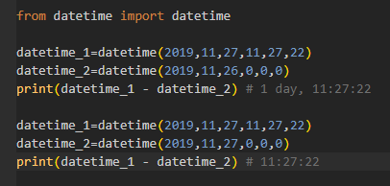

Inherit
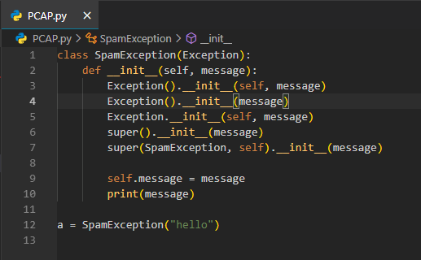

List
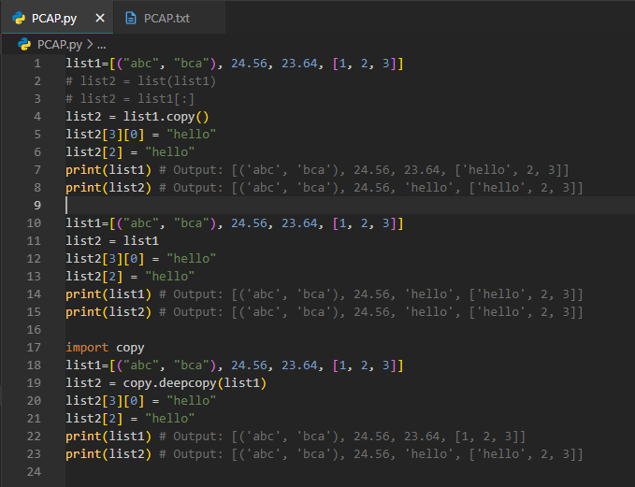

Dict
