Install on docker
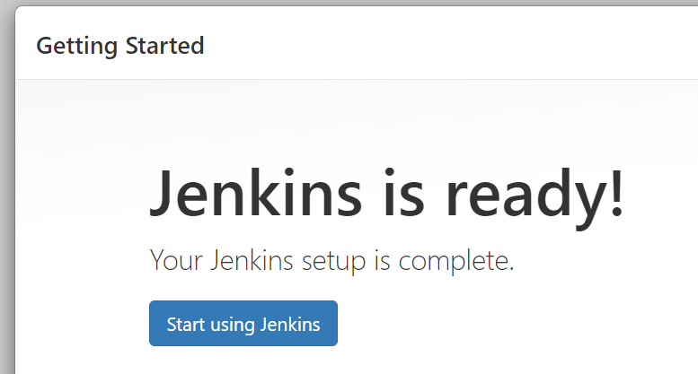
After creating the docker-compose file, you can access the Jenkins web interface on http://localhost:8080.
I wait for a while, and a screen appears asking me to set my admin password.
The default password is saved in the file below.
 | /var/jenkins_home/secrets/initialAdminPassword

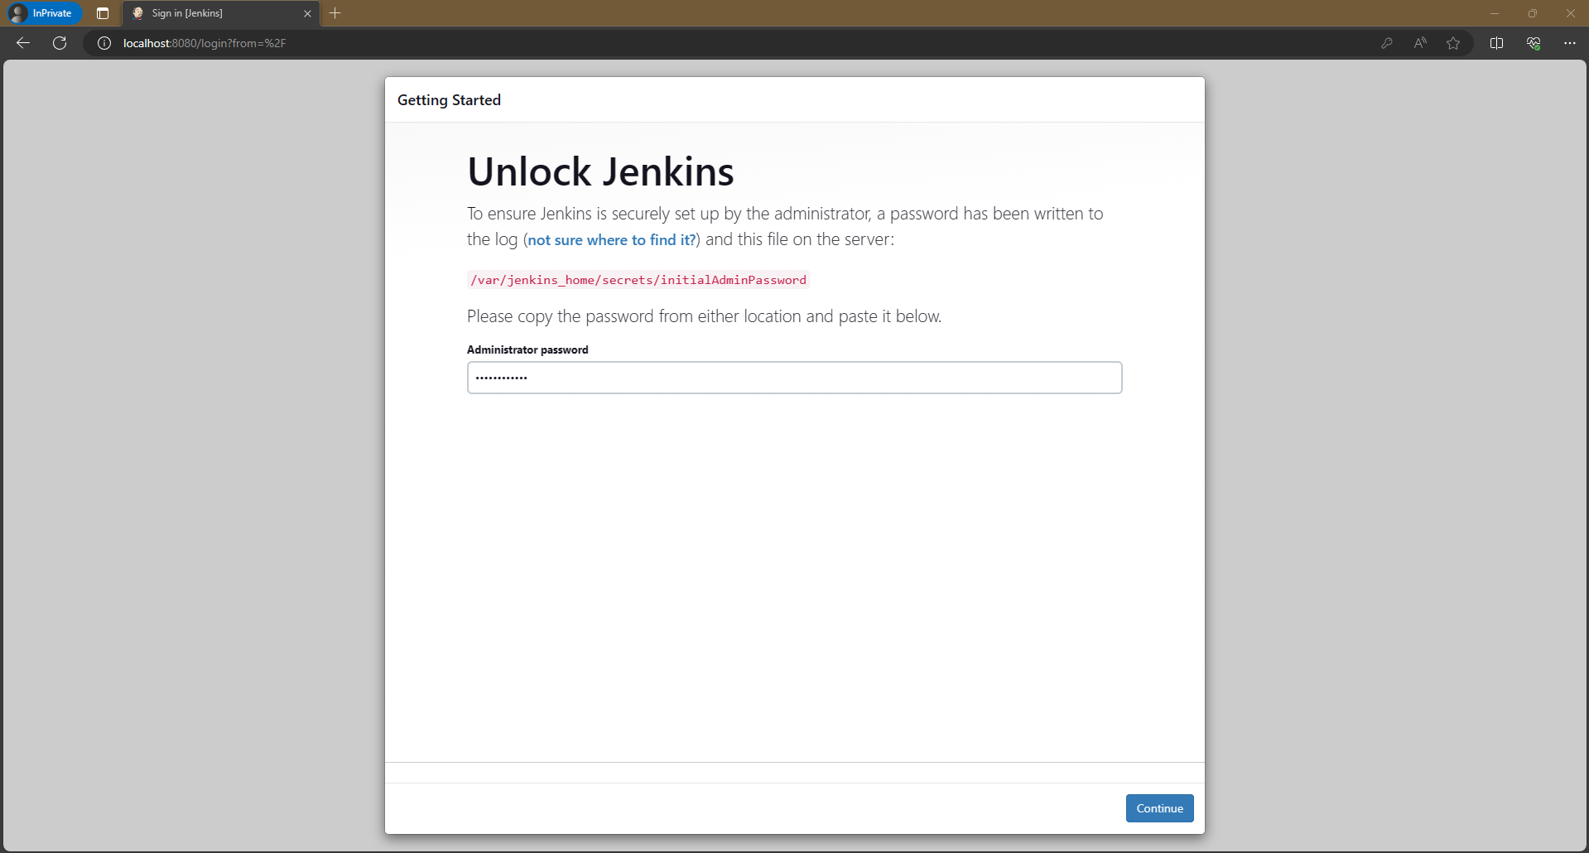

Use the command 'cat initialadminpassword' and I can see my default password.
 | 79b258c0ab764911897435c84a7ddbb5

As you can see, Jenkins asks me to install suggested plugins or select plugins to install, and I will choose the one on the left, 'Install suggested plugins'.

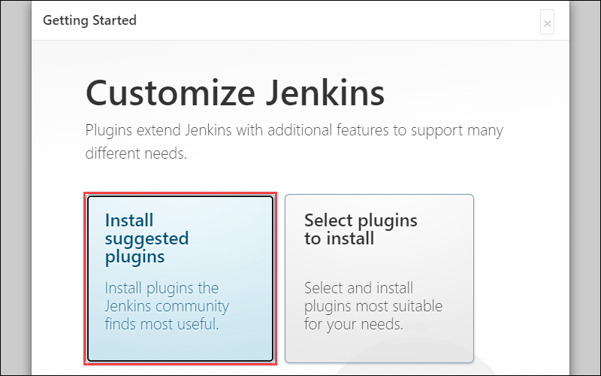

And then Jenkins will install the necessary plugins. You are going to need it in the future.
You can see the progress bar here. This is going to take a while (It will be a long wait).

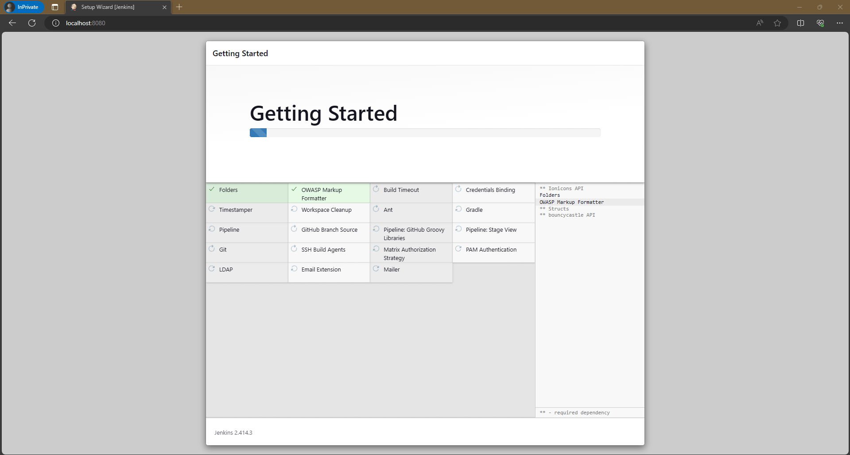

download already finished, and I have a screen here that tells me to create a user.
And then I'm going to enter my username, my password, my full name, and my email.
And then I click on Save and continue button.

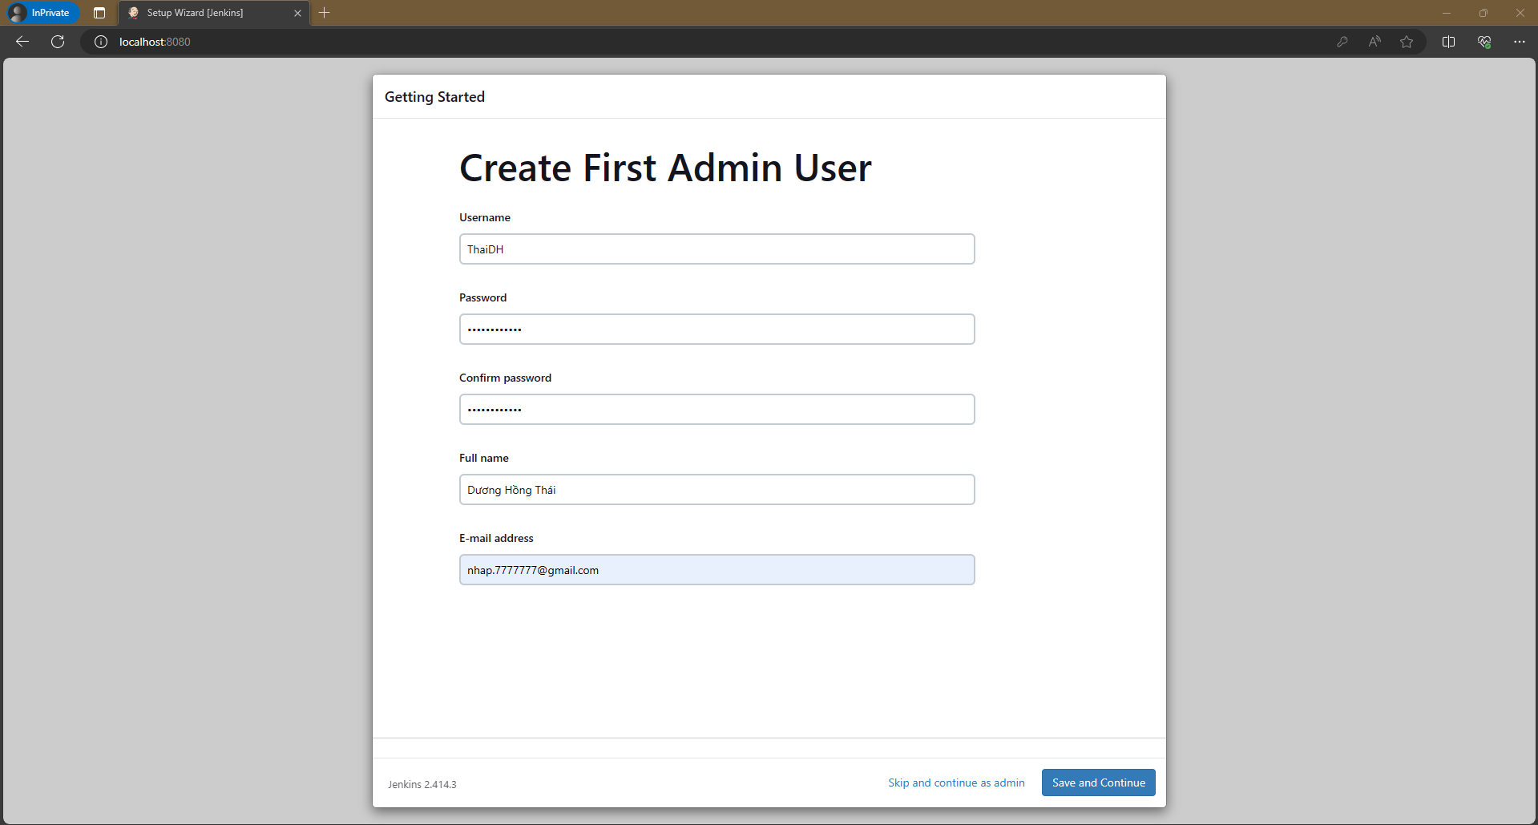

In this screen, it asks me to change the Jenkins URL, but I will leave it as default, and then I will click save and finish.

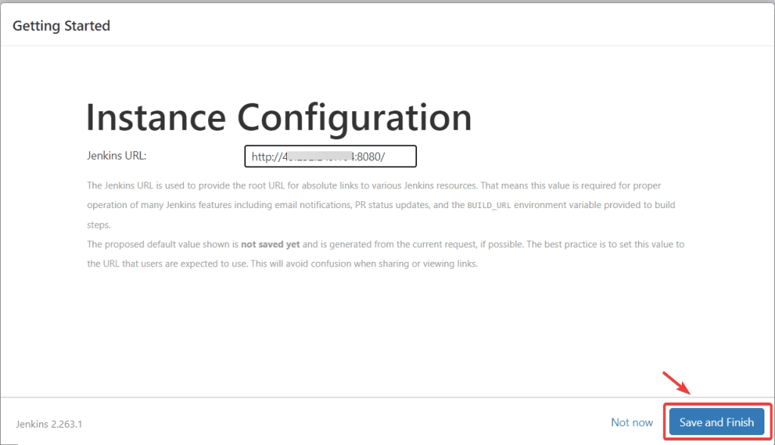

And I'm done and I will click on Start using Jenkins.

execute shell
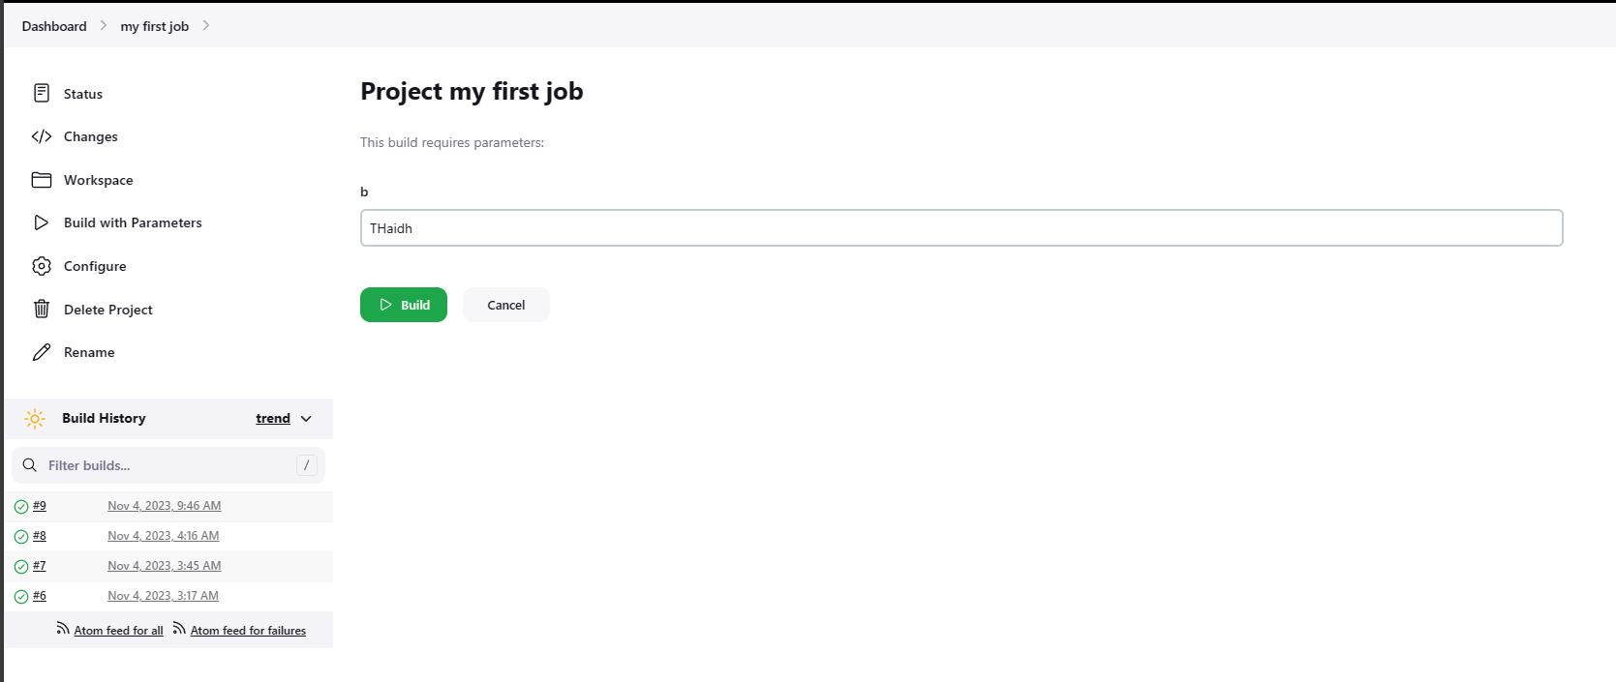
Let me explain my command.
I create a variable named a here, and it equals 7.
and I will write the text 'hello world seven' into a file named info and place it in the tmp directory.
In the bash command, you can write text into a file using the redirection operator.
It looks like a greater than sign.

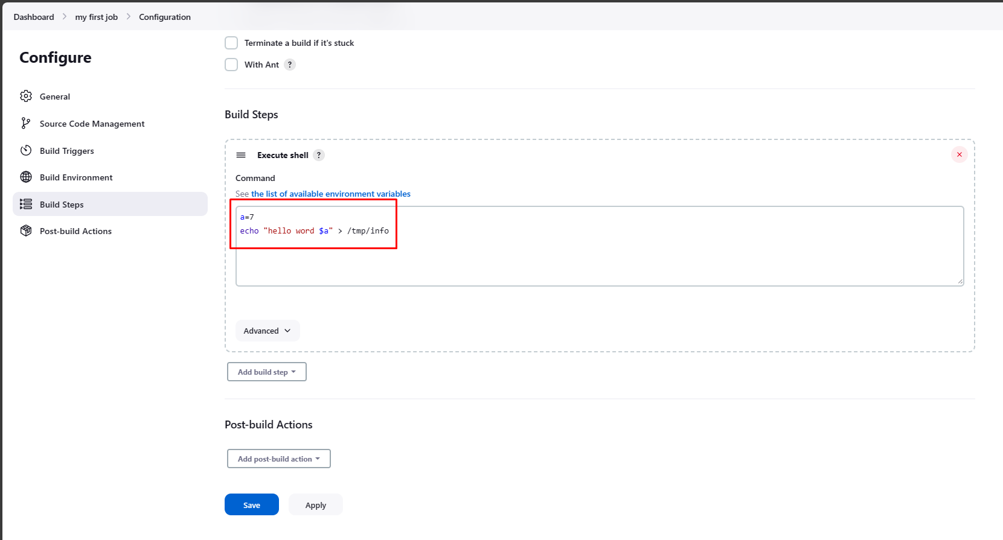

Let's see whether the file is created or not.
I will attach to Jenkins container using below command.
 | docker exec -it docker-jenkins-1 /bin/bash | /bin/bash informs which interpreter are going to use.
And read the file I just created using the command below.
the result is printed

Let me go ahead to the general section here, and as you can see, there are a lot of options to choose from.
and I will choose this one, which says this project is parameterized.
And this option will allow you to add parameters, and you can use the parameters you created in the build steps section.
Let me give you an example. I will add a parameter here.
There are multiple types of parameters, like boolean parameters, file parameters, or string parameters.
To keep it simple, I will choose this one, the string parameter.

I'll give my parameter a name, B, and give it a default value; let's say my name.
I also got the option that says trim the string.
This option will allow you to remove every empty string at the start or end of your default value.

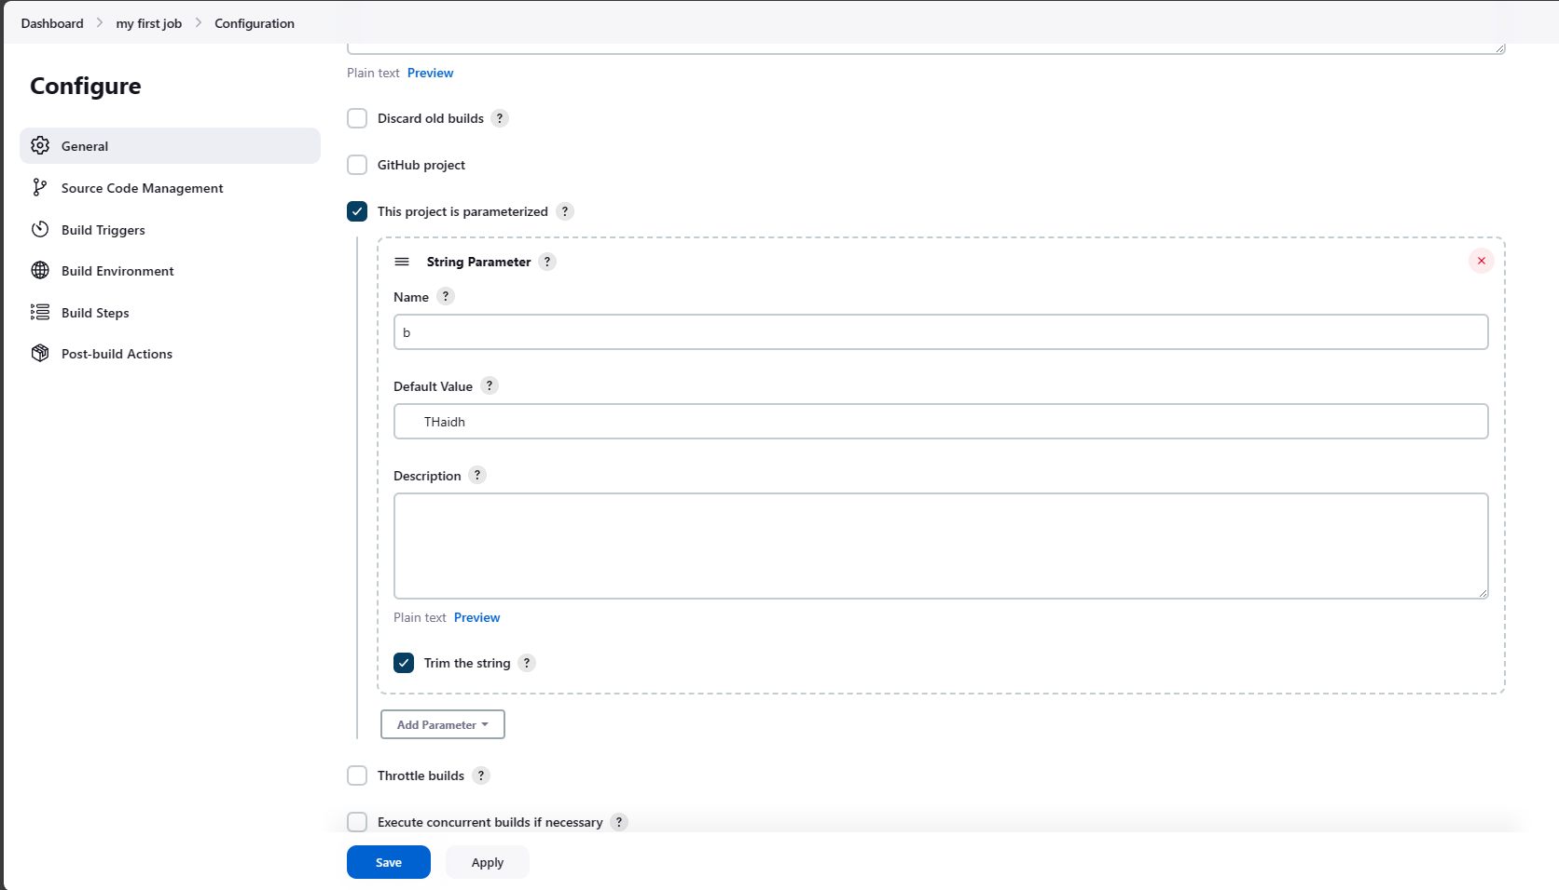

OK, let's save my project.
As you can see here, the build button has changed to a build with parameters.
if you click on the build with parameters button.
You can change the value of the B parameter that you have just added.
But I will not do that; I will just keep it as a default.

