Sheet1
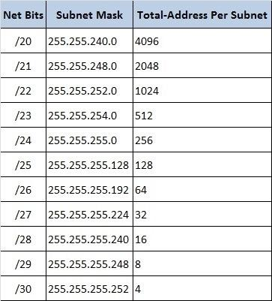
/0 allows for all ips

