Tóm tắt
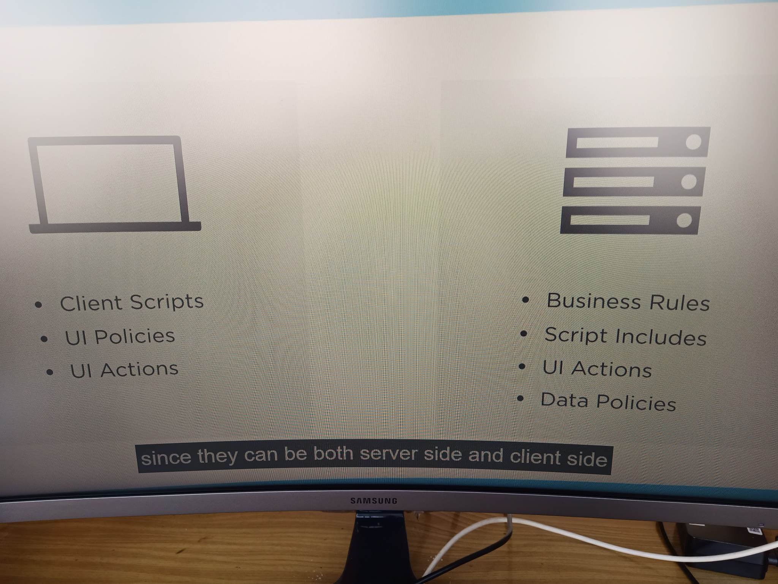

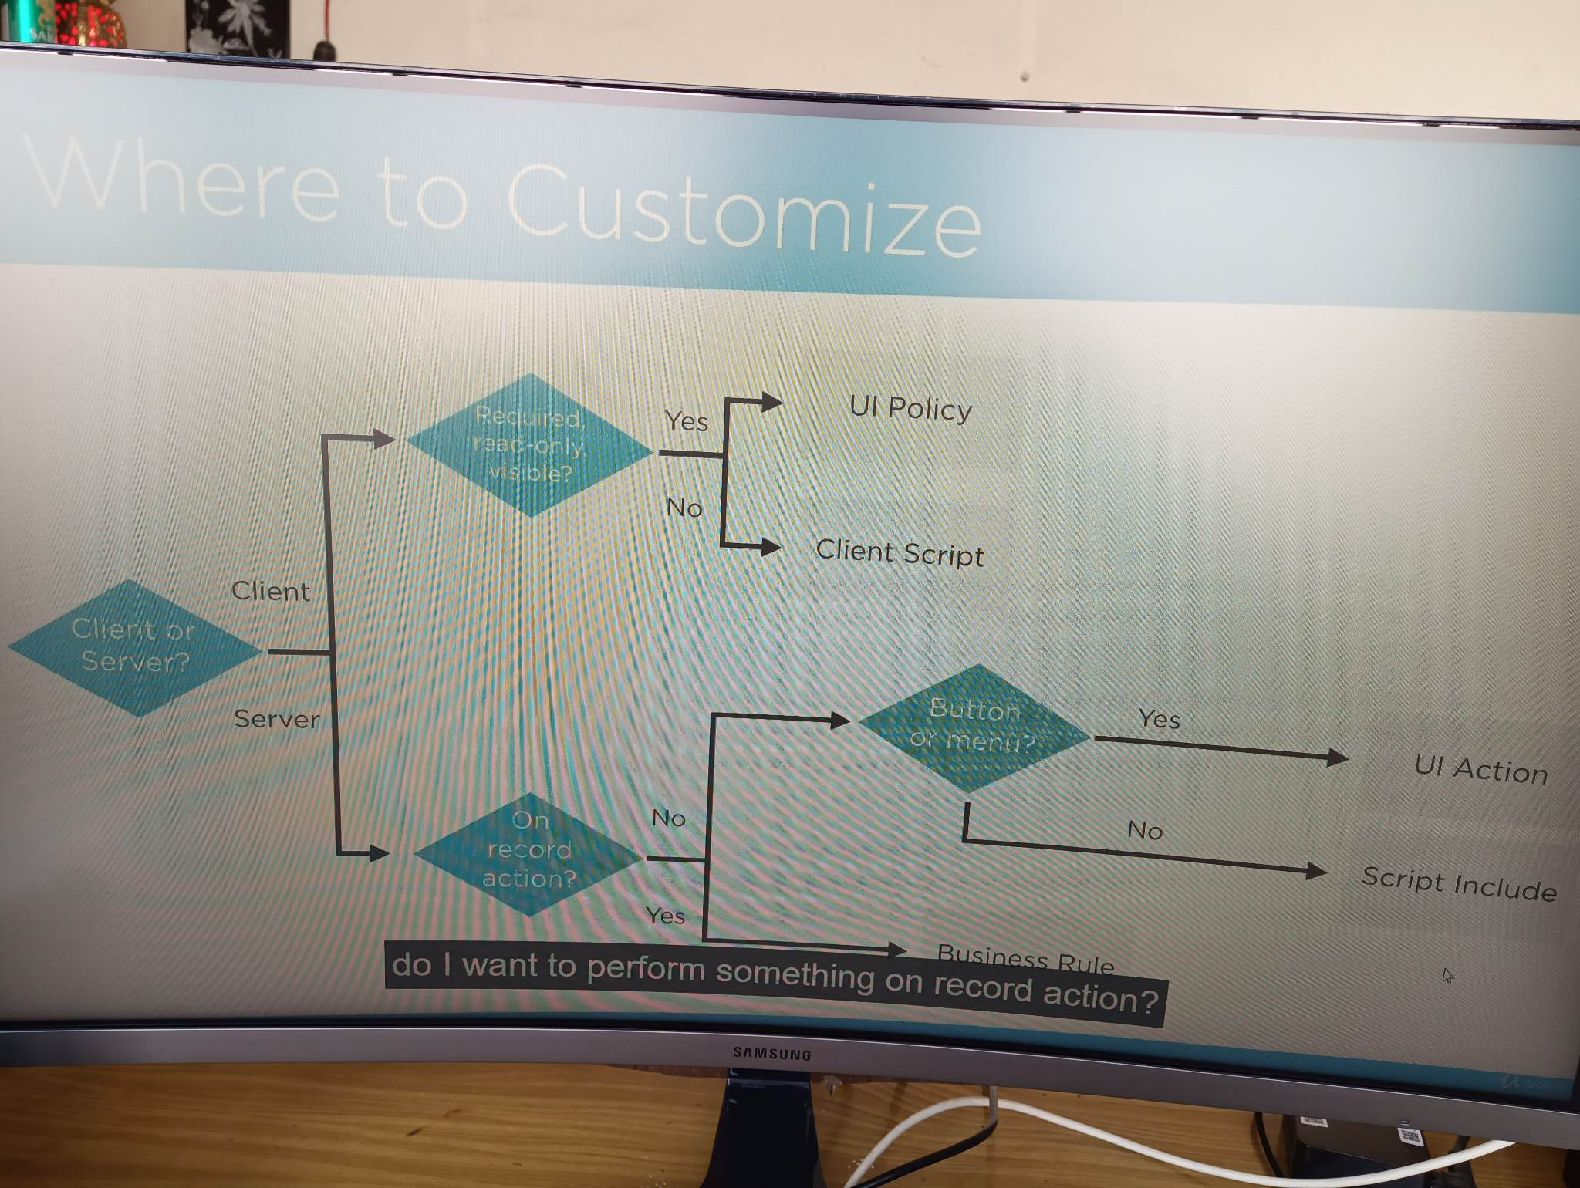

UI Action
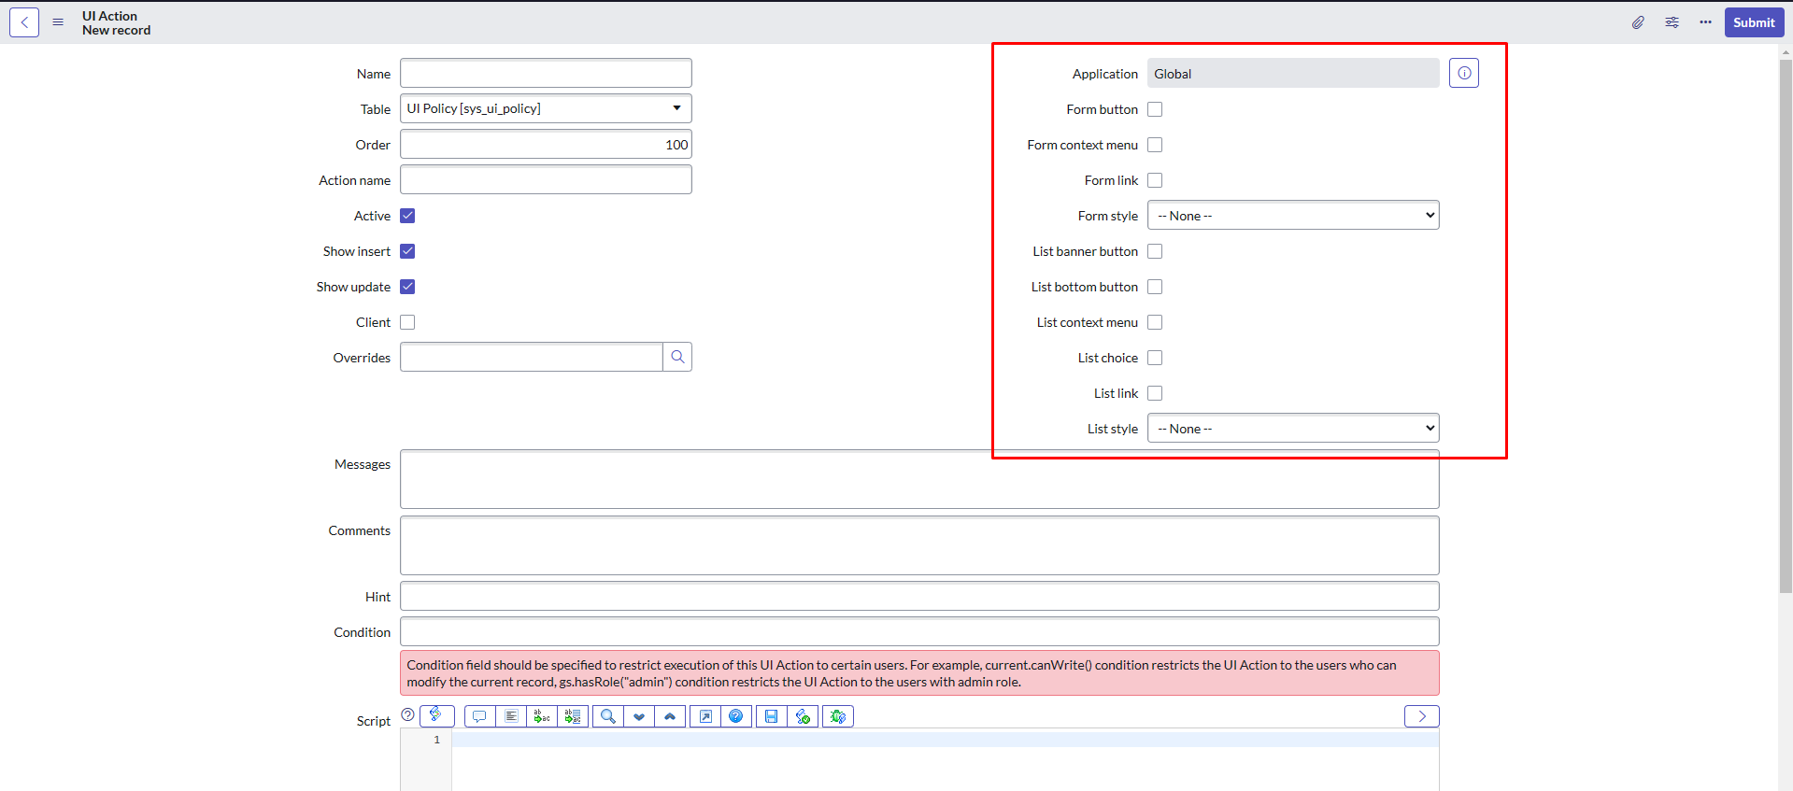
Tạo nút

Business Rule
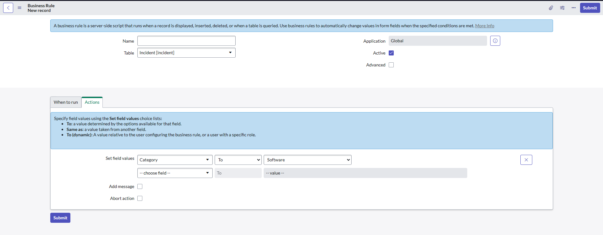
Khi update 1 incident có category = Database

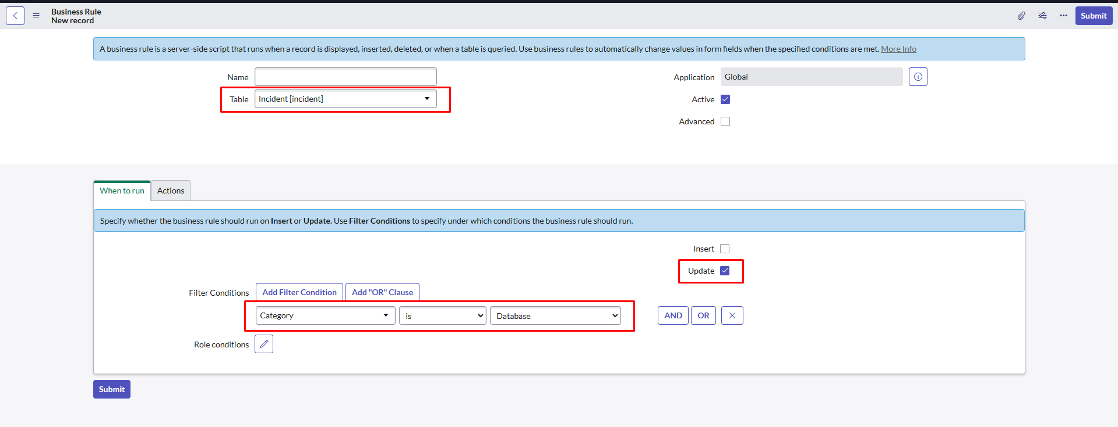

Category sẽ đổi thành software
dữ liệu trong db sẽ đổi thành software

Client script
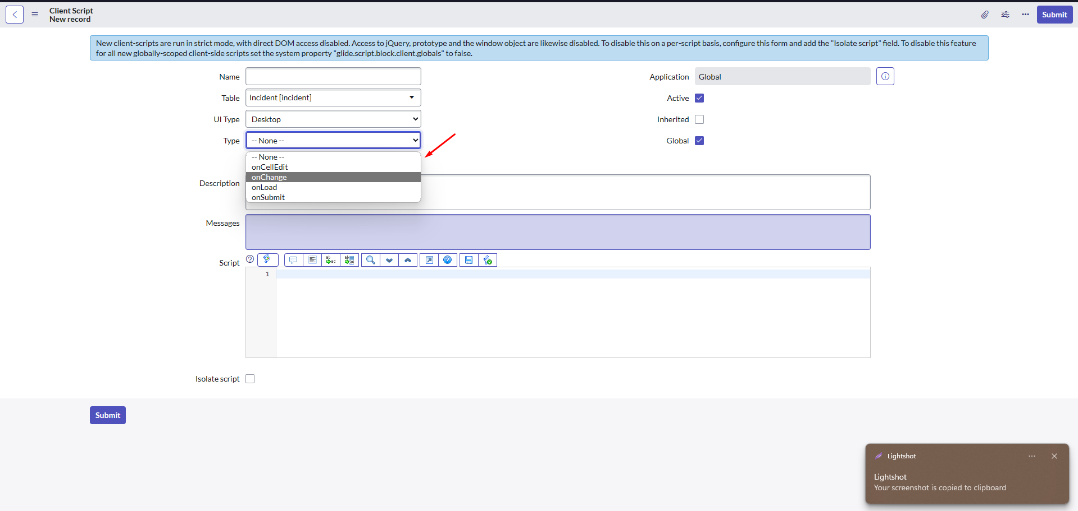

Data policies
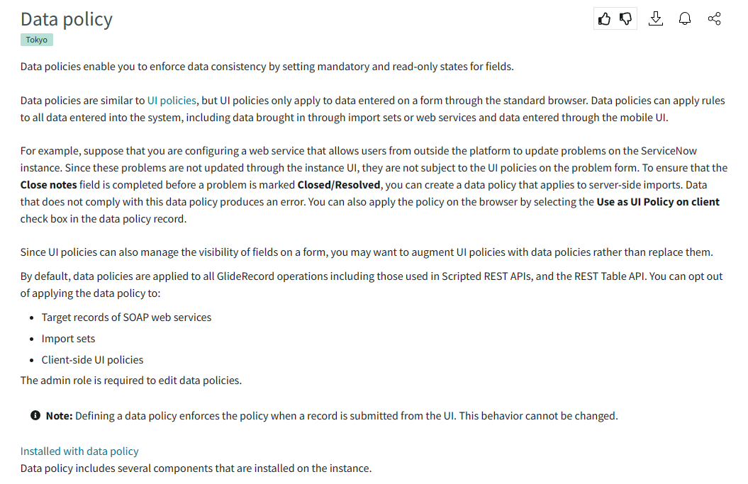

Tables
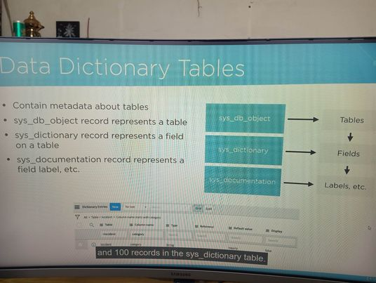
incident.list | take me to the list view of incident table with no filters applied
incident.do | go directly to the new form view

Dictionary Overrides
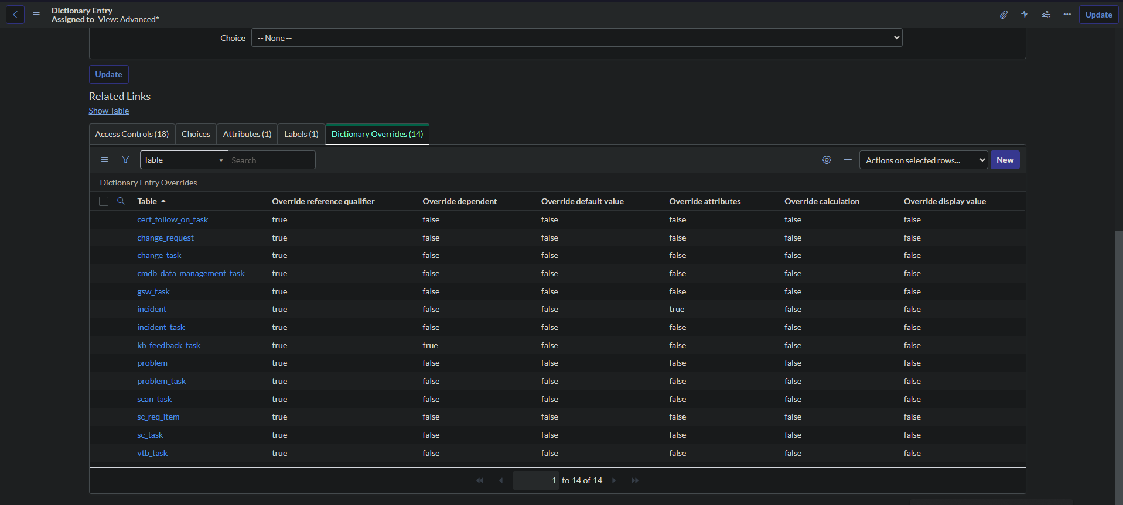
Incident extend Task

Do đó incident thừa hưởng toàn bộ column của task
Chức năng dictionary overrides giúp override 1 cột trong incident

Change display
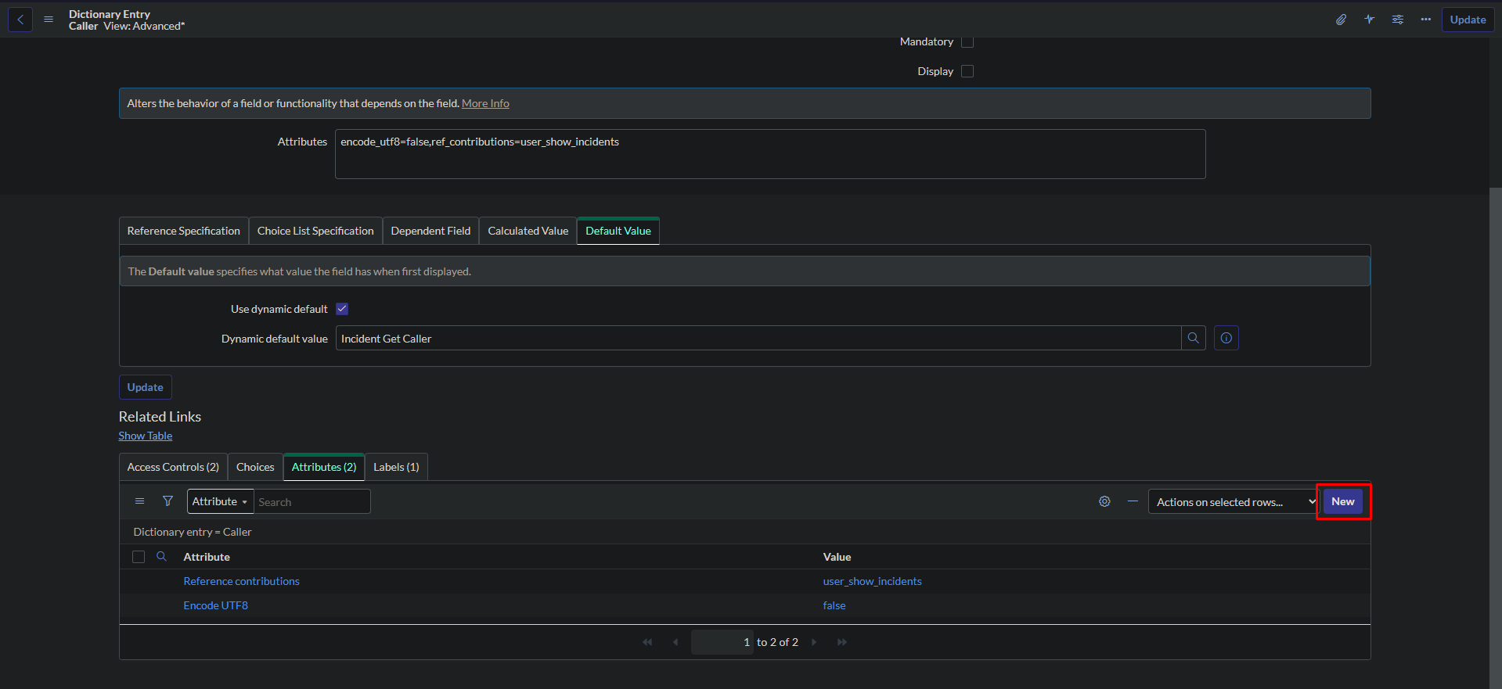
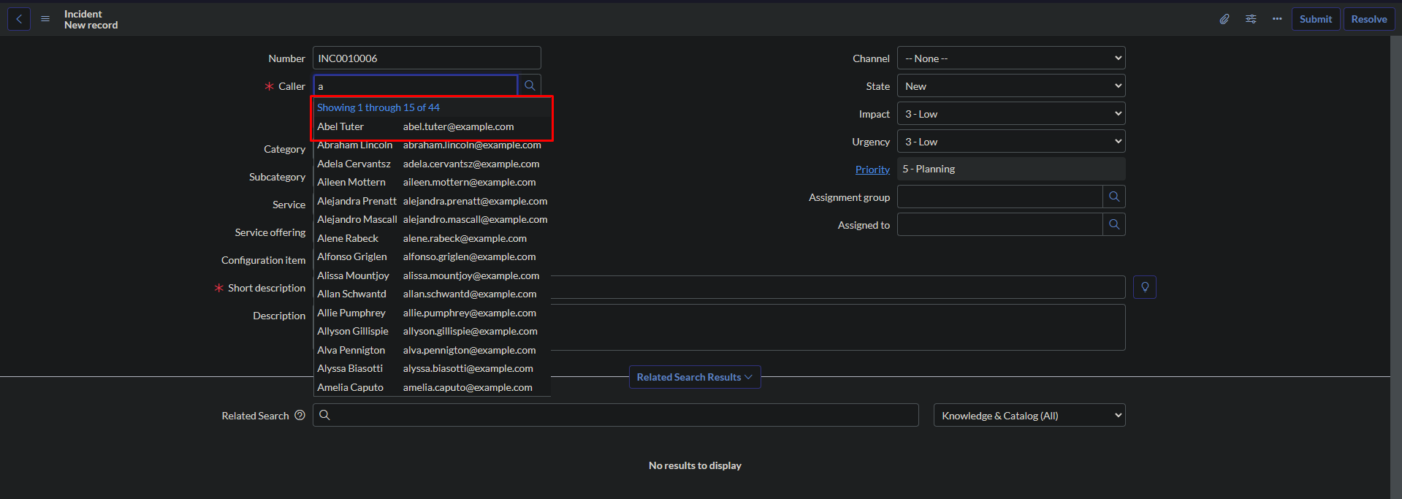

Hiển thị tên và mail bây h muốn hiển thị user id thì
vào bảng user: sys_user.list only display the user name now i want to change user name to user id i'll go into the user table by using this command: sys_user.list

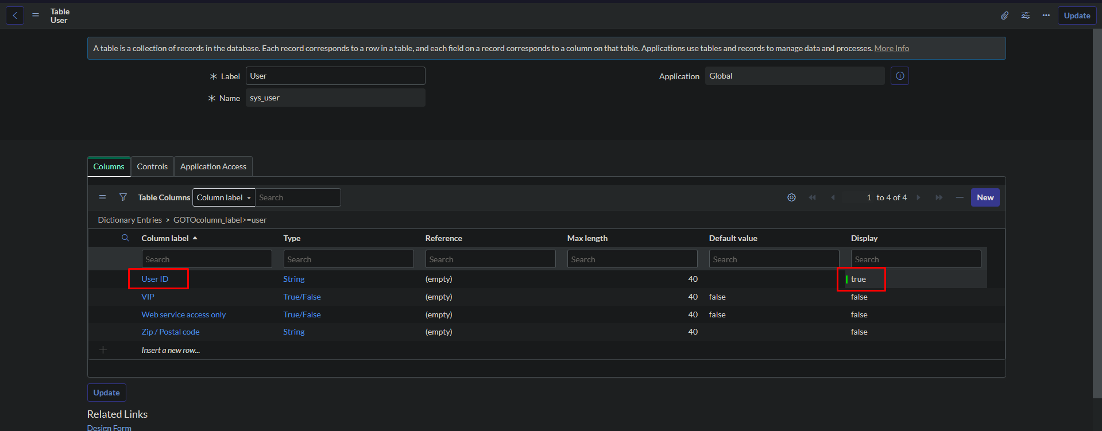

change display status to true

Kết quả

Number maintenance
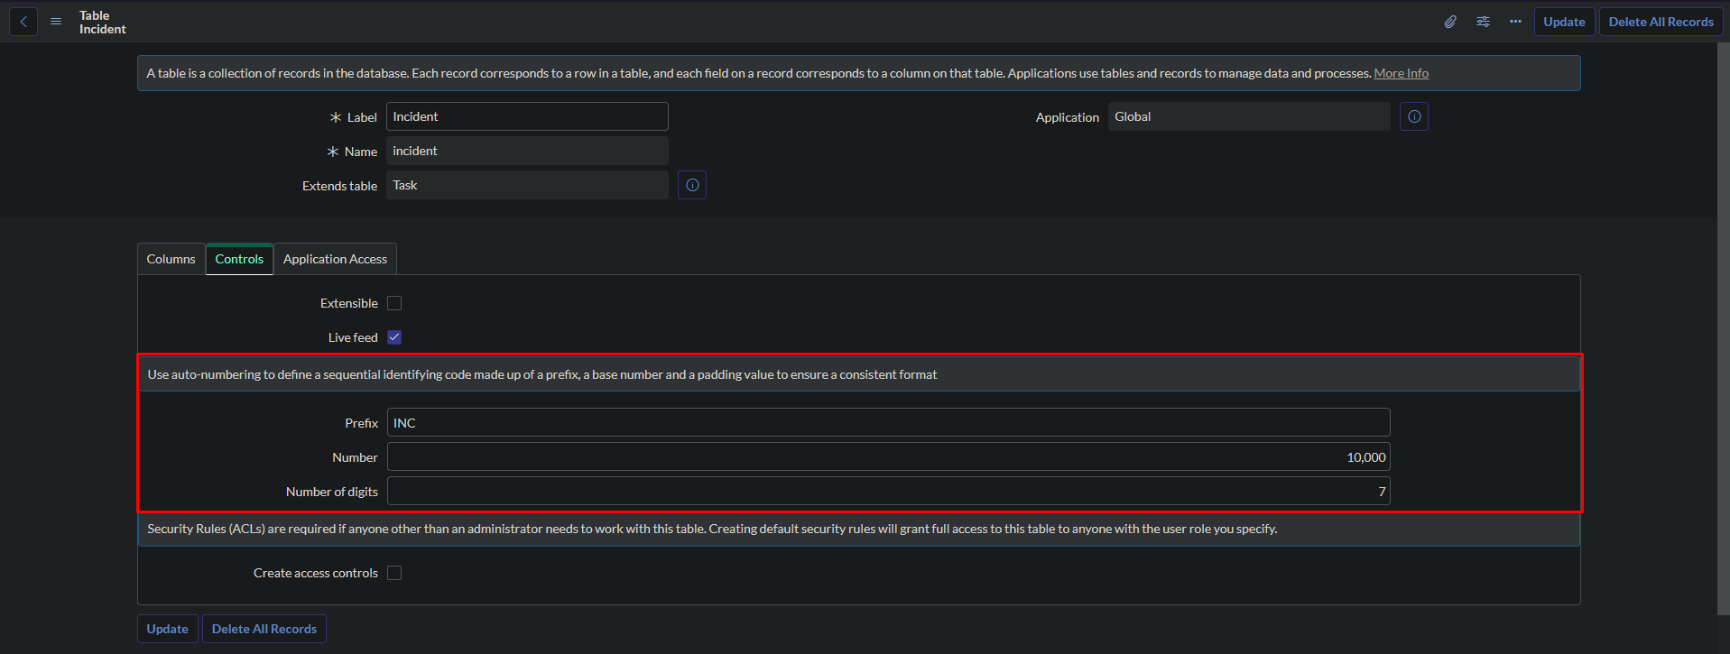
Equivalent

Groups & Roles & ACL
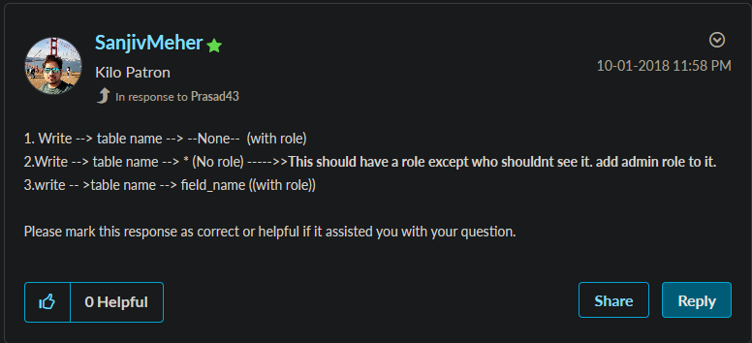
Create a new table called thaidh

 | It extends the Task table and has two own columns called id and thaidh_col.

After creating a new table, the system will create four new access controls for it with the operations create, update, delete, and write, respectively.

The system also creates a new module called "thaidhs" that corresponds with the table just created.

and finally, the system creates a application menu called thaidh

Create a new role called thaidh

 | under the Applications with role tab, I'll add the newly created thaidh menu to this role

 | and I'll also add the "thaidhs" module to it under the modules with role tab

create a new group, give it the name of thaidh
add user abel.tuter to this group
in the roles tab, I'll add a newly created role to this group

go into the u_thaidh read access control and u_thaidh write access control and add thaidh role to it

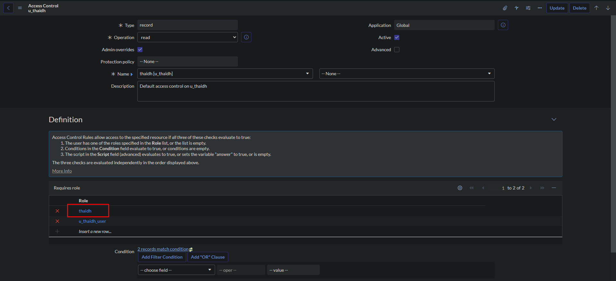

create 2 new access controls

 | one that selects the asterisk in the fields input
 | and I wont add the thaidh role under the requires role

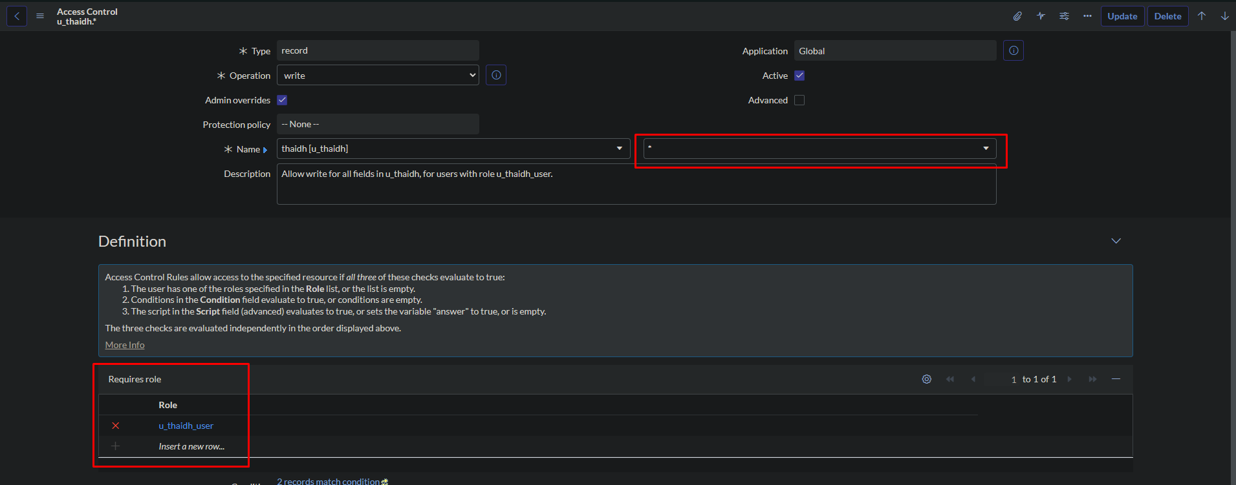

 | the other that selects id in fields input
 | and add the thaidh role under the requires role

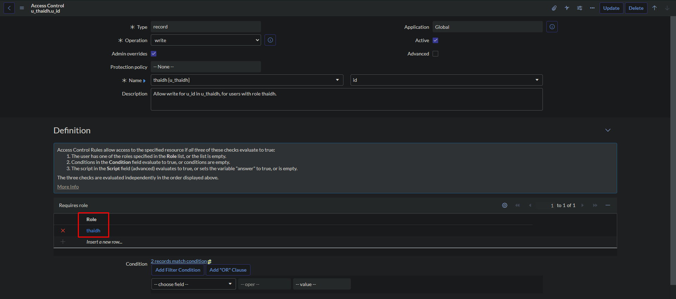

I just granted the abel.tuter user the thaidh role
and now abel.tuter can read and update all records in the thaidh table
but only the id field can be changed, the rest fields will be disabled to prevent any changes.
and finally I'll impersionate abel.tuter
go into the thaidhs application and edit a record, will see that the id field will be enabled and the thaidh_col field will be disabled

Refer to the link bellow to learn more about how to give write access to specific field on form
Solved: How to give write access to specific field on form - ServiceNow Community

Switch to classic UI
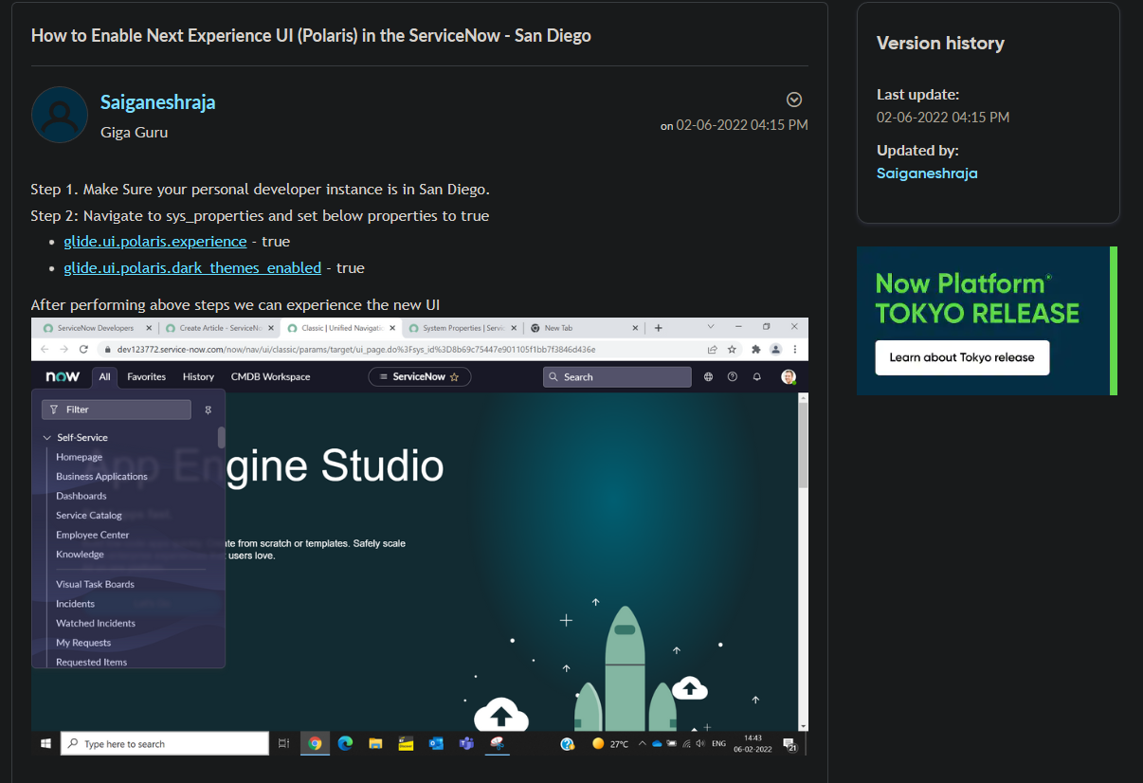
How to Enable Next Experience UI (Polaris) in the ... - ServiceNow Community

Catalog
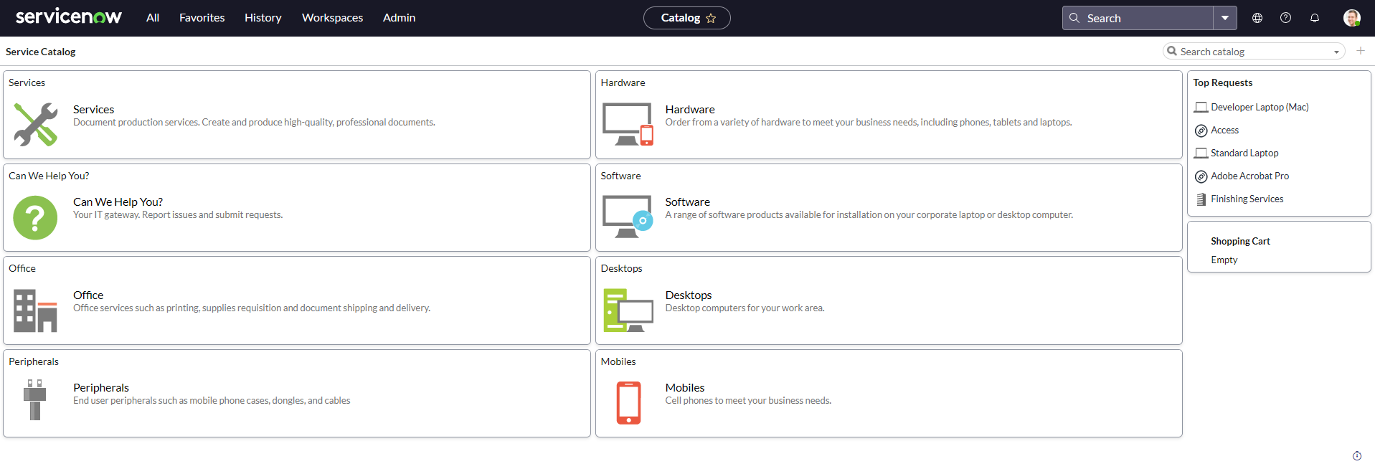

Service portal conf
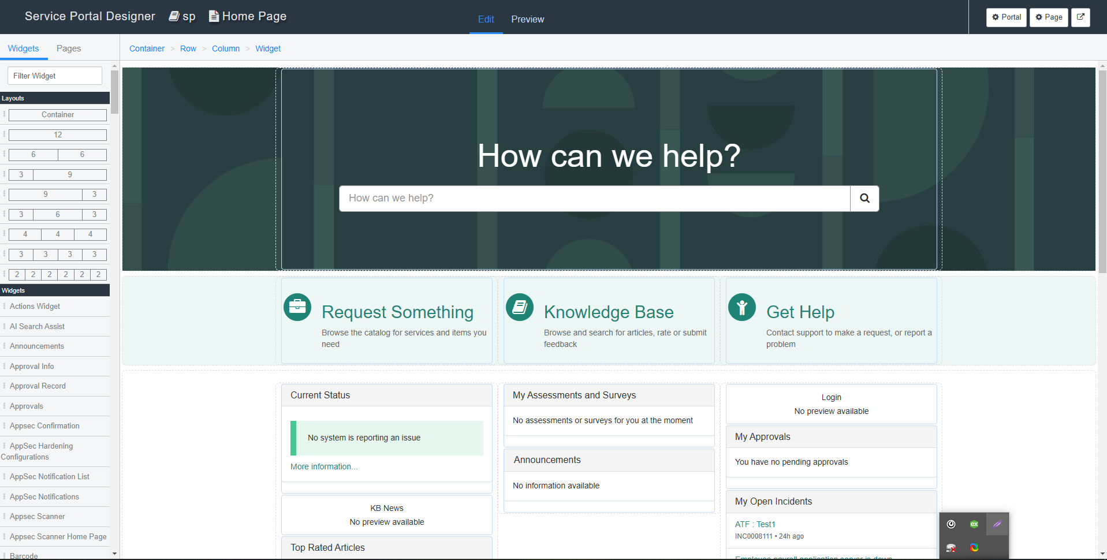

Connect chat
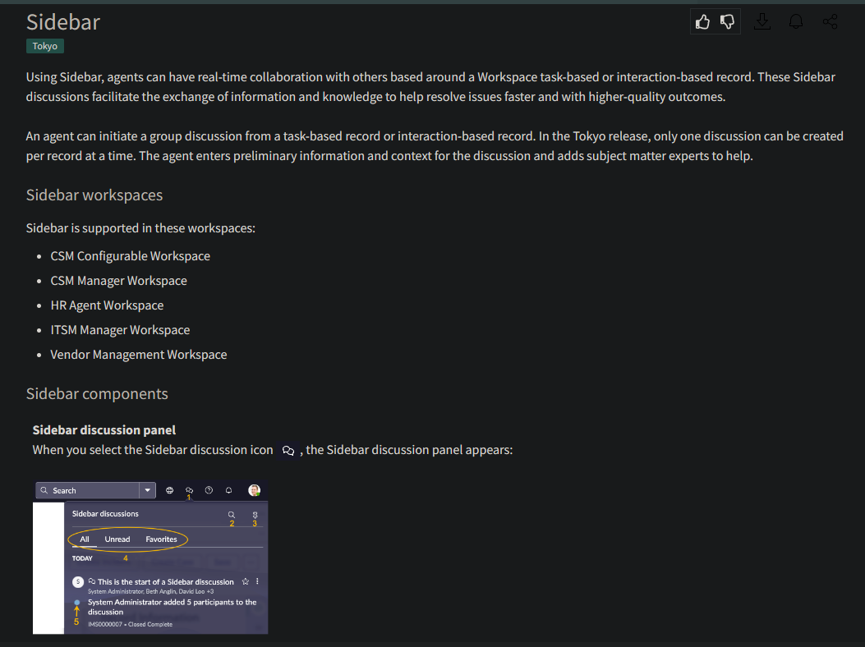

Visual task boards
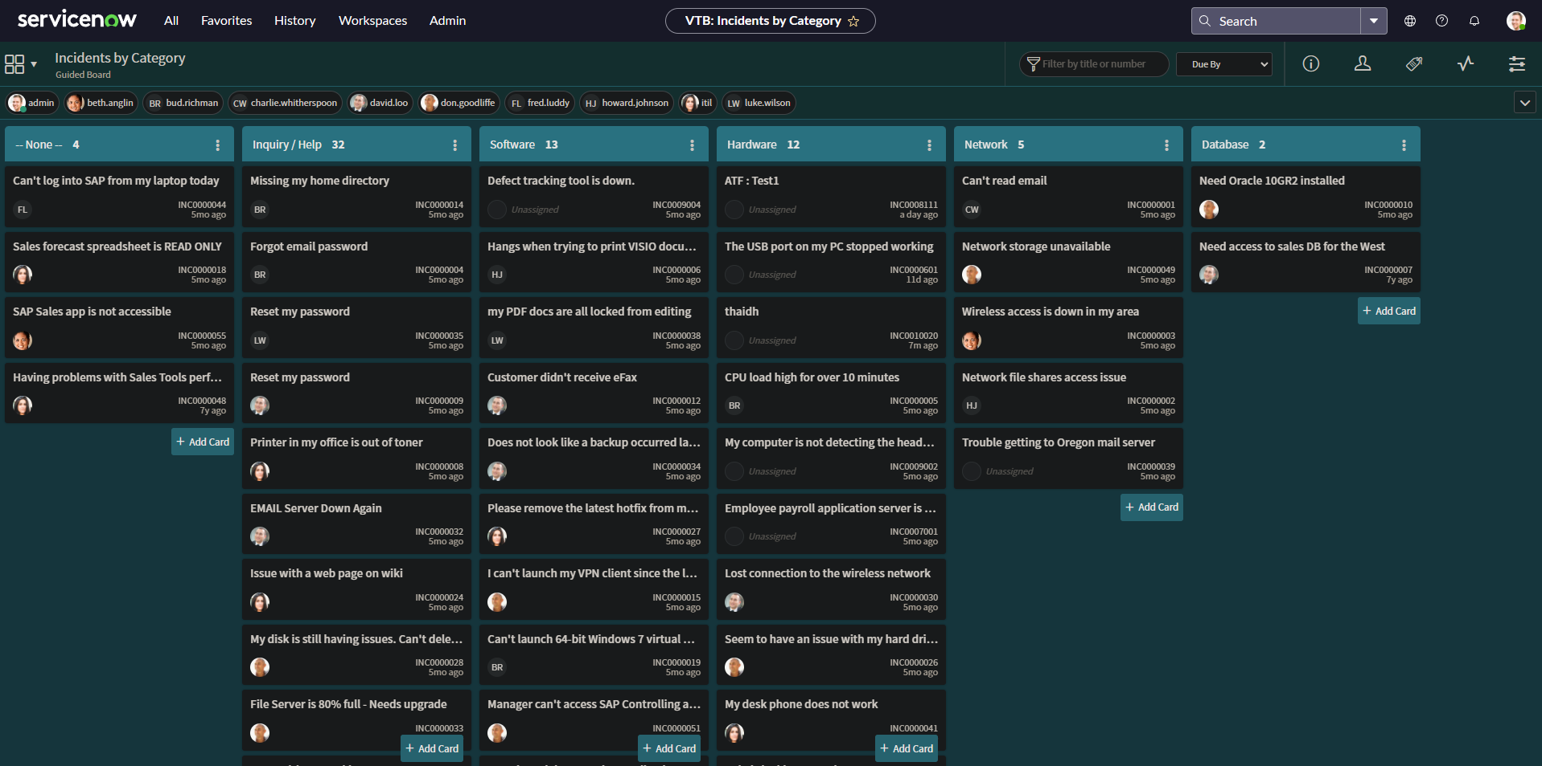

System properties
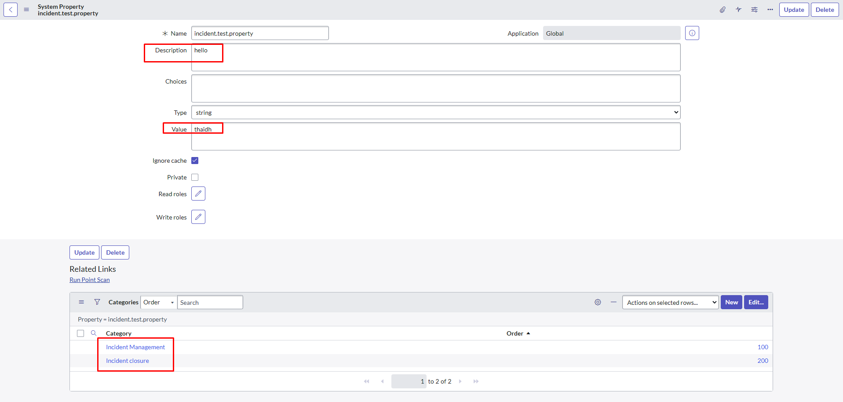

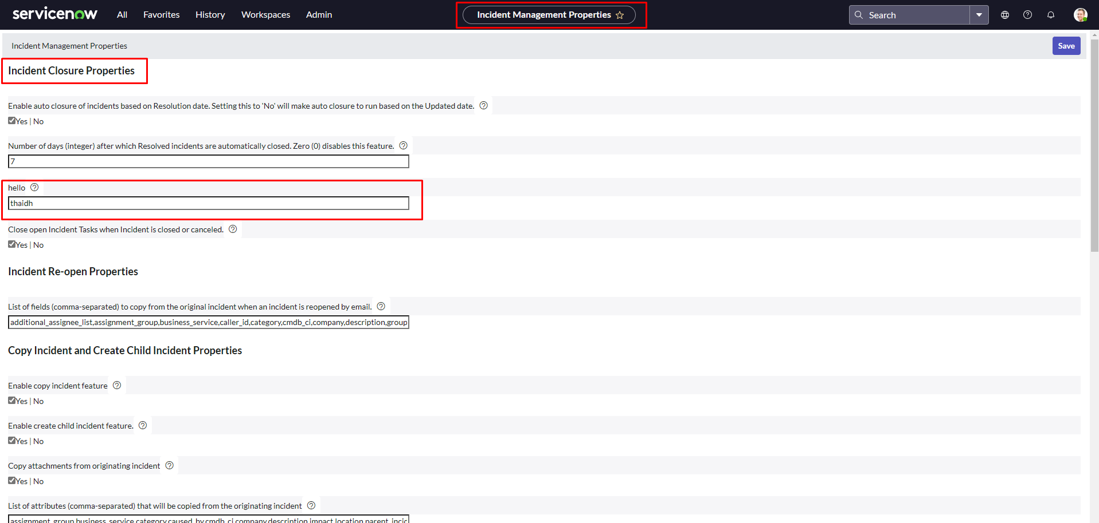

System diagnostics
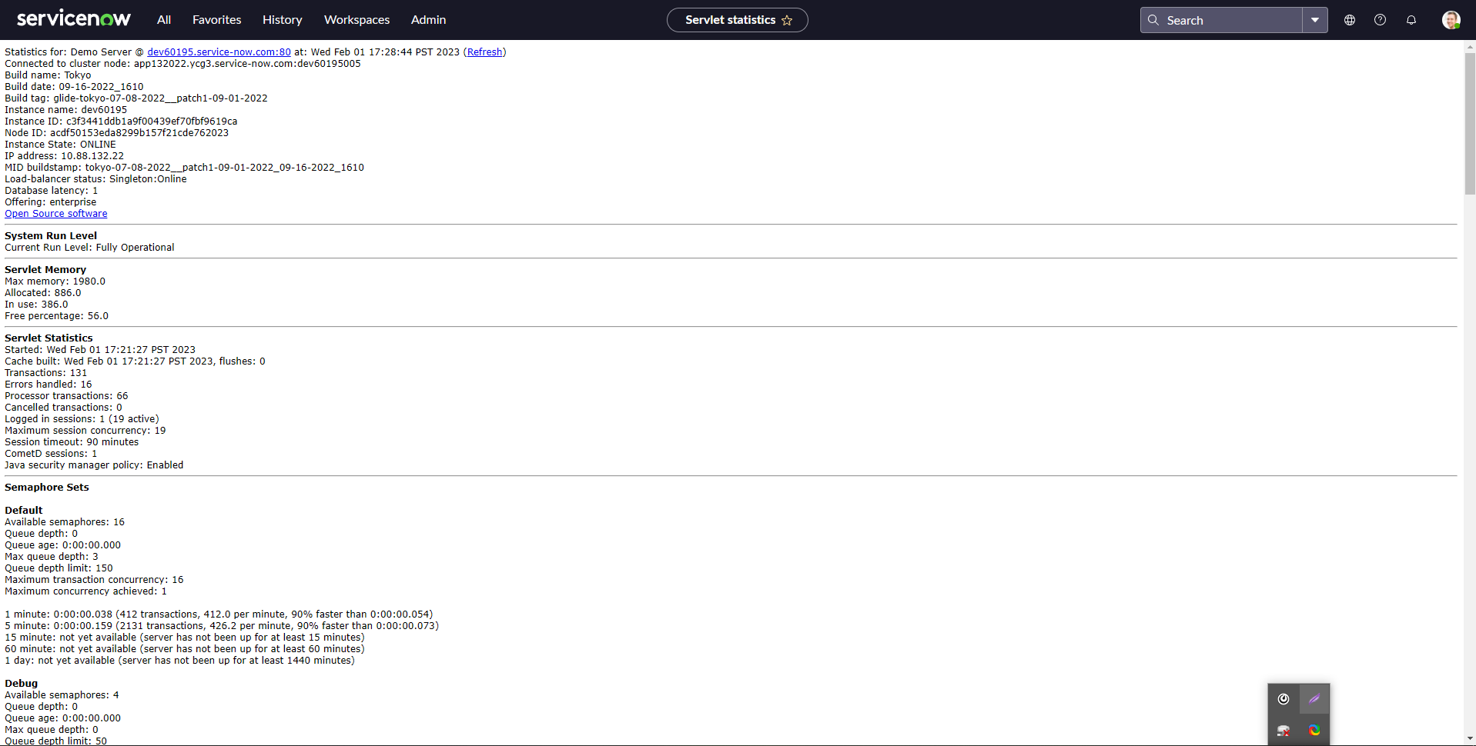
stats.do

