Report1
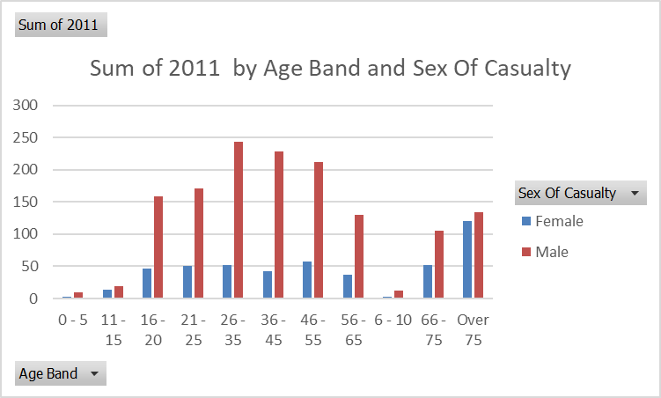
Thống kê số lượng người tử vong theo Giới Tính, Loại Nạn Nhân (Casualty Type) và Nhóm Tuổi (Age_Band_of_Casualty) theo các năm.

Sex Of Casualty | Casualty Type | Age Band | 2011 | 2012 | 2013 | 2014
Female | Agricultural vehicle occupant | 26 - 35 | 1 | 0 | 0 | 0
Female | Agricultural vehicle occupant | 36 - 45 | 0 | 0 | 0 | 1
Female | Agricultural vehicle occupant | 66 - 75 | 0 | 1 | 0 | 0
Female | Bus or coach occupant (17 or more pass seats) | 16 - 20 | 0 | 0 | 1 | 0
Female | Bus or coach occupant (17 or more pass seats) | 21 - 25 | 0 | 1 | 0 | 0
Female | Bus or coach occupant (17 or more pass seats) | 56 - 65 | 1 | 0 | 0 | 1
Female | Bus or coach occupant (17 or more pass seats) | 66 - 75 | 2 | 0 | 2 | 1
Female | Bus or coach occupant (17 or more pass seats) | Over 75 | 1 | 4 | 2 | 0
Female | Car occupant | 0 - 5 | 1 | 6 | 3 | 1
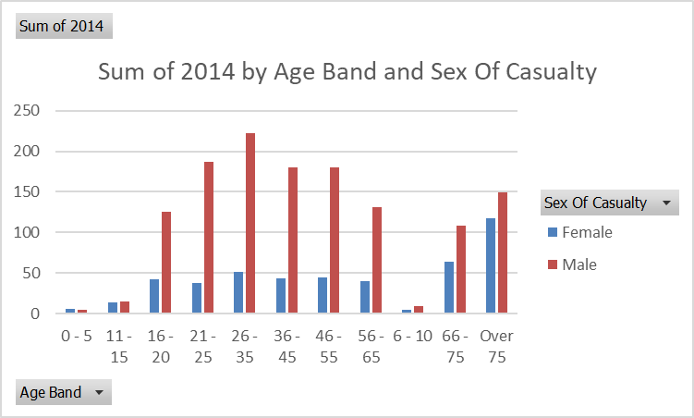
Female | Car occupant | 11 - 15 | 3 | 2 | 1 | 5
Female | Car occupant | 16 - 20 | 37 | 24 | 40 | 30
Female | Car occupant | 21 - 25 | 35 | 23 | 26 | 27
Female | Car occupant | 26 - 35 | 37 | 31 | 32 | 29
Female | Car occupant | 36 - 45 | 27 | 26 | 20 | 26
Female | Car occupant | 46 - 55 | 28 | 18 | 24 | 22
Female | Car occupant | 56 - 65 | 18 | 28 | 19 | 16
Female | Car occupant | 6 - 10 | 2 | 4 | 1 | 1
Female | Car occupant | 66 - 75 | 25 | 27 | 32 | 35
Female | Car occupant | Over 75 | 57 | 49 | 62 | 64
Female | Cyclist | 11 - 15 | 2 | 0 | 0 | 0
Female | Cyclist | 16 - 20 | 0 | 0 | 2 | 0
Female | Cyclist | 21 - 25 | 3 | 2 | 3 | 3
Female | Cyclist | 26 - 35 | 4 | 1 | 5 | 4
Female | Cyclist | 36 - 45 | 4 | 1 | 3 | 1
Female | Cyclist | 46 - 55 | 3 | 1 | 1 | 5
Female | Cyclist | 56 - 65 | 1 | 1 | 1 | 3
Female | Cyclist | 6 - 10 | 0 | 1 | 0 | 0
Female | Cyclist | 66 - 75 | 5 | 1 | 2 | 3
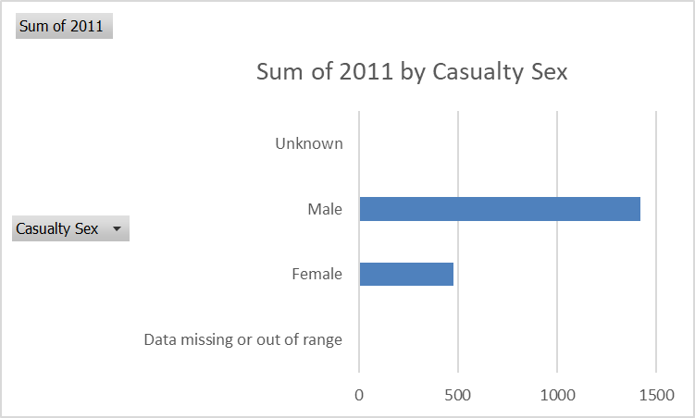
Female | Cyclist | Over 75 | 0 | 1 | 1 | 1
Female | Goods vehicle (7.5 tonnes mgw and over) occupant | 36 - 45 | 0 | 0 | 0 | 1
Female | Goods vehicle (7.5 tonnes mgw and over) occupant | 46 - 55 | 1 | 0 | 0 | 0
Female | Horse rider | 26 - 35 | 0 | 2 | 0 | 1
Female | Horse rider | 36 - 45 | 0 | 0 | 1 | 0
Female | Horse rider | 46 - 55 | 1 | 0 | 1 | 0
Female | Horse rider | 56 - 65 | 2 | 1 | 0 | 0
Female | Horse rider | 66 - 75 | 0 | 1 | 0 | 0
Female | Minibus (8 - 16 passenger seats) occupant | 21 - 25 | 1 | 0 | 0 | 0
Female | Minibus (8 - 16 passenger seats) occupant | Over 75 | 2 | 0 | 0 | 1
Female | Mobility scooter rider | 56 - 65 | 0 | 0 | 1 | 0
Female | Mobility scooter rider | Over 75 | 0 | 0 | 1 | 1
Female | Motorcycle 125cc and under rider or passenger | 16 - 20 | 1 | 1 | 0 | 2
Female | Motorcycle 125cc and under rider or passenger | 21 - 25 | 1 | 0 | 1 | 0
Female | Motorcycle 125cc and under rider or passenger | 26 - 35 | 0 | 0 | 0 | 1
Female | Motorcycle 125cc and under rider or passenger | 36 - 45 | 1 | 0 | 1 | 1
Female | Motorcycle 125cc and under rider or passenger | 46 - 55 | 4 | 0 | 1 | 0
Female | Motorcycle 125cc and under rider or passenger | 66 - 75 | 1 | 0 | 0 | 0
Female | Motorcycle 50cc and under rider or passenger | 16 - 20 | 0 | 1 | 1 | 0
Female | Motorcycle 50cc and under rider or passenger | 36 - 45 | 1 | 0 | 0 | 0
Female | Motorcycle 50cc and under rider or passenger | 46 - 55 | 0 | 0 | 0 | 1
Female | Motorcycle over 125cc and up to 500cc rider or passenger | 21 - 25 | 1 | 0 | 0 | 0
Female | Motorcycle over 125cc and up to 500cc rider or passenger | 26 - 35 | 0 | 0 | 2 | 0
Female | Motorcycle over 125cc and up to 500cc rider or passenger | 36 - 45 | 1 | 1 | 1 | 0
Female | Motorcycle over 500cc rider or passenger | 11 - 15 | 0 | 1 | 0 | 0
Female | Motorcycle over 500cc rider or passenger | 16 - 20 | 1 | 1 | 1 | 1
Female | Motorcycle over 500cc rider or passenger | 21 - 25 | 1 | 2 | 0 | 0
Female | Motorcycle over 500cc rider or passenger | 26 - 35 | 0 | 2 | 2 | 2
Female | Motorcycle over 500cc rider or passenger | 36 - 45 | 3 | 7 | 4 | 3
Female | Motorcycle over 500cc rider or passenger | 46 - 55 | 2 | 2 | 4 | 3
Female | Motorcycle over 500cc rider or passenger | 56 - 65 | 0 | 2 | 1 | 2
Female | Motorcycle over 500cc rider or passenger | Over 75 | 1 | 0 | 0 | 0
Female | Other vehicle occupant | 36 - 45 | 0 | 0 | 1 | 0
Female | Other vehicle occupant | 46 - 55 | 1 | 0 | 0 | 0
Female | Other vehicle occupant | 56 - 65 | 0 | 0 | 1 | 1
Female | Other vehicle occupant | 66 - 75 | 0 | 0 | 1 | 1
Female | Other vehicle occupant | Over 75 | 5 | 3 | 2 | 0
Female | Pedestrian | 0 - 5 | 2 | 5 | 2 | 5
Female | Pedestrian | 11 - 15 | 9 | 0 | 8 | 9
Female | Pedestrian | 16 - 20 | 7 | 13 | 13 | 9
Female | Pedestrian | 21 - 25 | 8 | 9 | 5 | 8
Female | Pedestrian | 26 - 35 | 9 | 12 | 16 | 14
Female | Pedestrian | 36 - 45 | 5 | 16 | 6 | 10
Female | Pedestrian | 46 - 55 | 16 | 10 | 16 | 12
Female | Pedestrian | 56 - 65 | 14 | 10 | 9 | 17
Female | Pedestrian | 6 - 10 | 1 | 1 | 0 | 4
Female | Pedestrian | 66 - 75 | 19 | 14 | 20 | 23
Female | Pedestrian | Over 75 | 55 | 40 | 33 | 50
Female | Taxi/Private hire car occupant | 16 - 20 | 1 | 0 | 0 | 0
Female | Taxi/Private hire car occupant | 21 - 25 | 0 | 0 | 1 | 0
Female | Taxi/Private hire car occupant | 26 - 35 | 1 | 0 | 0 | 0
Female | Taxi/Private hire car occupant | 46 - 55 | 0 | 1 | 0 | 0
Female | Taxi/Private hire car occupant | Over 75 | 0 | 1 | 0 | 1
Female | Van / Goods vehicle (3.5 tonnes mgw or under) occupant | 11 - 15 | 0 | 0 | 1 | 0
Female | Van / Goods vehicle (3.5 tonnes mgw or under) occupant | 21 - 25 | 0 | 1 | 0 | 0
Female | Van / Goods vehicle (3.5 tonnes mgw or under) occupant | 26 - 35 | 0 | 1 | 0 | 0
Female | Van / Goods vehicle (3.5 tonnes mgw or under) occupant | 46 - 55 | 1 | 0 | 0 | 1
Female | Van / Goods vehicle (3.5 tonnes mgw or under) occupant | 56 - 65 | 1 | 2 | 0 | 0
Female | Van / Goods vehicle (3.5 tonnes mgw or under) occupant | 66 - 75 | 0 | 0 | 0 | 1
Male | Agricultural vehicle occupant | 16 - 20 | 0 | 0 | 0 | 2
Male | Agricultural vehicle occupant | 36 - 45 | 1 | 0 | 0 | 0
Male | Agricultural vehicle occupant | 46 - 55 | 0 | 0 | 2 | 2
Male | Agricultural vehicle occupant | 56 - 65 | 1 | 1 | 0 | 1
Male | Agricultural vehicle occupant | 66 - 75 | 0 | 0 | 1 | 0
Male | Agricultural vehicle occupant | Over 75 | 0 | 0 | 1 | 0
Male | Bus or coach occupant (17 or more pass seats) | 16 - 20 | 0 | 1 | 0 | 1
Male | Bus or coach occupant (17 or more pass seats) | 26 - 35 | 0 | 1 | 0 | 0
Male | Bus or coach occupant (17 or more pass seats) | 36 - 45 | 0 | 0 | 0 | 1
Male | Bus or coach occupant (17 or more pass seats) | 46 - 55 | 0 | 0 | 2 | 0
Male | Bus or coach occupant (17 or more pass seats) | 56 - 65 | 0 | 1 | 1 | 0
Male | Bus or coach occupant (17 or more pass seats) | 66 - 75 | 0 | 3 | 0 | 0
Male | Bus or coach occupant (17 or more pass seats) | Over 75 | 3 | 0 | 2 | 3
Male | Car occupant | 0 - 5 | 5 | 5 | 2 | 3
Male | Car occupant | 11 - 15 | 8 | 7 | 4 | 5
Male | Car occupant | 16 - 20 | 100 | 100 | 67 | 74
Male | Car occupant | 21 - 25 | 91 | 87 | 93 | 96
Male | Car occupant | 26 - 35 | 110 | 92 | 89 | 81
Male | Car occupant | 36 - 45 | 70 | 52 | 60 | 56
Male | Car occupant | 46 - 55 | 65 | 60 | 47 | 54
Male | Car occupant | 56 - 65 | 37 | 35 | 44 | 43
Male | Car occupant | 6 - 10 | 2 | 3 | 1 | 3
Male | Car occupant | 66 - 75 | 45 | 38 | 40 | 49
Male | Car occupant | Over 75 | 68 | 74 | 68 | 70
Male | Cyclist | 0 - 5 | 0 | 0 | 1 | 0
Male | Cyclist | 11 - 15 | 3 | 10 | 4 | 5
Male | Cyclist | 16 - 20 | 6 | 6 | 5 | 2
Male | Cyclist | 21 - 25 | 5 | 10 | 8 | 11
Male | Cyclist | 26 - 35 | 13 | 13 | 8 | 13
Male | Cyclist | 36 - 45 | 18 | 19 | 13 | 12
Male | Cyclist | 46 - 55 | 9 | 19 | 21 | 19
Male | Cyclist | 56 - 65 | 13 | 15 | 15 | 9
Male | Cyclist | 6 - 10 | 1 | 2 | 1 | 1
Male | Cyclist | 66 - 75 | 13 | 5 | 10 | 14
Male | Cyclist | Over 75 | 4 | 10 | 4 | 7
Male | Goods vehicle (7.5 tonnes mgw and over) occupant | 16 - 20 | 0 | 0 | 1 | 0
Male | Goods vehicle (7.5 tonnes mgw and over) occupant | 21 - 25 | 0 | 0 | 1 | 0
Male | Goods vehicle (7.5 tonnes mgw and over) occupant | 26 - 35 | 1 | 3 | 1 | 0
Male | Goods vehicle (7.5 tonnes mgw and over) occupant | 36 - 45 | 6 | 6 | 3 | 4
Male | Goods vehicle (7.5 tonnes mgw and over) occupant | 46 - 55 | 7 | 10 | 6 | 5
Male | Goods vehicle (7.5 tonnes mgw and over) occupant | 56 - 65 | 4 | 7 | 6 | 2
Male | Goods vehicle (7.5 tonnes mgw and over) occupant | 66 - 75 | 1 | 0 | 0 | 1
Male | Goods vehicle (over 3.5t. and under 7.5t.) occupant | 21 - 25 | 0 | 0 | 1 | 0
Male | Goods vehicle (over 3.5t. and under 7.5t.) occupant | 26 - 35 | 0 | 0 | 1 | 0
Male | Goods vehicle (over 3.5t. and under 7.5t.) occupant | 36 - 45 | 2 | 2 | 0 | 0
Male | Goods vehicle (over 3.5t. and under 7.5t.) occupant | 46 - 55 | 2 | 1 | 1 | 0
Male | Goods vehicle (over 3.5t. and under 7.5t.) occupant | 56 - 65 | 2 | 0 | 0 | 1
Male | Goods vehicle (over 3.5t. and under 7.5t.) occupant | 66 - 75 | 2 | 0 | 0 | 0
Male | Horse rider | 56 - 65 | 1 | 0 | 0 | 0
Male | Minibus (8 - 16 passenger seats) occupant | 21 - 25 | 0 | 1 | 0 | 0
Male | Minibus (8 - 16 passenger seats) occupant | 26 - 35 | 0 | 0 | 0 | 1
Male | Minibus (8 - 16 passenger seats) occupant | 46 - 55 | 0 | 0 | 1 | 0
Male | Minibus (8 - 16 passenger seats) occupant | 56 - 65 | 0 | 0 | 1 | 1
Male | Minibus (8 - 16 passenger seats) occupant | 66 - 75 | 1 | 0 | 0 | 0
Male | Minibus (8 - 16 passenger seats) occupant | Over 75 | 1 | 0 | 0 | 1
Male | Mobility scooter rider | 56 - 65 | 0 | 0 | 1 | 1
Male | Mobility scooter rider | 66 - 75 | 0 | 0 | 0 | 1
Male | Mobility scooter rider | Over 75 | 0 | 1 | 2 | 6
Male | Motorcycle - unknown cc rider or passenger | 21 - 25 | 0 | 0 | 0 | 2
Male | Motorcycle - unknown cc rider or passenger | 56 - 65 | 0 | 0 | 0 | 1
Male | Motorcycle 125cc and under rider or passenger | 11 - 15 | 0 | 0 | 1 | 0
Male | Motorcycle 125cc and under rider or passenger | 16 - 20 | 14 | 18 | 10 | 14
Male | Motorcycle 125cc and under rider or passenger | 21 - 25 | 12 | 7 | 18 | 15
Male | Motorcycle 125cc and under rider or passenger | 26 - 35 | 10 | 7 | 10 | 12
Male | Motorcycle 125cc and under rider or passenger | 36 - 45 | 4 | 7 | 6 | 8
Male | Motorcycle 125cc and under rider or passenger | 46 - 55 | 3 | 2 | 2 | 2
Male | Motorcycle 125cc and under rider or passenger | 56 - 65 | 0 | 2 | 1 | 5
Male | Motorcycle 125cc and under rider or passenger | 66 - 75 | 0 | 0 | 1 | 0
Male | Motorcycle 125cc and under rider or passenger | Over 75 | 0 | 1 | 0 | 1
Male | Motorcycle 50cc and under rider or passenger | 16 - 20 | 4 | 3 | 1 | 2
Male | Motorcycle 50cc and under rider or passenger | 21 - 25 | 2 | 1 | 0 | 1
Male | Motorcycle 50cc and under rider or passenger | 26 - 35 | 0 | 1 | 1 | 1
Male | Motorcycle 50cc and under rider or passenger | 36 - 45 | 0 | 1 | 0 | 0
Male | Motorcycle 50cc and under rider or passenger | 46 - 55 | 0 | 2 | 0 | 0
Male | Motorcycle 50cc and under rider or passenger | 56 - 65 | 0 | 1 | 0 | 1
Male | Motorcycle 50cc and under rider or passenger | 66 - 75 | 2 | 1 | 0 | 0
Male | Motorcycle 50cc and under rider or passenger | Over 75 | 0 | 1 | 0 | 0
Male | Motorcycle over 125cc and up to 500cc rider or passenger | 16 - 20 | 6 | 9 | 5 | 3
Male | Motorcycle over 125cc and up to 500cc rider or passenger | 21 - 25 | 7 | 7 | 3 | 4
Male | Motorcycle over 125cc and up to 500cc rider or passenger | 26 - 35 | 5 | 3 | 5 | 4
Male | Motorcycle over 125cc and up to 500cc rider or passenger | 36 - 45 | 7 | 4 | 7 | 5
Male | Motorcycle over 125cc and up to 500cc rider or passenger | 46 - 55 | 10 | 4 | 3 | 2
Male | Motorcycle over 125cc and up to 500cc rider or passenger | 56 - 65 | 1 | 2 | 3 | 5
Male | Motorcycle over 125cc and up to 500cc rider or passenger | Over 75 | 1 | 1 | 0 | 0
Male | Motorcycle over 500cc rider or passenger | 16 - 20 | 5 | 14 | 10 | 11
Male | Motorcycle over 500cc rider or passenger | 21 - 25 | 22 | 30 | 38 | 33
Male | Motorcycle over 500cc rider or passenger | 26 - 35 | 46 | 45 | 32 | 51
Male | Motorcycle over 500cc rider or passenger | 36 - 45 | 75 | 44 | 50 | 47
Male | Motorcycle over 500cc rider or passenger | 46 - 55 | 62 | 53 | 70 | 60
Male | Motorcycle over 500cc rider or passenger | 56 - 65 | 31 | 25 | 26 | 21
Male | Motorcycle over 500cc rider or passenger | 6 - 10 | 0 | 0 | 1 | 0
Male | Motorcycle over 500cc rider or passenger | 66 - 75 | 12 | 11 | 7 | 12
Male | Motorcycle over 500cc rider or passenger | Over 75 | 2 | 1 | 1 | 0
Male | Other vehicle occupant | 16 - 20 | 1 | 0 | 1 | 2
Male | Other vehicle occupant | 21 - 25 | 1 | 1 | 2 | 0
Male | Other vehicle occupant | 26 - 35 | 1 | 0 | 0 | 1
Male | Other vehicle occupant | 36 - 45 | 2 | 0 | 0 | 0
Male | Other vehicle occupant | 46 - 55 | 2 | 0 | 0 | 1
Male | Other vehicle occupant | 56 - 65 | 2 | 0 | 0 | 2
Male | Other vehicle occupant | 66 - 75 | 3 | 1 | 1 | 1
Male | Other vehicle occupant | Over 75 | 2 | 2 | 2 | 1
Male | Pedestrian | 0 - 5 | 4 | 3 | 4 | 1
Male | Pedestrian | 11 - 15 | 8 | 8 | 6 | 5
Male | Pedestrian | 16 - 20 | 21 | 19 | 19 | 14
Male | Pedestrian | 21 - 25 | 28 | 19 | 25 | 22
Male | Pedestrian | 26 - 35 | 47 | 33 | 40 | 47
Male | Pedestrian | 36 - 45 | 39 | 42 | 29 | 36
Male | Pedestrian | 46 - 55 | 44 | 30 | 44 | 35
Male | Pedestrian | 56 - 65 | 31 | 26 | 19 | 35
Male | Pedestrian | 6 - 10 | 9 | 3 | 6 | 5
Male | Pedestrian | 66 - 75 | 25 | 42 | 25 | 26
Male | Pedestrian | Over 75 | 52 | 65 | 53 | 59
Male | Taxi/Private hire car occupant | 11 - 15 | 0 | 0 | 1 | 0
Male | Taxi/Private hire car occupant | 16 - 20 | 0 | 1 | 1 | 0
Male | Taxi/Private hire car occupant | 26 - 35 | 2 | 3 | 1 | 0
Male | Taxi/Private hire car occupant | 36 - 45 | 1 | 1 | 1 | 1
Male | Taxi/Private hire car occupant | 46 - 55 | 1 | 1 | 2 | 0
Male | Taxi/Private hire car occupant | 56 - 65 | 1 | 1 | 0 | 1
Male | Taxi/Private hire car occupant | 66 - 75 | 0 | 0 | 1 | 0
Male | Van / Goods vehicle (3.5 tonnes mgw or under) occupant | 16 - 20 | 2 | 1 | 8 | 0
Male | Van / Goods vehicle (3.5 tonnes mgw or under) occupant | 21 - 25 | 3 | 3 | 6 | 3
Male | Van / Goods vehicle (3.5 tonnes mgw or under) occupant | 26 - 35 | 8 | 7 | 4 | 11
Male | Van / Goods vehicle (3.5 tonnes mgw or under) occupant | 36 - 45 | 3 | 4 | 4 | 10
Male | Van / Goods vehicle (3.5 tonnes mgw or under) occupant | 46 - 55 | 7 | 7 | 7 | 0
Male | Van / Goods vehicle (3.5 tonnes mgw or under) occupant | 56 - 65 | 6 | 5 | 4 | 2
Male | Van / Goods vehicle (3.5 tonnes mgw or under) occupant | 66 - 75 | 2 | 1 | 2 | 4
Male | Van / Goods vehicle (3.5 tonnes mgw or under) occupant | Over 75 | 1 | 1 | 1 | 1

