Sheet1
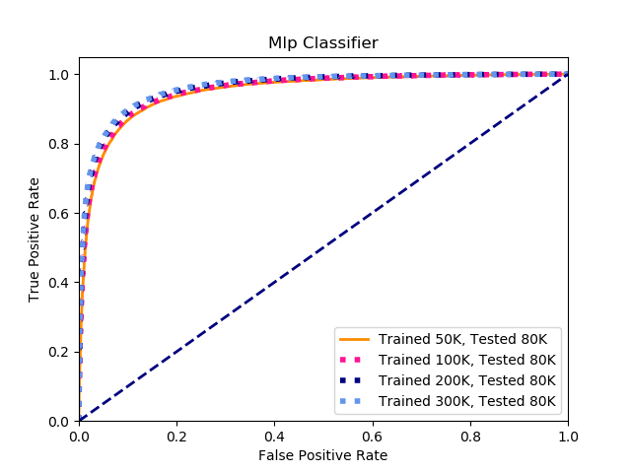
MLPClassifier
 | 50K Training | 80K Testing | 100K Training | 80K Testing | 200K Training | 80K Testing | 310K Training | 80K Testing
Correct | 70715 | 71075 | 71581 | 71875
Incorrect Positives | 5002 | 4640 | 3983 | 4197
Incorrect Negatives | 4270 | 4272 | 4423 | 3915
Incorrect | 9272 | 8912 | 8406 | 8112
Total | 79987 | 79987 | 79987 | 79987
Accuracy | 88.408116319 | 88.858189456 | 89.490792254 | 89.858351982

Total Positives in Testing Data | 39703 | 39703 | 39703 | 39703
Total Negatives in Testing Data | 40284 | 40284 | 40284 | 40284
Correct Positives | 34701 | 35063 | 35720 | 35506
Correct Negatives | 36014 | 36012 | 35861 | 36369
Precision | 0.87401455809 | 0.88313225701 | 0.89968012493 | 0.89429010402
Recall | 0.89043134639 | 0.89139443244 | 0.88981889744 | 0.90068745085

Cross Validation CV=5 | [0.88786098 0.88729841 0.88273534 0.89154216 0.88334584] | [0.88886111 0.88748594 0.88373547 0.89147965 0.88322081] | [0.88473559 0.88511064 0.88554819 0.89141714 0.88684671] | [0.88761095 0.88592324 0.88486061 0.89266738 0.88647162]
Avergae Cross Validation Value | 0.886556546 | 0.886956596 | 0.886731654 | 0.88750676

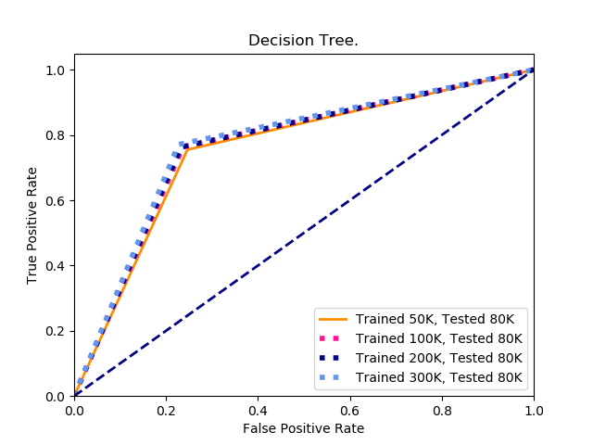
Decision Tree
 | 50K Training | 80K Testing | 100K Training | 80K Testing | 200K Training | 80K Testing | 310K Training | 80K Testing
Correct | 60326 | 61059 | 61205 | 61748
Incorrect Positives | 9730 | 9391 | 9421 | 9093
Incorrect Negatives | 9931 | 9537 | 9361 | 9146
Incorrect | 19661 | 18928 | 18782 | 18239
Total | 79987 | 79987 | 79987 | 79987
Accuracy | 75.41975571 | 76.336154625 | 76.518684286 | 77.197544601

Total Positives in Testing Data | 39703 | 39703 | 39703 | 39703
Total Negatives in Testing Data | 40284 | 40284 | 40284 | 40284
Correct Positives | 29973 | 30312 | 30282 | 30610
Correct Negatives | 30353 | 30747 | 30923 | 31138
Precision | 0.75493035791 | 0.76346875551 | 0.7627131451 | 0.77097448556
Recall | 0.7511277065 | 0.76067153504 | 0.76386751759 | 0.76994667472

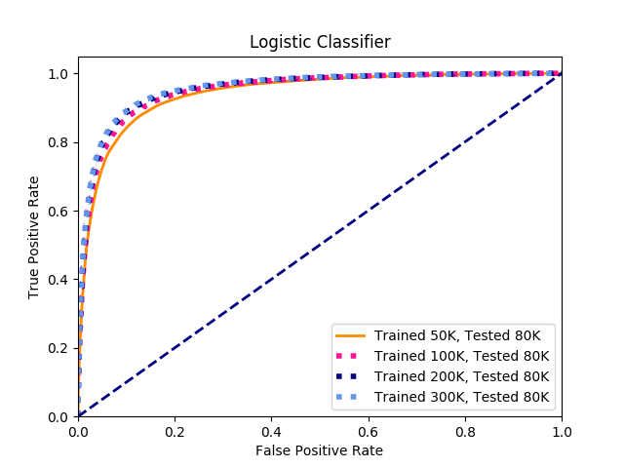
Logistic Regression
 | 50K Training | 80K Testing | 100K Training | 80K Testing | 200K Training | 80K Testing | 310K Training | 80K Testing
Correct | 69910 | 70805 | 71375 | 71612
Incorrect Positives | 5065 | 4569 | 4074 | 3986
Incorrect Negatives | 5012 | 4613 | 4538 | 4388
Incorrect | 10077 | 9182 | 8612 | 8374
Total | 79987 | 79987 | 79987 | 79986
Accuracy | 87.401702777 | 88.520634603 | 89.233250403 | 89.5295485516

Total Positives in Testing Data | 39703 | 39703 | 39703 | 39703
Total Negatives in Testing Data | 40284 | 40284 | 40284 | 40284
Correct Positives | 34638 | 35134 | 35629 | 35717
Correct Negatives | 35272 | 35671 | 35746 | 35896
Precision | 0.87242777624 | 0.88492053497 | 0.89738810669 | 0.89960456389
Recall | 0.87359394704 | 0.88394092636 | 0.88702168447 | 0.89058720858

