Micronutrients
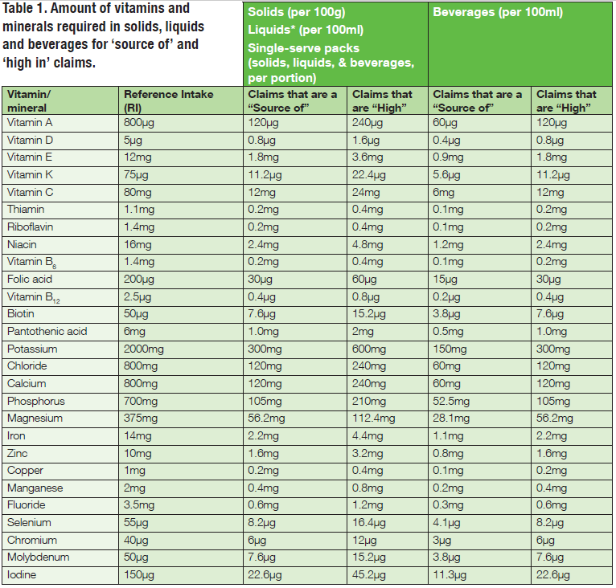
Column "claims that are a source of" | == | contains
Column "claims that are high" | == | rich In

