login01
Credit: https://medium.com/@dhadiprasetyo/crafting-clear-and-effective-test-cases-best-practices-for-high-quality-software-testing-6a5b4e4e711d
Tester Name | Zeno,todou,todi
Test Scenario Name | Login
Description | Tesing login
Test Environment | OS: Windows 11 Browser: Chrome

Positive Test Scenario
Test Case ID | Description | PreConditions | Test Steps | Test Data | Expected Result | Actual Result | Status | Screenshot | Note
login01_pos01 | Login with valid username, password and national-ID | User is already registered | URL: https://reg.rmutk.ac.th/registrar/login.asp 1. Fill username field with valid username 2. Fill password field with valid password 3. Fill national-id field with valid national-id | [Confidential] | Browser is redirected to "Change Password" page. | ❌ Error during execution: Locator.click: Timeout 30000ms exceeded. Call log: - waiting for locator("input[name=\"f_pwd\"]") | FAIL | 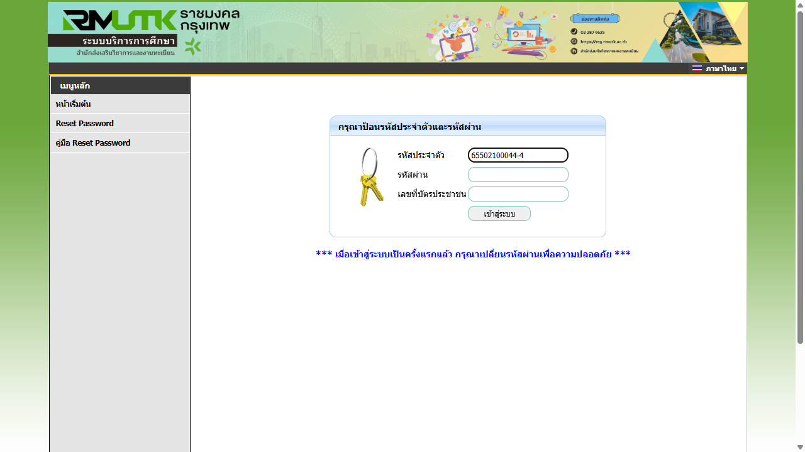 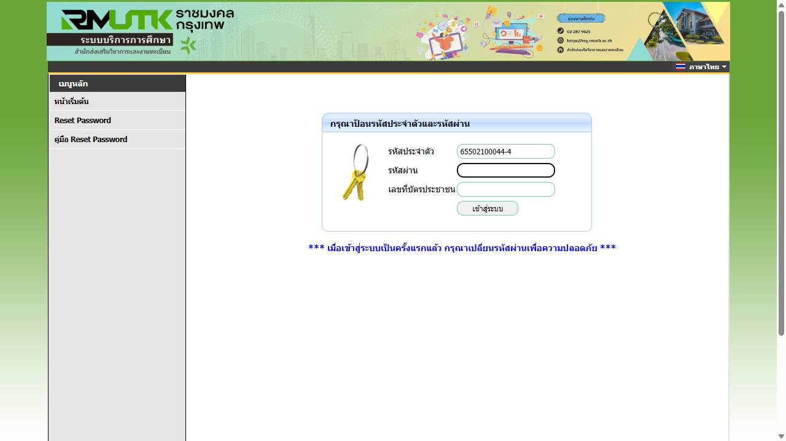 screenshots\login01_pos01.png

Negative Test Scenario
Test Case ID | Description | PreConditions | Test Steps | Test Data | Expected Result | Actual Result | Status | Screenshot | Note
login01_neg01 | Login with valid username and invalid password and invalid national-ID | User is already registered | URL: https://reg.rmutk.ac.th/registrar/login.asp 1. Fill username field with valid username 2. Fill password field with invalid password 3. Fill national-id field with invalid national-id | Username: [Confidential] Password: 5555 National-id: 5555 | Browser shows text "กรุณาป้อนรหัสประจำตัวและรหัสผ่านให้ถูกต้อง" in blue. | ❌ พบข้อความแจ้งเตือน แต่เป็นสีแดง
login01_neg02 | Login with valid username and valid password and invalid national-ID | User is already registered | URL: https://reg.rmutk.ac.th/registrar/login.asp 1. Fill username field with valid username 2. Fill password field with valid password 3. Fill national-id field with invalid national-id | Username: [Confidential] Password: [Confidential] National-id: 5555 | Browser shows text "กรุณาป้อนรหัสประจำตัวและรหัสผ่านให้ถูกต้อง" in blue. | ❌ พบข้อความแจ้งเตือน แต่เป็นสีแดง
login01_neg03 | Login with empty username and empty password and empty national-ID | User is already registered | URL: https://reg.rmutk.ac.th/registrar/login.asp 1. Fill username field with empty username 2. Fill password field with empty password 3. Fill national-id field with empty national-id | Username: Password: National-id: | Browser shows text "กรุณาป้อนรหัสประจำตัวและรหัสผ่านให้ถูกต้อง" in blue. | ❌ พบข้อความแจ้งเตือน แต่เป็นสีแดง

