Sheet1
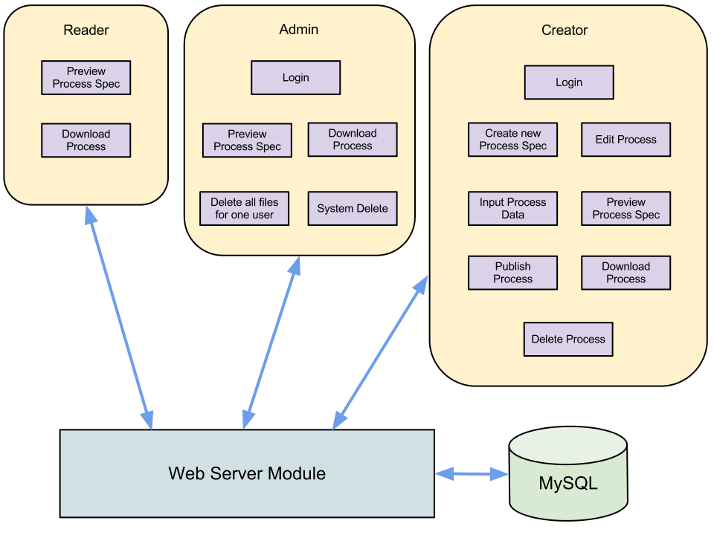
Customer interact
Management
Print report

