muscle_1
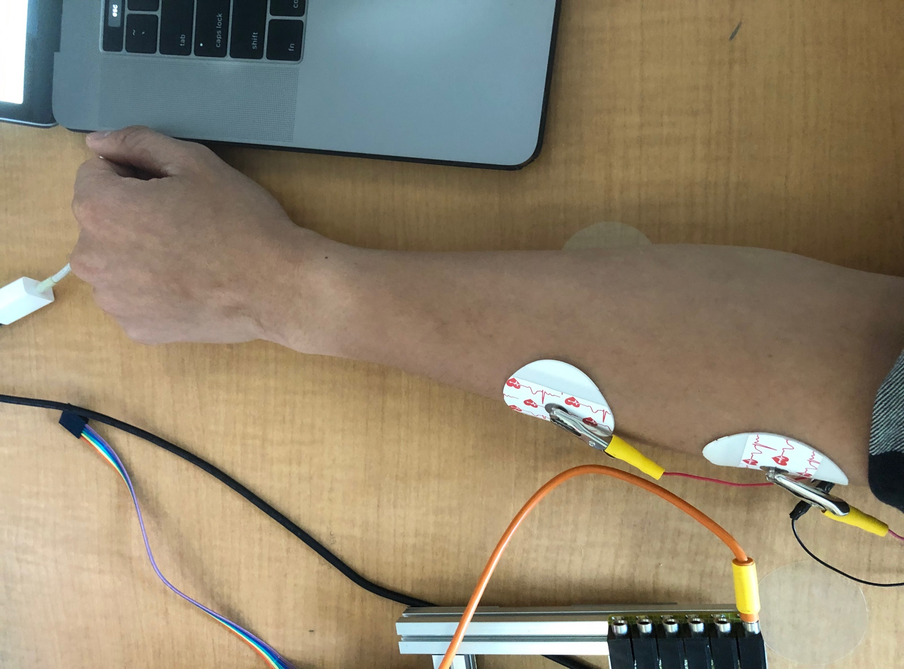
Time stamp | Voltage (mV) | Rescaled time (ms)
15:38:13.804 -> 3010 | 0.68 | 0
15:38:13.804 -> 3020 | 0.66 | 10
15:38:13.804 -> 3032 | 0.64 | 22
15:38:13.842 -> 3042 | 0.64 | 32
15:38:13.842 -> 3052 | 0.62 | 42
15:38:13.842 -> 3063 | 0.6 | 53
15:38:13.842 -> 3074 | 0.8 | 64
15:38:13.877 -> 3085 | 0.77 | 75
15:38:13.877 -> 3095 | 0.75 | 85
15:38:13.877 -> 3105 | 0.73 | 95
15:38:13.910 -> 3117 | 0.7 | 107
15:38:13.910 -> 3127 | 0.68 | 117
15:38:13.910 -> 3137 | 0.66 | 127
15:38:13.948 -> 3148 | 0.64 | 138
15:38:13.948 -> 3159 | 0.62 | 149
15:38:13.948 -> 3170 | 0.6 | 160
15:38:13.948 -> 3180 | 0.59 | 170
15:38:13.981 -> 3190 | 0.57 | 180
15:38:13.981 -> 3202 | 0.55 | 192
15:38:13.981 -> 3212 | 0.53 | 202
15:38:14.016 -> 3222 | 0.52 | 212
15:38:14.016 -> 3233 | 0.5 | 223
15:38:14.016 -> 3244 | 0.49 | 234
15:38:14.052 -> 3254 | 0.47 | 244
15:38:14.052 -> 3265 | 0.46 | 255
15:38:14.052 -> 3275 | 0.45 | 265
15:38:14.052 -> 3287 | 0.44 | 277
15:38:14.087 -> 3297 | 0.7 | 287
15:38:14.087 -> 3307 | 0.69 | 297
15:38:14.087 -> 3318 | 0.76 | 308
15:38:14.121 -> 3329 | 2.38 | 319
15:38:14.121 -> 3339 | 2.76 | 329
15:38:14.121 -> 3350 | 2.6 | 340
15:38:14.155 -> 3360 | 4.29 | 350
15:38:14.155 -> 3371 | 4.03 | 361
15:38:14.155 -> 3382 | 3.71 | 372
15:38:14.155 -> 3392 | 3.45 | 382
15:38:14.193 -> 3403 | 4.44 | 393
15:38:14.193 -> 3414 | 4.45 | 404
15:38:14.193 -> 3424 | 4.46 | 414
15:38:14.226 -> 3435 | 4.5 | 425
15:38:14.226 -> 3445 | 4.31 | 435
15:38:14.226 -> 3456 | 3.95 | 446
15:38:14.259 -> 3467 | 3.66 | 457
15:38:14.259 -> 3477 | 3.7 | 467
15:38:14.259 -> 3488 | 4.26 | 478
15:38:14.298 -> 3499 | 4.43 | 489
15:38:14.298 -> 3509 | 4.49 | 499
15:38:14.298 -> 3520 | 4.49 | 510
15:38:14.298 -> 3530 | 4.45 | 520
15:38:14.332 -> 3540 | 4.28 | 530
15:38:14.332 -> 3552 | 3.93 | 542
15:38:14.332 -> 3562 | 3.64 | 552
15:38:14.367 -> 3573 | 4.48 | 563
15:38:14.367 -> 3584 | 4.46 | 574
15:38:14.367 -> 3594 | 4.31 | 584
15:38:14.367 -> 3605 | 4.33 | 595
15:38:14.401 -> 3615 | 4.4 | 605
15:38:14.401 -> 3625 | 4.02 | 615
15:38:14.401 -> 3637 | 4.5 | 627
15:38:14.436 -> 3647 | 4.34 | 637
15:38:14.436 -> 3658 | 4.27 | 648
15:38:14.436 -> 3668 | 3.92 | 658
15:38:14.469 -> 3679 | 4.44 | 669
15:38:14.469 -> 3690 | 4.13 | 680
15:38:14.469 -> 3700 | 4.43 | 690
15:38:14.505 -> 3710 | 4.28 | 700
15:38:14.505 -> 3722 | 4.48 | 712
15:38:14.505 -> 3732 | 4.41 | 722
15:38:14.539 -> 3743 | 4.42 | 733
15:38:14.539 -> 3753 | 4.01 | 743
15:38:14.539 -> 3764 | 4.39 | 754
15:38:14.539 -> 3775 | 4.18 | 765
15:38:14.577 -> 3785 | 3.85 | 775
15:38:14.577 -> 3795 | 4.3 | 785
15:38:14.577 -> 3807 | 4.34 | 797
15:38:14.611 -> 3817 | 3.96 | 807
15:38:14.611 -> 3828 | 3.67 | 818
15:38:14.611 -> 3838 | 3.81 | 828
15:38:14.644 -> 3849 | 4.43 | 839
15:38:14.644 -> 3860 | 4.05 | 850
15:38:14.644 -> 3870 | 4.13 | 860
15:38:14.682 -> 3880 | 4.44 | 870
15:38:14.682 -> 3892 | 4.05 | 882
15:38:14.682 -> 3902 | 3.73 | 892
15:38:14.682 -> 3913 | 4.42 | 903
15:38:14.719 -> 3923 | 4.22 | 913
15:38:14.719 -> 3934 | 4.27 | 924
15:38:14.719 -> 3945 | 3.92 | 935
15:38:14.719 -> 3955 | 4.46 | 945
15:38:14.752 -> 3965 | 4.07 | 955
15:38:14.752 -> 3977 | 4.48 | 967
15:38:14.752 -> 3987 | 4.34 | 977
15:38:14.787 -> 3998 | 4.45 | 988
15:38:14.787 -> 4008 | 4.03 | 998
15:38:14.787 -> 4019 | 3.72 | 1009
15:38:14.822 -> 4030 | 4.29 | 1020
15:38:14.822 -> 4040 | 3.94 | 1030
15:38:14.822 -> 4050 | 4.14 | 1040
15:38:14.860 -> 4062 | 3.81 | 1052
15:38:14.860 -> 4072 | 3.53 | 1062
15:38:14.860 -> 4083 | 3.29 | 1073
15:38:14.860 -> 4093 | 3.08 | 1083
15:38:14.896 -> 4104 | 2.89 | 1094
15:38:14.896 -> 4115 | 2.73 | 1105
15:38:14.896 -> 4125 | 2.59 | 1115
15:38:14.932 -> 4135 | 2.45 | 1125
15:38:14.932 -> 4147 | 2.34 | 1137
15:38:14.932 -> 4157 | 2.22 | 1147
15:38:14.932 -> 4167 | 2.12 | 1157
15:38:14.968 -> 4178 | 2.03 | 1168
15:38:14.968 -> 4189 | 1.95 | 1179
15:38:14.968 -> 4200 | 1.87 | 1190
15:38:15.002 -> 4210 | 1.79 | 1200
15:38:15.002 -> 4220 | 1.72 | 1210
15:38:15.002 -> 4232 | 1.66 | 1222
15:38:15.035 -> 4242 | 1.59 | 1232
15:38:15.035 -> 4252 | 1.54 | 1242
15:38:15.035 -> 4263 | 1.48 | 1253
15:38:15.035 -> 4274 | 1.43 | 1264
15:38:15.068 -> 4285 | 1.38 | 1275
15:38:15.068 -> 4295 | 1.34 | 1285
15:38:15.068 -> 4305 | 1.3 | 1295
15:38:15.102 -> 4317 | 1.25 | 1307
15:38:15.102 -> 4327 | 1.21 | 1317
15:38:15.102 -> 4337 | 1.17 | 1327
15:38:15.137 -> 4348 | 1.14 | 1338
15:38:15.137 -> 4359 | 1.1 | 1349
15:38:15.137 -> 4370 | 1.07 | 1360
15:38:15.172 -> 4380 | 1.04 | 1370
15:38:15.172 -> 4390 | 1.01 | 1380
15:38:15.172 -> 4402 | 0.98 | 1392
15:38:15.209 -> 4412 | 0.95 | 1402
15:38:15.209 -> 4422 | 0.92 | 1412
15:38:15.209 -> 4433 | 0.89 | 1423
15:38:15.209 -> 4444 | 0.87 | 1434
15:38:15.246 -> 4454 | 0.85 | 1444
15:38:15.246 -> 4465 | 0.82 | 1455
15:38:15.246 -> 4475 | 0.8 | 1465
15:38:15.283 -> 4487 | 0.78 | 1477
15:38:15.283 -> 4497 | 0.76 | 1487
15:38:15.283 -> 4507 | 0.74 | 1497
15:38:15.283 -> 4518 | 0.71 | 1508
15:38:15.317 -> 4529 | 0.7 | 1519
15:38:15.317 -> 4539 | 0.68 | 1529
15:38:15.317 -> 4550 | 0.66 | 1540
15:38:15.352 -> 4560 | 0.65 | 1550
15:38:15.352 -> 4572 | 0.63 | 1562
15:38:15.352 -> 4582 | 0.61 | 1572
15:38:15.387 -> 4592 | 0.6 | 1582
15:38:15.387 -> 4603 | 0.58 | 1593
15:38:15.387 -> 4614 | 0.57 | 1604
15:38:15.387 -> 4624 | 0.55 | 1614
15:38:15.420 -> 4635 | 0.54 | 1625
15:38:15.420 -> 4645 | 0.52 | 1635
15:38:15.420 -> 4656 | 0.51 | 1646
15:38:15.456 -> 4667 | 0.49 | 1657
15:38:15.456 -> 4677 | 0.48 | 1667
15:38:15.456 -> 4688 | 0.47 | 1678
15:38:15.493 -> 4699 | 0.46 | 1689
15:38:15.493 -> 4709 | 0.45 | 1699
15:38:15.493 -> 4720 | 0.43 | 1710
15:38:15.493 -> 4730 | 0.43 | 1720
15:38:15.531 -> 4741 | 0.42 | 1731
15:38:15.531 -> 4752 | 0.41 | 1742
15:38:15.531 -> 4762 | 0.39 | 1752
15:38:15.565 -> 4773 | 0.38 | 1763
15:38:15.565 -> 4784 | 0.38 | 1774
15:38:15.565 -> 4794 | 0.37 | 1784
15:38:15.599 -> 4805 | 0.36 | 1795
15:38:15.599 -> 4815 | 0.35 | 1805
15:38:15.599 -> 4826 | 0.34 | 1816
15:38:15.599 -> 4837 | 0.33 | 1827
15:38:15.635 -> 4847 | 0.32 | 1837
15:38:15.635 -> 4857 | 0.31 | 1847
15:38:15.635 -> 4869 | 0.31 | 1859
15:38:15.669 -> 4879 | 0.3 | 1869
15:38:15.669 -> 4890 | 0.29 | 1880
15:38:15.669 -> 4900 | 0.28 | 1890
15:38:15.703 -> 4911 | 0.27 | 1901
15:38:15.703 -> 4922 | 0.27 | 1912
15:38:15.703 -> 4932 | 0.26 | 1922
15:38:15.738 -> 4942 | 0.25 | 1932
15:38:15.738 -> 4954 | 0.25 | 1944
15:38:15.738 -> 4964 | 0.24 | 1954
15:38:15.738 -> 4974 | 0.24 | 1964
15:38:15.772 -> 4985 | 0.23 | 1975
15:38:15.772 -> 4996 | 0.22 | 1986
15:38:15.772 -> 5007 | 0.22 | 1997
15:38:15.806 -> 5017 | 0.22 | 2007
15:38:15.806 -> 5027 | 0.21 | 2017
15:38:15.806 -> 5039 | 0.21 | 2029
15:38:15.844 -> 5049 | 0.2 | 2039
15:38:15.844 -> 5059 | 0.2 | 2049
15:38:15.844 -> 5070 | 0.19 | 2060
15:38:15.844 -> 5081 | 0.18 | 2071
15:38:15.882 -> 5092 | 0.18 | 2082
15:38:15.882 -> 5102 | 0.18 | 2092
15:38:15.882 -> 5112 | 0.17 | 2102
15:38:15.916 -> 5124 | 0.17 | 2114
15:38:15.916 -> 5134 | 0.16 | 2124
15:38:15.916 -> 5144 | 0.16 | 2134
15:38:15.916 -> 5155 | 0.15 | 2145
15:38:15.950 -> 5166 | 0.15 | 2156
15:38:15.950 -> 5176 | 0.15 | 2166
15:38:15.950 -> 5187 | 0.14 | 2177
15:38:15.984 -> 5197 | 0.14 | 2187
15:38:15.984 -> 5209 | 0.14 | 2199
15:38:15.984 -> 5219 | 0.13 | 2209
15:38:16.018 -> 5229 | 0.13 | 2219
15:38:16.018 -> 5240 | 0.12 | 2230
15:38:16.018 -> 5251 | 0.12 | 2241
15:38:16.052 -> 5261 | 0.12 | 2251
15:38:16.052 -> 5272 | 0.11 | 2262
15:38:16.052 -> 5282 | 0.11 | 2272
15:38:16.087 -> 5293 | 0.11 | 2283
15:38:16.087 -> 5304 | 0.11 | 2294
15:38:16.087 -> 5314 | 0.1 | 2304
15:38:16.087 -> 5325 | 0.1 | 2315
15:38:16.120 -> 5336 | 0.1 | 2326
15:38:16.120 -> 5346 | 0.09 | 2336
15:38:16.120 -> 5357 | 0.09 | 2347
15:38:16.154 -> 5367 | 0.09 | 2357
15:38:16.154 -> 5378 | 0.09 | 2368
15:38:16.154 -> 5389 | 0.08 | 2379
15:38:16.191 -> 5399 | 0.08 | 2389
15:38:16.191 -> 5409 | 0.08 | 2399
15:38:16.191 -> 5421 | 0.08 | 2411
15:38:16.226 -> 5431 | 0.08 | 2421
15:38:16.226 -> 5442 | 0.07 | 2432
15:38:16.226 -> 5452 | 0.07 | 2442
15:38:16.226 -> 5463 | 0.07 | 2453
15:38:16.260 -> 5474 | 0.07 | 2464
15:38:16.260 -> 5484 | 0.07 | 2474
15:38:16.260 -> 5494 | 0.06 | 2484
15:38:16.294 -> 5506 | 0.06 | 2496
15:38:16.294 -> 5516 | 0.06 | 2506
15:38:16.294 -> 5526 | 0.06 | 2516
15:38:16.332 -> 5537 | 0.06 | 2527
15:38:16.332 -> 5548 | 0.06 | 2538
15:38:16.332 -> 5559 | 0.06 | 2549
15:38:16.332 -> 5569 | 0.05 | 2559
15:38:16.366 -> 5579 | 0.05 | 2569
15:38:16.366 -> 5591 | 0.05 | 2581
15:38:16.366 -> 5601 | 0.05 | 2591
15:38:16.401 -> 5611 | 0.05 | 2601
15:38:16.401 -> 5622 | 0.05 | 2612
15:38:16.401 -> 5633 | 0.04 | 2623
15:38:16.436 -> 5643 | 0.04 | 2633
15:38:16.436 -> 5654 | 0.04 | 2644
15:38:16.436 -> 5664 | 0.04 | 2654
15:38:16.436 -> 5675 | 0.04 | 2665
15:38:16.469 -> 5686 | 0.04 | 2676
15:38:16.469 -> 5696 | 0.04 | 2686
15:38:16.469 -> 5707 | 0.04 | 2697
15:38:16.503 -> 5718 | 0.03 | 2708
15:38:16.503 -> 5728 | 0.03 | 2718
15:38:16.503 -> 5739 | 0.03 | 2729
15:38:16.536 -> 5749 | 0.04 | 2739
15:38:16.536 -> 5760 | 0.03 | 2750
15:38:16.536 -> 5771 | 0.03 | 2761
15:38:16.574 -> 5781 | 0.03 | 2771
15:38:16.574 -> 5791 | 0.03 | 2781
15:38:16.574 -> 5803 | 0.03 | 2793
15:38:16.574 -> 5813 | 0.03 | 2803
15:38:16.610 -> 5824 | 0.03 | 2814
15:38:16.610 -> 5834 | 0.06 | 2824
15:38:16.610 -> 5844 | 0.05 | 2834
15:38:16.645 -> 5856 | 0.05 | 2846
15:38:16.645 -> 5866 | 0.05 | 2856
15:38:16.645 -> 5876 | 0.05 | 2866
15:38:16.683 -> 5888 | 0.05 | 2878
15:38:16.683 -> 5898 | 0.04 | 2888
15:38:16.683 -> 5908 | 0.04 | 2898
15:38:16.683 -> 5919 | 0.04 | 2909
15:38:16.718 -> 5929 | 0.04 | 2919
15:38:16.718 -> 5941 | 0.07 | 2931
15:38:16.718 -> 5951 | 0.07 | 2941
15:38:16.751 -> 5961 | 0.07 | 2951
15:38:16.751 -> 5972 | 0.08 | 2962
15:38:16.751 -> 5983 | 0.07 | 2973
15:38:16.789 -> 5993 | 0.07 | 2983
15:38:16.789 -> 6004 | 0.07 | 2994
15:38:16.789 -> 6014 | 0.07 | 3004
15:38:16.789 -> 6025 | 0.06 | 3015
15:38:16.825 -> 6036 | 0.06 | 3026
15:38:16.825 -> 6046 | 0.06 | 3036
15:38:16.825 -> 6056 | 0.06 | 3046
15:38:16.859 -> 6068 | 0.06 | 3058
15:38:16.859 -> 6078 | 0.06 | 3068
15:38:16.859 -> 6089 | 0.5 | 3079
15:38:16.892 -> 6099 | 0.47 | 3089
15:38:16.892 -> 6110 | 0.46 | 3100
15:38:16.892 -> 6121 | 0.44 | 3111
15:38:16.892 -> 6131 | 0.43 | 3121
15:38:16.925 -> 6141 | 0.42 | 3131
15:38:16.925 -> 6153 | 0.41 | 3143
15:38:16.925 -> 6163 | 0.39 | 3153
15:38:16.959 -> 6174 | 0.38 | 3164

Rest 2
Time stamp | Voltage (mV) | Rescaled time (ms)
15:35:47.132 -> 3010 | 0.33 | 0
15:35:47.132 -> 3020 | 0.32 | 10
15:35:47.132 -> 3032 | 0.3 | 22
15:35:47.167 -> 3042 | 0.3 | 32
15:35:47.167 -> 3052 | 0.29 | 42
15:35:47.167 -> 3063 | 0.28 | 53
15:35:47.205 -> 3074 | 0.27 | 64
15:35:47.205 -> 3085 | 0.26 | 75
15:35:47.205 -> 3095 | 0.25 | 85
15:35:47.205 -> 3105 | 0.25 | 95
15:35:47.244 -> 3117 | 0.24 | 107
15:35:47.244 -> 3127 | 0.23 | 117
15:35:47.244 -> 3137 | 0.22 | 127
15:35:47.282 -> 3148 | 0.3 | 138
15:35:47.282 -> 3159 | 0.29 | 149
15:35:47.282 -> 3170 | 0.28 | 160
15:35:47.282 -> 3180 | 0.27 | 170
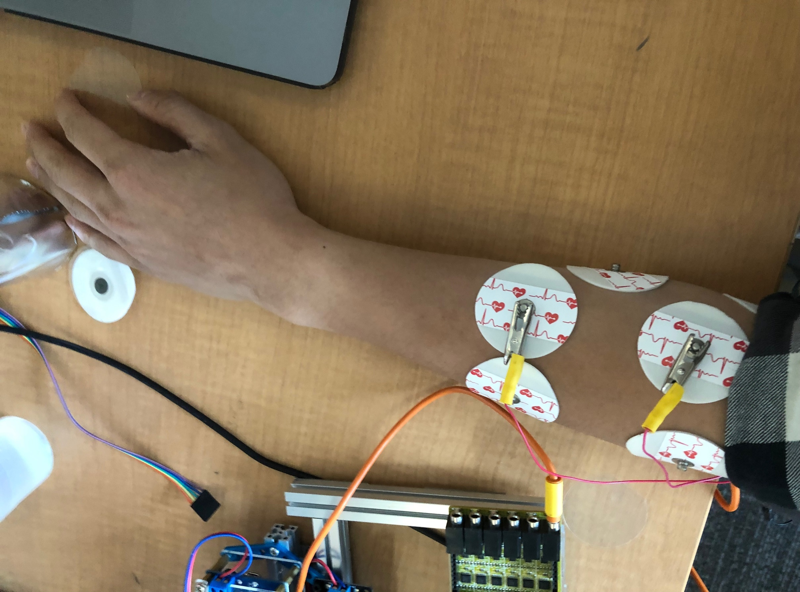
15:35:47.317 -> 3190 | 0.26 | 180
15:35:47.317 -> 3202 | 0.28 | 192
15:35:47.317 -> 3212 | 0.27 | 202
15:35:47.350 -> 3222 | 0.26 | 212
15:35:47.350 -> 3233 | 0.26 | 223
15:35:47.350 -> 3244 | 0.25 | 234
15:35:47.350 -> 3254 | 0.24 | 244
15:35:47.389 -> 3265 | 0.24 | 255
15:35:47.389 -> 3275 | 0.23 | 265
15:35:47.389 -> 3287 | 0.22 | 277
15:35:47.423 -> 3297 | 0.22 | 287
15:35:47.423 -> 3307 | 0.21 | 297
15:35:47.423 -> 3318 | 0.45 | 308
15:35:47.457 -> 3329 | 0.43 | 319
15:35:47.457 -> 3339 | 0.42 | 329
15:35:47.457 -> 3350 | 0.41 | 340
15:35:47.457 -> 3360 | 0.39 | 350
15:35:47.491 -> 3371 | 0.38 | 361
15:35:47.491 -> 3382 | 0.37 | 372
15:35:47.491 -> 3392 | 0.36 | 382
15:35:47.528 -> 3403 | 0.35 | 393
15:35:47.528 -> 3414 | 0.33 | 404
15:35:47.528 -> 3424 | 0.32 | 414
15:35:47.562 -> 3435 | 0.31 | 425
15:35:47.562 -> 3445 | 0.31 | 435
15:35:47.562 -> 3456 | 0.3 | 446
15:35:47.562 -> 3467 | 0.29 | 457
15:35:47.600 -> 3477 | 0.28 | 467
15:35:47.600 -> 3487 | 0.27 | 477
15:35:47.600 -> 3499 | 0.26 | 489
15:35:47.634 -> 3509 | 0.47 | 499
15:35:47.634 -> 3520 | 0.45 | 510
15:35:47.634 -> 3530 | 0.44 | 520
15:35:47.667 -> 3540 | 0.43 | 530
15:35:47.667 -> 3552 | 0.41 | 542
15:35:47.667 -> 3562 | 0.4 | 552
15:35:47.701 -> 3572 | 0.39 | 562
15:35:47.701 -> 3584 | 0.38 | 574
15:35:47.701 -> 3594 | 0.37 | 584
15:35:47.735 -> 3604 | 0.36 | 594
15:35:47.735 -> 3615 | 0.35 | 605
15:35:47.735 -> 3625 | 0.34 | 615
15:35:47.773 -> 3637 | 0.33 | 627
15:35:47.773 -> 3647 | 0.32 | 637
15:35:47.773 -> 3657 | 0.31 | 647
15:35:47.773 -> 3668 | 0.3 | 658
15:35:47.807 -> 3679 | 0.29 | 669
15:35:47.807 -> 3689 | 0.29 | 679
15:35:47.807 -> 3700 | 0.28 | 690
15:35:47.841 -> 3710 | 0.27 | 700
15:35:47.841 -> 3722 | 0.26 | 712
15:35:47.841 -> 3732 | 0.25 | 722
15:35:47.841 -> 3742 | 0.24 | 732
15:35:47.876 -> 3753 | 0.26 | 743
15:35:47.876 -> 3764 | 0.25 | 754
15:35:47.876 -> 3774 | 0.24 | 764
15:35:47.909 -> 3785 | 0.24 | 775
15:35:47.909 -> 3795 | 0.23 | 785
15:35:47.909 -> 3806 | 0.22 | 796
15:35:47.942 -> 3817 | 0.22 | 807
15:35:47.942 -> 3827 | 0.21 | 817
15:35:47.942 -> 3838 | 0.21 | 828
15:35:47.942 -> 3849 | 0.2 | 839
15:35:47.976 -> 3859 | 0.2 | 849
15:35:47.976 -> 3870 | 0.19 | 860
15:35:47.976 -> 3880 | 0.18 | 870
15:35:48.009 -> 3891 | 0.18 | 881
15:35:48.009 -> 3902 | 0.17 | 892
15:35:48.009 -> 3912 | 0.17 | 902
15:35:48.042 -> 3922 | 0.16 | 912
15:35:48.042 -> 3934 | 0.16 | 924
15:35:48.042 -> 3944 | 0.15 | 934
15:35:48.076 -> 3955 | 0.15 | 945
15:35:48.076 -> 3965 | 0.15 | 955
15:35:48.076 -> 3976 | 0.15 | 966
15:35:48.109 -> 3987 | 0.15 | 977
15:35:48.109 -> 3997 | 0.14 | 987
15:35:48.109 -> 4007 | 0.14 | 997
15:35:48.142 -> 4019 | 0.14 | 1009
15:35:48.142 -> 4029 | 0.13 | 1019
15:35:48.142 -> 4039 | 0.13 | 1029
15:35:48.176 -> 4050 | 0.13 | 1040
15:35:48.176 -> 4061 | 0.16 | 1051
15:35:48.176 -> 4072 | 0.15 | 1062
15:35:48.214 -> 4082 | 0.15 | 1072
15:35:48.214 -> 4092 | 0.15 | 1082
15:35:48.214 -> 4104 | 0.14 | 1094
15:35:48.214 -> 4114 | 0.14 | 1104
15:35:48.250 -> 4124 | 0.13 | 1114
15:35:48.250 -> 4135 | 0.13 | 1125
15:35:48.250 -> 4146 | 0.17 | 1136
15:35:48.283 -> 4157 | 0.17 | 1147
15:35:48.283 -> 4167 | 0.17 | 1157
15:35:48.283 -> 4177 | 0.16 | 1167
15:35:48.317 -> 4189 | 0.16 | 1179
15:35:48.317 -> 4199 | 0.15 | 1189
15:35:48.317 -> 4209 | 0.14 | 1199
15:35:48.317 -> 4220 | 0.14 | 1210
15:35:48.355 -> 4231 | 0.14 | 1221
15:35:48.355 -> 4241 | 0.36 | 1231
15:35:48.355 -> 4252 | 0.36 | 1242
15:35:48.389 -> 4262 | 0.34 | 1252
15:35:48.389 -> 4274 | 0.33 | 1264
15:35:48.389 -> 4284 | 0.32 | 1274
15:35:48.427 -> 4294 | 0.31 | 1284
15:35:48.427 -> 4305 | 0.3 | 1295
15:35:48.427 -> 4316 | 0.29 | 1306
15:35:48.427 -> 4326 | 0.28 | 1316
15:35:48.465 -> 4337 | 0.3 | 1327
15:35:48.465 -> 4347 | 0.29 | 1337
15:35:48.465 -> 4358 | 0.28 | 1348
15:35:48.465 -> 4369 | 0.27 | 1359
15:35:48.503 -> 4379 | 0.26 | 1369
15:35:48.503 -> 4390 | 0.25 | 1380
15:35:48.503 -> 4401 | 0.24 | 1391
15:35:48.536 -> 4411 | 0.24 | 1401
15:35:48.536 -> 4422 | 0.23 | 1412
15:35:48.536 -> 4432 | 0.22 | 1422
15:35:48.574 -> 4443 | 0.37 | 1433
15:35:48.574 -> 4454 | 0.36 | 1444
15:35:48.574 -> 4464 | 0.35 | 1454
15:35:48.574 -> 4474 | 0.34 | 1464
15:35:48.609 -> 4486 | 0.32 | 1476
15:35:48.609 -> 4496 | 0.31 | 1486
15:35:48.609 -> 4507 | 0.3 | 1497
15:35:48.642 -> 4517 | 0.29 | 1507
15:35:48.642 -> 4528 | 0.28 | 1518
15:35:48.642 -> 4539 | 0.28 | 1529
15:35:48.675 -> 4549 | 0.27 | 1539
15:35:48.675 -> 4559 | 0.26 | 1549
15:35:48.675 -> 4571 | 0.25 | 1561
15:35:48.713 -> 4581 | 0.24 | 1571
15:35:48.713 -> 4591 | 0.24 | 1581
15:35:48.713 -> 4602 | 0.23 | 1592
15:35:48.713 -> 4613 | 0.22 | 1603
15:35:48.749 -> 4624 | 0.22 | 1614
15:35:48.749 -> 4634 | 0.21 | 1624
15:35:48.749 -> 4644 | 0.21 | 1634
15:35:48.783 -> 4656 | 0.2 | 1646
15:35:48.783 -> 4666 | 0.19 | 1656
15:35:48.783 -> 4676 | 0.42 | 1666
15:35:48.816 -> 4687 | 0.4 | 1677
15:35:48.816 -> 4698 | 0.39 | 1688
15:35:48.816 -> 4709 | 0.37 | 1699
15:35:48.816 -> 4719 | 0.36 | 1709
15:35:48.854 -> 4729 | 0.35 | 1719
15:35:48.854 -> 4741 | 0.34 | 1731
15:35:48.854 -> 4751 | 0.33 | 1741
15:35:48.888 -> 4761 | 0.32 | 1751
15:35:48.888 -> 4772 | 0.31 | 1762
15:35:48.888 -> 4783 | 0.3 | 1773
15:35:48.922 -> 4793 | 0.29 | 1783
15:35:48.922 -> 4804 | 0.28 | 1794
15:35:48.922 -> 4814 | 0.27 | 1804
15:35:48.961 -> 4826 | 0.26 | 1816
15:35:48.961 -> 4836 | 0.26 | 1826
15:35:48.961 -> 4846 | 0.44 | 1836
15:35:48.961 -> 4857 | 0.43 | 1847
15:35:48.995 -> 4868 | 0.41 | 1858
15:35:48.995 -> 4878 | 0.4 | 1868
15:35:48.995 -> 4889 | 0.39 | 1879
15:35:49.033 -> 4899 | 0.37 | 1889
15:35:49.033 -> 4910 | 0.36 | 1900
15:35:49.033 -> 4921 | 0.35 | 1911
15:35:49.033 -> 4931 | 0.45 | 1921
15:35:49.066 -> 4942 | 0.44 | 1932
15:35:49.066 -> 4953 | 0.43 | 1943
15:35:49.066 -> 4963 | 0.41 | 1953
15:35:49.100 -> 4974 | 0.4 | 1964
15:35:49.100 -> 4984 | 0.39 | 1974
15:35:49.100 -> 4995 | 0.38 | 1985
15:35:49.134 -> 5006 | 0.36 | 1996
15:35:49.134 -> 5016 | 0.35 | 2006
15:35:49.134 -> 5027 | 0.34 | 2017
15:35:49.134 -> 5038 | 0.33 | 2028
15:35:49.172 -> 5048 | 0.32 | 2038
15:35:49.172 -> 5059 | 0.32 | 2049
15:35:49.172 -> 5069 | 0.31 | 2059
15:35:49.208 -> 5080 | 0.3 | 2070
15:35:49.208 -> 5091 | 0.29 | 2081
15:35:49.208 -> 5101 | 0.28 | 2091
15:35:49.246 -> 5111 | 0.27 | 2101
15:35:49.246 -> 5123 | 0.26 | 2113
15:35:49.246 -> 5133 | 0.25 | 2123
15:35:49.246 -> 5144 | 0.25 | 2134
15:35:49.281 -> 5154 | 0.24 | 2144
15:35:49.281 -> 5165 | 0.25 | 2155
15:35:49.281 -> 5176 | 0.24 | 2166
15:35:49.319 -> 5186 | 0.24 | 2176
15:35:49.319 -> 5196 | 0.23 | 2186
15:35:49.319 -> 5208 | 0.22 | 2198
15:35:49.319 -> 5218 | 0.27 | 2208
15:35:49.357 -> 5229 | 0.26 | 2219
15:35:49.357 -> 5239 | 0.25 | 2229
15:35:49.357 -> 5250 | 0.24 | 2240
15:35:49.357 -> 5261 | 0.23 | 2251
15:35:49.392 -> 5271 | 0.22 | 2261
15:35:49.392 -> 5281 | 0.22 | 2271
15:35:49.392 -> 5293 | 0.22 | 2283
15:35:49.425 -> 5303 | 0.21 | 2293
15:35:49.425 -> 5313 | 0.2 | 2303
15:35:49.425 -> 5324 | 0.28 | 2314
15:35:49.459 -> 5335 | 0.27 | 2325
15:35:49.459 -> 5346 | 0.26 | 2336
15:35:49.459 -> 5356 | 0.25 | 2346
15:35:49.492 -> 5366 | 0.24 | 2356
15:35:49.492 -> 5378 | 0.23 | 2368
15:35:49.492 -> 5388 | 0.23 | 2378
15:35:49.526 -> 5398 | 0.22 | 2388
15:35:49.526 -> 5409 | 0.22 | 2399
15:35:49.526 -> 5420 | 0.22 | 2410
15:35:49.526 -> 5430 | 0.21 | 2420
15:35:49.560 -> 5441 | 0.21 | 2431
15:35:49.560 -> 5451 | 0.2 | 2441
15:35:49.560 -> 5463 | 0.19 | 2453
15:35:49.594 -> 5473 | 0.19 | 2463
15:35:49.594 -> 5483 | 0.19 | 2473
15:35:49.594 -> 5494 | 0.18 | 2484
15:35:49.631 -> 5505 | 0.17 | 2495
15:35:49.631 -> 5515 | 0.21 | 2505
15:35:49.631 -> 5526 | 0.21 | 2516
15:35:49.631 -> 5536 | 0.2 | 2526
15:35:49.665 -> 5548 | 0.19 | 2538
15:35:49.665 -> 5558 | 0.19 | 2548
15:35:49.665 -> 5568 | 0.18 | 2558
15:35:49.700 -> 5579 | 0.17 | 2569
15:35:49.700 -> 5590 | 0.17 | 2580
15:35:49.700 -> 5600 | 0.32 | 2590
15:35:49.738 -> 5611 | 0.3 | 2601
15:35:49.738 -> 5621 | 0.29 | 2611
15:35:49.738 -> 5632 | 0.28 | 2622
15:35:49.738 -> 5643 | 0.28 | 2633
15:35:49.772 -> 5653 | 0.27 | 2643
15:35:49.772 -> 5664 | 0.26 | 2654
15:35:49.772 -> 5675 | 0.25 | 2665
15:35:49.811 -> 5685 | 0.24 | 2675
15:35:49.811 -> 5696 | 0.23 | 2686
15:35:49.811 -> 5706 | 0.24 | 2696
15:35:49.811 -> 5716 | 0.24 | 2706
15:35:49.849 -> 5728 | 0.23 | 2718
15:35:49.849 -> 5738 | 0.23 | 2728
15:35:49.849 -> 5748 | 0.5 | 2738
15:35:49.883 -> 5760 | 0.48 | 2750
15:35:49.883 -> 5770 | 0.46 | 2760
15:35:49.883 -> 5781 | 0.45 | 2771
15:35:49.918 -> 5791 | 0.43 | 2781
15:35:49.918 -> 5801 | 0.42 | 2791
15:35:49.918 -> 5813 | 0.41 | 2803
15:35:49.952 -> 5823 | 0.4 | 2813
15:35:49.952 -> 5833 | 0.39 | 2823
15:35:49.952 -> 5844 | 0.37 | 2834
15:35:49.952 -> 5855 | 0.36 | 2845
15:35:49.988 -> 5865 | 0.35 | 2855
15:35:49.988 -> 5876 | 0.34 | 2866
15:35:49.988 -> 5886 | 0.33 | 2876
15:35:50.021 -> 5898 | 0.32 | 2888
15:35:50.021 -> 5908 | 0.31 | 2898
15:35:50.021 -> 5918 | 0.3 | 2908
15:35:50.055 -> 5929 | 0.29 | 2919
15:35:50.055 -> 5940 | 0.28 | 2930
15:35:50.055 -> 5950 | 0.27 | 2940
15:35:50.089 -> 5961 | 0.27 | 2951
15:35:50.089 -> 5971 | 0.26 | 2961
15:35:50.089 -> 5983 | 0.25 | 2973
15:35:50.122 -> 5993 | 0.24 | 2983
15:35:50.122 -> 6003 | 0.23 | 2993
15:35:50.122 -> 6014 | 0.23 | 3004
15:35:50.122 -> 6025 | 0.22 | 3015
15:35:50.157 -> 6035 | 0.22 | 3025
15:35:50.157 -> 6046 | 0.21 | 3036
15:35:50.157 -> 6056 | 0.22 | 3046
15:35:50.192 -> 6067 | 0.22 | 3057
15:35:50.192 -> 6078 | 0.25 | 3068
15:35:50.192 -> 6088 | 0.39 | 3078
15:35:50.192 -> 6099 | 0.38 | 3089
15:35:50.226 -> 6110 | 0.37 | 3100
15:35:50.226 -> 6120 | 0.36 | 3110
15:35:50.226 -> 6131 | 0.35 | 3121
15:35:50.259 -> 6141 | 0.33 | 3131
15:35:50.259 -> 6152 | 0.32 | 3142
15:35:50.259 -> 6163 | 0.31 | 3153
15:35:50.297 -> 6173 | 0.46 | 3163

muscle_3
Time stamp | Voltage (mV) | Rescaled time (ms)
15:41:33.359 -> 3010 | 0.01 | 0
15:41:33.359 -> 3020 | 0.01 | 10
15:41:33.359 -> 3032 | 0.01 | 22
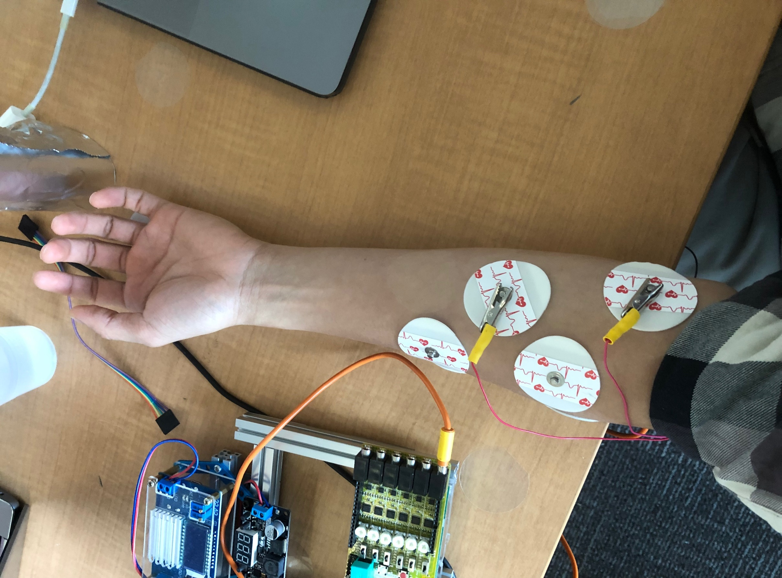
15:41:33.359 -> 3042 | 0.01 | 32
15:41:33.392 -> 3052 | 0.01 | 42
15:41:33.392 -> 3063 | 0 | 53
15:41:33.392 -> 3074 | 0 | 64
15:41:33.427 -> 3084 | 0 | 74
15:41:33.427 -> 3095 | 0 | 85
15:41:33.427 -> 3105 | 0 | 95
15:41:33.427 -> 3117 | 0 | 107
15:41:33.460 -> 3127 | 0 | 117
15:41:33.460 -> 3137 | 0 | 127
15:41:33.460 -> 3148 | 0 | 138
15:41:33.495 -> 3159 | 0 | 149
15:41:33.495 -> 3169 | 0 | 159
15:41:33.495 -> 3180 | 0.08 | 170
15:41:33.532 -> 3190 | 0.07 | 180
15:41:33.532 -> 3201 | 0.07 | 191
15:41:33.532 -> 3212 | 0.07 | 202
15:41:33.532 -> 3222 | 0.07 | 212
15:41:33.568 -> 3232 | 0.07 | 222
15:41:33.568 -> 3244 | 0.06 | 234
15:41:33.568 -> 3254 | 0.06 | 244
15:41:33.601 -> 3265 | 0.86 | 255
15:41:33.601 -> 3275 | 0.82 | 265
15:41:33.601 -> 3286 | 0.79 | 276
15:41:33.635 -> 3297 | 0.77 | 287
15:41:33.635 -> 3307 | 0.74 | 297
15:41:33.635 -> 3317 | 0.71 | 307
15:41:33.668 -> 3329 | 0.69 | 319
15:41:33.668 -> 3339 | 0.72 | 329
15:41:33.668 -> 3349 | 0.69 | 339
15:41:33.706 -> 3360 | 1.38 | 350
15:41:33.706 -> 3371 | 1.32 | 361
15:41:33.706 -> 3382 | 1.28 | 372
15:41:33.706 -> 3392 | 1.23 | 382
15:41:33.739 -> 3402 | 1.44 | 392
15:41:33.739 -> 3414 | 1.38 | 404
15:41:33.739 -> 3424 | 1.94 | 414
15:41:33.775 -> 3434 | 1.83 | 424
15:41:33.775 -> 3445 | 1.75 | 435
15:41:33.775 -> 3456 | 1.68 | 446
15:41:33.809 -> 3467 | 1.61 | 457
15:41:33.809 -> 3477 | 2.18 | 467
15:41:33.809 -> 3487 | 2.07 | 477
15:41:33.848 -> 3499 | 1.97 | 489
15:41:33.848 -> 3509 | 2.16 | 499
15:41:33.848 -> 3519 | 2.05 | 509
15:41:33.848 -> 3530 | 1.96 | 520
15:41:33.883 -> 3540 | 1.88 | 530
15:41:33.883 -> 3552 | 1.79 | 542
15:41:33.883 -> 3562 | 1.73 | 552
15:41:33.921 -> 3572 | 1.66 | 562
15:41:33.921 -> 3584 | 1.59 | 574
15:41:33.921 -> 3594 | 1.54 | 584
15:41:33.921 -> 3604 | 1.49 | 594
15:41:33.956 -> 3615 | 1.43 | 605
15:41:33.956 -> 3625 | 1.38 | 615
15:41:33.956 -> 3637 | 1.33 | 627
15:41:33.992 -> 3647 | 1.29 | 637
15:41:33.992 -> 3657 | 1.25 | 647
15:41:33.992 -> 3668 | 1.99 | 658
15:41:33.992 -> 3679 | 1.9 | 669
15:41:34.025 -> 3689 | 1.81 | 679
15:41:34.025 -> 3700 | 1.74 | 690
15:41:34.025 -> 3710 | 1.96 | 700
15:41:34.058 -> 3722 | 1.87 | 712
15:41:34.058 -> 3732 | 1.79 | 722
15:41:34.058 -> 3742 | 1.72 | 732
15:41:34.096 -> 3753 | 1.65 | 743
15:41:34.096 -> 3764 | 1.74 | 754
15:41:34.096 -> 3774 | 2.19 | 764
15:41:34.134 -> 3785 | 2.08 | 775
15:41:34.134 -> 3795 | 1.98 | 785
15:41:34.134 -> 3807 | 1.89 | 797
15:41:34.134 -> 3817 | 2.17 | 807
15:41:34.167 -> 3827 | 2.06 | 817
15:41:34.167 -> 3838 | 2.35 | 828
15:41:34.167 -> 3849 | 3.2 | 839
15:41:34.201 -> 3859 | 2.99 | 849
15:41:34.201 -> 3870 | 2.81 | 860
15:41:34.201 -> 3880 | 2.65 | 870
15:41:34.234 -> 3892 | 2.51 | 882
15:41:34.234 -> 3902 | 2.39 | 892
15:41:34.234 -> 3912 | 2.27 | 902
15:41:34.234 -> 3923 | 2.17 | 913
15:41:34.268 -> 3934 | 2.06 | 924
15:41:34.268 -> 3944 | 2.24 | 934
15:41:34.268 -> 3955 | 2.13 | 945
15:41:34.303 -> 3965 | 2.02 | 955
15:41:34.303 -> 3976 | 1.94 | 966
15:41:34.303 -> 3987 | 2.56 | 977
15:41:34.336 -> 3997 | 2.42 | 987
15:41:34.336 -> 4008 | 2.29 | 998
15:41:34.336 -> 4019 | 2.18 | 1009
15:41:34.374 -> 4029 | 2.16 | 1019
15:41:34.374 -> 4040 | 2.85 | 1030
15:41:34.374 -> 4050 | 2.68 | 1040
15:41:34.374 -> 4061 | 2.53 | 1051
15:41:34.408 -> 4072 | 2.4 | 1062
15:41:34.408 -> 4082 | 2.28 | 1072
15:41:34.408 -> 4093 | 2.17 | 1083
15:41:34.442 -> 4104 | 3.06 | 1094
15:41:34.442 -> 4114 | 3.27 | 1104
15:41:34.442 -> 4125 | 3.49 | 1115
15:41:34.476 -> 4135 | 3.26 | 1125
15:41:34.476 -> 4146 | 3.04 | 1136
15:41:34.476 -> 4157 | 2.86 | 1147
15:41:34.514 -> 4167 | 2.69 | 1157
15:41:34.514 -> 4178 | 2.57 | 1168
15:41:34.514 -> 4189 | 2.43 | 1179
15:41:34.514 -> 4199 | 2.31 | 1189
15:41:34.547 -> 4210 | 3.08 | 1200
15:41:34.547 -> 4220 | 2.88 | 1210
15:41:34.547 -> 4231 | 2.72 | 1221
15:41:34.583 -> 4242 | 2.57 | 1232
15:41:34.583 -> 4252 | 2.43 | 1242
15:41:34.583 -> 4263 | 2.31 | 1253
15:41:34.619 -> 4274 | 2.2 | 1264
15:41:34.619 -> 4284 | 2.12 | 1274
15:41:34.619 -> 4295 | 2.02 | 1285
15:41:34.619 -> 4305 | 1.94 | 1295
15:41:34.653 -> 4316 | 1.86 | 1306
15:41:34.653 -> 4327 | 2.17 | 1317
15:41:34.653 -> 4337 | 2.07 | 1327
15:41:34.686 -> 4348 | 1.97 | 1338
15:41:34.686 -> 4359 | 1.89 | 1349
15:41:34.686 -> 4369 | 1.81 | 1359
15:41:34.720 -> 4380 | 2.32 | 1370
15:41:34.720 -> 4390 | 2.84 | 1380
15:41:34.720 -> 4401 | 2.67 | 1391
15:41:34.753 -> 4412 | 2.52 | 1402
15:41:34.753 -> 4422 | 2.39 | 1412
15:41:34.753 -> 4433 | 2.27 | 1423
15:41:34.753 -> 4444 | 2.17 | 1434
15:41:34.790 -> 4454 | 2.41 | 1444
15:41:34.790 -> 4465 | 3.21 | 1455
15:41:34.790 -> 4475 | 3.01 | 1465
15:41:34.825 -> 4486 | 2.83 | 1476
15:41:34.825 -> 4497 | 2.66 | 1487
15:41:34.825 -> 4507 | 2.52 | 1497
15:41:34.825 -> 4518 | 2.39 | 1508
15:41:34.863 -> 4529 | 2.27 | 1519
15:41:34.863 -> 4539 | 2.17 | 1529
15:41:34.863 -> 4550 | 2.07 | 1540
15:41:34.899 -> 4560 | 1.98 | 1550
15:41:34.899 -> 4571 | 1.9 | 1561
15:41:34.899 -> 4582 | 1.82 | 1572
15:41:34.932 -> 4592 | 1.74 | 1582
15:41:34.932 -> 4603 | 1.68 | 1593
15:41:34.932 -> 4614 | 1.61 | 1604
15:41:34.932 -> 4624 | 1.55 | 1614
15:41:34.968 -> 4635 | 1.5 | 1625
15:41:34.968 -> 4645 | 1.45 | 1635
15:41:34.968 -> 4656 | 1.4 | 1646
15:41:35.004 -> 4667 | 1.35 | 1657
15:41:35.004 -> 4677 | 1.3 | 1667
15:41:35.004 -> 4688 | 1.26 | 1678
15:41:35.037 -> 4699 | 1.22 | 1689
15:41:35.037 -> 4709 | 1.18 | 1699
15:41:35.037 -> 4720 | 1.14 | 1710
15:41:35.071 -> 4730 | 1.11 | 1720
15:41:35.071 -> 4741 | 1.08 | 1731
15:41:35.071 -> 4752 | 1.04 | 1742
15:41:35.071 -> 4762 | 1.01 | 1752
15:41:35.105 -> 4772 | 0.98 | 1762
15:41:35.105 -> 4784 | 0.95 | 1774
15:41:35.105 -> 4794 | 0.92 | 1784
15:41:35.143 -> 4805 | 0.9 | 1795
15:41:35.143 -> 4815 | 0.87 | 1805
15:41:35.143 -> 4826 | 0.85 | 1816
15:41:35.181 -> 4837 | 0.83 | 1827
15:41:35.181 -> 4847 | 0.8 | 1837
15:41:35.181 -> 4857 | 0.78 | 1847
15:41:35.181 -> 4869 | 0.76 | 1859
15:41:35.217 -> 4879 | 0.74 | 1869
15:41:35.217 -> 4890 | 0.72 | 1880
15:41:35.217 -> 4900 | 0.7 | 1890
15:41:35.249 -> 4911 | 0.68 | 1901
15:41:35.249 -> 4922 | 0.66 | 1912
15:41:35.249 -> 4932 | 0.64 | 1922
15:41:35.283 -> 4942 | 0.63 | 1932
15:41:35.283 -> 4954 | 0.61 | 1944
15:41:35.283 -> 4964 | 0.59 | 1954
15:41:35.283 -> 4974 | 0.58 | 1964
15:41:35.318 -> 4985 | 0.56 | 1975
15:41:35.318 -> 4996 | 0.55 | 1986
15:41:35.318 -> 5007 | 0.53 | 1997
15:41:35.352 -> 5017 | 0.52 | 2007
15:41:35.352 -> 5027 | 0.51 | 2017
15:41:35.352 -> 5039 | 0.49 | 2029
15:41:35.385 -> 5049 | 0.48 | 2039
15:41:35.385 -> 5059 | 0.47 | 2049
15:41:35.385 -> 5070 | 0.45 | 2060
15:41:35.420 -> 5081 | 0.44 | 2071
15:41:35.420 -> 5091 | 0.43 | 2081
15:41:35.420 -> 5102 | 0.43 | 2092
15:41:35.420 -> 5112 | 0.41 | 2102
15:41:35.457 -> 5124 | 0.4 | 2114
15:41:35.457 -> 5134 | 0.39 | 2124
15:41:35.457 -> 5144 | 0.38 | 2134
15:41:35.493 -> 5155 | 0.37 | 2145
15:41:35.493 -> 5166 | 0.36 | 2156
15:41:35.493 -> 5176 | 0.35 | 2166
15:41:35.531 -> 5187 | 0.34 | 2177
15:41:35.531 -> 5197 | 0.34 | 2187
15:41:35.531 -> 5209 | 0.33 | 2199
15:41:35.531 -> 5219 | 0.32 | 2209
15:41:35.567 -> 5229 | 0.31 | 2219
15:41:35.567 -> 5240 | 0.3 | 2230
15:41:35.567 -> 5251 | 0.3 | 2241
15:41:35.601 -> 5261 | 0.29 | 2251
15:41:35.601 -> 5272 | 0.28 | 2262
15:41:35.601 -> 5282 | 0.27 | 2272
15:41:35.601 -> 5293 | 0.27 | 2283
15:41:35.640 -> 5304 | 0.26 | 2294
15:41:35.640 -> 5314 | 0.25 | 2304
15:41:35.640 -> 5325 | 0.25 | 2315
15:41:35.678 -> 5336 | 0.24 | 2326
15:41:35.678 -> 5346 | 0.23 | 2336
15:41:35.678 -> 5357 | 0.23 | 2347
15:41:35.678 -> 5367 | 0.22 | 2357
15:41:35.712 -> 5378 | 0.22 | 2368
15:41:35.712 -> 5389 | 0.22 | 2379
15:41:35.712 -> 5399 | 0.21 | 2389
15:41:35.747 -> 5409 | 0.2 | 2399
15:41:35.747 -> 5421 | 0.2 | 2411
15:41:35.747 -> 5431 | 0.19 | 2421
15:41:35.783 -> 5442 | 0.19 | 2432
15:41:35.783 -> 5452 | 0.18 | 2442
15:41:35.783 -> 5463 | 0.18 | 2453
15:41:35.818 -> 5474 | 0.18 | 2464
15:41:35.818 -> 5484 | 0.17 | 2474
15:41:35.818 -> 5494 | 0.17 | 2484
15:41:35.818 -> 5506 | 0.16 | 2496
15:41:35.854 -> 5516 | 0.16 | 2506
15:41:35.854 -> 5527 | 0.15 | 2517
15:41:35.854 -> 5537 | 0.15 | 2527
15:41:35.887 -> 5548 | 0.15 | 2538
15:41:35.887 -> 5559 | 0.14 | 2549
15:41:35.887 -> 5569 | 0.14 | 2559
15:41:35.887 -> 5579 | 0.13 | 2569
15:41:35.925 -> 5591 | 0.13 | 2581
15:41:35.925 -> 5601 | 0.13 | 2591
15:41:35.925 -> 5611 | 0.12 | 2601
15:41:35.959 -> 5622 | 0.12 | 2612
15:41:35.959 -> 5633 | 0.12 | 2623
15:41:35.959 -> 5644 | 0.11 | 2634
15:41:35.993 -> 5654 | 0.11 | 2644
15:41:35.993 -> 5664 | 0.11 | 2654
15:41:35.993 -> 5676 | 0.1 | 2666
15:41:35.993 -> 5686 | 0.1 | 2676
15:41:36.027 -> 5696 | 0.1 | 2686
15:41:36.027 -> 5707 | 0.1 | 2697
15:41:36.027 -> 5718 | 0.09 | 2708
15:41:36.062 -> 5728 | 0.09 | 2718
15:41:36.062 -> 5739 | 0.09 | 2729
15:41:36.062 -> 5749 | 0.09 | 2739
15:41:36.095 -> 5761 | 0.08 | 2751
15:41:36.095 -> 5771 | 0.08 | 2761
15:41:36.095 -> 5781 | 0.08 | 2771
15:41:36.133 -> 5792 | 0.08 | 2782
15:41:36.133 -> 5803 | 0.08 | 2793
15:41:36.133 -> 5813 | 0.07 | 2803
15:41:36.133 -> 5824 | 0.07 | 2814
15:41:36.166 -> 5834 | 0.07 | 2824
15:41:36.166 -> 5844 | 0.07 | 2834
15:41:36.166 -> 5856 | 0.07 | 2846
15:41:36.200 -> 5866 | 0.06 | 2856
15:41:36.200 -> 5877 | 0.06 | 2867
15:41:36.200 -> 5888 | 0.06 | 2878
15:41:36.235 -> 5898 | 0.06 | 2888
15:41:36.235 -> 5909 | 0.06 | 2899
15:41:36.235 -> 5919 | 0.06 | 2909
15:41:36.268 -> 5929 | 0.05 | 2919
15:41:36.268 -> 5941 | 0.05 | 2931
15:41:36.268 -> 5951 | 0.05 | 2941
15:41:36.304 -> 5961 | 0.05 | 2951
15:41:36.304 -> 5972 | 0.05 | 2962
15:41:36.304 -> 5983 | 0.05 | 2973
15:41:36.304 -> 5993 | 0.04 | 2983
15:41:36.337 -> 6004 | 0.04 | 2994
15:41:36.337 -> 6014 | 0.04 | 3004
15:41:36.337 -> 6026 | 0.04 | 3016
15:41:36.372 -> 6036 | 0.04 | 3026
15:41:36.372 -> 6046 | 0.04 | 3036
15:41:36.372 -> 6057 | 0.04 | 3047
15:41:36.408 -> 6068 | 0.03 | 3058
15:41:36.408 -> 6078 | 0.04 | 3068
15:41:36.408 -> 6089 | 0.03 | 3079
15:41:36.408 -> 6099 | 0.03 | 3089
15:41:36.443 -> 6110 | 0.03 | 3100
15:41:36.443 -> 6121 | 0.03 | 3111
15:41:36.443 -> 6131 | 0.03 | 3121
15:41:36.478 -> 6142 | 0.03 | 3132
15:41:36.478 -> 6153 | 0.03 | 3143
15:41:36.478 -> 6163 | 0.03 | 3153
15:41:36.516 -> 6174 | 0.03 | 3164

