Database
SQL SERVER 2019 |  | DATABASE ONLINE
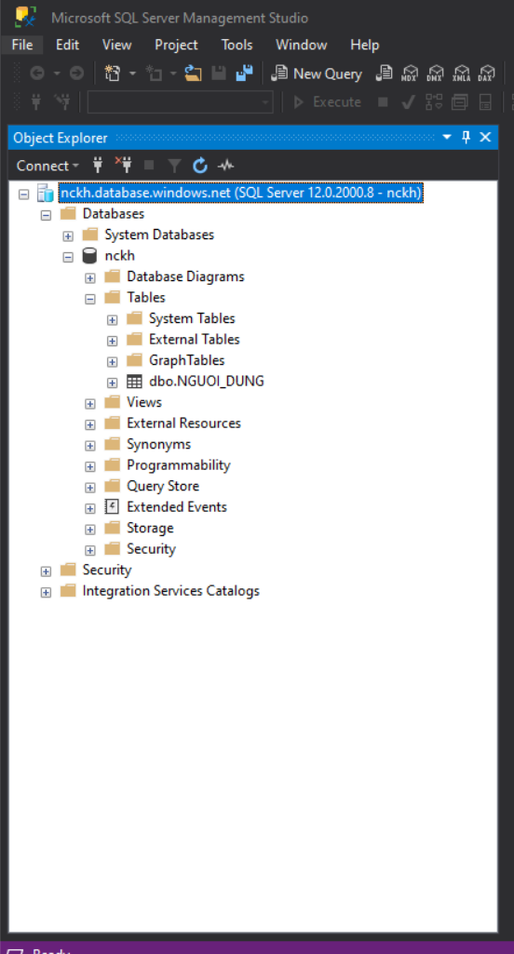

SERVER NAME | nckh.database.windows.net

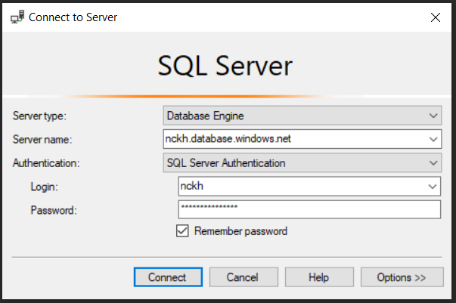
USERNAME | nckh

PASSWORD | Admin@123456

GITLAB & SourceTree
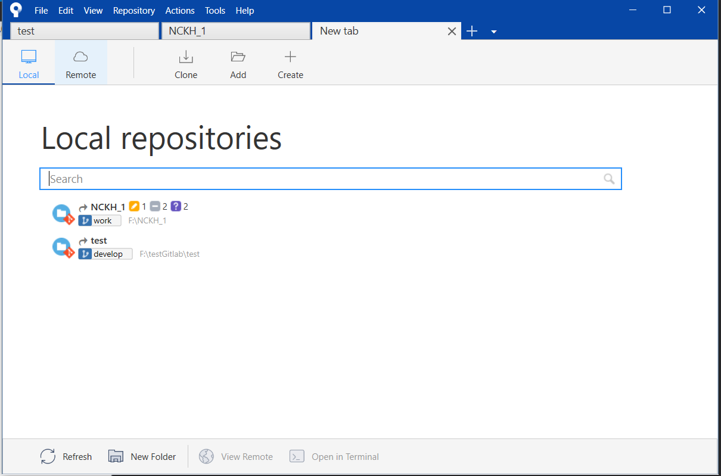
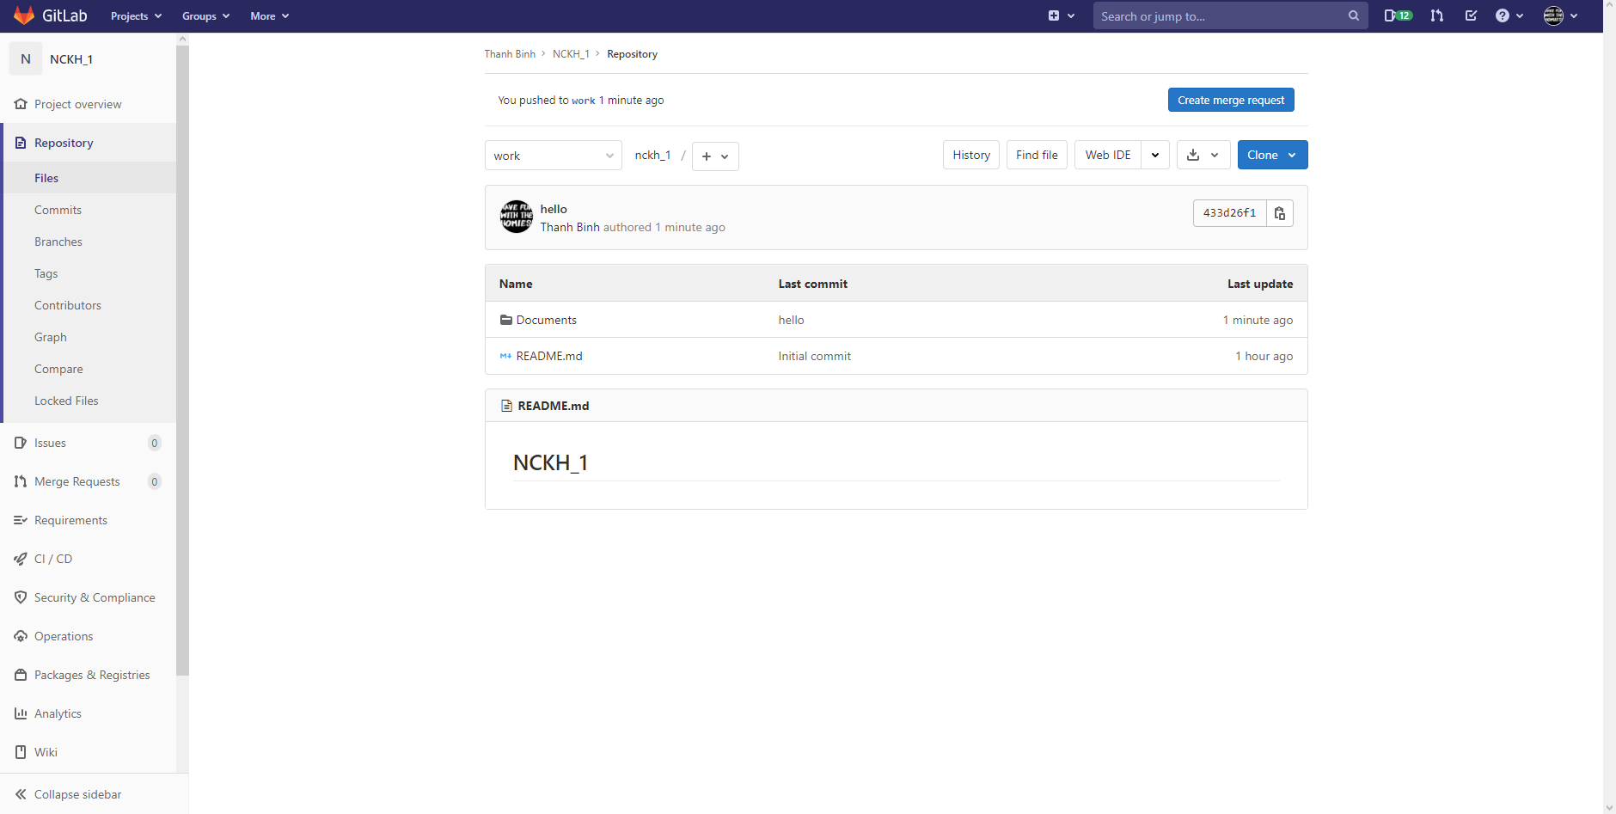

https://gitlab.com/thanhbinh2412/nckh_1.git

