Sheet1
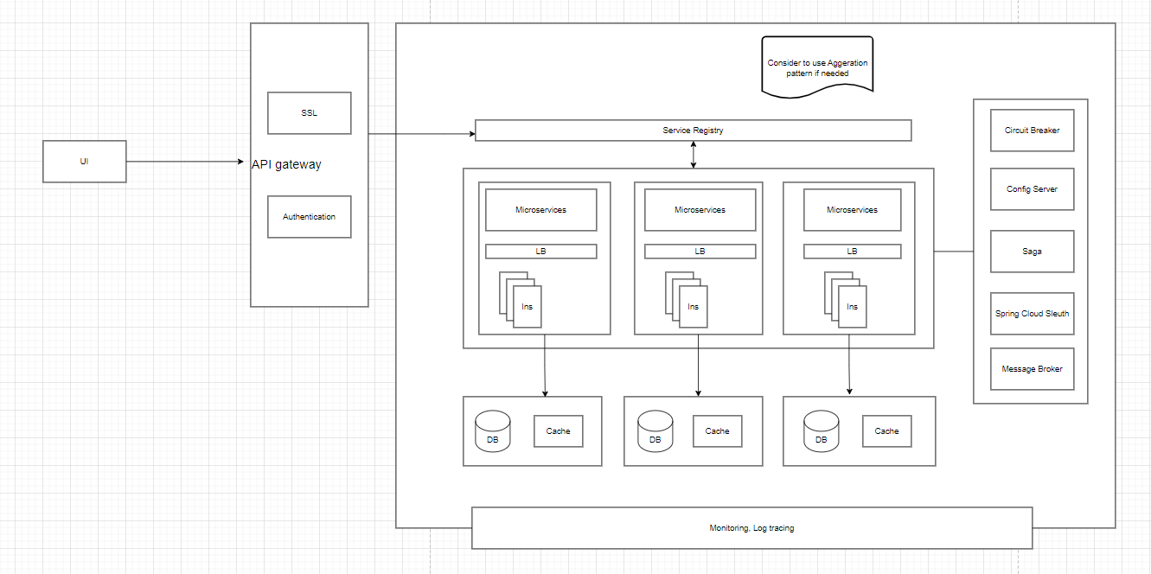
I. Mapping to Components

Column1 | Customer | Payment | Comics | Community | Blog | DataCollection | Notification | Employee - translator | Account | Promotion tool
Business requirement | Manage customer |  | Manage comics - our main products | Manage around user communication in application like comments, rank |  | Auto collect the data | Manage notification | Manage employee who translate the comics | Manage account | Manage the stratery for promo for customer like a analysis
Functional | Add, update, remove, get account |  | Get, update, delete comics | Add, update, delete |  | Get, format data from many source | Add, update, delete | Add, update, delete | Add, update, delete
Data Entities | Customer, Contact detail |  | Comics | Comment, rank, …. |  | Comics | Notification | Employee | Account
Data Autonomy | Related to Payment ID, Comment ID, AccountID |  | Employee ID who traslated this. | Account ID |  | NO | Account ID | AccountID | EmployeeID and CustomerID

II. Communication
Synch
Asynch | DataCollection
Pub/Sub | Notification

III. Problem resolve
Problem | Solution | Pattern | Detail
Spiderweb and aggregare data | The service just request to a central end_point and that will forward to corresponding services | API gateway Aggregation pattern | Provide endpoint and can aggregare for the basic logic in the case need more business in Aggregation pattern
Data Consitency when update a data from a service that should relate to relationship from that data to other service's database like ID in other DB | Present a high-level business process that consist of serveral sub requests | Saga pattern: | - Choregraphy: each service produces and listens to anothern events and decides ì an action should be taken or not - Orchestration - An orchestrator taks responsibility for a saga's decision making and sequencing business logic
Logging Aggregation | Centralized logging service that aggregate logs from each service instance
Performance metric | - Service push metric to metric service - The metrics services pulls metrics from The service | Push : NewRelic Pull: Prometheus
Distributed Tracing - How to trace a request end-to-end to troubleshoot the problem | - Assigns each external request

III. Basic design - Will update during implementation

