Sheet1
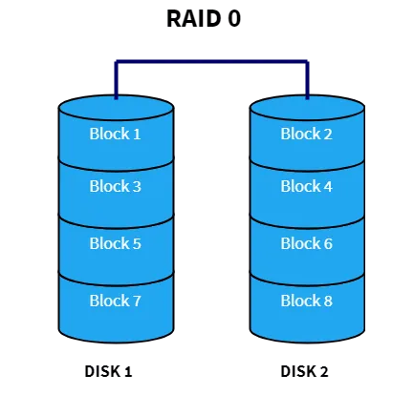
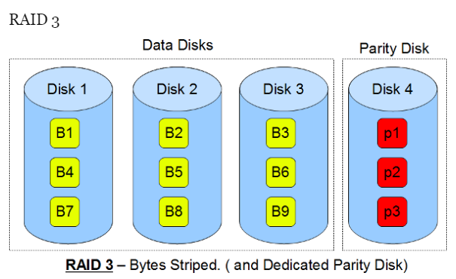
RAID level pros and cons
RAID level | Characteristics | Minimum number of physical drives | Advantages | Disadvantages

0 | Uses striping but not redundancy of data; often not considered “true” RAID | 2 | Provides the best performance because no parity calculation overhead is involved; relatively simple and easy to implement | No fault tolerance; failure of one drive will result in all data in an array being lost
1 | Duplicates but does not stripe data; also known as disk mirroring | 2 | Faster read performance, since both disks can be read at the same time; provides the best fault tolerance, because data is 100 percent redundant | Inefficient high disk overhead compared to other levels of RAID
3 | Striping with one drive to store drive parity information; embedded error checking (ECC) is used to detect errors | 3 | High data transfer rates; disk failure has a negligible impact on throughput | Complex controller design best implemented as hardware RAID instead of software RAID
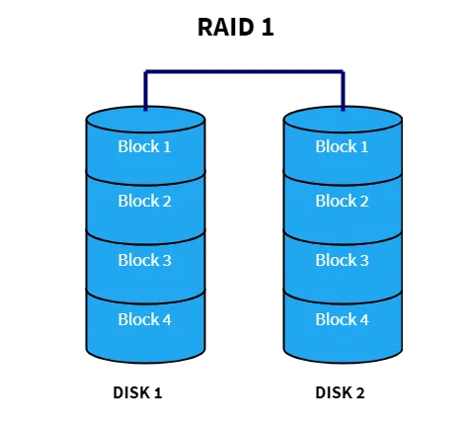
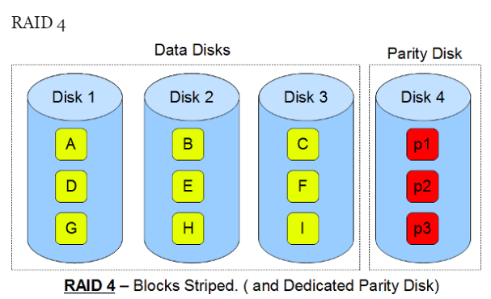
4 | Large stripes (data blocks) with one drive to store drive parity information | 3 | Takes advantage of overlapped I/O for fast read operations; low ratio of parity disks to data disks | No I/O overlapping is possible in write operations, since all such operations have to update the parity drive; complex controller design

