Sheet1
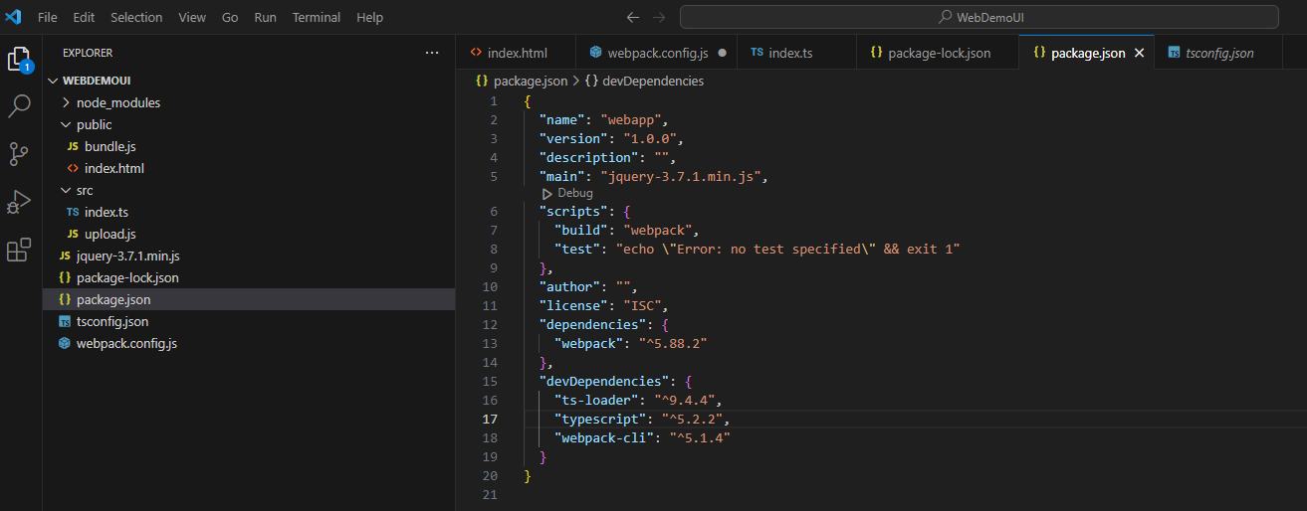
tsc --init
npm init
npm install webpack-cli ts-loader -D
npm install typescript -D

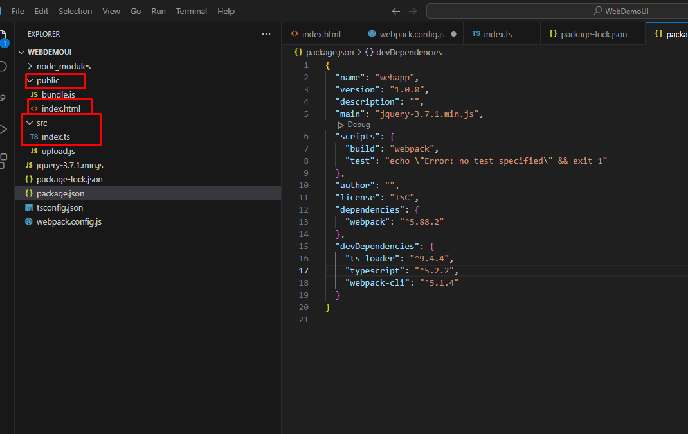
create folder

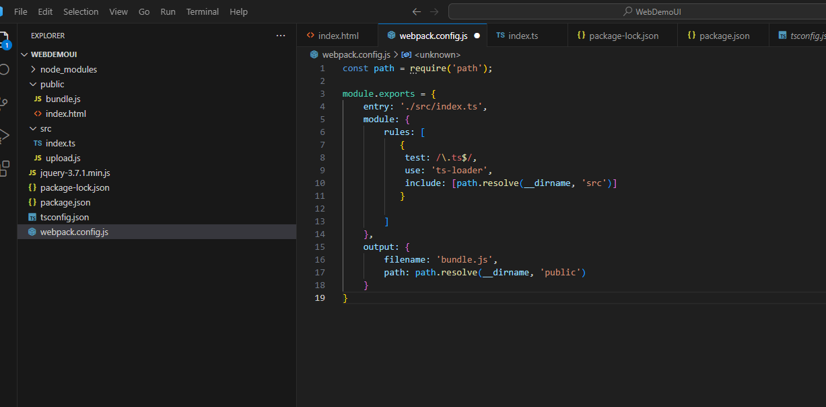
create webpack.config.js

 |  | const path = require('path');

 |  | module.exports = {
 |  | entry: './src/index.ts',
 |  | module: {
 |  | rules: [
 |  | {
 |  | test: /\.ts$/,
 |  | use: 'ts-loader',
 |  | include: [path.resolve(__dirname, 'src')]
 |  | }

 |  | ]
 |  | },
 |  | output: {
 |  | filename: 'bundle.js',
 |  | path: path.resolve(__dirname, 'public')
 |  | }
 |  | }

setiing package.json

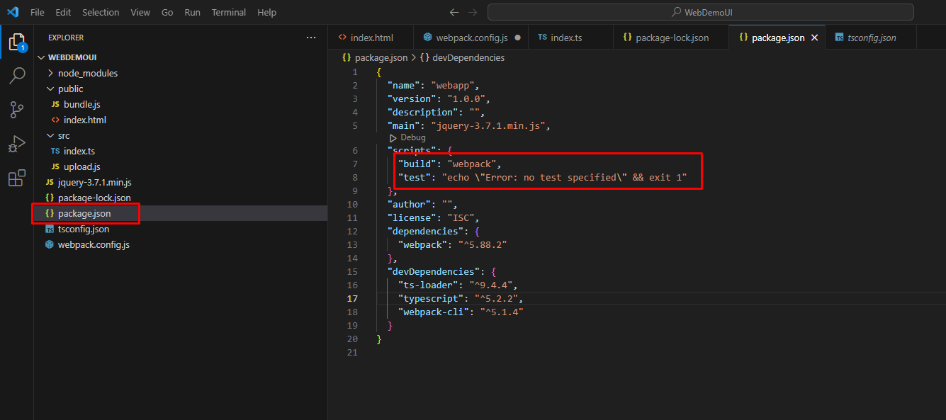

run npm install webpack-dev-server

config package.json

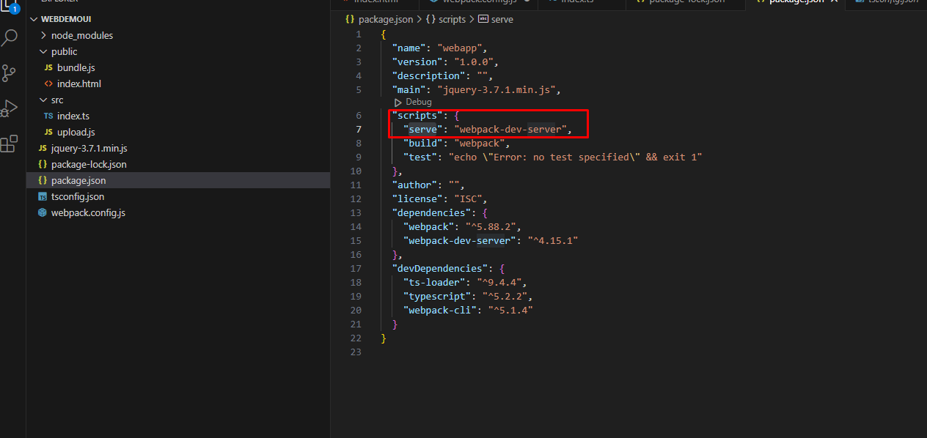

run serve by command : npm run serve

config file ts for public

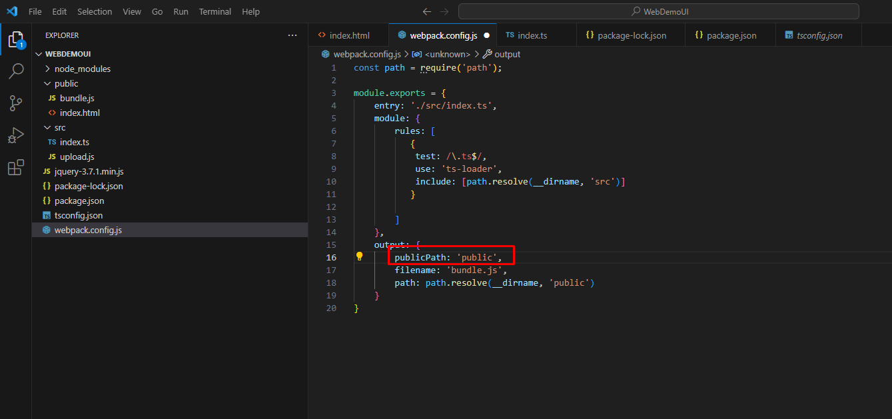

setting mode develop for webpack
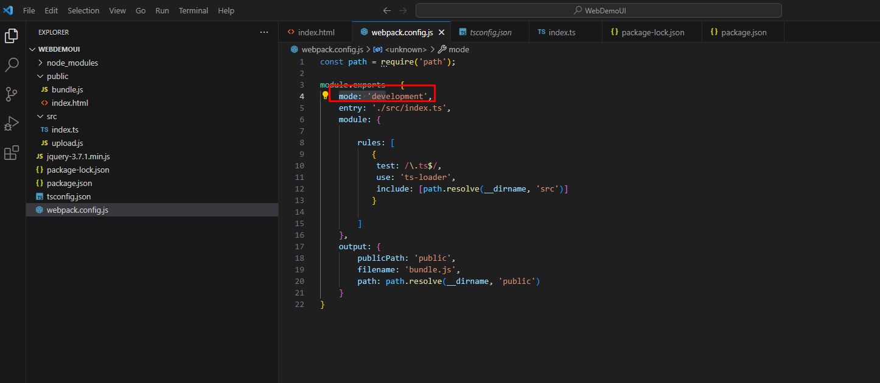

build them file len bundle
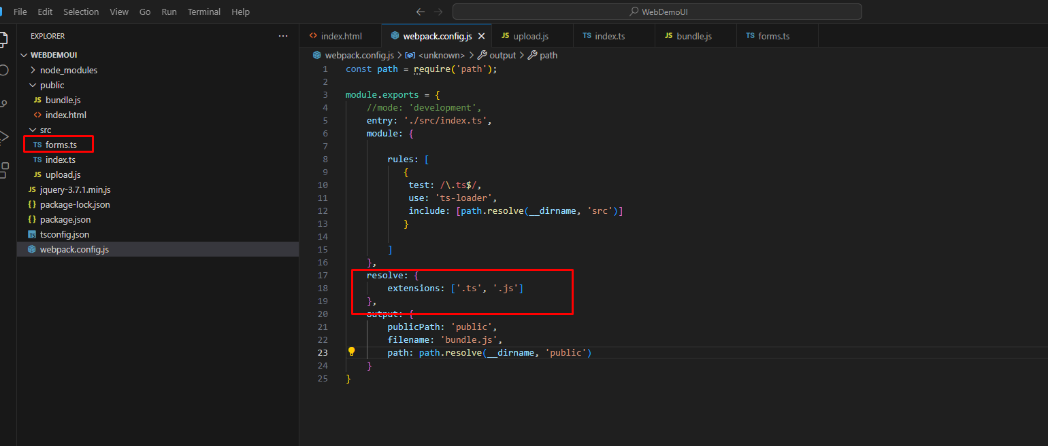

co the debug
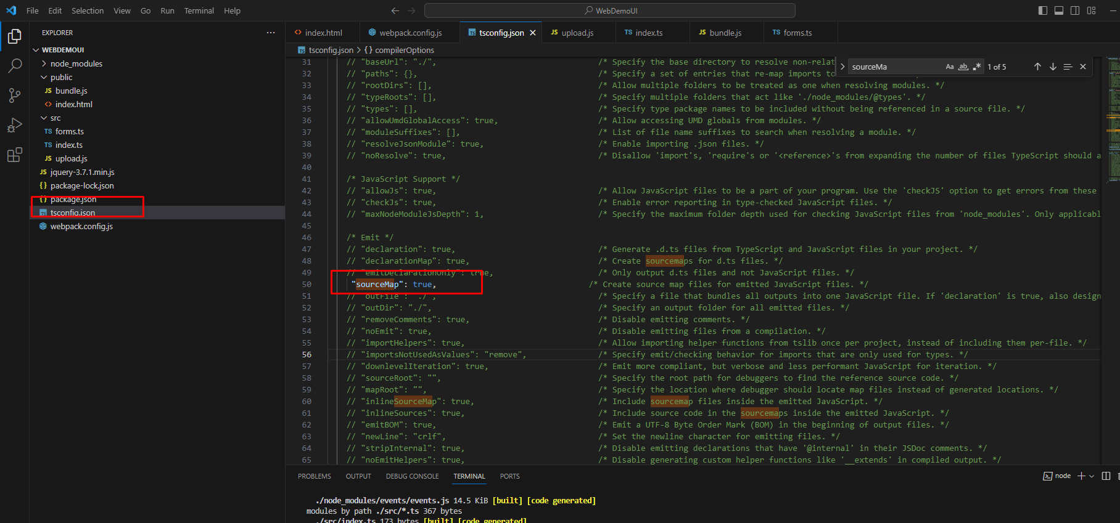

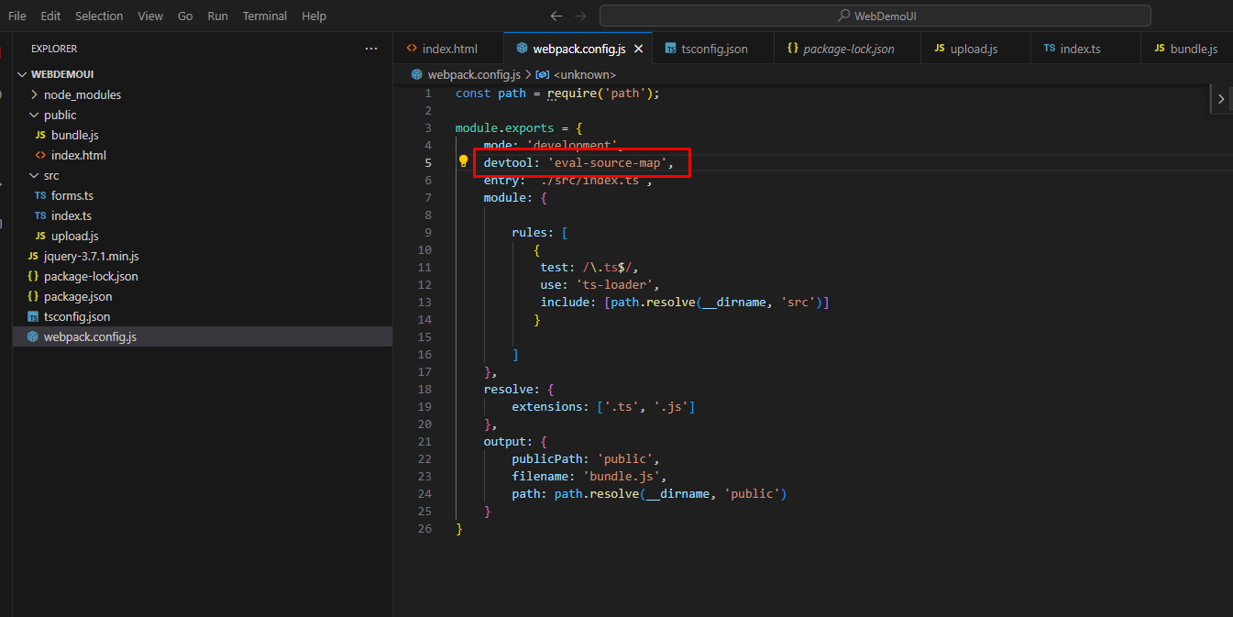

2 | Cấu hình vue project

Dependencies: first we install vue, vue-router and core-js as dependencies. Run npm install vue vue-router core-js --save this would install the three packages as dependencies.
Dev-dependencies: Now we install webpack, webpack-cli, webpack-dev-server, babel-loader, @babel/core, @babel/preset-env,
vue-loader, vue-template-compiler.
Run npm install webpack webpack-cli webpack-dev-server babel-loader @babel/core @babel/preset-env vue-loader vue-template-compiler -D this would install all these packages as dev-dependencies.

vue
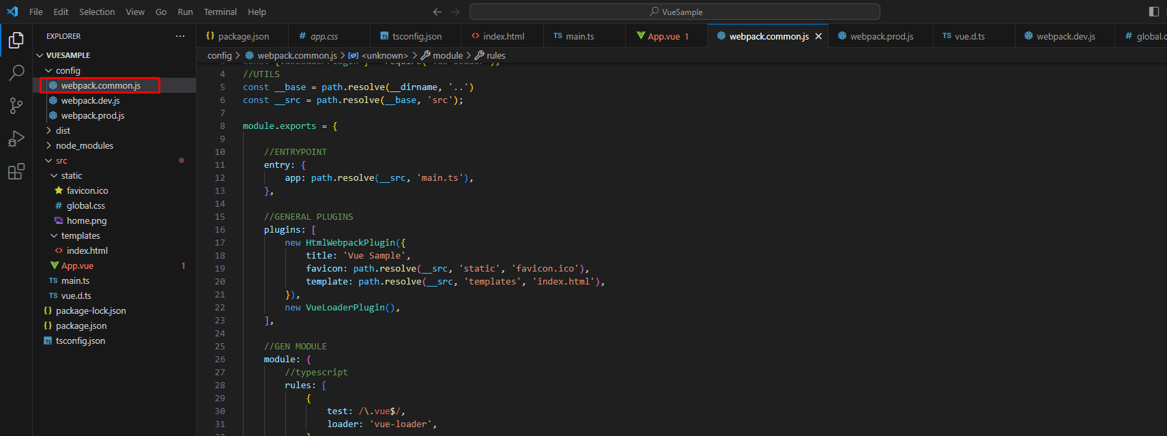
npm init -y
create folder
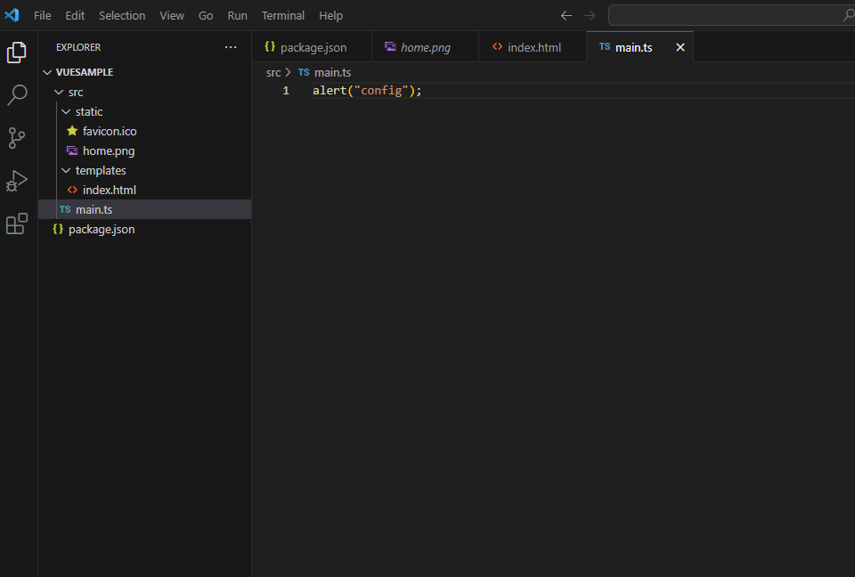

 | Project Init | npm run build
 | Webpack | npm run seve
 | TypeScript | npm init -y
 | Vue | npm install webpack webpack-cli webpack-dev-server webpack-merge html-webpack-plugin babel-loader @babel/core @babel/preset-env vue-loader vue-template-compiler -D
 | CSS | npm i typescript ts-loader -D
 | Images | npm i vue vue-loader vue-template-compiler -D
 | Production | npm i vue-style-loader css-loader -D
 |  | npm i mini-css-extract-plugin css-minimizer-webpack-plugin -D

install webpack
npm install webpack webpack-cli webpack-dev-server webpack-merge html-webpack-plugin babel-loader @babel/core @babel/preset-env vue-loader vue-template-compiler -D

