Tổng hợp
QUẢN LÍ RỦI RO AN TOÀN THÔNG TIN TRONG DOANH NGHIỆP

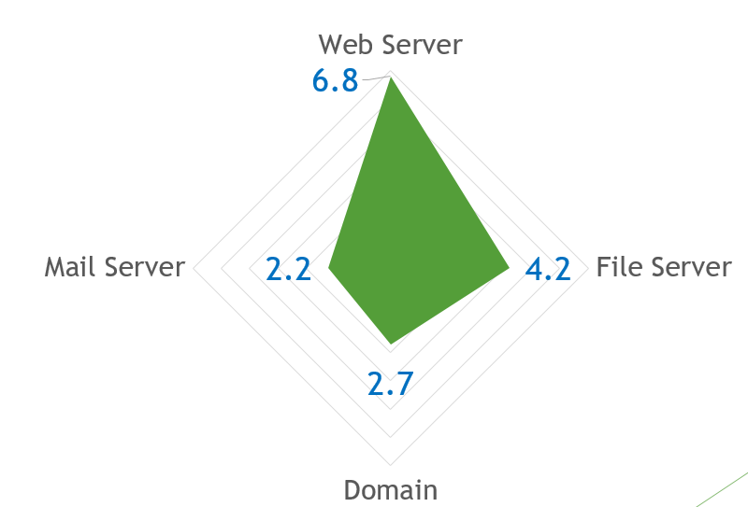
Nhóm: GoE |  | STT | Hệ thống | Risk Score
MSSV | Họ và tên | 1 | File Server | 6.8
20522019 | Võ Thành Tín | 2 | Web Server | 4.2
 | Trần Trí Đức | 3 | Mail Server | 2.7
 | Nguyễn Ngọc Tài | 4 | Domain Controller | 2.2
 | Huỳnh Thế Hào

