Tổng hợp
QUẢN LÍ RỦI RO AN TOÀN THÔNG TIN TRONG DOANH NGHIỆP

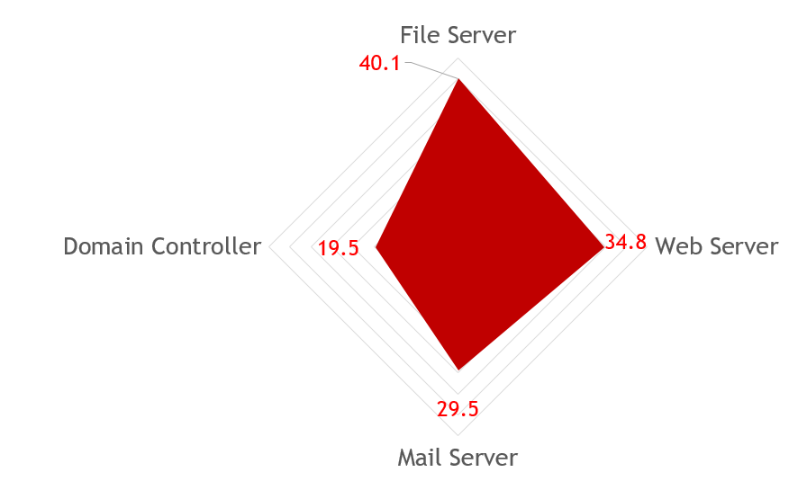
Nhóm: GoE |  | STT | Hệ thống | Risk Score
MSSV | Họ và tên | 1 | File Server | 40.1
20522019 | Võ Thành Tín | 2 | Web Server | 34.8
 | Trần Trí Đức | 3 | Mail Server | 29.5
 | Nguyễn Ngọc Tài | 4 | Domain Controller | 19.5
 | Huỳnh Thế Hào

 |  |  |  |  | Risk Rank của hệ thống hiện tại

