IV & PK
COMMERCIAL INVOICE
1)Shipper/Exporter/Manufacturer |  |  |  |  | 8)No. & date of invoice
OT MOTOR VINA CO.,LTD
Lot No B-3.1, Nhon Trach 6B Subdivision of IZ, |  |  |  |  | 9) Terms of delivery and payment
Nhon Trach 6 IZ, Long Tho Commune, Nhon Trach Dist
Dong Nai Province, Vietnam
TEL: +84 2513 569 066 |  |  |  |  | 10) Country of Origin of Goods VIET NAM
2)For Account & Risk of Messrs.
 | ATTN : MS. Karen Valenzuela
 | Autoliv México S.A. de C.V. (AMX)
 | Ave. de los Sauces No. 9
 | Parque Industrial Lerma
 | Lerma, MX, 52000
 | México
 | Tel )52.728.2827600 (ext)7631

3)Notify party |  |  |  |  | 11) Consignee
 | Corporativo Enciso SC |  |  |  | Autoliv México S.A. de C.V. (AMX)
 | Blvd. Miguel de la Madrid hurtado No. 324-A |  |  |  | Ave. de los Sauces No. 9
 | Col. Tapeixtles, Manzanillo, Colima, C.p. 28238 |  |  |  | Parque Industrial Lerma
 | Imelda Reyes |  |  |  | Lerma, MX, 52000
 | México |  |  |  | México
 | Tel )52 (314) 138 2328 Ext. 127 |  |  |  | Tel )52.728.2827600 (ext)7631
 | Email: imelda.reyescorporativoenciso.com |  |  |  | 12)Remarks :
 |  |  |  |  |  |  |  | *** CONT/SEAL:
 |  |  |  |  |  | ※ | PO No. |  | :
 |  |  |  |  |  | ※ | P/No. |  | :
 |  |  |  |  |  | ※ | LOT No. |  | :
 |  |  |  |  |  | ※ | SKID No |  | :

 |  |  |  |  |  | ※ | RAN No. |  | :
4)Port of loading |  |  | 5)Final destination |  |  | ※ | C/No. |  | :
 | Ho Chi Minh, Viet Nam |  |  | Manzanillo, Mexico
6)Carrier |  |  | 7)Sailing on or about |  |  | ※ | Q'TY/CTN |  | :
WAN HAI 306 N293 |  |  |  |  |  | ※ | OUT BOUND SHIPMENT
12)Marks and numbers of PKGS 13)Description of goods 14)Quantity/Unit 15)Unit Price 16)Amount

17)Commodity HTS Number " Automotive Component" (HS: 87082920)

 | SHIP TO AMX PLAN #84 |  |  |  |  |  |  |  |  |  |  | US$ 0.00

 |  |  |  |  |  |  |  |  |  |  |  | US$ 0.00

 |  |  |  |  |  |  |  |  |  |  |  | US$ 0.00

 |  |  |  |  |  |  |  |  |  |  |  | US$ 0.00

 |  |  |  |  |  |  |  |  |  |  |  | US$ 0.00

 |  | T O T A L |  |  | 0 PCS |  |  |  |  |  |  | US$ 0.00


MADE IN VIET NAM
//////////////////////////////////

 |  |  |  |  |  |  |  |  | 18)Signed By
 | * BANK INFORMATION
 |  | - Bank Name : Industrial Bank of Korea - Ho Chi Minh City Branch
 |  | - Address : Unit 604, Diamond Plaza, 34 Le Duan Blvd., Dist. 1, HCMC, Vietnam
 |  | - Bank Account Number/SWIFT: 0764-0054-932-0001 // IBKOVNVX

PACKING LIST
1)Shipper/Exporter |  |  |  |  | 8)No. & date of invoice
OT MOTOR VINA CO.,LTD |  |  |  |  |  | I-000, |  |  |  | 0 |  |  |  | 0
Lot No B-3.1, Nhon Trach 6B Subdivision of IZ,
Nhon Trach 6 IZ, Long Tho Commune, Nhon Trach Dist |  |  |  |  | 9)Remarks :
Dong Nai Province, Vietnam
TEL: +84 2513 569 066 |  |  |  |  |  | 0 | 0 |  | 0 |  |  | 0 |  | 0 | 0 |  | 0
2)For Account & Risk of Messrs. |  |  |  |  |  |  | 0 |  | 0 | 000 |  | 0 |  |  | 0
 |  |  |  |  |  | ※ | P/No. |  | : | 0 | 0 | 0 |  | 0 | 0
 | Autoliv México S.A. de C.V. (AMX) |  |  |  |  | ※ | SKID No |  | : | 0 | 0 | 0 |  | 0 | 0
 | Ave. de los Sauces No. 9 |  |  |  |  |  |  |  |  | ( SKIDS) | ( SKIDS) | ( SKIDS) |  | ( SKIDS) | ( SKIDS)
 | Parque Industrial Lerma |  |  |  |  | ※ | RAN No. |  | : | 0 | 0 | 0 |  | 0 | 0 | 0
 | Lerma, MX, 52000 |  |  |  |  | ※ | C/No. |  | : | 0 | 0 | 0 |  | 0 | 0
 | México |  |  |  |  |  |  |  |  | ( BOXES) | ( BOXES) | ( BOXES) |  | ( BOXES) | ( BOXES)
 | Tel )52.728.2827600 (ext)7631 |  |  |  |  | ※ | Q'TY/CTN |  | : | 0 PCS | 0 PCS | 0 PCS |  | 0 PCS | 0 PCS
 | 0
3)Notify party |  |  |  |  |  |  |  |  |  |  |  |  |  | 0 | 0 | 0 PCS | 0 PCS
 |  |  |  |  |  |  |  |  |  |  |  |  |  | 0 | 0 | 0 PCS | 0 PCS

 | Corporativo Enciso SC |  |  |  |  |  |  |  |  |  |  |  |  | 0 PCS | 0 PCS
 | Blvd. Miguel de la Madrid hurtado No. 324-A |  |  |  |  |  |  |  |  |  |  |  |  | ( BOXES) | ( BOXES)
 | Col. Tapeixtles, Manzanillo, Colima, C.p. 28238
 | Imelda Reyes
 | México
 | Tel )52 (314) 138 2328 Ext. 127
 | Email: imelda.reyescorporativoenciso.com |  |  |  |  | ※ | SKID SIZE |  | :
 | 0
 | 0
 | 0
 | 0
4)Port of loading |  |  | 5)Final destination
 | Ho Chi Minh, Viet Nam |  |  | Manzanillo, Mexico
6)Carrier |  |  | 7)Sailing on or about |  |  | ※ | WEIGHT |  | : | 0 kgs
WAN HAI 306 N293 |  |  | 0 |  |  | ※ | OUT BOUND SHIPMENT
10)Marks and numbers of PKGS 11)Description of goods 12)Quantity 13)Net Weight 14)Gross Weight 15)Measurement

16)Commodity HTS Number "Automotive Seat Belt Component" (HS: 87082920)

 | SHIP TO AMX PLAN #84 | 0 | 0 |  |  |  |  | 0 PCS |  | 0 kgs
 |  | 0 | 0
 |  |  | 0 |  |  |  |  | 0 PCS |  | 0 kgs
 |  |  | 0
 |  |  | 0 |  |  |  |  | 0 PCS |  | 0 kgs
 |  | 0 | 0
 |  |  | 0 |  |  |  |  | 0 PCS |  | 0 kgs
 |  |  | 0
 |  |  | 0 |  |  |  |  | 0 PCS |  | 0 kgs
 |  |  | 0
 |  |  | 0 |  |  |  |  | 0 PCS |  | 0 kgs
 |  |  | 0

 |  | T O T A L |  |  | 0 PCS |  |  |  | 0 kgs |  | 0 kgs |  | 0.000 CBM
MADE IN VIET NAM
//////////////////////////////////

 |  |  |  |  |  |  |  |  | 17)Signed By

Sheet1
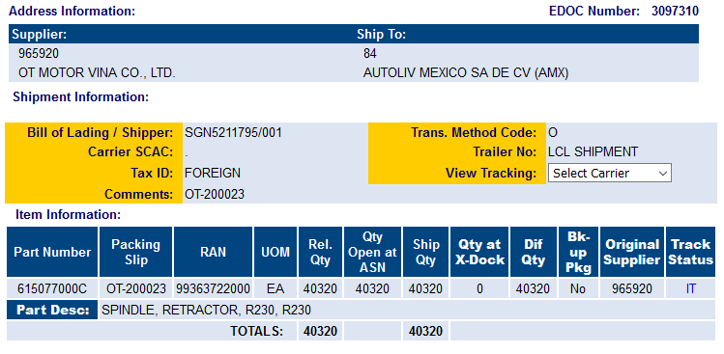
EDOC Number: 3097310

Generation Date: 120092

