Hanld With Care
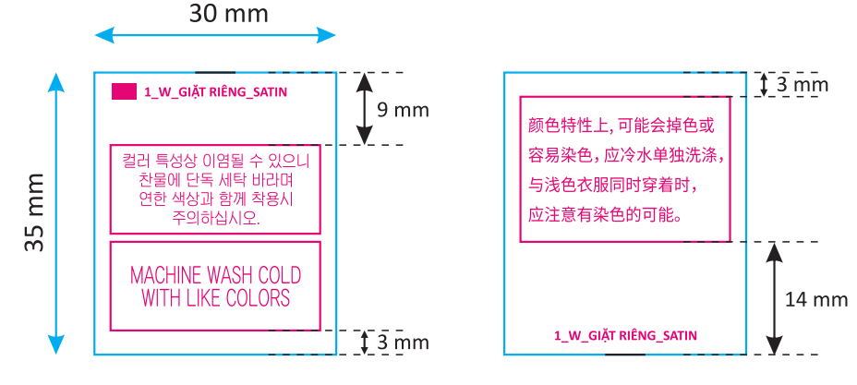 CAUTION LABEL
Customer | Orderno | Kind | Kind Pr Mode | Type | Style No | Care Q'ty | %loss | Q'ty Print | delivery | 국문 | 영문 | 중문
CUST_NAME_ENG | ORDERNO | KIND | KIND_PR_MODE | TYPE | STYLE_NO | QTY | LOSS | TOTAL_QTY | thu_tu_giao_hang | 국문 | 영문 | 중문

