EC CARE LABEL
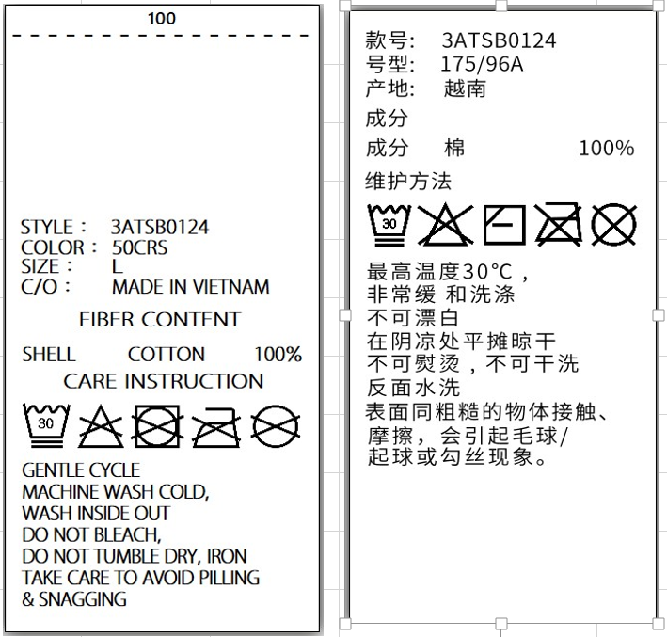
E/C Care label (WEAR)
CUSTOMER | ORDERNO | KIND | KIND_PR_MODE | RFID_YN | STYLE_NO | GUBUN | LAUNDRYCODE | COLOR_CHN | Clothes | SIZES | SIZES_ENG | SIZES_CHN | Order Q'ty | %loss | Q'ty Print | delivery | TYPE | XUÁT XỨ | Z_DEGREE | UOM
CUST_NAME_ENG | ORDERNO | KIND | KIND_PR_MODE | RFID_YN | STYLE_NO | GUBUN | LAUNDRYCODE | COLOR_CHN | Clothes | SIZES | SIZES_ENG | SIZES_CHN | QTY | LOSS | TOTAL_QTY | thu_tu_giao_hang | Type | XUAT_SU | Z_DEGREE | UOM

