KOREAN CARE LABEL (NON RFID)
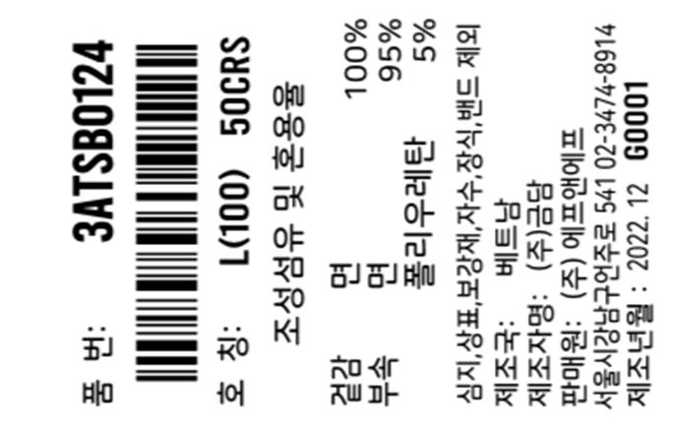 Korean Care label-NON RFID(ACC)
CUSTOMER | ORDERNO | KIND | KIND_PR_MODE | RFID_YN | STYLE_NO | GUBUN | LAUNDRYCODE | COLOR | BARCODE | Clothes | Print Sizes | Order Q'ty | %loss | Q'ty Print | delivery | TYPE | MIXRATE_TITLE | COUNTRY | CUST_NAME | IMPORT_NAME | PRODUCT_YM | Z_DEGREE
CUST_NAME_ENG | ORDERNO | KIND | KIND_PR_MODE | RFID_YN | STYLE_NO | GUBUN | LAUNDRYCODE | COLOR | BARCODE | CLOTHES | PRINT_SIZES | QTY | LOSS | TOTAL_QTY | THU_TU_GIAO_HANG | TYPE | MIXRATE_TITLE | COUNTRY | CUST_NAME | IMPORT_NAME | PRODUCT_YM | Z_DEGREE

