KOREAN CARE LABEL (RFID)
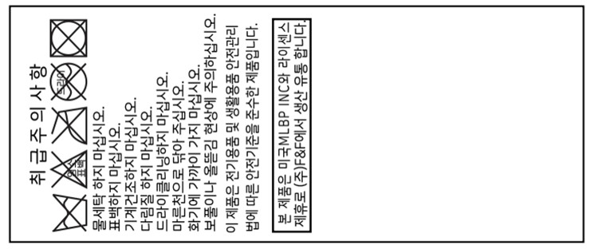 Korean Care label - RFID(ACC)
CUSTOMER | ORDERNO | KIND | KIND_PR_MODE | RFID_YN | STYLE_NO | GUBUN | LAUNDRYCODE | COLOR | BARCODE | Clothes | Print Sizes | Order Q'ty | delivery | TYPE | MIXRATE_TITLE | COUNTRY | CUST_NAME | IMPORT_NAME | PRODUCT_YM | Z_DEGREE
CUST_NAME_ENG | ORDERNO | KIND | KIND_PR_MODE | RFID_YN | STYLE_NO | GUBUN | LAUNDRYCODE | COLOR | BARCODE | CLOTHES | PRINT_SIZES | QTY | THU_TU_GIAO_HANG | TYPE | MIXRATE_TITLE | COUNTRY | CUST_NAME | IMPORT_NAME | PRODUCT_YM | Z_DEGREE

