KOREAN CARE LABEL (NON RFID)
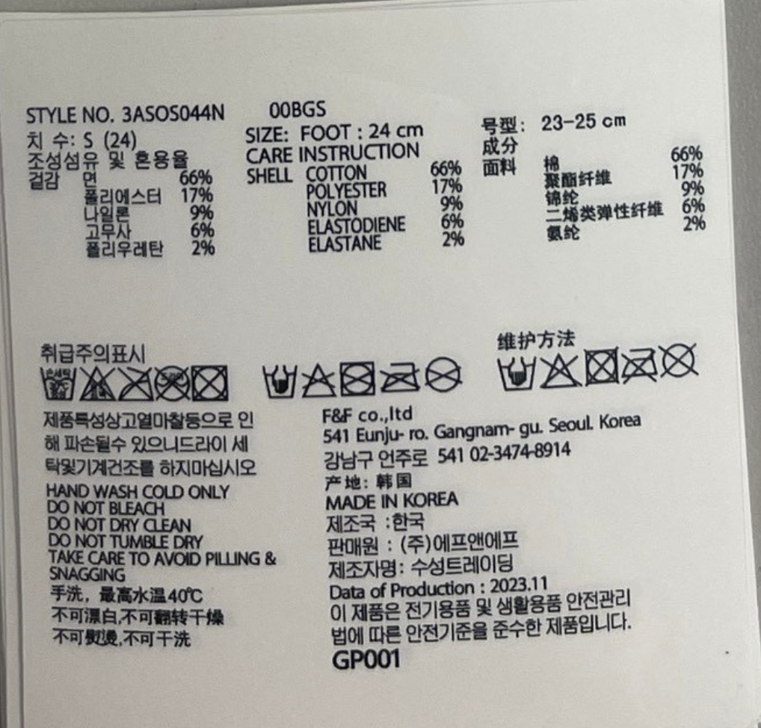 Carelabel Sticker(ACC)
CUSTOMER | ORDERNO | KIND | KIND_PR_MODE | RFID_YN | STYLE_NO | LAUNDRYCODE | COLOR | COLOR_ENG | BARCODE | Clothes | SIZES | Print Sizes | Order Q'ty | %loss | Q'ty Print | delivery | TYPE | MIXRATE_TITLE | COUNTRY | CUST_NAME | IMPORT_NAME | PRODUCT_YM | Z_DEGREE
CUST_NAME_ENG | ORDERNO | KIND | KIND_PR_MODE | RFID_YN | STYLE_NO | LAUNDRYCODE | COLOR | COLOR_ENG | BARCODE | CLOTHES | SIZES | PRINT_SIZES | QTY | LOSS | TOTAL_QTY | THU_TU_GIAO_HANG | TYPE | MIXRATE_TITLE | COUNTRY | CUST_NAME | IMPORT_NAME | PRODUCT_YM | Z_DEGREE

