CHINA PRICE TAG RFID
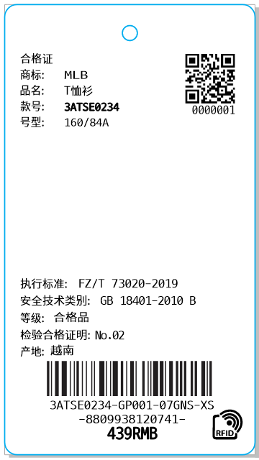 China Price Tag-RFID
CUSTOMER | ORDERNO | KIND | KIND_PR_MODE | RFID_YN | LAUNDRYCODE | BRANDNAME | CERTI_NAME3 | STYLE_NO | COLOR | COLOR_CHN | BARCODE | Clothes | SIZES | SIZES_CHN | Order Q'ty | delivery | CERTI_EXEC_STD | CERTI_SAFETY_TYPE1 | CERTI_SAFETY_TYPE2 | CERTI_GOODS_QC | TYPE | Z_DEGREE | SELLPRICE_CHN | UOM
CUST_NAME_ENG | ORDERNO | KIND | KIND_PR_MODE | RFID_YN | LAUNDRYCODE | BRANDNAME | CERTI_NAME3 | STYLE_NO | COLOR | COLOR_CHN | BARCODE | CLOTHES | SIZES | SIZES_CHN | QTY | thu_tu_giao_hang | CERTI_EXEC_STD | CERTI_SAFETY_TYPE1 | CERTI_SAFETY_TYPE2 | CERTI_GOODS_QC | TYPE | Z_DEGREE | SELLPRICE_CHN | UOM

