GLOBAL PRICE TAG RFID
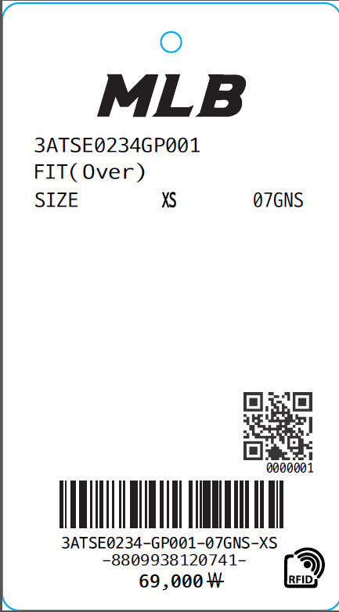 Global Price Tag-RFID
CUSTOMER | ORDERNO | KIND | KIND_PR_MODE | RFID_YN | Z_STYLE_NO | STYLE_NO | BRANDNAME | Z_DEGREE | COLOR | COLOR_ENG | BARCODE | Clothes | SIZES_ENG | SELLPRICE | Order Q'ty | delivery | TYPE | FIT_COATPANTS | FIT_TYPE | PRINT_SIZES
CUST_NAME_ENG | ORDERNO | KIND | KIND_PR_MODE | RFID_YN | Z_STYLE_NO | STYLE_NO | BRANDNAME | Z_DEGREE | COLOR | COLOR_ENG | BARCODE | CLOTHES | SIZES_ENG | SELLPRICE | QTY | thu_tu_giao_hang | TYPE | FIT_COATPANTS | FIT_TYPE | PRINT_SIZES

