Sheet1
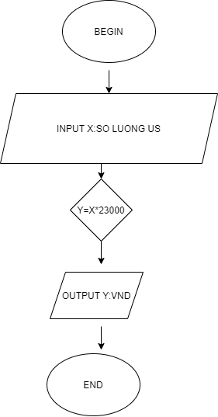

BEGIN

 | INPUT X:SO LUONG US

 | Y=X*23000

 | OUTPUT Y:TIEN VND

END

