แผ่น1
Speech emotion recognition
model name | fold number | WAP | UAP | Confusion matrix | Chart
TRE model (using nltk tokenizer) | 0 | 55.97% | 53.71% | 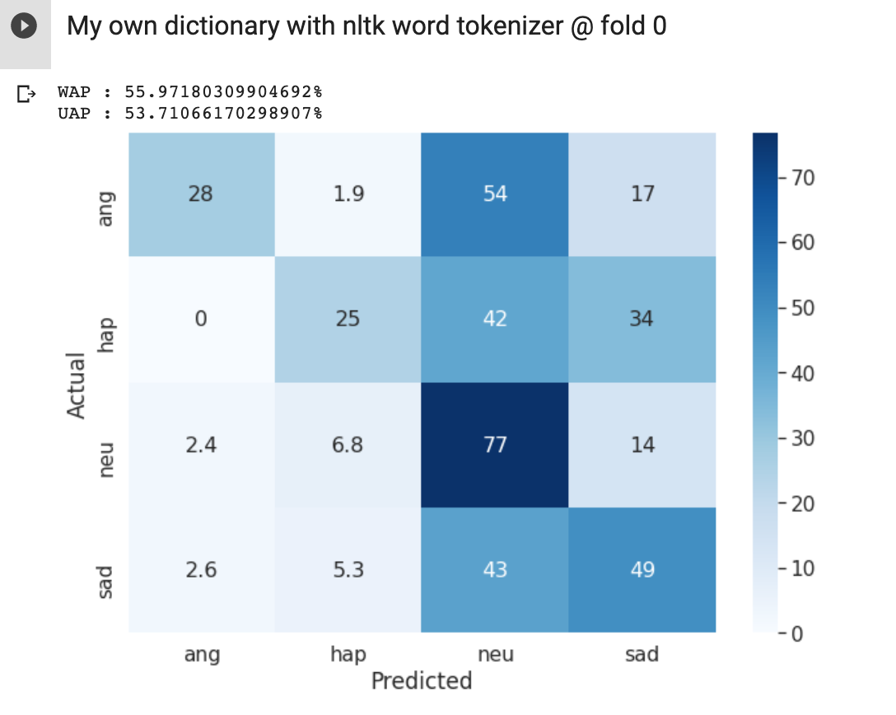 | 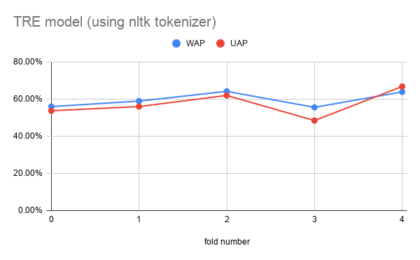
 | 1 | 58.92% | 55.98% | 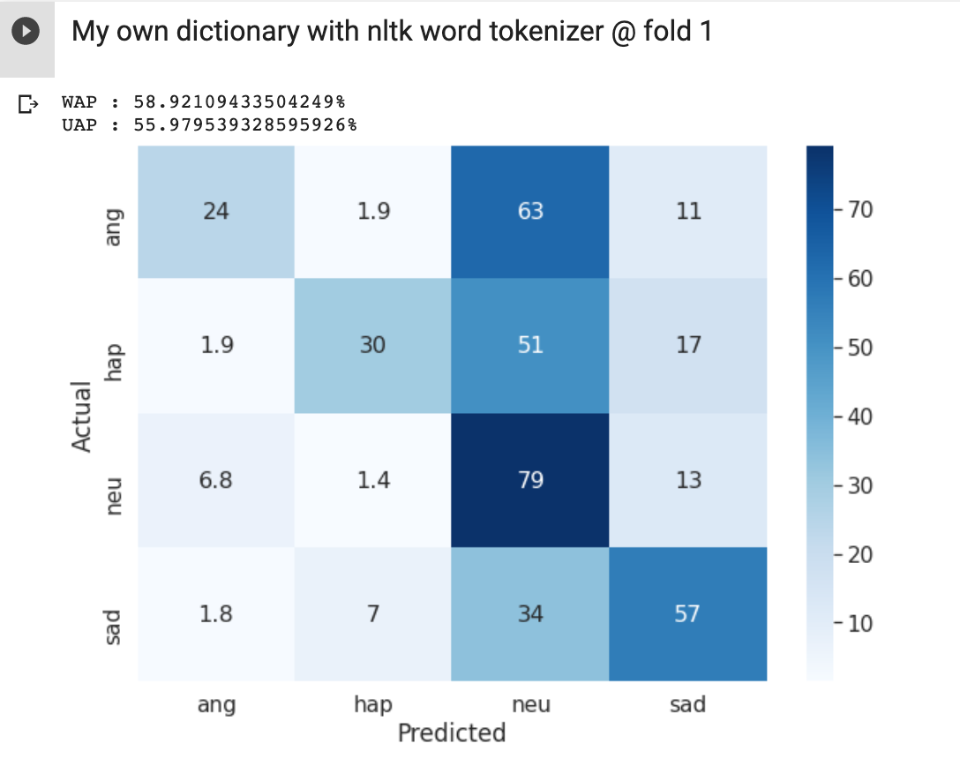
 | 2 | 64.16% | 61.97% | 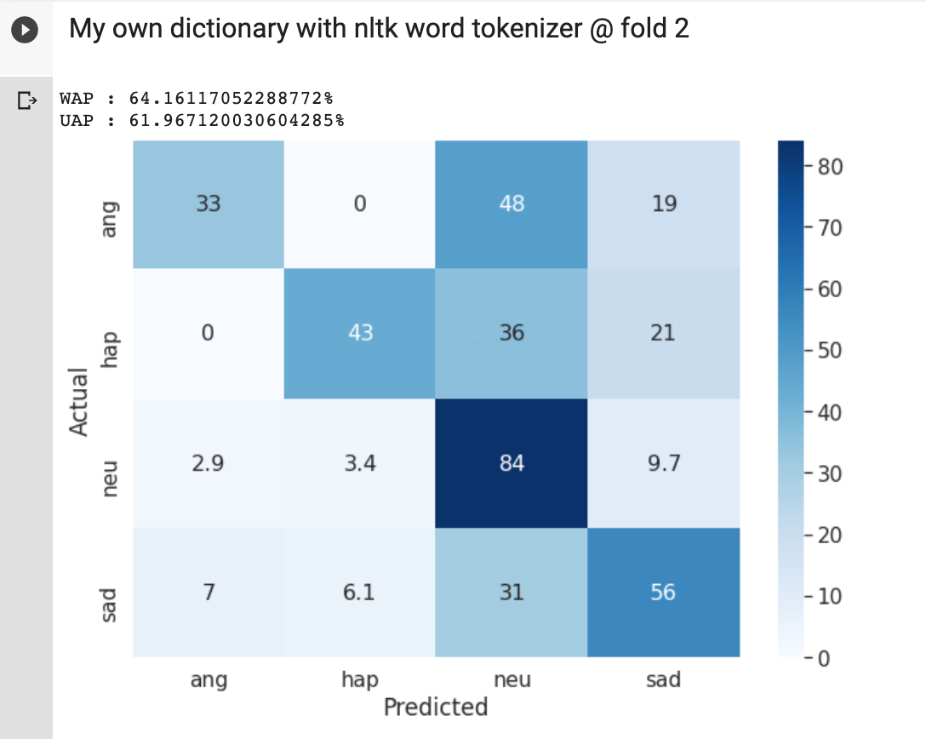
 | 3 | 55.56% | 48.45% | 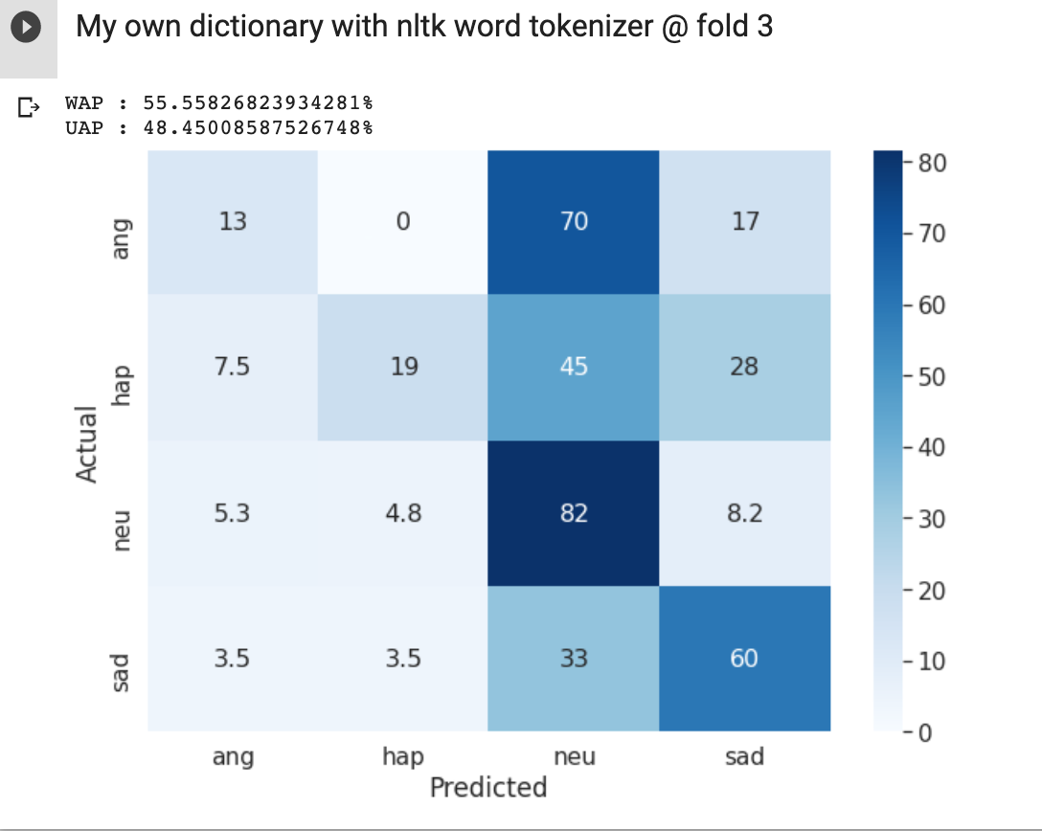
 | 4 | 63.87% | 66.79% | 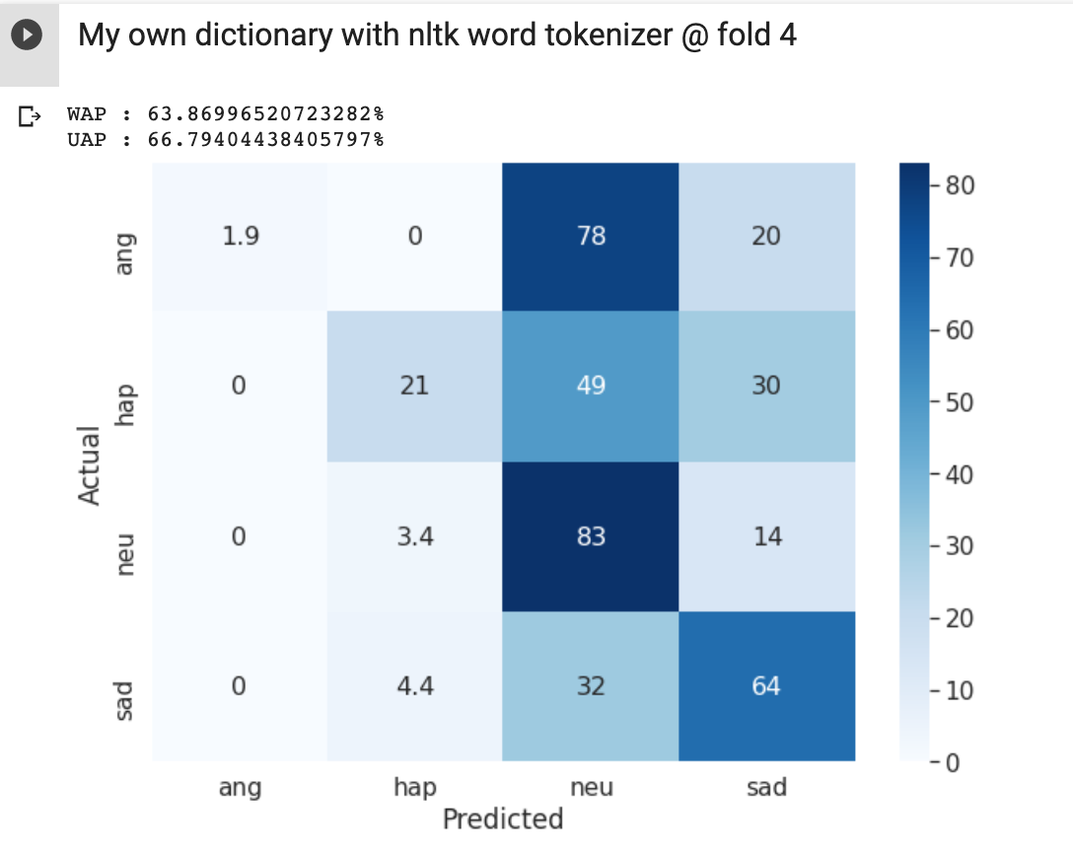
MDRE model(using nltk tokenizer) | 0 | 67.90% | 65.25% | 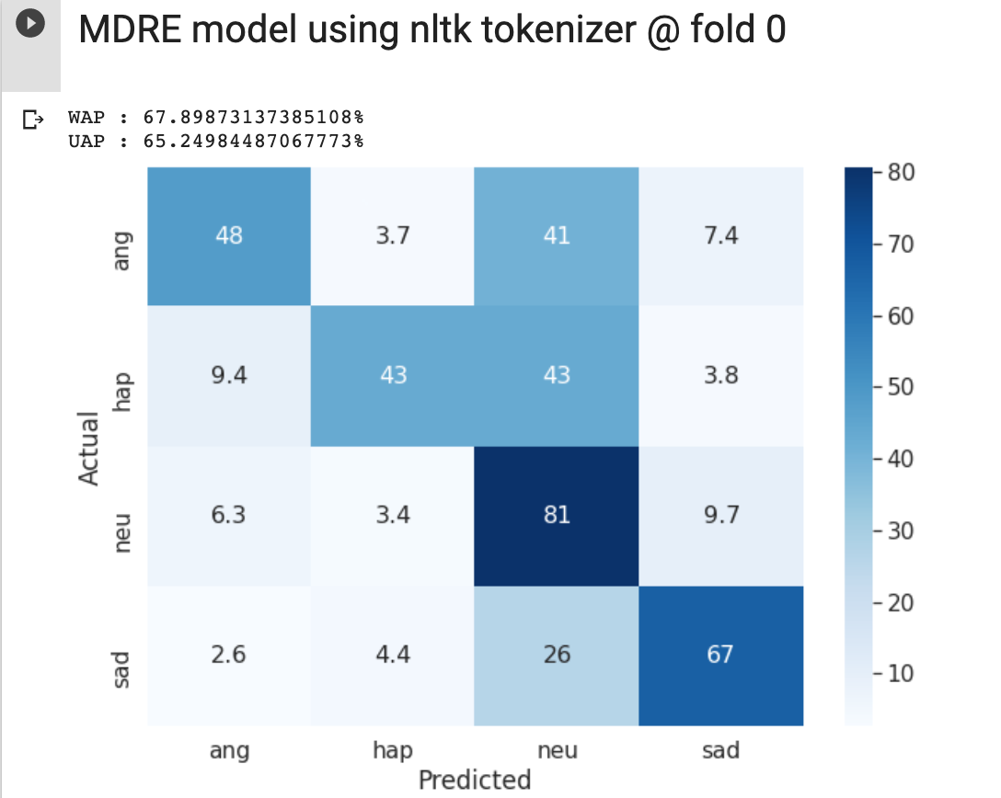 | 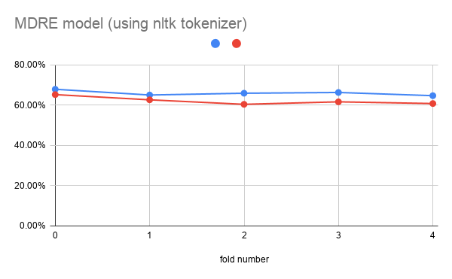
MDRE model (using nltk tokenizer)
 | 1 | 65.05% | 62.66% | 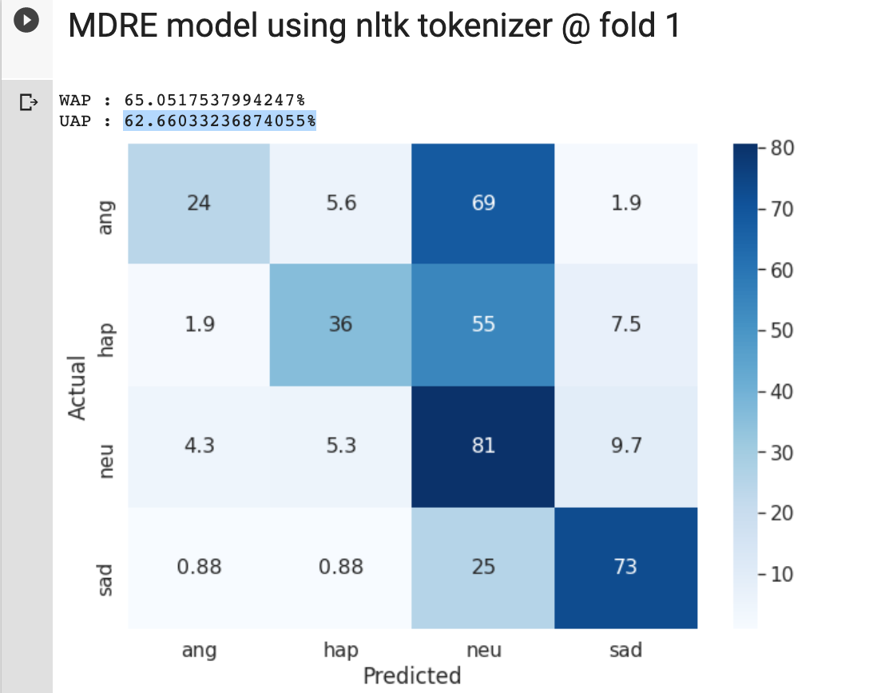
 | 2 | 65.93% | 60.43% | 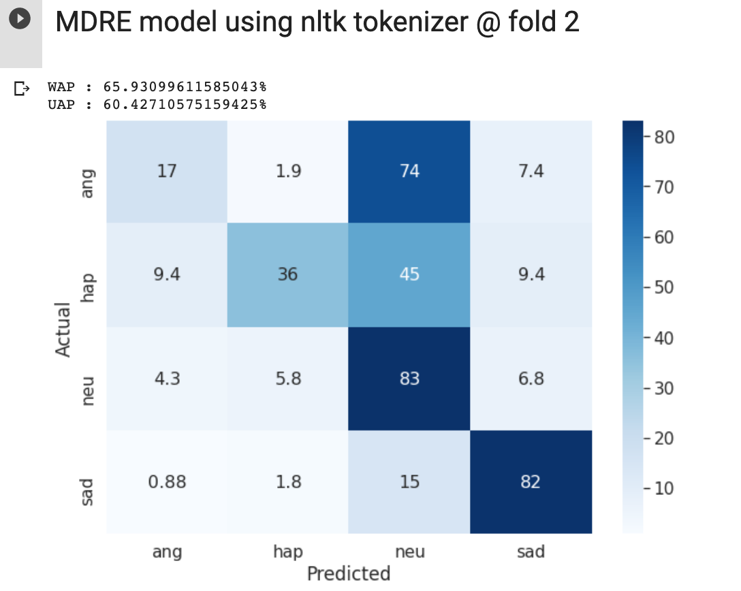
 | 3 | 66.31% | 61.66% | 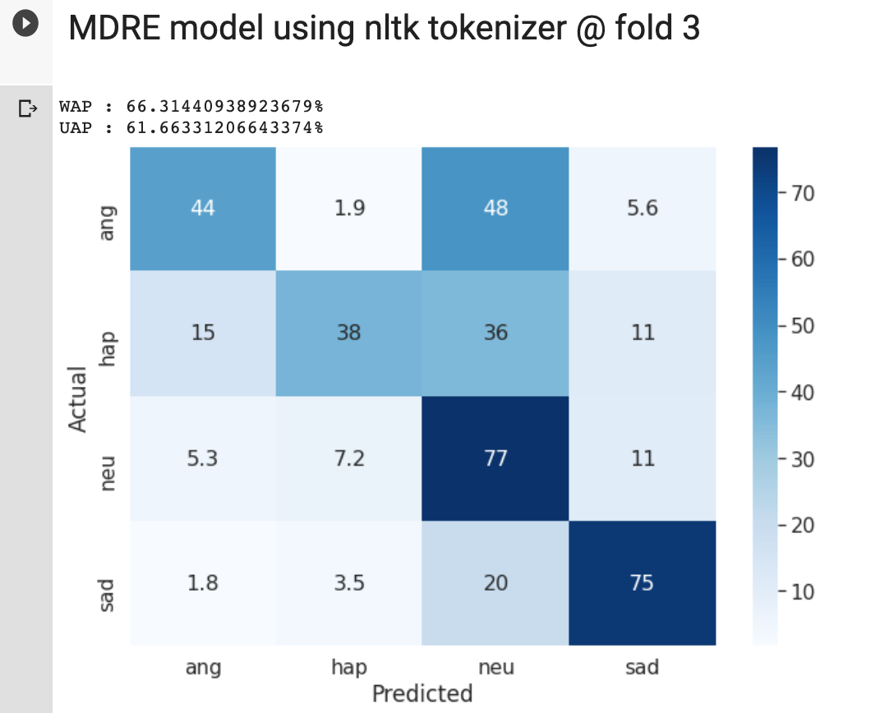
 | 4 | 64.72% | 60.81% | 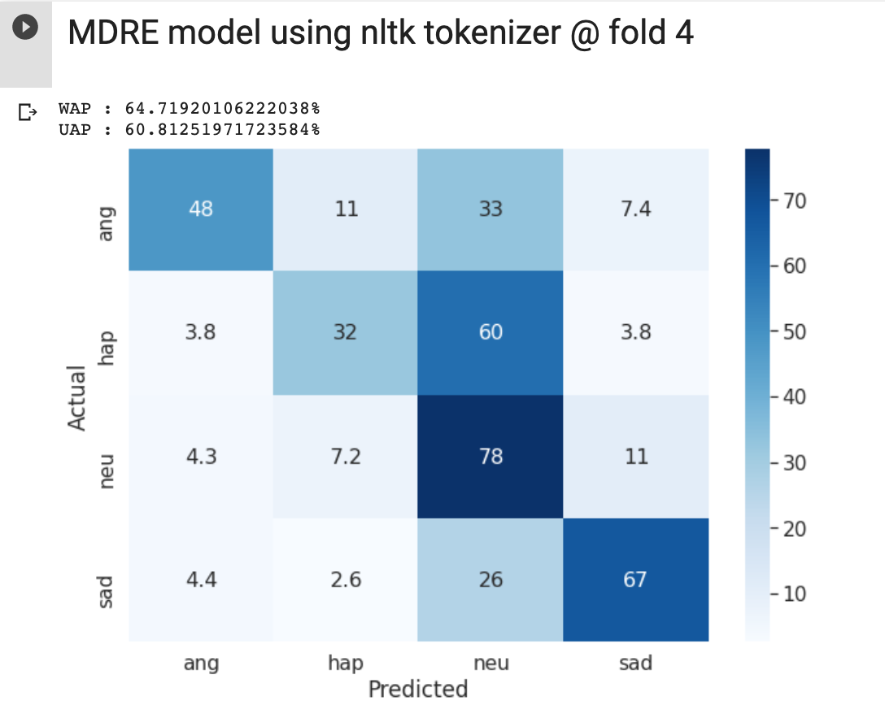
ARE model(using nltk tokenizer) | 0 | 58.58% | 51.71% | 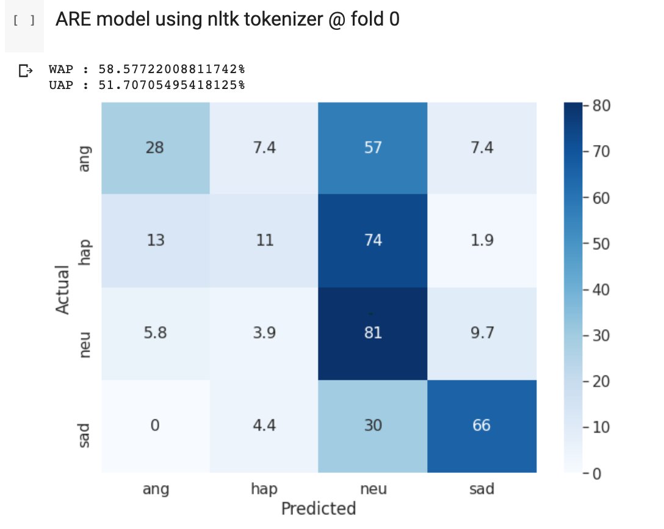 | 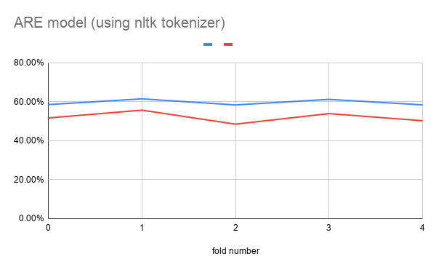
 | 1 | 61.52% | 55.71% | 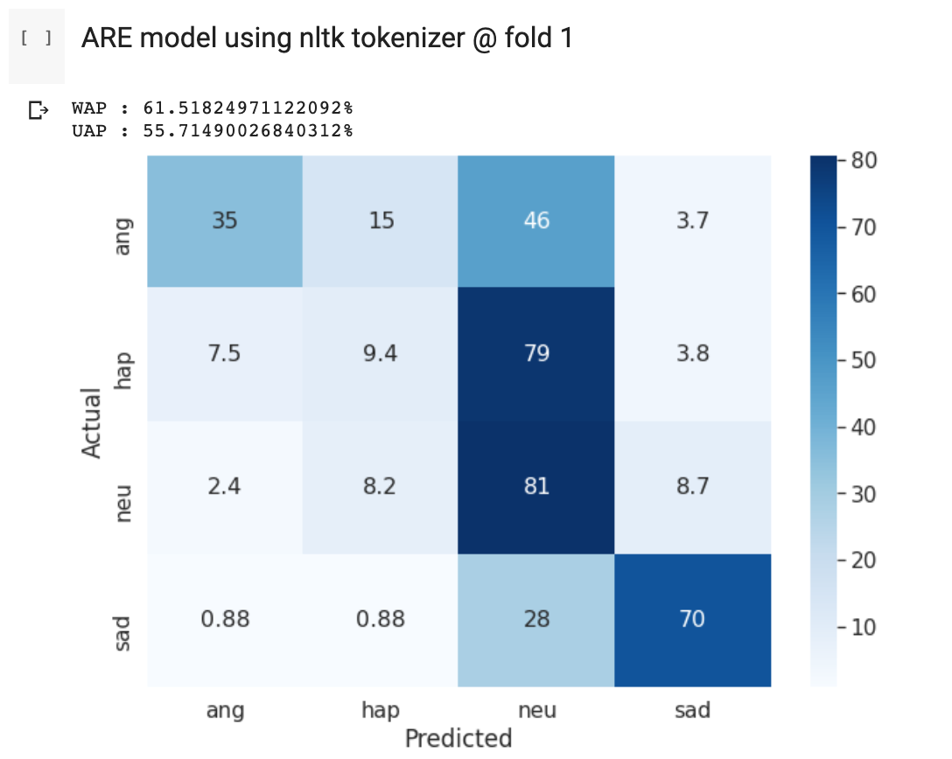
 | 2 | 58.39% | 48.53% | 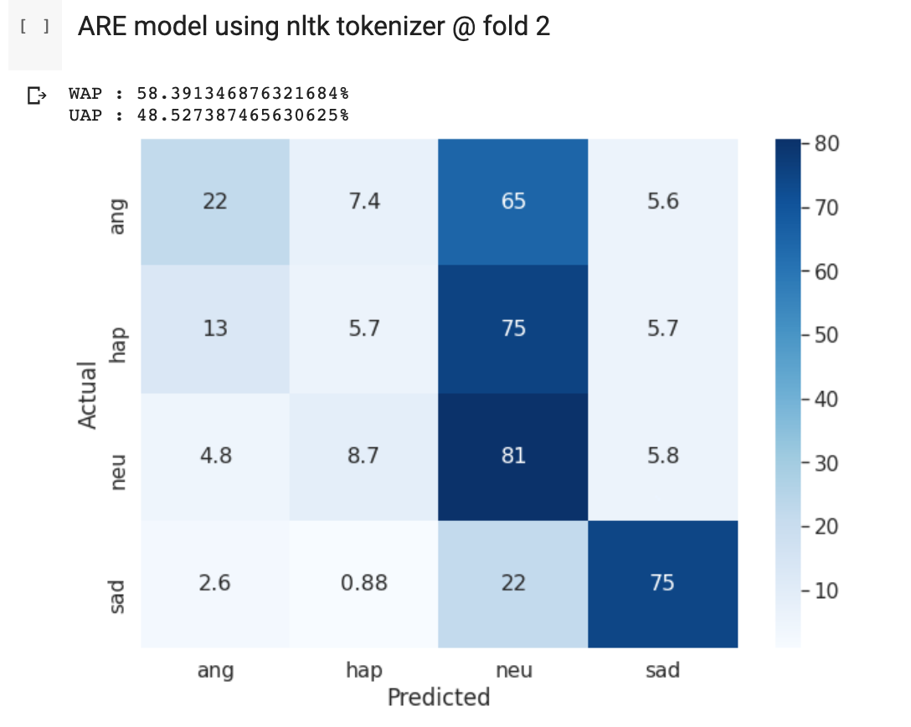
 | 3 | 61.25% | 53.94% | 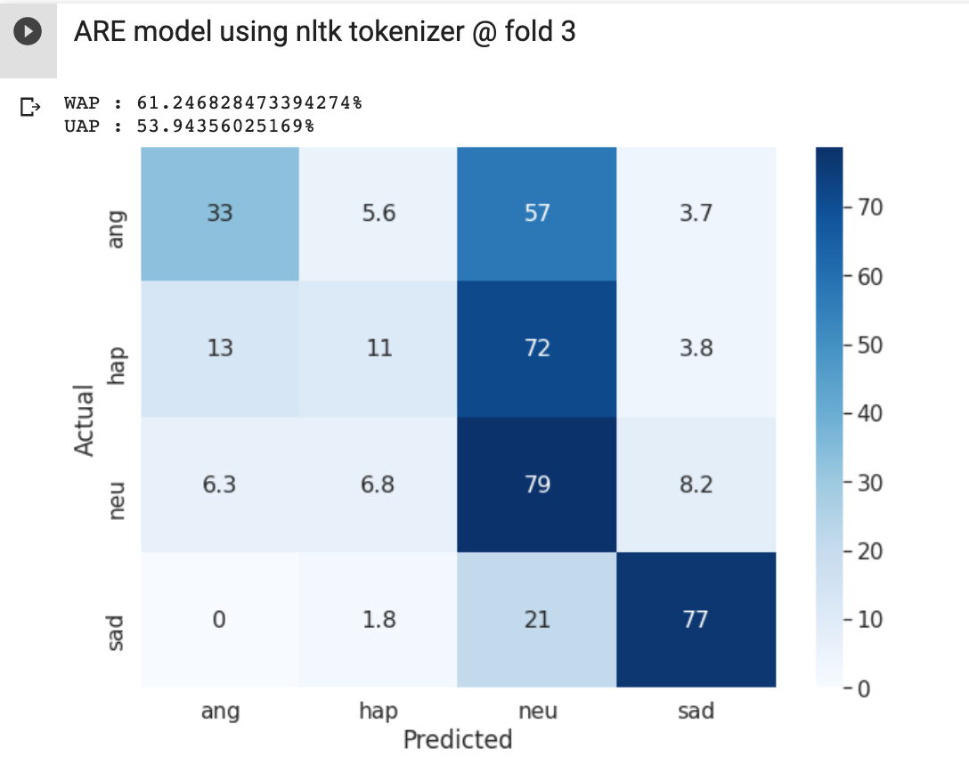
 | 4 | 58.43% | 50.28% | 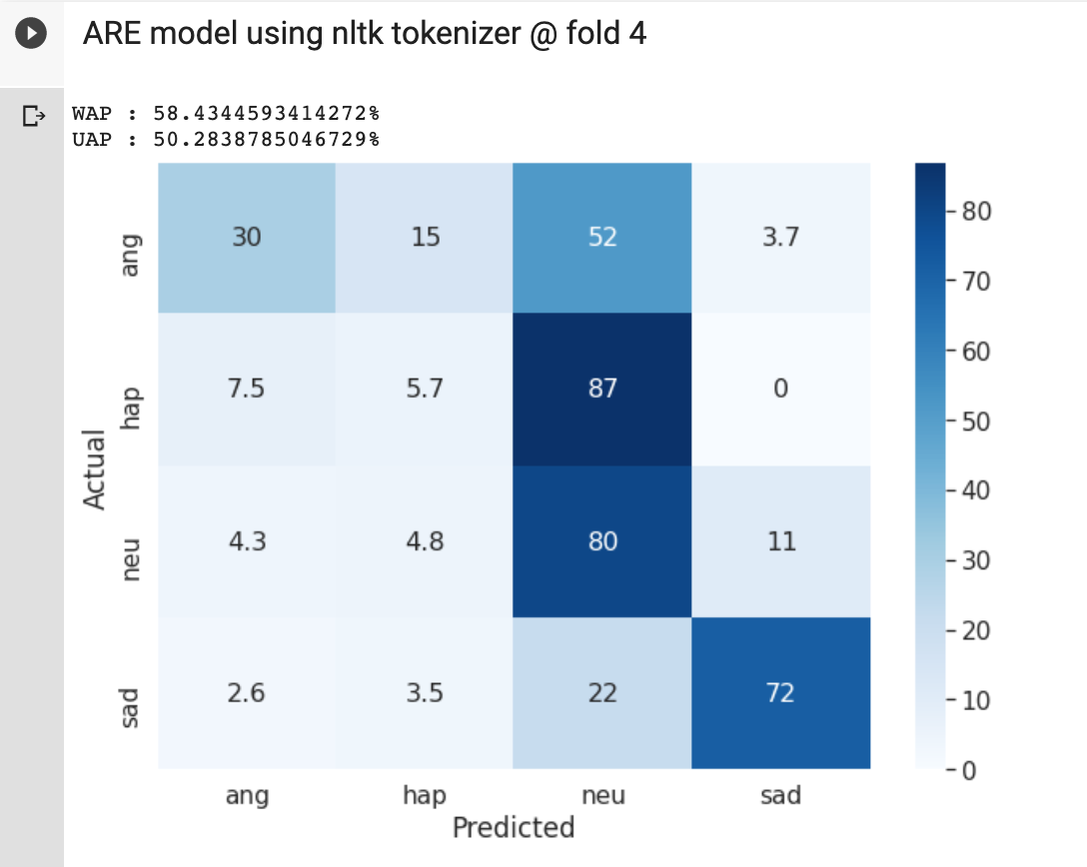
MDREA model(using nltk tokenizer) | 0
MDREA model(using nltk tokenizer) | 1
MDREA model(using nltk tokenizer) | 2
MDREA model(using nltk tokenizer) | 3
MDREA model(using nltk tokenizer) | 4

