Introduction
Book of Information - Volume 1
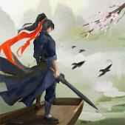
 |  |  | Welcome to the Book of Information!
 |  |  | Named after Gu Long's Sentimental Sword, Ruthless Sword series, aka Little Li Flying's Dagger and its "Book of Weapon".
 |  |  | https://www.novelupdates.com/series/sentimental-swordsman-ruthless-sword/
 |  |  | This Book (Spreadsheet/Excel) is for the game WuXia World by Dust Gaming
 |  |  | https://play.google.com/store/apps/details?id=com.dustglobal.googleplay.jianghu
 | Wuxia World!

 |  | This file constantly changing and new version get update on occasion, these changes can be review in the Version tab.
 |  | Any area with "Yellow" background you can customize and write your information in it, usually that will do a calculation or do a search.
 |  | Search result will appear in Green color.
 |  | Mean missing information. Please help provide.
 | Table of Contents
 | # | Chapters | Contents
 | 0 | Introduction | Prologue and Introduction to this spreadsheet.
 | 1 | Characters | Work in Progress at the moment, but it mean to do some character stimulation. And possibly list your skill & update stats.
 | 2 | Calculator | Calculator contain a few useful calculation. Many Input (yellow) box in here, use it to fit you.
 | 3 | FAQ and Tips | Contain some Frequent Asked Question and tips. Very useful for Newbie players and even the "Senior".
 | 4 | General | General table of many different thing; Rarity Colors, House and Land, Market Floor Level, Season & Weather, Sect Merit.
 | 5 | Arena | Arena (Gate of Might) - Work in progress and theorize but give you a general idea of picking the winner and it rewards.
 | 6 | Horse | Information on horses including horse name, statistic, rarity and horse book volume location.
 | 7 | Book | Important to collects book, these book are in-game guide. Also collecting them give good Internal Force speed
 | 9 | Craft | everything to do with crafting, Blacksmith, Tailor and Alchemy
 | 10 | Equipment | Equipment and item, so if you want to hunt for certain equipment or if these equipment is something you can replace.
 | 11 | Chest & Item | Item List of every items (hopefully) and what these opening these chest might contains.
 | 12 | Martial | It a table for Martial Art, including Perception requirement, fail rate after High Proficiency (Level 7) and your House's Tree.
 | 13 | Martial Art | Contain every single skill you can learn. You can use filter or use search for highlight. There many be incorrect detail in here so please share update. Column G (Learnt?) is a column you can to customize your characters, you can use it to keep track of your characters (please see the Comments in the headers. Unfortunately as I'm also using it, all these information are my skill. Future version will seperate it so that your information isn't overwritten.
 | 14 | Sect | Include Sect Forbidden Area, Entrance Training and Lecture Q&A
 | 15 | Pear Garden Music | Open at Jade Rotator (Tier 9), location to acquire Scholar Music's pages.
 | 16 | Junshan Wine | Junshan Wine Master's riddle and answer (work-in-progress).
 | 17 | Junshan Poem | Junshan Poet Master's idiom riddle and answer (work-in-progress).
 | 18 | Language Persian | Dictionary of the Language from the Persian people.
 | 19 | Language Korean | Dictionary of the Language from the Korean people.
 | 20 | Scholar Paint | Scholar and Chinese's Classical painting. Row ordered by style of: Civilian, Landscape and Mountain, Imperial Courts.
 | 21 | Scholar Caligraphy | Scholar and Chinese's Caligraphy. Row ordered by Biege??, Brown and Black pages.
 | 22 | Scholar Go | Scholar and Go (Chess). Ordered by top Row, Others and Left Column.
 | 23 | Scholar Music | Scholar and Music. Follow the tempo and read my musicical talentless interpretation or listen to the music on the channel.
 | 24 | Sect Treasure Hall | (work in progress, all chinese at the moment)
 | 25 | Version | Version of the Book of Volume (Excel Spreadsheet). Also contain link to few important location (Discord, File Download link)
 | 26 | Misc | Work in Progress or notes or miscellaneous information for those who seek death.

Arena
Gate of Might - Arena Guessing |  |  |  |  |  |  |  |  |  |  |  |  |  | F1 type | F2 type | W | L | Round
Level | Correct Comments | Rarity | House Requirement | Flower |  | Green Sword |  | Fire Blade |  |  |  |  |  | Agility | Cudgel | 0 | 1
1 | 3 | Green | Standard | 3 |  |  |  |  |  |  |  |  |  | Agility | Fist | 0 | 1
2 | 6 | Blue | Standard | 6 |  | Foot Agility |  | Blue Kick |  |  |  |  |  | Agility | Fist | 0 | 1
3 | 9 | Violet | Suite | 28 |  |  |  |  |  |  |  |  |  | Agility | Blade | 1 | 0
4 | 12 | Orange | Suite | 68 |  | Flying External |  | Teal Cudgel |  |  |  |  |  | Agility | Blade | 1 | 0
5 | 15 | Red? | Deluxe | 168 |  |  |  |  |  |  |  |  |  | Agility | Blade | 1 | 0
 |  |  |  |  |  | Yinyang Internal |  | Orange Fist |  |  |  |  |  | Agility | External | 1 | 0
 |  |  |  |  |  |  |  |  |  |  |  |  |  | Agility | External | 1 | 0
 |  |  |  |  |  | Violet Spear |  |  |  |  |  |  |  | Agility | Spear | 1 | 0
 |  |  |  |  |  |  |  |  |  |  |  |  |  | Agility | Sword | 1 | 0
 |  | (work in progress) |  |  |  |  |  |  |  |  |  |  |  | Agility | Kick | 1 |  | 4
 |  | Before 3 round Internal>>external>agility>=blade=spear=sword>=cudgel>fist>=kick |  |  |  |  |  |  |  |  |  |  |  | Blade | Cudgel | 0 | 1
 |  | 3 round to 6 round Internal>>external>>agility=spear>=blade>=sword>=cudgel=fist>>kick |  |  |  |  |  |  |  |  |  |  |  | Blade | Agility | 1 | 0
 |  | 6 round to 9 round Internal>external>>agility>=blade>=spear>=sword>=cudgel=fist>>kick |  |  |  |  |  |  |  |  |  |  |  | Blade | External | 1 | 0
 |  | 9 round to 12 round Internal>>>agility>>external>>blade=cudgel>>fist>sword=kick |  |  |  |  |  |  |  |  |  |  |  | Blade | Fist | 1 | 0
 |  | Max Affection/Heart to learn their skill |  |  |  |  |  |  |  |  |  |  |  | Blade | Kick | 1 | 0
 |  | Please note this is not always guarantee to be correct but it is a good general indicator. |  |  |  |  |  |  |  |  |  |  |  | Blade | Spear | 1 | 0
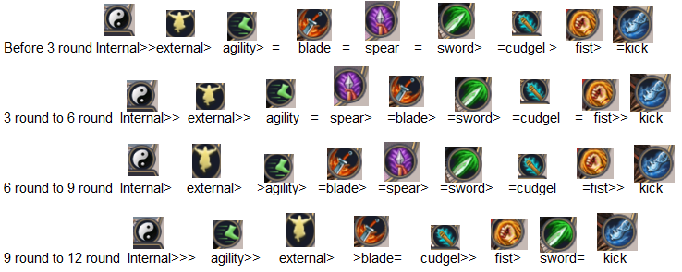
 |  |  |  |  |  |  |  |  |  |  |  |  |  | Blade | External | 0 | 1
 |  |  |  |  |  |  |  |  |  |  |  |  |  | Blade | Internal | 0 | 1
 |  |  |  |  |  |  |  |  |  |  |  |  |  | Blade | Internal | 0 | 1
 |  |  |  |  |  |  |  |  |  |  |  |  |  | Blade | External | 0 | 1 | 1
 |  |  |  |  |  |  |  |  |  |  |  |  |  | Cudgel | Agility | 1 | 0
 |  |  |  |  |  |  |  |  |  |  |  |  |  | Cudgel | Blade | 1 | 0
 |  |  |  |  |  |  |  |  |  |  |  |  |  | Cudgel | Fist | 1 | 0
 |  |  |  |  |  |  |  |  |  |  |  |  |  | Cudgel | Kick | 1 | 0
 |  |  |  |  |  |  |  |  |  |  |  |  |  | Cudgel | Spear | 1 | 0 | 4
 |  |  |  |  |  |  |  |  |  |  |  |  |  | Cudgel | Sword | 1 | 0
 |  |  |  |  |  |  |  |  |  |  |  |  |  | Cudgel | External | 0 | 1
 |  |  |  |  |  |  |  |  |  |  |  |  |  | Cudgel | External | 0 | 1 | 2
 |  |  |  |  |  |  |  |  |  |  |  |  |  | Cudgel | Internal | 0 | 1
 |  |  |  |  |  |  |  |  |  |  |  |  |  | Cudgel | Spear | 0 | 1
 |  |  |  |  |  |  |  |  |  |  |  |  |  | Cudgel | Internal | 0 | 1 | 2
 |  |  |  |  |  |  |  |  |  |  |  |  |  | External | Blade | 1 | 0
 |  |  |  |  |  |  |  |  |  |  |  |  |  | External | Sword | 1 | 0
 |  |  |  |  |  |  |  |  |  |  |  |  |  | External | Blade | 1 | 0 | 2
 |  | Sum of Field2 | Column Labels |  |  |  |  |  |  |  |  |  |  | External | Sword | 1 |  | 5
 |  | Row Labels | Agility | Blade | Blade? | Cudgel | External | Fist | Flying | Internal | Kick | Spear | Sword | External | Blade? | 0 | 1
 |  | Agility |  | 100% |  | 0% | 100% | 0% |  |  | 100% | 100% | 100% | External | Cudgel | 0 | 1
 |  | Blade | 100% |  |  | 0% | 33% | 100% |  | 0% | 100% | 100% |  | Fist | Internal | 1 | 0
 |  | Cudgel | 100% | 100% |  |  | 0% | 100% |  | 0% | 100% | 50% | 100% | Fist | Cudgel | 1 | 0 | 4
 |  | External |  | 100% | 0% | 0% |  |  |  |  |  |  | 100% | Fist | Agility | 0 | 1
 |  | Fist | 0% | 0% |  | 100% | 0% |  |  | 25% |  |  |  | Fist | Agility | 0 | 1
 |  | Internal | 100% |  |  | 100% | 100% | 100% | 100% |  | 100% | 50% | 50% | Fist | Agility | 0 | 1
 |  | Kick | 0% |  |  |  | 0% |  |  | 0% |  |  |  | Fist | Blade | 0 | 1
 |  | Sword |  | 0% |  |  | 0% | 0% | 0% | 0% | 100% | 100% |  | Fist | External | 0 | 1
 |  | Spear |  | 0% |  |  | 0% |  |  | 0% |  |  |  | Fist | External | 0 | 1
 |  |  |  |  |  |  |  |  |  |  |  |  |  | Fist | Internal | 0 | 1
 |  |  |  |  |  |  |  |  |  |  |  |  |  | Fist | Internal | 0 | 1
 |  |  |  |  |  |  |  |  |  |  |  |  |  | Fist | Internal | 0 | 1 | 6
 |  |  |  |  |  |  |  |  |  |  |  |  |  | Internal | Agility | 1 | 0
 |  |  |  |  |  |  |  |  |  |  |  |  |  | Internal | Agility | 1 | 0
 |  |  |  |  |  |  |  |  |  |  |  |  |  | Internal | Cudgel | 1 | 0
 |  |  |  |  |  |  |  |  |  |  |  |  |  | Internal | External | 1 | 0
 |  |  |  |  |  |  |  |  |  |  |  |  |  | Internal | Flying | 1 | 0
 |  |  |  |  |  |  |  |  |  |  |  |  |  | Internal | Spear | 1 | 1
 |  |  |  |  |  |  |  |  |  |  |  |  |  | Internal | Sword | 1 | 1
 |  |  |  |  |  |  |  |  |  |  |  |  |  | Internal | Sword | 1 | 1 | 1
 |  |  |  |  |  |  |  |  |  |  |  |  |  | Internal | Cudgel | 1 | 0 | 1
 |  |  |  |  |  |  |  |  |  |  |  |  |  | Internal | Kick | 1 | 0 | 3
 |  |  |  |  |  |  |  |  |  |  |  |  |  | Internal | Kick | 1 | 0 | 1
 |  |  |  |  |  |  |  |  |  |  |  |  |  | Internal | Fist | 1 | 0 | 3
 |  |  |  |  |  |  |  |  |  |  |  |  |  | Kick | Agility | 0 | 1
 |  |  |  |  |  |  |  |  |  |  |  |  |  | Kick | External | 0 | 1
 |  |  |  |  |  |  |  |  |  |  |  |  |  | Kick | Internal | 0 | 1 | 2
 |  |  |  |  |  |  |  |  |  |  |  |  |  | Kick | External | 0 | 1 | 3
 |  |  |  |  |  |  |  |  |  |  |  |  |  | Spear | External | 0 | 1
 |  |  |  |  |  |  |  |  |  |  |  |  |  | Spear | External | 0 | 1
 |  |  |  |  |  |  |  |  |  |  |  |  |  | Spear | External | 0 | 1
 |  |  |  |  |  |  |  |  |  |  |  |  |  | Spear | Internal | 0 | 1
 |  |  |  |  |  |  |  |  |  |  |  |  |  | Spear | Blade | 0 | 1 | 4
 |  |  |  |  |  |  |  |  |  |  |  |  |  | Spear | Internal | 0 | 1 | 1
 |  |  |  |  |  |  |  |  |  |  |  |  |  | Sword | Kick | 1 | 0
 |  |  |  |  |  |  |  |  |  |  |  |  |  | Sword | Spear | 1 | 0
 |  |  |  |  |  |  |  |  |  |  |  |  |  | Sword | Blade | 0 | 1
 |  |  |  |  |  |  |  |  |  |  |  |  |  | Sword | External | 0 | 1
 |  |  |  |  |  |  |  |  |  |  |  |  |  | Sword | External | 0 | 1 | 3
 |  |  |  |  |  |  |  |  |  |  |  |  |  | Sword | Flying | 0 | 1
 |  |  |  |  |  |  |  |  |  |  |  |  |  | Sword | Internal | 0 | 1 | 3
 |  |  |  |  |  |  |  |  |  |  |  |  |  | Sword | Fist | 0 | 1 | 1
 |  |  |  |  |  |  |  |  |  |  |  |  |  | Sword | Blade | 0 | 1 | 2
 |  |  |  |  |  |  |  |  |  |  |  |  |  | Agility | Spear |  |  | 2

Pear Garden Music
Fake | Correct
 |  |  | Go to Pear Garden. Need to be Jade Rotator for this (Tier 9 Cultivation)
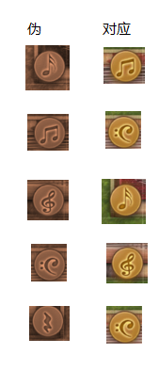
 |  |  | How to play? Follow the orange note that the Musician show, if you see red note background then you must choose the correct orange note
 |  |  |  | Volume of Content
 |  |  |  | # | Chapters
 |  |  |  | 0 | Introduction
 |  |  |  | 1 | Characters
 |  |  |  | 2 | Calculator
 |  |  |  | 3 | FAQ and Tips
 |  |  |  | 4 | General
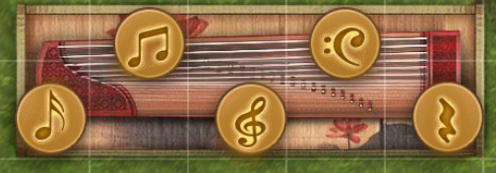
 |  |  |  | 5 | Arena
 |  |  |  | 6 | Horse
 |  |  |  | 7 | Book
 |  |  |  | 9 | Craft
 |  |  |  | 10 | Equipment
 |  |  |  | 11 | Chest & Item
 |  |  |  | 12 | Martial
 |  |  |  | 13 | Martial Art
 |  |  |  | 14 | Sect
 |  |  |  | 15 | Pear Garden Music
 |  |  |  | 16 | Junshan Wine
 |  | Sanyi | Guang Lingsan (Green) | 17 | Junshan Poem
 |  | Dilong | Tian Pingpu (Blue) | 18 | Language Persian
 | 15 Melody | Tiansheng | Dunhuang Yuepu (Violet) - 8-14 pages (12-14 if no mistake) | 19 | Language Korean
 |  |  |  | 20 | Scholar Paint
 |  |  |  | 21 | Scholar Caligraphy
 |  |  |  | 22 | Scholar Go
 |  |  |  | 23 | Scholar Music
 |  |  |  | 24 | Sect Treasure Hall
 |  |  |  | 25 | Version
 |  |  |  | 26 | Misc

Scholar Paint
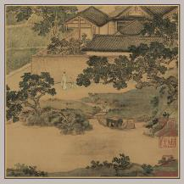
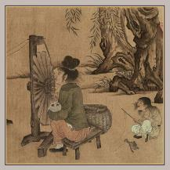
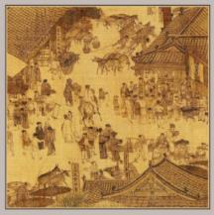
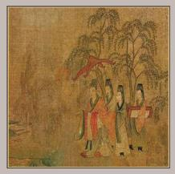
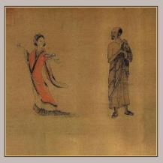
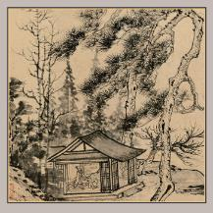
 |  |  |  |  |  | Volume of Content
 |  |  |  |  |  | # | Chapters
 |  |  |  |  |  | 1 | Characters
 |  |  |  |  |  | 2 | Calculator
 |  |  |  |  |  | 3 | FAQ and Tips
 |  |  |  |  |  | 4 | General Table
 |  |  |  |  |  | 5 | FAQ and Tips
 |  |  |  |  |  | 6 | General Table
 |  |  |  |  |  | 7 | Horse & Skill Table
 |  |  |  |  |  | 8 | Martial Table
 |  |  |  |  |  | 9 | Craft
Lianxi YuYin | 紡車圖 Fangche | QingMing ShangHe | Luoshen Fu | TianNu XianHua | ZhuXi CaoTang | 10 | Junshan Wine
 |  |  |  |  |  | 11 | Junshan Poem
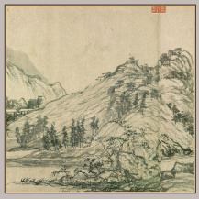
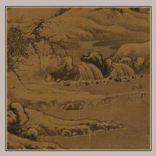
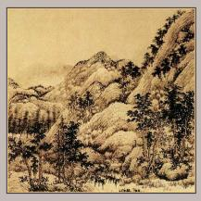
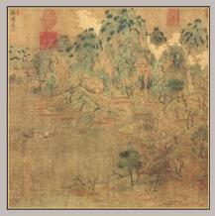
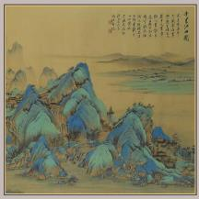
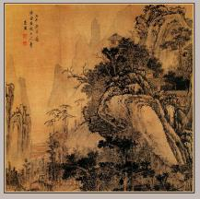
 |  |  |  |  |  | 12 | Language Persian
 |  |  |  |  |  | 13 | Language Korean
 |  |  |  |  |  | 14 | Scholar Paint
 |  |  |  |  |  | 15 | Scholar Caligraphy
 |  |  |  |  |  | 16 | Scholar Music
 |  |  |  |  |  | 17 | Sect Treasure Hall
 |  |  |  |  |  | 18 | Version
 |  |  |  |  |  | 19 | Misc

Fuchun Shanju | Guoxi XueShanXingLu | Chunshan Qingji | Youchun | 千里江山圖 Qianli Jiangshan | 春山秀色圖 Chunshan Xiuse
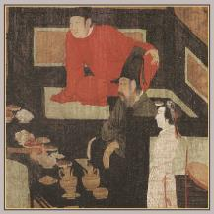
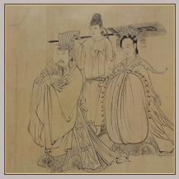
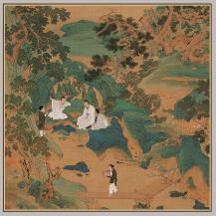
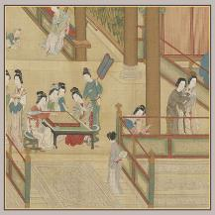

Songzi Tiangwang | Hanxizai Yeyan | Taoyuan Tu | Hanggong Chunxiao Tu

Scholar Caligraphy
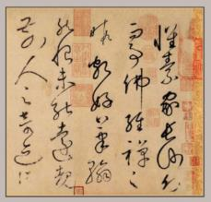
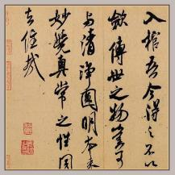
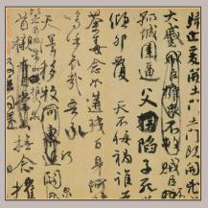
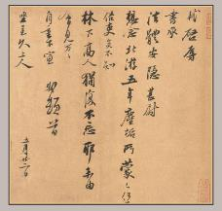
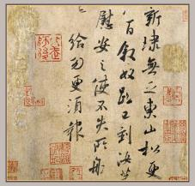
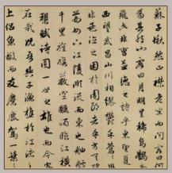
 |  |  |  |  |  | Volume of Content
 |  |  |  |  |  | # | Chapters
 |  |  |  |  |  | 1 | Characters
 |  |  |  |  |  | 2 | Calculator
 |  |  |  |  |  | 3 | FAQ and Tips
 |  |  |  |  |  | 4 | General Table
 |  |  |  |  |  | 5 | FAQ and Tips
 |  |  |  |  |  | 6 | General Table
 |  |  |  |  |  | 7 | Horse & Skill Table
 |  |  |  |  |  | 8 | Martial Table
 |  |  |  |  |  | 9 | Craft
 |  |  |  |  |  | 10 | Junshan Wine
Zìxù tiē | Xiāng shí tiē | Jì zhí wéngǎo | Běi yóu tiē | Dōngshān tiē | Qiánhòu chìbì fù | 11 | Junshan Poem
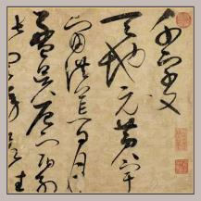
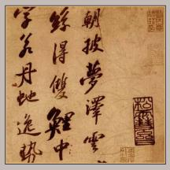
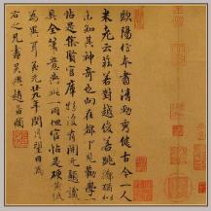
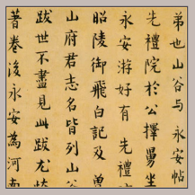
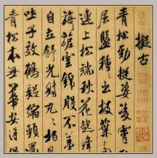
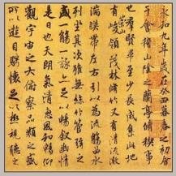
 |  |  |  |  |  | 12 | Language Persian
 |  |  |  |  |  | 13 | Language Korean
 |  |  |  |  |  | 14 | Scholar Paint
 |  |  |  |  |  | 15 | Scholar Caligraphy
 |  |  |  |  |  | 16 | Scholar Music
 |  |  |  |  |  | 17 | Sect Treasure Hall
 |  |  |  |  |  | 18 | Version
 |  |  |  |  |  | 19 | Misc

Cǎoshū qiān zì wén | Lǐbái xiān shī juǎn | Zhòng ní mèng diàn tiē | Huáng zhōu hánshí tiē | Shǔ sù tiē | Lántíng jixù
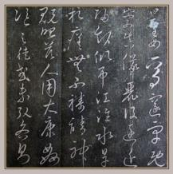
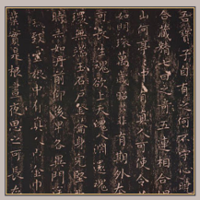
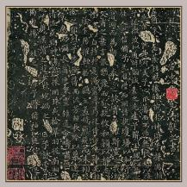
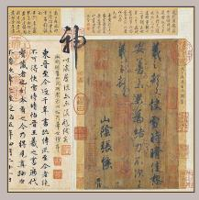

Dai 槟堂 Hōjō | Huángtíngjīng | Luòshén fù shísān xíng | Kuài xuě shí qíng tiē

Scholar Go
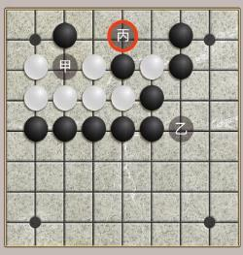
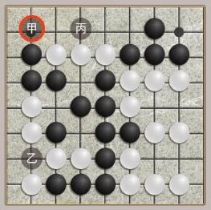
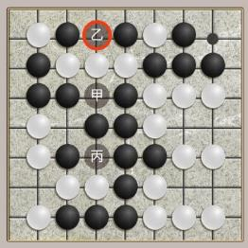
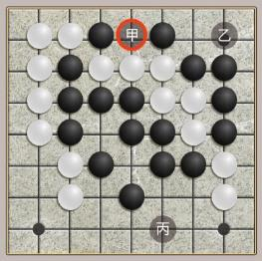
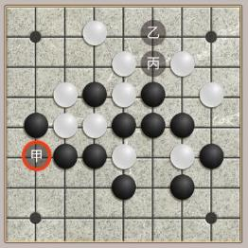
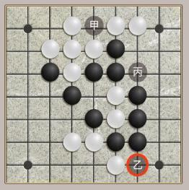

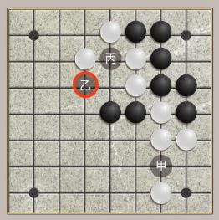
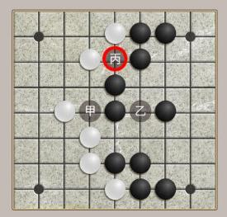
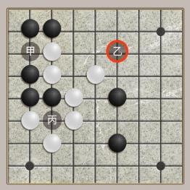
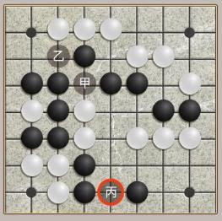
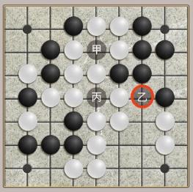

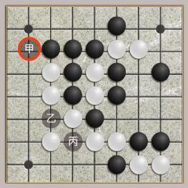
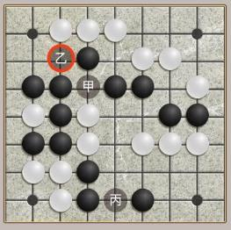
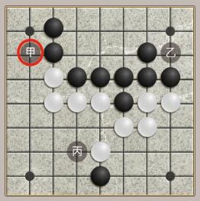



Scholar Music

Tips: Look at the 3 option, listen to the 3 piece of music. Pick your poison
English | Meaning | Chinese | Audio | Note
CangHaiYiShengXiao | A laugh | 滄海一聲笑 | https://youtu.be/AOfC6A3rhhw
ChunJiangHuaYueYe | Chunjiang Huayueye | 春江花月夜 | https://youtu.be/d_fy6J8EtDE
ErQuanYingYue | Erquan Yingyue | 二泉映月 | https://youtu.be/emjZ1lvHRAU | Fast fingering then suddenly pulling music
Gāoshānliúshuǐ | Mountain stream | 高山流水 | https://youtu.be/1XaVdKfA-O4
GuangLingSan | Guangling San | 廣陵散 | https://youtu.be/GsEU3LUi73c
KongQueDongNanFei | Peacock flying southeast | 孔雀東南飛 | https://youtu.be/naODmBfJqhc
LiangZhu | Liang Zhu | 梁祝 | https://youtu.be/2fiAP4wRuic | Christmas cherry then slow melody of pulling
MangJiangHong | Man Jianghong | 滿江紅 | https://youtu.be/g2zrDHvl2EQ | Trumpet and cynabal smash together
Pingsha Luoyan | Pingsha Luoyan | 平沙落雁 | https://youtu.be/T2VBjw_hq4I | String puck ting… tu… ting… tua...
QiuJiangYeBo | Qiujiang Yebo | 秋江夜泊 | https://youtu.be/U6Ls6TnWoFk | Plucking a funeral song, so sad
ShiMianMaiFu | Ambush | 十面埋伏 | https://youtu.be/dI7Qo5aaf-A | Drum beat interval
Yángchūnbáixuě | Yangchun Baixue | 陽春白雪 | https://youtu.be/hMToVHUKv7E
YuZhouChangWan | Fishing boat singing night | 漁舟唱晚 | https://youtu.be/QI7Zj7ntpvA
Zhāojūn chū zhài | Zhaojun comes out of the village | 昭君出寨 | https://youtu.be/cx3ksqe8EeQ | Ting ting ting tang tang tang sneaky out
ZheGuFei | Partridge flying | 鷓鴣飛 | https://youtu.be/2CYvrRcpUKU

