EE
Energy Efficiency (150 Points)
Credit Number | Parameters | Maximum Credit Points Allocated |  | Self Assessment points | Actual Performance | Requirement
Instruction | Energy Mix and Energy Flow Diagram |  |  |  |  | The unit has to provide - - Energy mix consisting of a pie chart showing the percentage and actual average consumption of thermal and electrical energy per month - Energy flow diagram showing thermal and electrical energy flow in the plant including various sources of energy
EE Mandatory Requirement 1 | Energy Policy |  |  |  |  | An energy policy, duly signed by the head of the unit / facility or head of the organization, indicating - - Clearly defined objective and commitment to systematically reduce energy consumption and to improve energy efficiency - Targets for annual percentage reduction in energy consumption in short & long term
EE Mandatory Requirement 2 | Energy Management Cell & Energy Manager |  |  |  |  | The energy management team should preferably - - Be a cross functional team (representatives from various departments such as operation, mechanical maintenance, electrical, instrumentation etc.) - Have clear responsibilities for improving energy efficiency in the plant - Be headed by full/part time energy manager directly reporting to the head of the plant
EE Credit 1 | Leadership and Strategy | 20
EE Credit 1.1 | Target Setting |  | 10
 | Defined process of target setting |  | 5 |  |  | Highlight the methodology defined and used for setting the targets. The process of target setting should be well defined in the terms of logic behind setting of each targets.
 | Target Setting |  | 5 |  |  | Set specific targets for reduction in specific energy consumption, separately for electrical energy and thermal energy, in addition to the overall target. Targets can be set in terms of internal or national or international benchmarking.
EE Credit 1.2 | Financial Resource Allocation - Spent Vs Allocated |  | 5 |  |  | The plant should commit upfront financial resource to minimize the gestation period between the identification of the energy efficiency improvement projects and their implementation. To facilitate speedy implementation of projects, upfront allocation of financial resource can be done. The plant team has to be empowered to make use of the allocated resources with specific guidelines on investment / ROI / payback period. 1. Provide approved budget for energy efficiency projects. This can be shown as a note sheet/letter of commitment from the top management or dedicated budget head in ERP systems 2. Details of the budget allocated vs budget spent on energy efficiency projects until now in the current and past two financial years.
EE Credit 1.3 | Monthly reviews pertaining to Energy Efficiency |  | 5 |  |  | The specific energy consumption must be presented and compared with previous month's performance and the respective target SEC. The meeting should be headed by the plant head. In addition to SEC, the progress of various projects identified under energy efficiency and the budget spent must be reviewed.
EE Credit 2 | Employee Involvement & Capacity Building | 15
EE Credit 2.1 | Strategies adopted for awareness creation & employee involvement |  | 5 |  |  | Programs and initiatives taken by the plant team for employee involvement such as poster competitions, display of slogans, energy conservation week, incentives based on suggestion schemes arising out of kaizens, etc. should be carried out 1. Documentation of programs conducted for employee involvement and awareness creation for employees (specific to energy efficiency) 2. List of suggestions which were provided by the employees and the cost-benefit analysis of each suggestion 3. List of suggestions implemented, incentive/award/recognition given to the employees, etc.
EE Credit 2.2 | Training program, at least once in a year |  | 5 |  |  | Specific training programs should be conducted for employees to build capacities to contribute toward energy efficiency activities, which can include - - identification of training needs of employees and provide required training - impart advanced training to all the employees who are directly involved in identification & implementation of encon projects and members of encon cell - identification of best practices in energy efficiency, both cross sector and intra sector - industry visits to learn and understand best practices - encourage employees to attempt for energy auditor/energy manager or similar courses
EE Credit 2.3 | Energy scorecard |  | 5 |  |  | Energy Score card is a process of considering energy performance of the plant section as one of the criteria while appraising the performance of the plant personnel. This is applicable for plant personnel such as Energy managers, operation and maintenance engineers, operators where high manual intervention is required, who can make impact on energy efficiency of the plant.
EE Credit 3 | Energy Monitoring System | 20
EE Credit 3.1 | Energy monitoring for equipment (Electrical & thermal) having >= 10% of total energy consumption |  | 5 |  |  | Install energy monitoring system and monitor both electrical & thermal energy consumption at the supply and user ends. Balance the energy supply with the consumption at the individual user ends and generate a daily report for analysis. The monitoring must be done daily in standard formats and the reasons for variations, if any, must be recorded. Highlight - 1. The percentage of overall average monthly energy consumption of all the major energy consumers (until 10% of the total energy consumption) 2. Daily monitoring sheets of energy consumer vs average energy consumption
 | Energy monitoring for equipment (Electrical & thermal) having >= 5% of total energy consumption |  | 5
EE Credit 3.2 | Daily variance analysis |  | 5 |  |  | Analyze the daily report and note any increase or decrease in energy consumption. Document the reasons for increase or decrease in energy consumption, for every +/- 10 % of variation from average daily consumption. For decrease, if there is no reason, then the new low will be taken as benchmark for target setting in the previous credit.
EE Credit 3.3 | Corrective Action Taken |  | 5 |  |  | The corrective action taken to address the variance in energy consumption should be documented. The status of projects and the benefits gained must also be presented
EE Credit 4 | Reduction in SEC in the past 3 years | 50
 | Reduction in SEC in the past 3 years |  | 50 |  |  | Highlight the specific energy consumption of the unit on a daily, monthly and yearly basis, for the past three years - Specific electrical energy consumption and specific thermal energy consumption data - Note: In case of new plants without three years' data, atleast two years data should be provided - Fixed or variable energy classification and monitoring for thermal and electrical energy - Projects implemented for reduction of SEC in the past 3 years along with the percentage impact of each project on reduction of SEC Note: Points will be allocated as per the percentage reduction achieved in the past three years, as per the table given below
 | Note: In case, the unit has achieved its best performance figures (e.g. one of the lowest SEC at National level) and hence is not able to demonstrate high percentage reduction, the unit is eligible for maximum points under this credit
EE Credit 5 | Equipment Wise Efficiency Improvement | 25
 | Equipment wise efficiency monitoring and improvement |  | 25 |  |  | Performance evaluation of the energy intensive equipment need to be carried out and recorded. The equipment accounting for major consumption i.e. 80% of the total energy consumption of the plant needs to be considered for performance evaluation, supported with - - Consumption details of energy intensive equipment i.e. equipment consuming 80% of the total energy consumption in the plant - Performance evaluation of at least top five energy consuming equipment. e.g. furnace efficiency, kW/CFM of Air compressors, kW/TR of ACs etc.) to be periodically monitored. - Display of major equipment (having more than 5% of the plant’s consumption) (such as air compressors, furnaces etc.) must have a display of shift wise energy consumed and all operators on shift Note: The points will be allocated based on the deviation of the present efficiency of the equipment from the design efficiency or the best efficiency of the equipment available in the market
EE Credit 6 | Benchmarking with World Class Performance | 20
EE Credit 6.1 | Process wise benchmark |  |  |  |  | Process benchmarking data needs to be compared both internally and sector wise, or. Benchmarking audit for all major energy consuming equipment to be conducted
 | Process of production is among top 10 best processes of production OR Conducted benchmarking audit for all major energy consuming equipment |  | 5 |  |  | Provide - Internal Benchmarking report and recommendations for all major energy consuming equipment or Process audit report and process benchmarking data denoting that the processes followed in the plant are among top 10 in the world
 | At least 50% of the energy intensive equipment used in the factory is of best available market efficiency |  | 5 |  |  | Highlight the comparison of the equipment in the plant against the top 5 efficient equipment in the market from a verified source
EE Credit 6.2 | National/ International SEC benchmark |  |  |  |  | The SEC of the plant must be among the top benchmarks at national and international level
 | Among top 10 Units / Top 10% of the units at national level (National - Won any Energy Awards by premier institutions such as Govt of India, CII, IEA, BEE etc. : 2 points) |  | 5 |  |  | Provide - Comparison from a verified source denoting the SEC ranking of the plant among other plants in the sector, nationwide or Award certificate awarded for best energy performance or similar from a reputed body
 | Among top 10 units / Top 10% of the units at international level |  | 5 |  |  | Highlight the comparison from a verified source denoting the global ranking in SEC of the plant among other plants in the sector
 | Total | 150 |  | 0 | 0

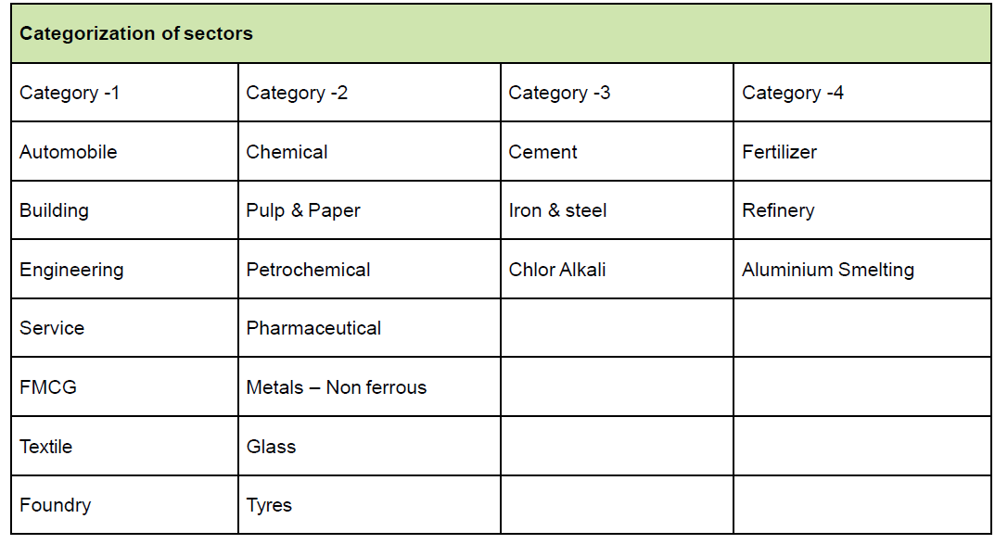
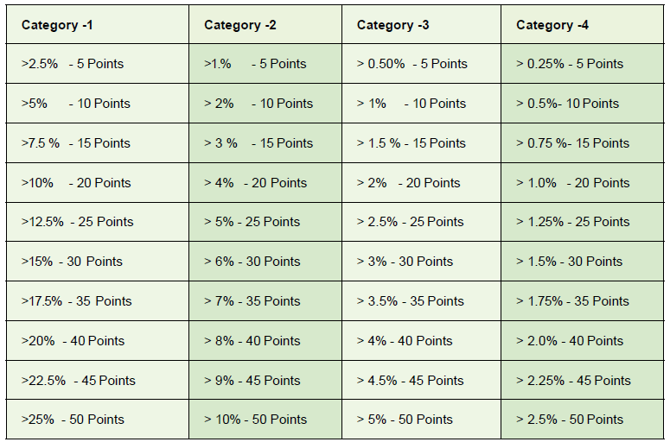
*Categorization of Sectors for Credit 4

WM
Waste Management (Max:100 Points)
Credit Number | Parameters | Maximum Credit Points Allocated |  | Self Assessment points | Actual Performance | Requirement
WM Mandatory Requirement 1 | Waste Management Policy |  |  |  |  | The waste management policy provides direction for all waste management activities in the company. A unit can have a policy exclusively for waste management or it can be a part of environment / sustainability policy that is signed by the Chief Executive of the company or unit head. It will form the basis upon which the unit can set its short and long term objectives and targets. This policy should be shared with all employees.
WM Mandatory Requirement 2 | Inventorization for Hazardous and Non-Hazardous Waste |  |  |  |  | 1. All types of hazardous and non-hazardous wastes (inclusive of e-waste) should be quantified at each stage of waste management highlighting quantity and source of waste - generation - recycle/reuse - treatment - disposal 2. Total hazardous & non-hazardous waste disposed off in the last three years. Under disposal mechanism, explain if waste generated is recycled, reused after treatment, sold to third party or sent to landfill. Also explain the percentage of waste that is recycled or reused.
WM Credit 1 | Leadership & Strategy | 10
WM Credit 1.1 | Short term & long term targets |  | 5 |  |  | The unit should have short and long term targets for reduction in waste disposal. Short term targets should be complied within 1-2 years period, medium term with 2 - 3 years, while long term targets can go beyond 3 years. The targets for reduction should be in terms of specific waste generation (waste / unit weight or volume of product) for all kind of wastes.
WM Credit 1.2 | Action plan and resource allocation |  | 5 |  |  | Top management should ensure availability of appropriate resources (financial, infrastructural, technological, manpower etc.) , for effective implementation of waste management system The performance of the waste management system should be reviewed on a monthly basis by Environment Management Cell & Unit head.
WM Credit 2 | Employee Involvement & Capacity Building | 10
WM Credit 2.1 | Awareness creation and employee involvement |  | 5 |  |  | Programs and initiatives taken by the plant team for employee involvement such as poster competitions, display of slogans, world environment day celebrations, incentives based on suggestion schemes arising out of kaizens, etc. should be carried out 1. Documentation of programs conducted for employee involvement and awareness creation for employees (specific to waste management) 2. List of suggestions which were provided by the employees and the cost-benefit analysis of each suggestion 3. List of suggestions implemented, incentive/award/recognition given to the employees, etc.
WM Credit 2.2 | Training programs and capacity building |  | 5 |  |  | Specific training programs should be conducted for employees to build capacities to contribute toward waste management activities, which can include - - identification of training needs of employees and provide required training - impart training to all the employees over a span of two years - identification of best practices in waste management, both cross sector and intra sector - industry visits to learn and understand best practices
WM Credit 3 | Waste Management System | 10
WM Credit 3.1 | Waste collection, segregation, internal transport & handling, storage and disposal mechanism |  | 5 |  |  | 1. The waste management systems such as SOP's, waste path and clearance frequencies shall be analyzed as per the requirements. The renewed SOP's and clearance frequencies shall be submitted 2. Similarly, the equipment for waste management such as bins, trucks, compactors, ETP/STP must be maintained as per maintenance schedules provided by the OEM. Provide details for maintenance of equipment for waste management as above 3. Waste management yard must have demarcated storage for hazardous waste and secondary containment for handling liquid spillage
WM Credit 3.2 | Audit of authorized recyclers |  | 5 |  |  | The recyclers to whom the waste is given for recycling shall be audited at least annually to confirm that the waste supplied from the client is processed in an environmentally-cautious manner. The audit reports of the recyclers shall be provided for analysis
WM Credit 4 | Solid Waste Management | 25
WM Credit 4.1 | Hazardous Waste Management |  | 10
 | Option 1 - Reduction in hazardous waste disposal |  |  |  |  | Highlight the specific waste disposal (hazardous waste) of the unit on a daily, monthly and yearly basis, for the past three years - Overall percentage of reduction of the hazardous waste disposal - Projects implemented for reduction of specific waste disposal in the past 3 years Reduction in specific waste generation from process / operation, through (a) change in process / operation / raw material, (b) increase in-house recycle/ reuse, (c ) yield improvement etc.
 | ≥ 25% reduction in specific waste disposal (5 points)
 | ≥ 40% reduction in specific waste disposal (10 points)
 | Option 2 - Usage of waste as alternate fuel/raw material |  |  |  |  | The unit can use the waste generated either as alternate fuel / raw material within the facility or by sending to other industries
 | Usage of more than 50% of waste disposed as alternate fuel / raw material (5 points)
 | Usage of more than 80% of waste disposed as alternate fuel / raw material (10 points)
WM Credit 4.2 | Non-Hazardous Waste Management |  | 10
 | ≥ 25% reduction in (absolute) waste generation in non-hazardous waste (5 points) |  | 5 10 |  |  | Highlight the waste generation (non-hazardous) of the unit on a daily, monthly and yearly basis, for the past three years - Overall percentage of reduction of the non-hazardous waste generation - Projects implemented for reduction of waste generation in the last three years through a) change in process / operation / raw material, b) increase in-house recycle/ reuse, c) yield improvement, etc.
 | ≥ 40% reduction in (absolute) waste generation in non-hazardous waste (10 points)
WM Credit 4.3 | Zero waste to landfill |  | 5 |  |  | The organization should aim to achieve "Zero Waste Landfill" status for both hazardous and non hazardous waste. Proper evidence or internal audit report for the claim of Zero Waste to Landfill should be submitted. The unit management must also pay attention to the waste generated at the recycler's end.
WM Credit 5 | Liquid Waste Management | 25
WM Credit 5.1 | Percentage reduction in process effluent discharge |  | 15
 | Reduction of process effluent generation |  | 10 |  |  | 1. Percentage reduction in process effluent discharge during the last three years 2. The unit should meet the conditions prescribed by SPCB or relevant local authorities
 | ≥ 25% reduction (5 points)
 | ≥ 40% reduction/zero effluent discharge (10 points)
 | ≥ 25% recycling of process effluent in process applications |  | 5 |  |  | 1. Percentage of process effluent recycled back into process applications
WM Credit 5.2 | Percentage reduction in domestic / sewage waste generation |  | 10
 | ≥ 25% reduction of sewage waste generation / Zero liquid discharge |  | 5 |  |  | 1. Percentage reduction in sewage waste generation during the last three years 2. The unit should meet the conditions prescribed by SPCB or relevant local authorities
 | 100% recycling of sewage waste for process / domestic application |  | 5 |  |  | 1. 100% recycling of sewage waste water has to be reused in process / domestic applications in the last three years 2. More weightage will be given for process requirement substitution in addition to gardening
WM Credit 6 | Gaseous Waste Management | 20
WM Credit 6.1* | Air quality |  | 15 |  |  | Air emissions shall consist of 2 parameters - 1. Stack: All point sources with a stack to extract the pollutants 2. Ambient/Fugitive: The emissions coming out from processes as general or from other small equipment. Fugitive emissions are not extracted from stack. Hence, ambient air quality is measured. Note: Depending upon the category of the industry in the table below, the points for ambient and stack monitoring shall be arrived at
WM Credit 6.2 | Air pollution control technologies & best practices |  | 5
 | Total | 100 |  | 0 | 0

*WM Credit 6.1 - Categorization of Industries for Air Quality |  | Credit Distribution
 |  | Ambient & workplace emission | Stack |  |  | Indicative list of Pollutants to be checked
Category 1 | High Stack emissions , low fugitive emissions (CPCB Mandated CEMS industry) | 5 | 10 |  |  | Stack Monitoring - SOx, NOx, TPM, VOC (primary pollutants only) & additional as per CPCB/SPCB requirements
Category 2 | Low stack emissions, high fugitive emission (other red category) | 10 | 5 |  |  | Ambient Air monitoring:- Sox, NOx, TPM, VOC. Depending on the processes in the industry, the applicable secondary pollutants shall be monitored. Note: Sampling to be conducted per National Ambient Air Quality Standards (NAAQS)
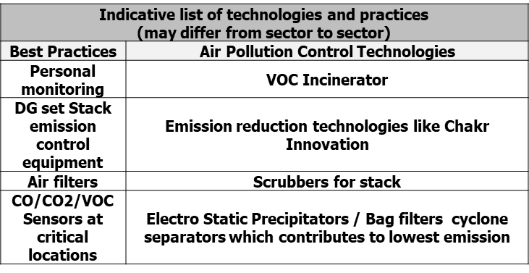
Category 3 | Mixed emissions (orange category) | 7 | 8

Standard |  | Points
Stack Monitoring | Stack height at least 10% above requirement (stack height calculation) | 30%
 | Stack air quality at least 30% better than CPCB guidelines. | 70%
 | Note: Max points will be awarded for maintaining international norms
Ambient Monitoring | Ambient air quality monitoring as per NAAAQ standards | 30%
 | Work place monitoring (including fugitive emissions) | 70%
Note: Ambient air and work place include both the outside air and the shop floor. Please see concept of Air shed for more information

