Dashboard
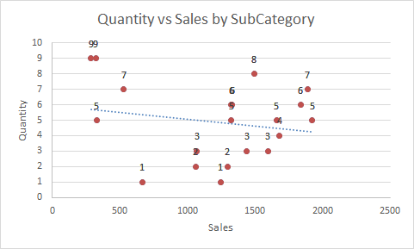
Sales Distribution by Region and Category
 | Furniture | Office Supplies | Technology
East | 1323 | 1659 | 1596
North | 4472 | 5797 | 530
South | 1438 | 1071 | 2283
West | 1887 | 1924 | 321
Sales by Region
 | East | North | South | West
Total | 4578 | 10799 | 4792 | 4132
Sales vs Profit by Region
 | Sum of Sales | Sum of Profit
East | 4578 | -88
North | 10799 | 1543
South | 4792 | 360
West | 4132 | 541
Sales Trend by OrderDate
 | Total
Jan | 4045
Feb | 1494
Mar | 2625
Apr | 3168
May | 2825
Jun | 1968
Jul | 1969
Aug | 2919
Sep | 2958
Oct | 330

Chart Profit by Category
 | Binders | Chairs | Laptops | Paper | Phones | Tables
Total | 439 | 12 | 145 | 935 | 92 | 733
% of Sales by Category
 | Total
Furniture | 37.53%
Office Supplies | 43.01%
Technology | 19.46%
Top 5 SubCategories by Profit
 | Total
Binders | 439
Laptops | 145
Paper | 935
Phones | 92
Tables | 733

Sales Distribution by Region an
Sum of Sales | Column Labels
Row Labels | Furniture | Office Supplies | Technology | Grand Total
East | 1323 | 1659 | 1596 | 4578
North | 4472 | 5797 | 530 | 10799
South | 1438 | 1071 | 2283 | 4792
West | 1887 | 1924 | 321 | 4132
Grand Total | 9120 | 10451 | 4730 | 24301
Sales Distribution by Region and Category

Sales by Region
 | Column Labels
 | East | North | South | West | Grand Total
Sum of Sales | 4578 | 10799 | 4792 | 4132 | 24301
Sales by Region

Profit by Category
 | Column Labels
 | Binders | Chairs | Laptops | Paper | Phones | Tables | Grand Total
Sum of Profit | 439 | 12 | 145 | 935 | 92 | 733 | 2356
Chart Profit by Category

% of Sales by Category
Row Labels | Sum of Sales
Furniture | 37.53%
Office Supplies | 43.01%
Technology | 19.46%
Grand Total | 100.00%
% of Sales by Category

Sales vs Profit by Region
Row Labels | Sum of Sales | Sum of Profit
East | 4578 | -88
North | 10799 | 1543
South | 4792 | 360
West | 4132 | 541
Grand Total | 24301 | 2356
Sales vs Profit by Region

Top 5 SubCategories by Profit
Top 5 SubCategories by Profit
Row Labels | Sum of Profit
Binders | 439
Laptops | 145
Paper | 935
Phones | 92
Tables | 733
Grand Total | 2344

Sales Trend by OrderDate
Sales Trend by OrderDate
Row Labels | Sum of Sales
Jan | 4045
Feb | 1494
Mar | 2625
Apr | 3168
May | 2825
Jun | 1968
Jul | 1969
Aug | 2919
Sep | 2958
Oct | 330
Grand Total | 24301

