Queue2
Test cases for the final project. The inventory has 1 item in each category which is initialized to 1 so you can see that on the second trip though the process those items are being deactivated. These items are Wheat Bread, Roast Beef, American Cheese, Lettuce, and Mayo.

From the welcome page you have two options, you can close out of the program or start a sandwich order, I'll ignore the close option

Test | Input Description | Input Values | Button | Expected Output
Main "Welcome" Screen
1 | click "New Sandwich" | click the menu item | "New Sandwich" | "New Sandwich" should deactivate and the "Next" and "Cancel" menu items activate. A child window with the text "Roll, Meat, and Cheese" appears with no close button, and radio buttons to make selections. On first load, Turkey and Swiss are deactivated because they are out of stock
"Roll, Meat, and Cheese" child window
2 | try to select "Turkey" or "Swiss" | click the control | "Turkey" or "Swiss" | Nothing happens, controls are deactivated
3 | click "Next" without selecting an item in one or more groups | click "Next" | "Next" | Message window will pop up letting you know the error of your ways
4 | click "Next" with all item groups selected | click "Next" | "Next" | Window will close and be replaced by the "Toppings" window. On first load, Olives is deactivated because they are out of stock
5 | click "Cancel" menu item | click "Cancel" | "Cancel" | Message window will pop up letting you that the order has been canceled, the window will close, the "New Sandwich" menu item deactivates, and the "Next" and "Cancel" items deactivate. You may now begin a new order.
"Toppings" window
6 | try to select "Olives" | click the control | "Olives" | Nothing happens, control is deactivated
7 | click "Next" with all any or no boxes selected | click "Next" | "Next" | Window will close and be replaced by the "Checkout" window. The text box on the left will show all selections, the text box on the top right displays the total cost, and the year dropdown shows the current year through the next 6 (I'm mentioning this since it is dynamic but doesn't rely on previous selections specifically)
8 | click "Cancel" menu item | click "Cancel" | "Cancel" | Message window will pop up letting you that the order has been canceled, the window will close, the "New Sandwich" menu item deactivates, and the "Next" and "Cancel" items deactivate. You may now begin a new order.
"Checkout" window for this window, 2 sample combinations of the choices in previous windows are provided with their resultant costs
9 | Wheat Bread Roast Beef American Cheese Tomatoes Lettuce Mayo |  |  | SubTotal: $5.15 Tax (4.5%): $0.23 Total: $5.38
10 | White Bread Ham Cheddar Cheese Pickles Spinach Green Peppers Banana Peppers Honey Mustard Southwest Sauce |  |  | SubTotal: $5.40 Tax (4.5%): $0.24 Total: $5.64
The following are examples of various ways to screw up payment.
11 | Almost every error on the first try, there is a nested error, and a mutually exclusive error addressed in the next line | card number length wrong with non-digits "1298 263g 1591 125" Card expired "09/2015". Security code wrong length, includes non-digit "2a" | "Next" | 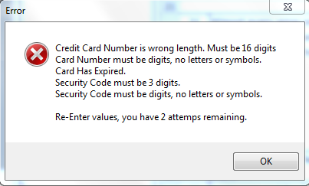 error message box
12 | I fix the above errors but you see the nested and exclusive error, also note the decreasing attempts | card number 1st 4 invalid "1299 2634 1591 1254" Card expiration too far in future "12/2021". Security code "234" | "Next" | 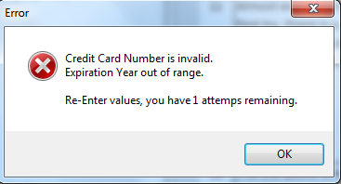 error message box
13 | wrong information has been entered for the 3rd time | it really doesn't matter what the erroneous item is at this point so I've left the same values as test 12 | "Next" | 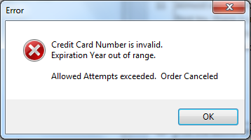 error message box will show, and after the ok button is clicked, order will be canceled with the same results as hitting the cancel button.
14 | click "Cancel" menu item | click "Cancel" | "Cancel" | Message window will pop up letting you that the order has been canceled, the window will close, the "New Sandwich" menu item deactivates, and the "Next" and "Cancel" items deactivate. You may now begin a new order.
15 | click "Next" with all fields valid | click "Next" | "Next" | A message box appears thanking the customer for their order. After the okay button is clicked the "Checkout" window closes and is replaced by the inventory window which consists of a text box showing the inventory values resulting from the order. Also, the "Cancel" item is disabled because it has no meaning in this context
"Inventory" window
16 | result of placing sandwich order in test 9 Wheat Bread Roast Beef American Cheese Tomatoes Lettuce Mayo |  |  | 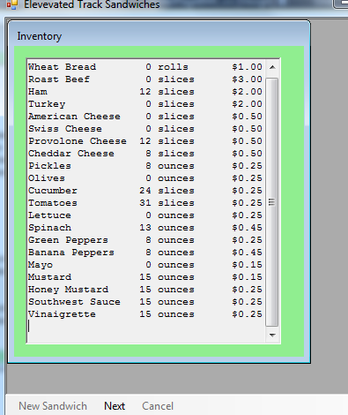
17 | Result of making a second sandwich during a single run of the program, selections are the same as test 10 White Bread Ham Cheddar Cheese Pickles Spinach Green Peppers Banana Peppers Honey Mustard Southwest Sauce *Note as you are making these selections that every item from the above test (16) except tomatoes is now out of stock and the controls are disabled. |  |  | 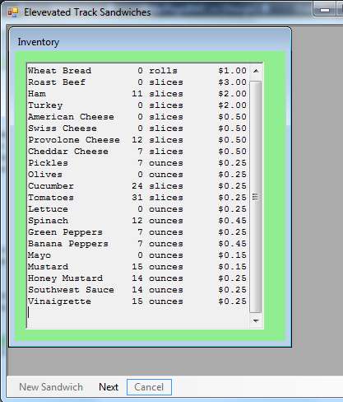
18 | click "Next" from "Inventory" window | click "Next" | "Next" | The "Inventory" window closes and is not replaced by another window. The "Next" item is disabled, and the "New Sandwich" item is re-enabled.

