p1_beforeSolver
Input | Multiplier | Input*Multiplier
1732 | 1 | 1732 | 2020 | Looking For
1972 | 1 | 1972 | 357663 | Sum of C
1822 | 1 | 1822 | -355643 | Difference
1920 | 1 | 1920
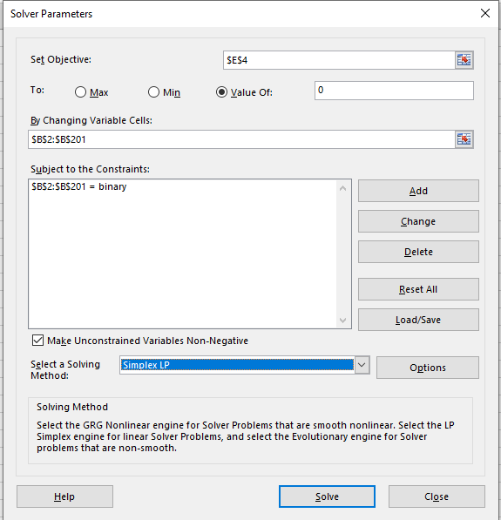
1847 | 1 | 1847
1718 | 1 | 1718
1827 | 1 | 1827
1973 | 1 | 1973
1936 | 1 | 1936
1865 | 1 | 1865
1817 | 1 | 1817
1954 | 1 | 1954
1939 | 1 | 1939
1979 | 1 | 1979
1846 | 1 | 1846
1989 | 1 | 1989
1818 | 1 | 1818
398 | 1 | 398
1786 | 1 | 1786
1900 | 1 | 1900
1949 | 1 | 1949
1161 | 1 | 1161
609 | 1 | 609
1967 | 1 | 1967
1845 | 1 | 1845
1795 | 1 | 1795
1874 | 1 | 1874
1982 | 1 | 1982
2010 | 1 | 2010
1494 | 1 | 1494
1752 | 1 | 1752
1803 | 1 | 1803
1908 | 1 | 1908
1876 | 1 | 1876
1977 | 1 | 1977
1999 | 1 | 1999
1858 | 1 | 1858
1885 | 1 | 1885
1975 | 1 | 1975
1878 | 1 | 1878
1784 | 1 | 1784
1787 | 1 | 1787
1765 | 1 | 1765
1778 | 1 | 1778
1893 | 1 | 1893
1746 | 1 | 1746
1807 | 1 | 1807
1966 | 1 | 1966
1991 | 1 | 1991
1905 | 1 | 1905
1970 | 1 | 1970
1942 | 1 | 1942
1792 | 1 | 1792
1750 | 1 | 1750
713 | 1 | 713
1871 | 1 | 1871
1860 | 1 | 1860
1931 | 1 | 1931
1976 | 1 | 1976
1771 | 1 | 1771
128 | 1 | 128
390 | 1 | 390
2006 | 1 | 2006
1801 | 1 | 1801
1946 | 1 | 1946
1914 | 1 | 1914
1833 | 1 | 1833
1515 | 1 | 1515
1958 | 1 | 1958
1737 | 1 | 1737
1887 | 1 | 1887
1962 | 1 | 1962
1895 | 1 | 1895
2004 | 1 | 2004
1747 | 1 | 1747
1841 | 1 | 1841
1793 | 1 | 1793
1948 | 1 | 1948
1790 | 1 | 1790
1808 | 1 | 1808
1957 | 1 | 1957
1770 | 1 | 1770
1960 | 1 | 1960
1952 | 1 | 1952
1932 | 1 | 1932
1782 | 1 | 1782
1762 | 1 | 1762
1898 | 1 | 1898
1919 | 1 | 1919
1909 | 1 | 1909
1929 | 1 | 1929
1964 | 1 | 1964
1848 | 1 | 1848
1959 | 1 | 1959
1381 | 1 | 1381
280 | 1 | 280
1899 | 1 | 1899
1855 | 1 | 1855
1849 | 1 | 1849
1889 | 1 | 1889
1772 | 1 | 1772
1843 | 1 | 1843
1767 | 1 | 1767
1830 | 1 | 1830
1838 | 1 | 1838
1869 | 1 | 1869
1926 | 1 | 1926
1768 | 1 | 1768
1789 | 1 | 1789
1791 | 1 | 1791
1888 | 1 | 1888
1371 | 1 | 1371
2001 | 1 | 2001
1943 | 1 | 1943
1741 | 1 | 1741
1904 | 1 | 1904
1468 | 1 | 1468
1969 | 1 | 1969
1910 | 1 | 1910
649 | 1 | 649
1953 | 1 | 1953
1916 | 1 | 1916
1852 | 1 | 1852
1996 | 1 | 1996
1842 | 1 | 1842
1950 | 1 | 1950
1850 | 1 | 1850
1998 | 1 | 1998
1963 | 1 | 1963
1780 | 1 | 1780
1883 | 1 | 1883
1955 | 1 | 1955
443 | 1 | 443
1773 | 1 | 1773
1896 | 1 | 1896
1985 | 1 | 1985
1809 | 1 | 1809
2007 | 1 | 2007
1819 | 1 | 1819
1891 | 1 | 1891
1853 | 1 | 1853
1802 | 1 | 1802
1861 | 1 | 1861
1813 | 1 | 1813
1831 | 1 | 1831
1974 | 1 | 1974
1915 | 1 | 1915
1997 | 1 | 1997
2000 | 1 | 2000
1945 | 1 | 1945
1832 | 1 | 1832
1763 | 1 | 1763
1981 | 1 | 1981
1922 | 1 | 1922
1862 | 1 | 1862
1944 | 1 | 1944
1925 | 1 | 1925
1742 | 1 | 1742
1744 | 1 | 1744
1994 | 1 | 1994
1961 | 1 | 1961
1881 | 1 | 1881
1937 | 1 | 1937
1911 | 1 | 1911
1788 | 1 | 1788
1971 | 1 | 1971
1890 | 1 | 1890
1734 | 1 | 1734
1781 | 1 | 1781
1984 | 1 | 1984
1912 | 1 | 1912
1834 | 1 | 1834
1766 | 1 | 1766
1769 | 1 | 1769
1797 | 1 | 1797
195 | 1 | 195
1965 | 1 | 1965
1934 | 1 | 1934
1894 | 1 | 1894
1928 | 1 | 1928
1759 | 1 | 1759
1812 | 1 | 1812
1758 | 1 | 1758
1988 | 1 | 1988
1821 | 1 | 1821
1776 | 1 | 1776
2009 | 1 | 2009
1749 | 1 | 1749
1857 | 1 | 1857
1785 | 1 | 1785
1824 | 1 | 1824
1796 | 1 | 1796
1930 | 1 | 1930
1777 | 1 | 1777
1886 | 1 | 1886
477 | 1 | 477
1761 | 1 | 1761
1800 | 1 | 1800
1745 | 1 | 1745
1993 | 1 | 1993

p2_beforeSolver
Input | Multiplier | Input*Multiplier
1732 | 1 | 1732 | 2020 | Looking For
1972 | 1 | 1972 | 357663 | Sum of C
1822 | 1 | 1822 | -355643 | Difference
1920 | 1 | 1920
1847 | 1 | 1847 | 200 | Total Needed
1718 | 1 | 1718
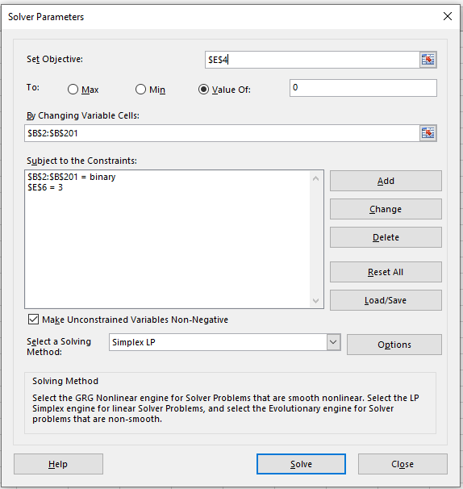
1827 | 1 | 1827
1973 | 1 | 1973
1936 | 1 | 1936
1865 | 1 | 1865
1817 | 1 | 1817
1954 | 1 | 1954
1939 | 1 | 1939
1979 | 1 | 1979
1846 | 1 | 1846
1989 | 1 | 1989
1818 | 1 | 1818
398 | 1 | 398
1786 | 1 | 1786
1900 | 1 | 1900
1949 | 1 | 1949
1161 | 1 | 1161
609 | 1 | 609
1967 | 1 | 1967
1845 | 1 | 1845
1795 | 1 | 1795
1874 | 1 | 1874
1982 | 1 | 1982
2010 | 1 | 2010
1494 | 1 | 1494
1752 | 1 | 1752
1803 | 1 | 1803
1908 | 1 | 1908
1876 | 1 | 1876
1977 | 1 | 1977
1999 | 1 | 1999
1858 | 1 | 1858
1885 | 1 | 1885
1975 | 1 | 1975
1878 | 1 | 1878
1784 | 1 | 1784
1787 | 1 | 1787
1765 | 1 | 1765
1778 | 1 | 1778
1893 | 1 | 1893
1746 | 1 | 1746
1807 | 1 | 1807
1966 | 1 | 1966
1991 | 1 | 1991
1905 | 1 | 1905
1970 | 1 | 1970
1942 | 1 | 1942
1792 | 1 | 1792
1750 | 1 | 1750
713 | 1 | 713
1871 | 1 | 1871
1860 | 1 | 1860
1931 | 1 | 1931
1976 | 1 | 1976
1771 | 1 | 1771
128 | 1 | 128
390 | 1 | 390
2006 | 1 | 2006
1801 | 1 | 1801
1946 | 1 | 1946
1914 | 1 | 1914
1833 | 1 | 1833
1515 | 1 | 1515
1958 | 1 | 1958
1737 | 1 | 1737
1887 | 1 | 1887
1962 | 1 | 1962
1895 | 1 | 1895
2004 | 1 | 2004
1747 | 1 | 1747
1841 | 1 | 1841
1793 | 1 | 1793
1948 | 1 | 1948
1790 | 1 | 1790
1808 | 1 | 1808
1957 | 1 | 1957
1770 | 1 | 1770
1960 | 1 | 1960
1952 | 1 | 1952
1932 | 1 | 1932
1782 | 1 | 1782
1762 | 1 | 1762
1898 | 1 | 1898
1919 | 1 | 1919
1909 | 1 | 1909
1929 | 1 | 1929
1964 | 1 | 1964
1848 | 1 | 1848
1959 | 1 | 1959
1381 | 1 | 1381
280 | 1 | 280
1899 | 1 | 1899
1855 | 1 | 1855
1849 | 1 | 1849
1889 | 1 | 1889
1772 | 1 | 1772
1843 | 1 | 1843
1767 | 1 | 1767
1830 | 1 | 1830
1838 | 1 | 1838
1869 | 1 | 1869
1926 | 1 | 1926
1768 | 1 | 1768
1789 | 1 | 1789
1791 | 1 | 1791
1888 | 1 | 1888
1371 | 1 | 1371
2001 | 1 | 2001
1943 | 1 | 1943
1741 | 1 | 1741
1904 | 1 | 1904
1468 | 1 | 1468
1969 | 1 | 1969
1910 | 1 | 1910
649 | 1 | 649
1953 | 1 | 1953
1916 | 1 | 1916
1852 | 1 | 1852
1996 | 1 | 1996
1842 | 1 | 1842
1950 | 1 | 1950
1850 | 1 | 1850
1998 | 1 | 1998
1963 | 1 | 1963
1780 | 1 | 1780
1883 | 1 | 1883
1955 | 1 | 1955
443 | 1 | 443
1773 | 1 | 1773
1896 | 1 | 1896
1985 | 1 | 1985
1809 | 1 | 1809
2007 | 1 | 2007
1819 | 1 | 1819
1891 | 1 | 1891
1853 | 1 | 1853
1802 | 1 | 1802
1861 | 1 | 1861
1813 | 1 | 1813
1831 | 1 | 1831
1974 | 1 | 1974
1915 | 1 | 1915
1997 | 1 | 1997
2000 | 1 | 2000
1945 | 1 | 1945
1832 | 1 | 1832
1763 | 1 | 1763
1981 | 1 | 1981
1922 | 1 | 1922
1862 | 1 | 1862
1944 | 1 | 1944
1925 | 1 | 1925
1742 | 1 | 1742
1744 | 1 | 1744
1994 | 1 | 1994
1961 | 1 | 1961
1881 | 1 | 1881
1937 | 1 | 1937
1911 | 1 | 1911
1788 | 1 | 1788
1971 | 1 | 1971
1890 | 1 | 1890
1734 | 1 | 1734
1781 | 1 | 1781
1984 | 1 | 1984
1912 | 1 | 1912
1834 | 1 | 1834
1766 | 1 | 1766
1769 | 1 | 1769
1797 | 1 | 1797
195 | 1 | 195
1965 | 1 | 1965
1934 | 1 | 1934
1894 | 1 | 1894
1928 | 1 | 1928
1759 | 1 | 1759
1812 | 1 | 1812
1758 | 1 | 1758
1988 | 1 | 1988
1821 | 1 | 1821
1776 | 1 | 1776
2009 | 1 | 2009
1749 | 1 | 1749
1857 | 1 | 1857
1785 | 1 | 1785
1824 | 1 | 1824
1796 | 1 | 1796
1930 | 1 | 1930
1777 | 1 | 1777
1886 | 1 | 1886
477 | 1 | 477
1761 | 1 | 1761
1800 | 1 | 1800
1745 | 1 | 1745
1993 | 1 | 1993

