LEADERBOARD


2019-04-01 | GAME OF THRONES
 | GLOBAL LEADERBOARD

POSITION | NAME | PTS
1 | Player 1 | 33
2 | Player 2 | 33
3 | Player 3 | 33
4 | Player 4 | 33
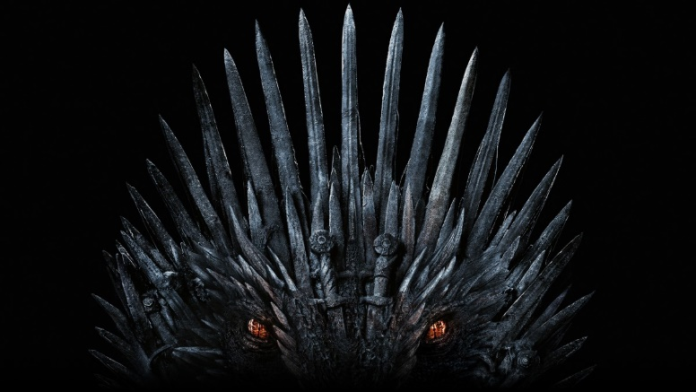
5 | Player 5 | 33
6 | Player 6 | 33
7 | Player 7 | 33
8 | Player 8 | 33
9 | Player 9 | 33
10 | Player 10 | 33

