Planilha1
Vendas de Assinaturas do Xbox Game Pass | Nome | Plan | data | Auto | preço | plano | Pass | EA Play Season Pass Price | Minecraft Season Pass | Minecraft Season Pass Price | Coupon Value | Total
3231 | João Silva | Ultimate | 2024-01-01 | Yes | R$ 15.00 | Monthly | Yes | R$ 30.00 | Yes | R$ 20.00 | R$ 5.00 | R$ 60.00
Total de Vendas de Assinaturas: 1470 | Ana Souza | Ultimate | 2024-02-20 | No | R$ 15.00 | Monthly | Yes | R$ 30.00 | Yes | R$ 20.00 | R$ 3.00 | R$ 62.00
Vendas Mensais: | Camila Ribeiro | Ultimate | 2024-03-03 | Yes | R$ 15.00 | Quarterly | Yes | R$ 30.00 | Yes | R$ 20.00 | R$ 10.00 | R$ 55.00
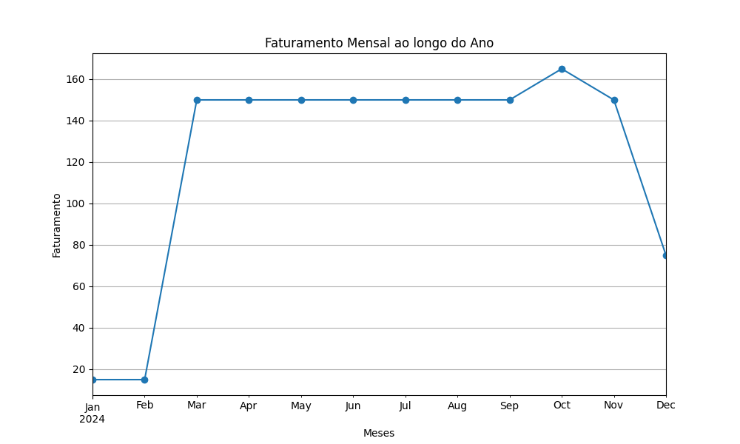
2024-01: 15 | Sofia Almeida | Ultimate | 2024-03-05 | No | R$ 15.00 | Monthly | Yes | R$ 30.00 | Yes | R$ 20.00 | R$ 5.00 | R$ 60.00
2024-02: 15 | Marco Túlio | Ultimate | 2024-03-08 | Yes | R$ 15.00 | Annual | Yes | R$ 30.00 | Yes | R$ 20.00 | R$ 20.00 | R$ 45.00
2024-03: 150 | Fernanda Lima | Ultimate | 2024-03-11 | No | R$ 15.00 | Monthly | Yes | R$ 30.00 | Yes | R$ 20.00 | R$ 8.00 | R$ 57.00
2024-04: 150 | Cesar Oliveira | Ultimate | 2024-03-14 | Yes | R$ 15.00 | Quarterly | Yes | R$ 30.00 | Yes | R$ 20.00 | R$ 7.00 | R$ 58.00
2024-05: 150 | Gabriela Santos | Ultimate | 2024-03-17 | No | R$ 15.00 | Monthly | Yes | R$ 30.00 | Yes | R$ 20.00 | R$ 3.00 | R$ 62.00
2024-06: 150 | Joaquim Barbosa | Ultimate | 2024-03-20 | Yes | R$ 15.00 | Annual | Yes | R$ 30.00 | Yes | R$ 20.00 | R$ 20.00 | R$ 45.00
2024-07: 150 | Nicole Costa | Ultimate | 2024-03-23 | No | R$ 15.00 | Monthly | Yes | R$ 30.00 | Yes | R$ 20.00 | R$ 5.00 | R$ 60.00
2024-08: 150 | Raquel Alves | Ultimate | 2024-03-26 | Yes | R$ 15.00 | Quarterly | Yes | R$ 30.00 | Yes | R$ 20.00 | R$ 7.00 | R$ 58.00
2024-09: 150 | Vinicius Lima | Ultimate | 2024-03-29 | No | R$ 15.00 | Monthly | Yes | R$ 30.00 | Yes | R$ 20.00 | R$ 3.00 | R$ 62.00
2024-10: 165 | Bruno Cavalheiro | Ultimate | 2024-04-02 | No | R$ 15.00 | Quarterly | Yes | R$ 30.00 | Yes | R$ 20.00 | R$ 7.00 | R$ 58.00
2024-11: 150 | Eunice Lima | Ultimate | 2024-04-05 | Yes | R$ 15.00 | Monthly | Yes | R$ 30.00 | Yes | R$ 20.00 | R$ 15.00 | R$ 50.00
2024-12: 75 | Hélio Castro | Ultimate | 2024-04-08 | No | R$ 15.00 | Quarterly | Yes | R$ 30.00 | Yes | R$ 20.00 | R$ 20.00 | R$ 45.00
3276 | Kléber Oliveira | Ultimate | 2024-04-11 | Yes | R$ 15.00 | Annual | Yes | R$ 30.00 | Yes | R$ 20.00 | R$ 5.00 | R$ 60.00
3279 | Nilo Peçanha | Ultimate | 2024-04-14 | No | R$ 15.00 | Monthly | Yes | R$ 30.00 | Yes | R$ 20.00 | R$ 3.00 | R$ 62.00
3282 | Quirino Gonçalves | Ultimate | 2024-04-17 | Yes | R$ 15.00 | Quarterly | Yes | R$ 30.00 | Yes | R$ 20.00 | R$ 7.00 | R$ 58.00
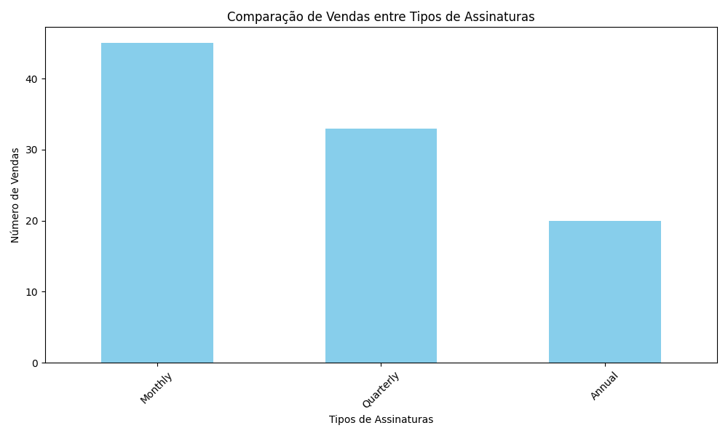
3285 | Tiago Ramos | Ultimate | 2024-04-20 | No | R$ 15.00 | Monthly | Yes | R$ 30.00 | Yes | R$ 20.00 | R$ 20.00 | R$ 45.00
3288 | William Siqueira | Ultimate | 2024-04-23 | Yes | R$ 15.00 | Annual | Yes | R$ 30.00 | Yes | R$ 20.00 | R$ 3.00 | R$ 62.00
3291 | Zacarias Alves | Ultimate | 2024-04-26 | No | R$ 15.00 | Monthly | Yes | R$ 30.00 | Yes | R$ 20.00 | R$ 5.00 | R$ 60.00
3294 | Carla Bruni | Ultimate | 2024-04-29 | Yes | R$ 15.00 | Quarterly | Yes | R$ 30.00 | Yes | R$ 20.00 | R$ 20.00 | R$ 45.00
3297 | Fábio Nobre | Ultimate | 2024-05-02 | Yes | R$ 15.00 | Quarterly | Yes | R$ 30.00 | Yes | R$ 20.00 | R$ 7.00 | R$ 58.00
3300 | Ivan Carvalho | Ultimate | 2024-05-05 | No | R$ 15.00 | Monthly | Yes | R$ 30.00 | Yes | R$ 20.00 | R$ 15.00 | R$ 50.00
3303 | Lucas Mendes | Ultimate | 2024-05-08 | Yes | R$ 15.00 | Quarterly | Yes | R$ 30.00 | Yes | R$ 20.00 | R$ 20.00 | R$ 45.00
3306 | Otávio Barros | Ultimate | 2024-05-11 | No | R$ 15.00 | Annual | Yes | R$ 30.00 | Yes | R$ 20.00 | R$ 5.00 | R$ 60.00
3309 | Raquel Novaes | Ultimate | 2024-05-14 | Yes | R$ 15.00 | Monthly | Yes | R$ 30.00 | Yes | R$ 20.00 | R$ 3.00 | R$ 62.00
3312 | Ulysses Guimarães | Ultimate | 2024-05-17 | No | R$ 15.00 | Quarterly | Yes | R$ 30.00 | Yes | R$ 20.00 | R$ 7.00 | R$ 58.00
3315 | Ximena Rocha | Ultimate | 2024-05-20 | Yes | R$ 15.00 | Monthly | Yes | R$ 30.00 | Yes | R$ 20.00 | R$ 20.00 | R$ 45.00
3318 | Alan Teixeira | Ultimate | 2024-05-23 | No | R$ 15.00 | Annual | Yes | R$ 30.00 | Yes | R$ 20.00 | R$ 3.00 | R$ 62.00
3321 | Daniela Moura | Ultimate | 2024-05-26 | Yes | R$ 15.00 | Monthly | Yes | R$ 30.00 | Yes | R$ 20.00 | R$ 5.00 | R$ 60.00
3324 | Geraldo Ribeiro | Ultimate | 2024-05-29 | No | R$ 15.00 | Quarterly | Yes | R$ 30.00 | Yes | R$ 20.00 | R$ 20.00 | R$ 45.00
3327 | João Pedro Almeida | Ultimate | 2024-06-01 | Yes | R$ 15.00 | Monthly | Yes | R$ 30.00 | Yes | R$ 20.00 | R$ 7.00 | R$ 58.00
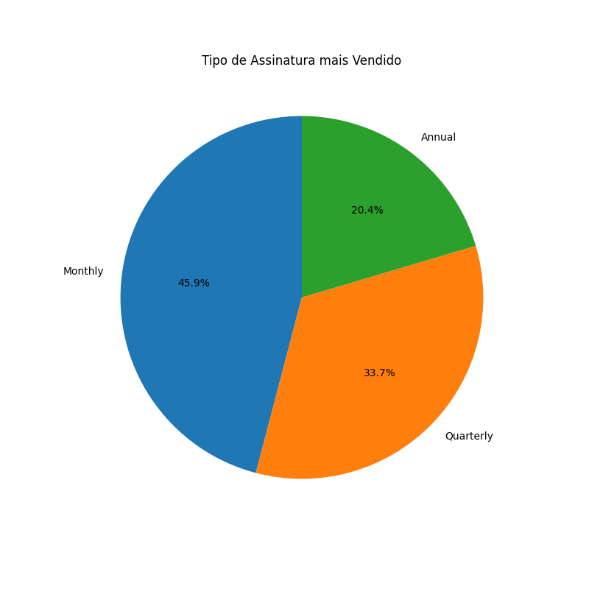
3330 | Marcelo Gouveia | Ultimate | 2024-06-04 | No | R$ 15.00 | Monthly | Yes | R$ 30.00 | Yes | R$ 20.00 | R$ 15.00 | R$ 50.00
3333 | Patrícia Alves | Ultimate | 2024-06-07 | Yes | R$ 15.00 | Quarterly | Yes | R$ 30.00 | Yes | R$ 20.00 | R$ 20.00 | R$ 45.00
3337 | Ulisses Tavares | Ultimate | 2024-06-11 | No | R$ 15.00 | Quarterly | Yes | R$ 30.00 | Yes | R$ 20.00 | R$ 7.00 | R$ 58.00
3340 | Xavier Nascimento | Ultimate | 2024-06-14 | Yes | R$ 15.00 | Monthly | Yes | R$ 30.00 | Yes | R$ 20.00 | R$ 15.00 | R$ 50.00
3343 | Amanda Lopes | Ultimate | 2024-06-17 | No | R$ 15.00 | Quarterly | Yes | R$ 30.00 | Yes | R$ 20.00 | R$ 20.00 | R$ 45.00
3346 | Diogo Souza | Ultimate | 2024-06-20 | Yes | R$ 15.00 | Annual | Yes | R$ 30.00 | Yes | R$ 20.00 | R$ 5.00 | R$ 60.00
3349 | Geraldo Ribeiro | Ultimate | 2024-06-23 | No | R$ 15.00 | Monthly | Yes | R$ 30.00 | Yes | R$ 20.00 | R$ 3.00 | R$ 62.00
3352 | João Marcelo | Ultimate | 2024-06-26 | Yes | R$ 15.00 | Quarterly | Yes | R$ 30.00 | Yes | R$ 20.00 | R$ 7.00 | R$ 58.00
3355 | Nadia Costa | Ultimate | 2024-06-29 | No | R$ 15.00 | Monthly | Yes | R$ 30.00 | Yes | R$ 20.00 | R$ 20.00 | R$ 45.00
3358 | Quênia Barros | Ultimate | 2024-07-02 | Yes | R$ 15.00 | Annual | Yes | R$ 30.00 | Yes | R$ 20.00 | R$ 3.00 | R$ 62.00
3361 | Tiago Mendes | Ultimate | 2024-07-05 | No | R$ 15.00 | Monthly | Yes | R$ 30.00 | Yes | R$ 20.00 | R$ 15.00 | R$ 50.00
3364 | Waldir Junior | Ultimate | 2024-07-08 | Yes | R$ 15.00 | Quarterly | Yes | R$ 30.00 | Yes | R$ 20.00 | R$ 7.00 | R$ 58.00
3367 | Zacarias Nunes | Ultimate | 2024-07-11 | No | R$ 15.00 | Quarterly | Yes | R$ 30.00 | Yes | R$ 20.00 | R$ 7.00 | R$ 58.00
3370 | Carlos Eduardo | Ultimate | 2024-07-14 | Yes | R$ 15.00 | Monthly | Yes | R$ 30.00 | Yes | R$ 20.00 | R$ 15.00 | R$ 50.00
3373 | Fabiano Gomes | Ultimate | 2024-07-17 | No | R$ 15.00 | Quarterly | Yes | R$ 30.00 | Yes | R$ 20.00 | R$ 20.00 | R$ 45.00
3376 | Igor Martins | Ultimate | 2024-07-20 | Yes | R$ 15.00 | Annual | Yes | R$ 30.00 | Yes | R$ 20.00 | R$ 5.00 | R$ 60.00
3379 | Luciana Santos | Ultimate | 2024-07-23 | No | R$ 15.00 | Monthly | Yes | R$ 30.00 | Yes | R$ 20.00 | R$ 3.00 | R$ 62.00
3382 | Oscar Ribeiro | Ultimate | 2024-07-26 | Yes | R$ 15.00 | Quarterly | Yes | R$ 30.00 | Yes | R$ 20.00 | R$ 7.00 | R$ 58.00
3385 | Renata Machado | Ultimate | 2024-07-29 | No | R$ 15.00 | Monthly | Yes | R$ 30.00 | Yes | R$ 20.00 | R$ 20.00 | R$ 45.00
3388 | Ulysses Pereira | Ultimate | 2024-08-01 | Yes | R$ 15.00 | Annual | Yes | R$ 30.00 | Yes | R$ 20.00 | R$ 3.00 | R$ 62.00
3391 | Xuxa Meneghel | Ultimate | 2024-08-04 | No | R$ 15.00 | Monthly | Yes | R$ 30.00 | Yes | R$ 20.00 | R$ 15.00 | R$ 50.00
3394 | André Lima | Ultimate | 2024-08-07 | Yes | R$ 15.00 | Quarterly | Yes | R$ 30.00 | Yes | R$ 20.00 | R$ 7.00 | R$ 58.00
3397 | Daniela Moura | Ultimate | 2024-08-10 | No | R$ 15.00 | Monthly | Yes | R$ 30.00 | Yes | R$ 20.00 | R$ 20.00 | R$ 45.00
3400 | Guilherme Souza | Ultimate | 2024-08-13 | Yes | R$ 15.00 | Annual | Yes | R$ 30.00 | Yes | R$ 20.00 | R$ 5.00 | R$ 60.00
3403 | João Carvalho | Ultimate | 2024-08-16 | No | R$ 15.00 | Monthly | Yes | R$ 30.00 | Yes | R$ 20.00 | R$ 3.00 | R$ 62.00
3407 | Nina Pacheco | Ultimate | 2024-08-20 | No | R$ 15.00 | Quarterly | Yes | R$ 30.00 | Yes | R$ 20.00 | R$ 7.00 | R$ 58.00
3410 | Raquel Domingos | Ultimate | 2024-08-23 | Yes | R$ 15.00 | Monthly | Yes | R$ 30.00 | Yes | R$ 20.00 | R$ 15.00 | R$ 50.00
3413 | Ulysses Farias | Ultimate | 2024-08-26 | No | R$ 15.00 | Quarterly | Yes | R$ 30.00 | Yes | R$ 20.00 | R$ 20.00 | R$ 45.00
3416 | Ximena Barros | Ultimate | 2024-08-29 | Yes | R$ 15.00 | Annual | Yes | R$ 30.00 | Yes | R$ 20.00 | R$ 5.00 | R$ 60.00
3419 | André Lopes | Ultimate | 2024-09-01 | No | R$ 15.00 | Monthly | Yes | R$ 30.00 | Yes | R$ 20.00 | R$ 3.00 | R$ 62.00
3422 | Daniela Araújo | Ultimate | 2024-09-04 | Yes | R$ 15.00 | Quarterly | Yes | R$ 30.00 | Yes | R$ 20.00 | R$ 7.00 | R$ 58.00
3425 | Gabriel Teixeira | Ultimate | 2024-09-07 | No | R$ 15.00 | Monthly | Yes | R$ 30.00 | Yes | R$ 20.00 | R$ 20.00 | R$ 45.00
3428 | Joana Silveira | Ultimate | 2024-09-10 | Yes | R$ 15.00 | Annual | Yes | R$ 30.00 | Yes | R$ 20.00 | R$ 3.00 | R$ 62.00
3431 | Nicolas Borges | Ultimate | 2024-09-13 | No | R$ 15.00 | Monthly | Yes | R$ 30.00 | Yes | R$ 20.00 | R$ 15.00 | R$ 50.00
3434 | Raquel Andrade | Ultimate | 2024-09-16 | Yes | R$ 15.00 | Quarterly | Yes | R$ 30.00 | Yes | R$ 20.00 | R$ 7.00 | R$ 58.00
3437 | Ursula Monteiro | Ultimate | 2024-09-19 | No | R$ 15.00 | Quarterly | Yes | R$ 30.00 | Yes | R$ 20.00 | R$ 7.00 | R$ 58.00
3440 | Xavier Almeida | Ultimate | 2024-09-22 | Yes | R$ 15.00 | Monthly | Yes | R$ 30.00 | Yes | R$ 20.00 | R$ 15.00 | R$ 50.00
3443 | Amanda Costa | Ultimate | 2024-09-25 | No | R$ 15.00 | Quarterly | Yes | R$ 30.00 | Yes | R$ 20.00 | R$ 20.00 | R$ 45.00
3446 | Diogo Martins | Ultimate | 2024-09-28 | Yes | R$ 15.00 | Annual | Yes | R$ 30.00 | Yes | R$ 20.00 | R$ 5.00 | R$ 60.00
3449 | Gabriel Santos | Ultimate | 2024-10-01 | No | R$ 15.00 | Monthly | Yes | R$ 30.00 | Yes | R$ 20.00 | R$ 3.00 | R$ 62.00
3452 | Joana Silveira | Ultimate | 2024-10-04 | Yes | R$ 15.00 | Quarterly | Yes | R$ 30.00 | Yes | R$ 20.00 | R$ 7.00 | R$ 58.00
3455 | Marcos Vinícius | Ultimate | 2024-10-07 | No | R$ 15.00 | Monthly | Yes | R$ 30.00 | Yes | R$ 20.00 | R$ 20.00 | R$ 45.00
3458 | Patrícia Leite | Ultimate | 2024-10-10 | Yes | R$ 15.00 | Annual | Yes | R$ 30.00 | Yes | R$ 20.00 | R$ 3.00 | R$ 62.00
3461 | Sandra Gouveia | Ultimate | 2024-10-13 | No | R$ 15.00 | Monthly | Yes | R$ 30.00 | Yes | R$ 20.00 | R$ 15.00 | R$ 50.00
3464 | Vanessa Andrade | Ultimate | 2024-10-16 | Yes | R$ 15.00 | Quarterly | Yes | R$ 30.00 | Yes | R$ 20.00 | R$ 7.00 | R$ 58.00
3467 | Yasmin Figueira | Ultimate | 2024-10-19 | No | R$ 15.00 | Monthly | Yes | R$ 30.00 | Yes | R$ 20.00 | R$ 15.00 | R$ 50.00
3470 | Bruno Santos | Ultimate | 2024-10-22 | Yes | R$ 15.00 | Annual | Yes | R$ 30.00 | Yes | R$ 20.00 | R$ 5.00 | R$ 60.00
3473 | Elisa Neves | Ultimate | 2024-10-25 | No | R$ 15.00 | Monthly | Yes | R$ 30.00 | Yes | R$ 20.00 | R$ 3.00 | R$ 62.00
3476 | Hélio Costa | Ultimate | 2024-10-28 | Yes | R$ 15.00 | Quarterly | Yes | R$ 30.00 | Yes | R$ 20.00 | R$ 7.00 | R$ 58.00
3479 | Klara Silva | Ultimate | 2024-10-31 | No | R$ 15.00 | Monthly | Yes | R$ 30.00 | Yes | R$ 20.00 | R$ 20.00 | R$ 45.00
3482 | Natália Soares | Ultimate | 2024-11-03 | Yes | R$ 15.00 | Annual | Yes | R$ 30.00 | Yes | R$ 20.00 | R$ 3.00 | R$ 62.00
3485 | Quirino Neto | Ultimate | 2024-11-06 | No | R$ 15.00 | Monthly | Yes | R$ 30.00 | Yes | R$ 20.00 | R$ 15.00 | R$ 50.00
3487 | Sandro Almeida | Ultimate | 2024-11-08 | No | R$ 15.00 | Quarterly | Yes | R$ 30.00 | Yes | R$ 20.00 | R$ 7.00 | R$ 58.00
3490 | Valéria Lima | Ultimate | 2024-11-11 | Yes | R$ 15.00 | Monthly | Yes | R$ 30.00 | Yes | R$ 20.00 | R$ 15.00 | R$ 50.00
3493 | Ygor Farias | Ultimate | 2024-11-14 | No | R$ 15.00 | Quarterly | Yes | R$ 30.00 | Yes | R$ 20.00 | R$ 20.00 | R$ 45.00
3496 | Bruno Costa | Ultimate | 2024-11-17 | Yes | R$ 15.00 | Annual | Yes | R$ 30.00 | Yes | R$ 20.00 | R$ 5.00 | R$ 60.00
3499 | Elisa Correia | Ultimate | 2024-11-20 | No | R$ 15.00 | Monthly | Yes | R$ 30.00 | Yes | R$ 20.00 | R$ 3.00 | R$ 62.00
3502 | Henrique Gonçalves | Ultimate | 2024-11-23 | Yes | R$ 15.00 | Quarterly | Yes | R$ 30.00 | Yes | R$ 20.00 | R$ 7.00 | R$ 58.00
3505 | Klara Fonseca | Ultimate | 2024-11-26 | No | R$ 15.00 | Monthly | Yes | R$ 30.00 | Yes | R$ 20.00 | R$ 20.00 | R$ 45.00
3508 | Natália Castro | Ultimate | 2024-11-29 | Yes | R$ 15.00 | Annual | Yes | R$ 30.00 | Yes | R$ 20.00 | R$ 3.00 | R$ 62.00
3511 | Quentin Nogueira | Ultimate | 2024-12-02 | No | R$ 15.00 | Monthly | Yes | R$ 30.00 | Yes | R$ 20.00 | R$ 15.00 | R$ 50.00
3514 | Tânia Machado | Ultimate | 2024-12-05 | Yes | R$ 15.00 | Quarterly | Yes | R$ 30.00 | Yes | R$ 20.00 | R$ 7.00 | R$ 58.00
3517 | William Carvalho | Ultimate | 2024-12-08 | No | R$ 15.00 | Monthly | Yes | R$ 30.00 | Yes | R$ 20.00 | R$ 20.00 | R$ 45.00
3520 | Zacarias Duarte | Ultimate | 2024-12-11 | Yes | R$ 15.00 | Annual | Yes | R$ 30.00 | Yes | R$ 20.00 | R$ 5.00 | R$ 60.00
3523 | Carla Siqueira | Ultimate | 2024-12-14 | No | R$ 15.00 | Monthly | Yes | R$ 30.00 | Yes | R$ 20.00 | R$ 3.00 | R$ 62.00

