Recon
Description | Type | Ref | Amount
Freight In Expense Accrual OCt 2018 | Accrual | 1 | 58,433.11 |  | Net Capitalized Balance after Reclass AP Invoices JNL from Inventory/Connor Group
ACCR.ARVATO-Oct18 (75% of £160k Inv 94623882) | Accrual | 2 | 120,862.50 |  | 75% accrual of Inv 94623882 - UK Mgt neogotiating lower fees/Pick Pack Rate
ACCR>Avarto - Aug 18 & Sept 18 | Accrual | 3 | 133,500.00 |  | Aug & Sept Inv not yet agreed. Pick Pack rate under negotiation
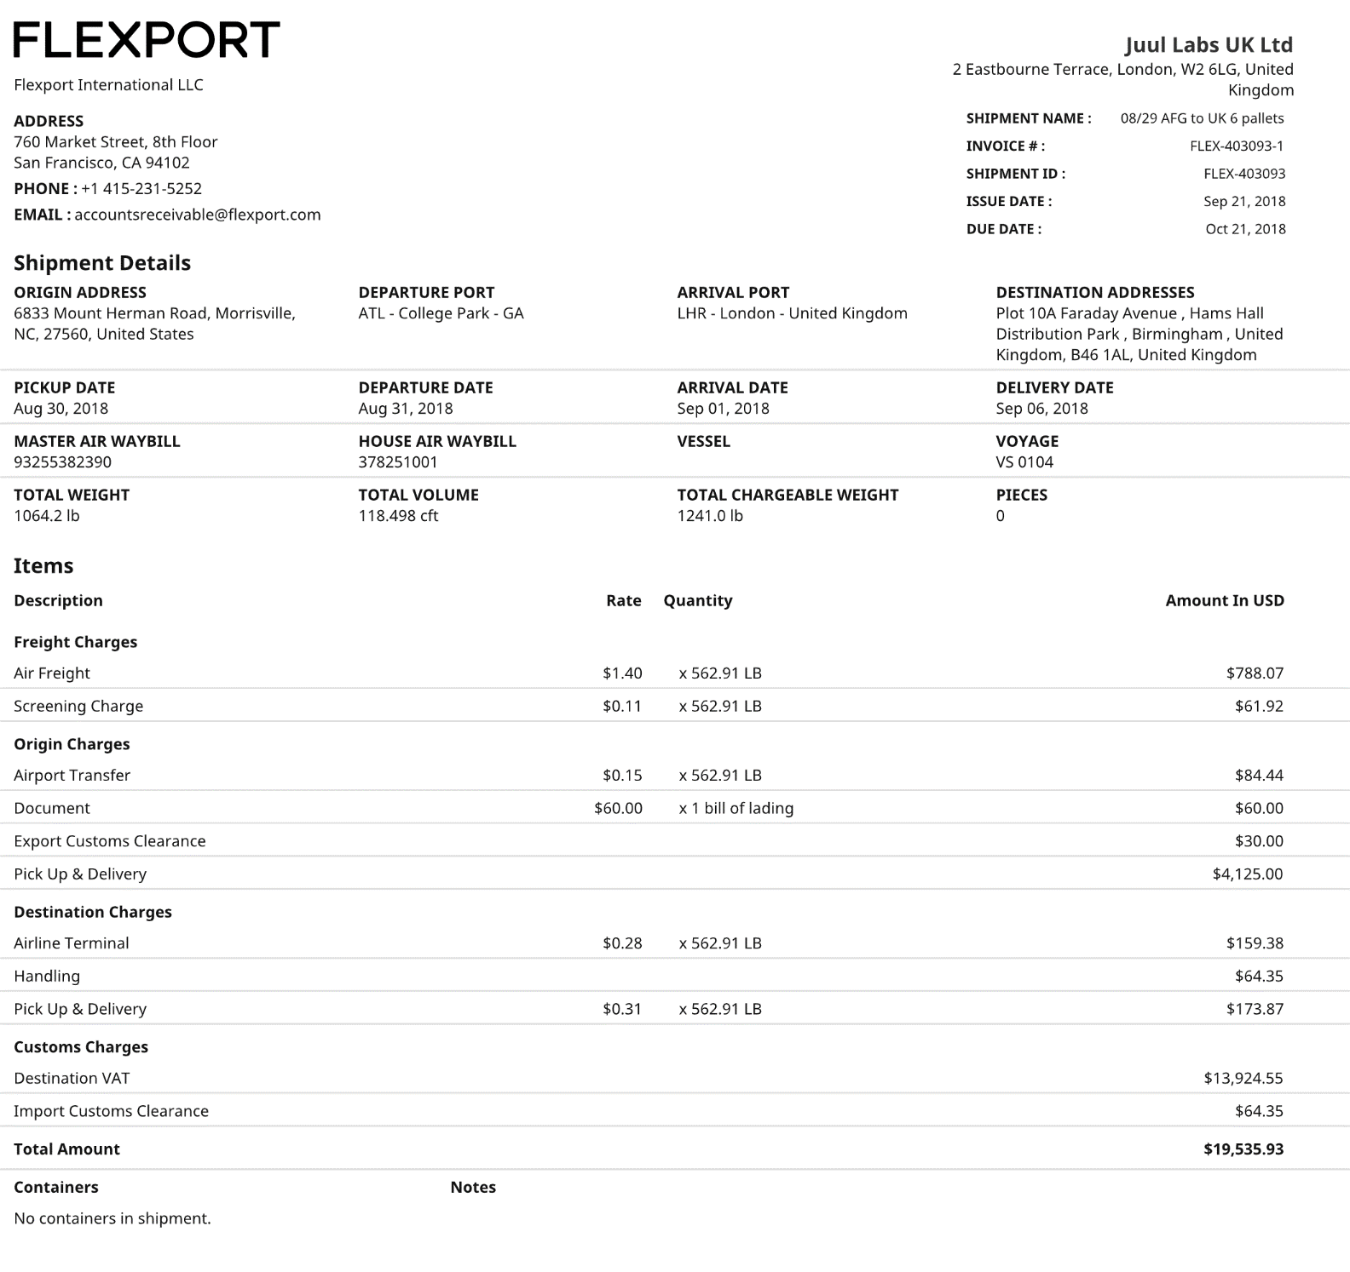
ACCR>>Flexport International LLC USD>>pick up date 14.08.2018 freight charges-Oct 18 | Accrual | 4 | 25,803.05
ACCR>>Flexport International LLC USD>>Pickup date Aug 30.2018 freight charges-Oct 18 | Accrual | 5 | 15,296.59
 |  |  | 353,895.25

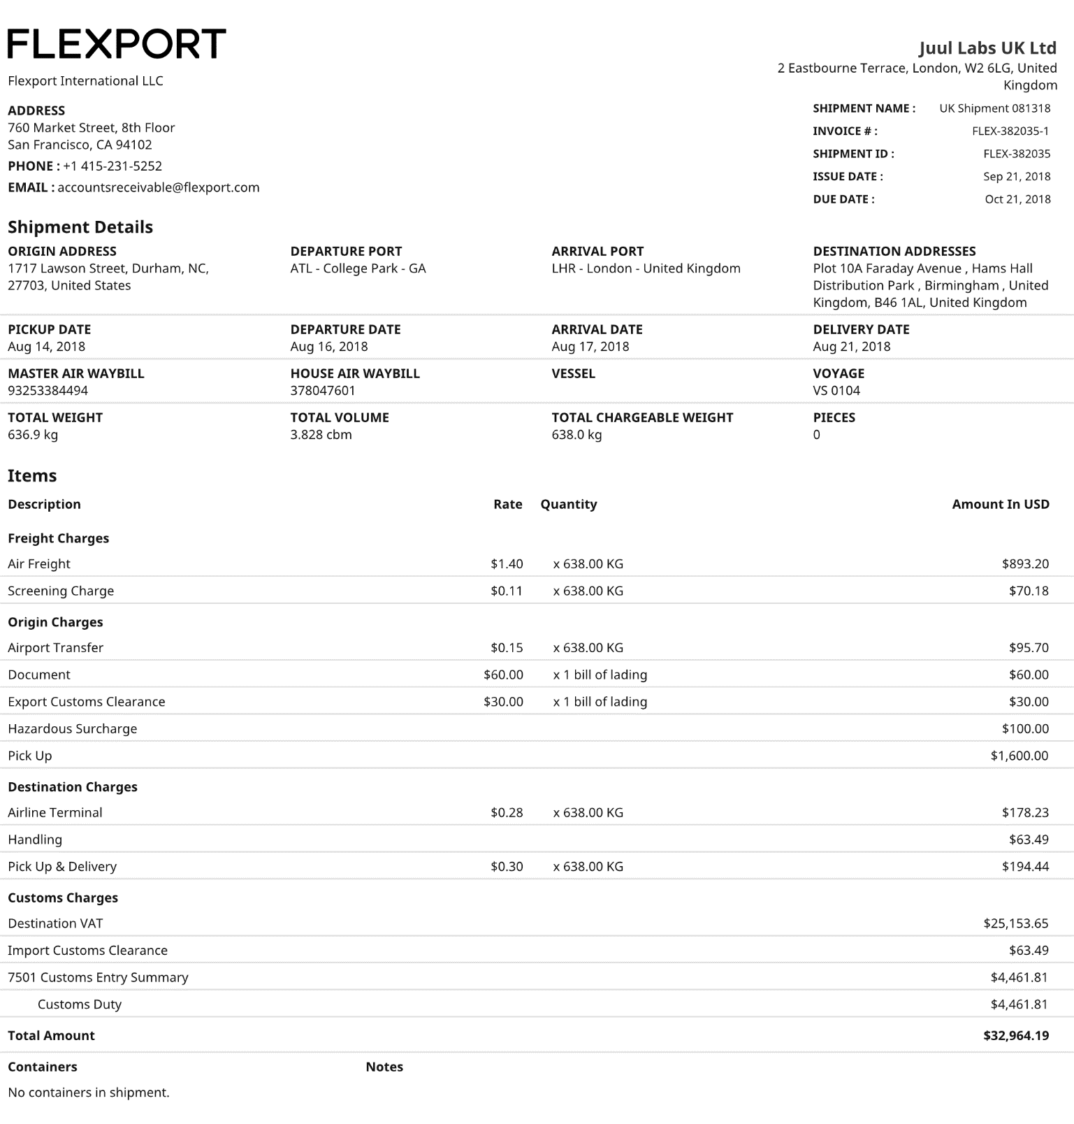

 |  |  |  | 25,803.05 |  | 15,296.59

Backup Jnl 1
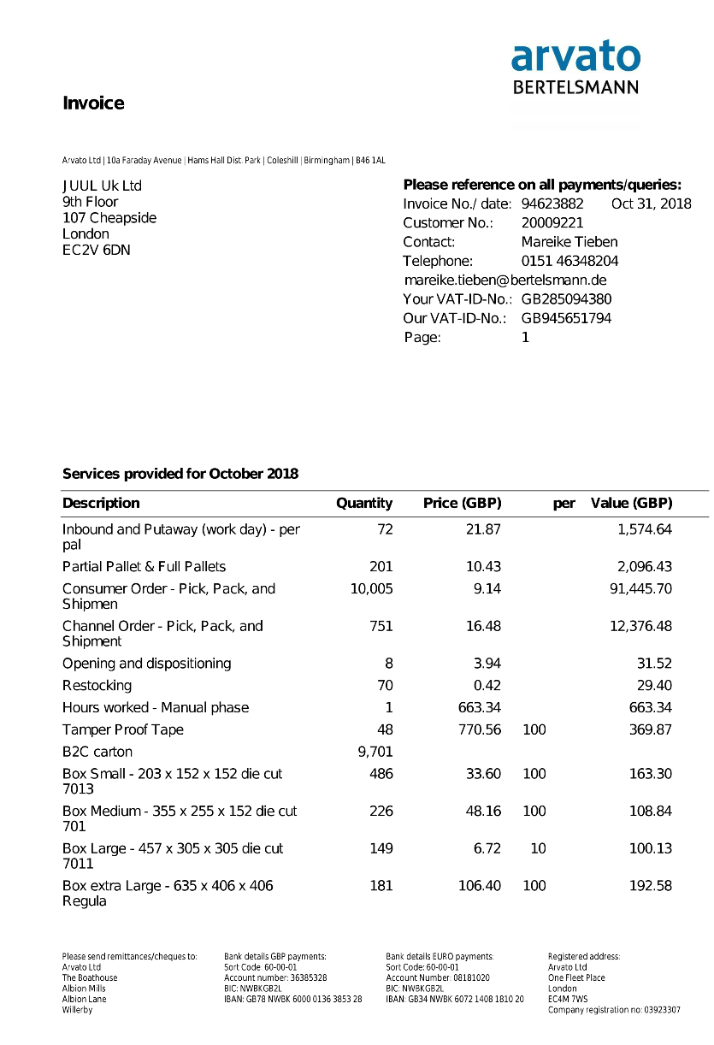
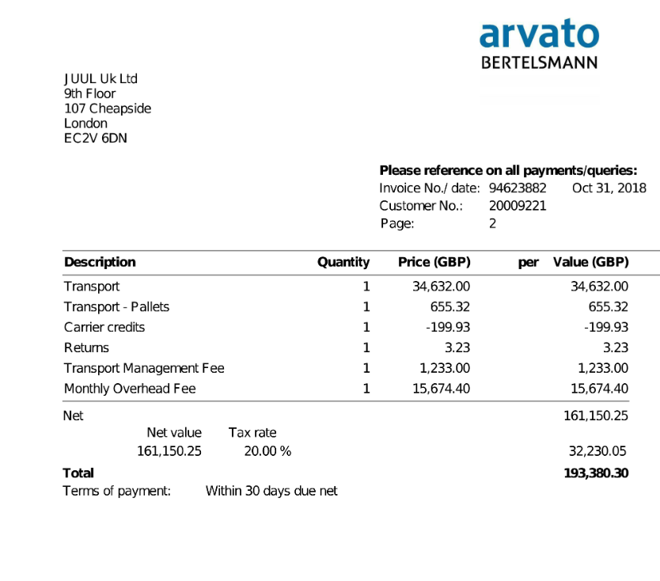
backup

Backup Jnl2
