Summary
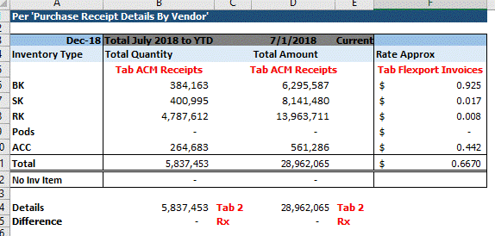
 | Quantities | Units Shipped December 2018 | On-Hand as of 12/31/2018 | TOTAL
 | BK | 67,290 | 140,820 | 208,110
 | SK | 72,886 | 109,500 | 182,386 |  |  | FPU Analysis Backup
 | RK | 831,056 | 2,401,400 | 3,232,456
 | ACC | 38,966 | 176,937 | 215,903

 | TOTAL | 1,010,198 | 2,828,657 | 3,838,855

 | Freight Rates (in USD)
 | BK | 0.925 | 0.925
 | SK | 0.017 | 0.017
 | RK | 0.008 | 0.008
 | ACC | 0.442 | 0.442

 | (in USD)
 | BK | $62,243 | $130,259 | $192,502
 | SK | $1,239 | $1,862 | $3,101
 | RK | $6,648 | $19,211 | $25,860
 | ACC | $17,223 | $78,206 | $95,429

 | TOTAL | $87,354 | $229,537 | $316,891

 | (in CAD)
 | BK | 84,962 | 177,803 | 262,765
 | SK | 1,691 | 2,541 | 4,232 | FX Rate | 1.365
 | RK | 9,075 | 26,223 | 35,298
 | ACC | 23,509 | 106,751 | 130,261

 | TOTAL | $119,238 | $313,318 | $432,556

 |  |  | Dr | Cr
CA Entries (in CAD)
141110 | Freight In |  | $313,318
515000 | Freight Inbound |  | $119,238
240102 | I/C Payable - CA |  |  | $432,556

US Entries (in CAD)
180155 | I/C Receivable - InterCo USD |  | $432,556
515000 | Freight In COGS |  |  | $432,556

