DCL Oct Invoice
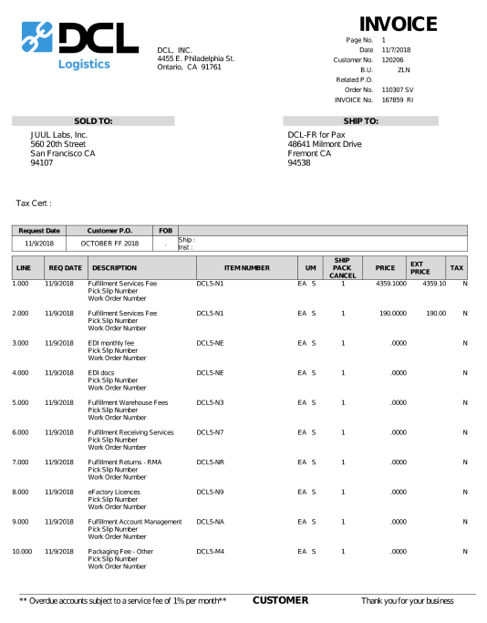
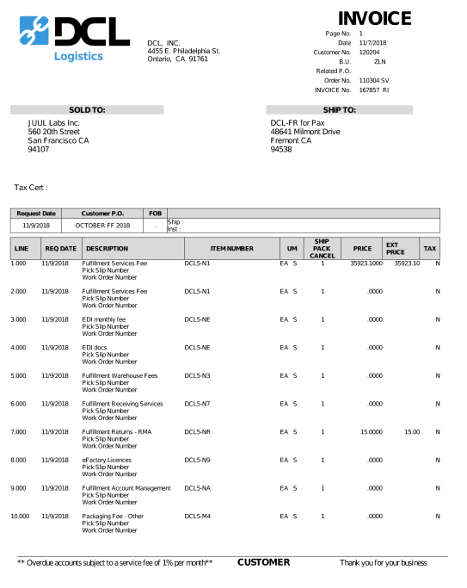
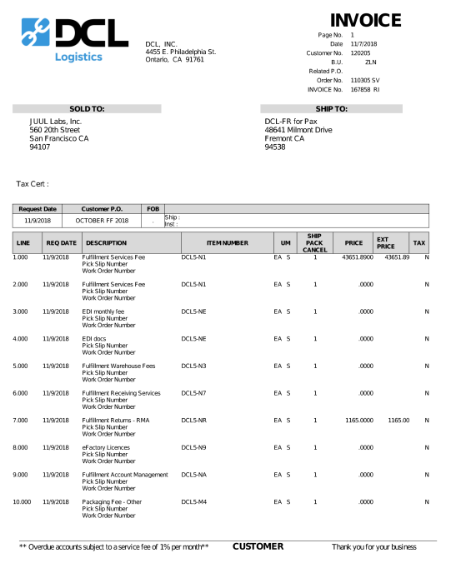
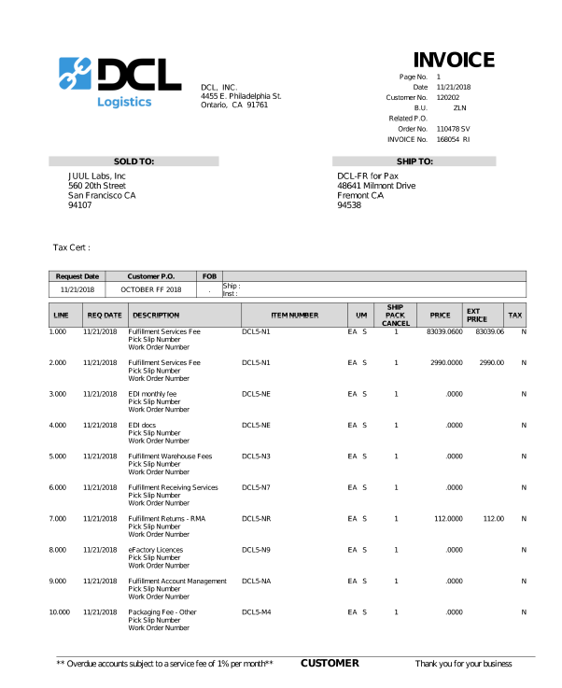
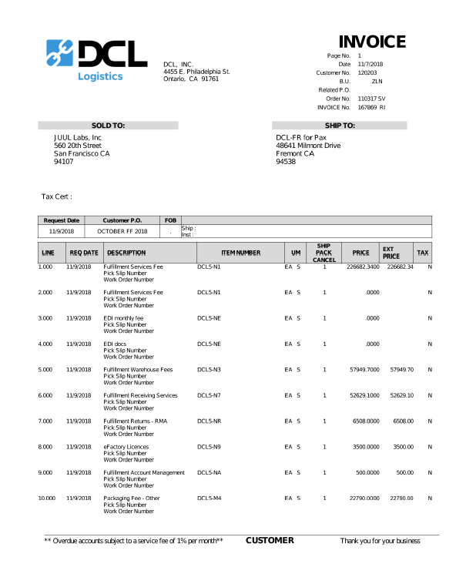

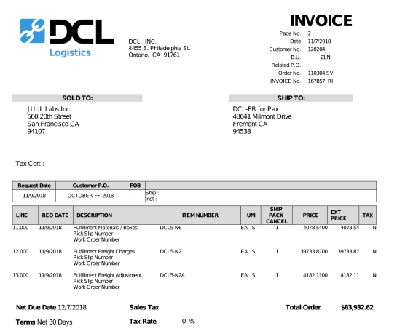

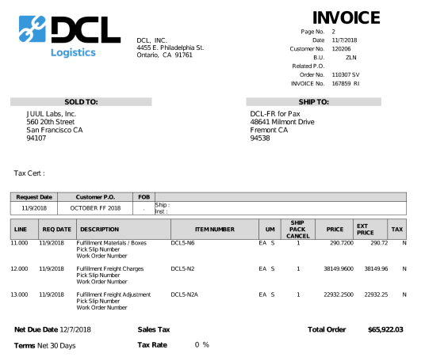

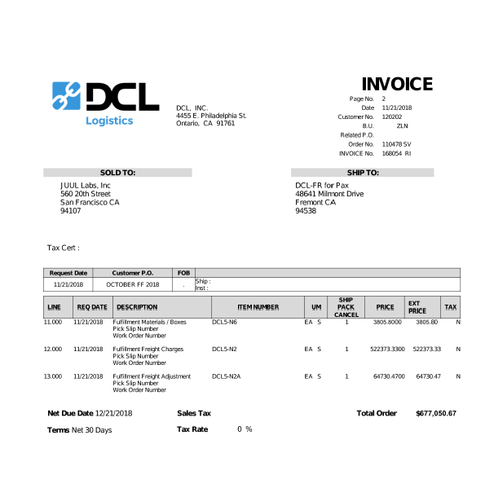
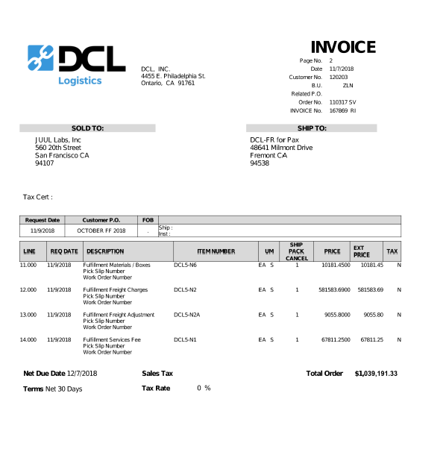

 |  |  |  |  |  |  |  | Line |  | Line
 |  |  |  |  |  |  |  | 12 | 522,373.33 | 12 | 581,583.69
 |  |  |  |  |  |  |  | 13 | 64,730.47 | 13 | 9,055.80
 |  |  |  |  |  |  |  | Total | 587,103.80 | Total | 590,639.49

 |  |  |  |  |  |  |  | Invoice Total | 677,050.67 | Invoice Total | 1,039,191.33

 |  | Line |  | Line |  | Line
 |  | 12 | 38,149.96 | 12 | 39,722.87 | 12 | 118,154.14
 |  | 13 | 22,932.25 | 13 | 4,182.11 | 13 | 399.51
 |  | Total | 61,082.21 | Total | 43,904.98 | Total | 118,553.65

 |  | Invoice Total | 65,922.03 | Invoice Total | 83,932.62 | Invoice Total | 163,697.28

 | Invoice | Warehousing+ Consumables | Freight Out
 | 167859 RI | 4,839.82 | 61,082.21
 | 167857 RI | 40,027.64 | 43,904.98
 | 167858 RI | 45,143.63 | 118,553.65
Oct | Last Month FF | 90,011.09 | 223,540.84
 | 168057RI | 89,946.87 | 587,103.80
 | 167869RI | 448,551.84 | 590,639.49
Nov | Booked to Nov | 538,498.71 | 1,177,743.29

DCL Nov Invoice
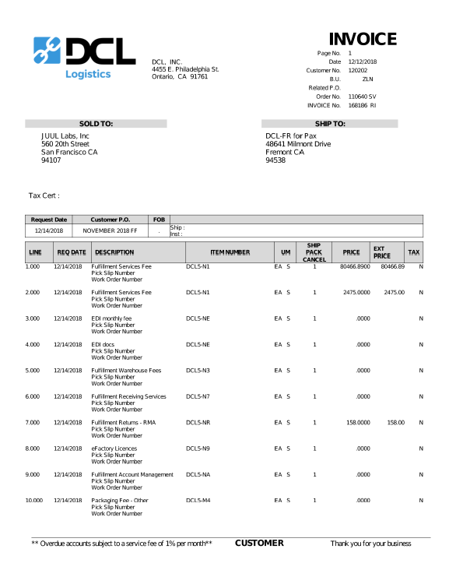
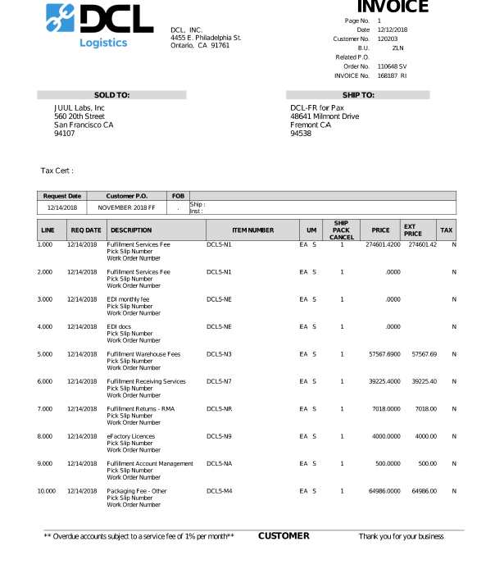
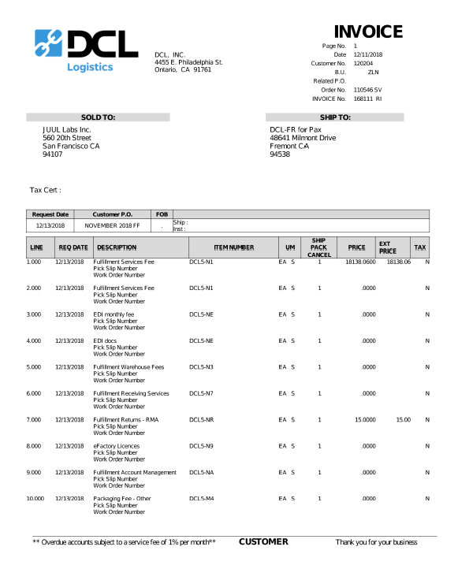
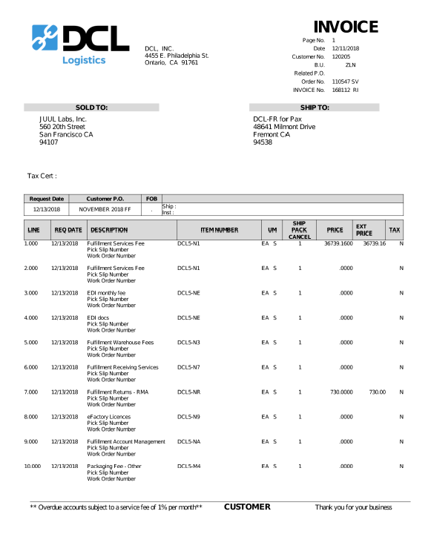
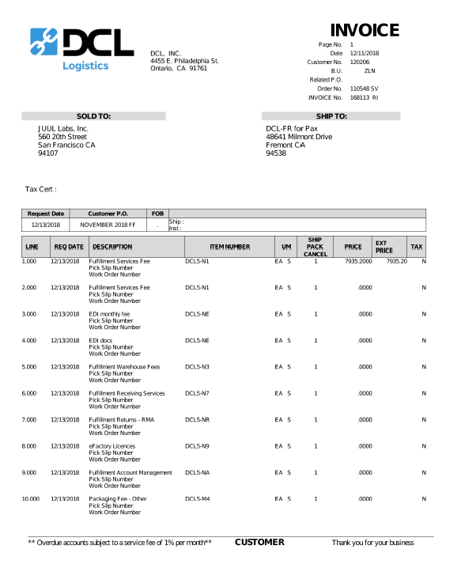

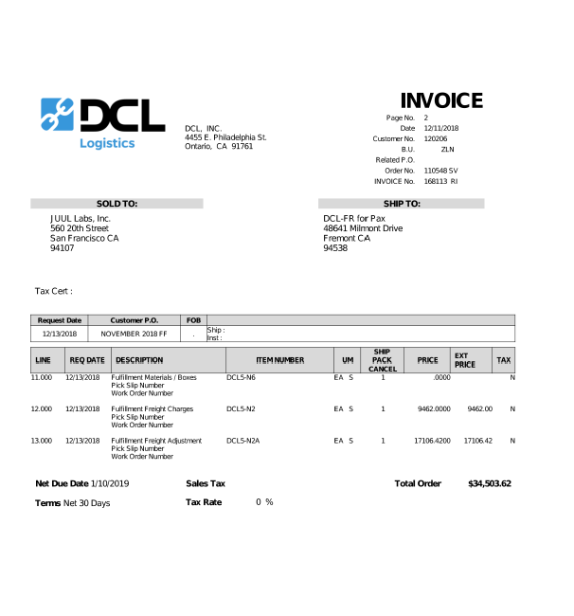

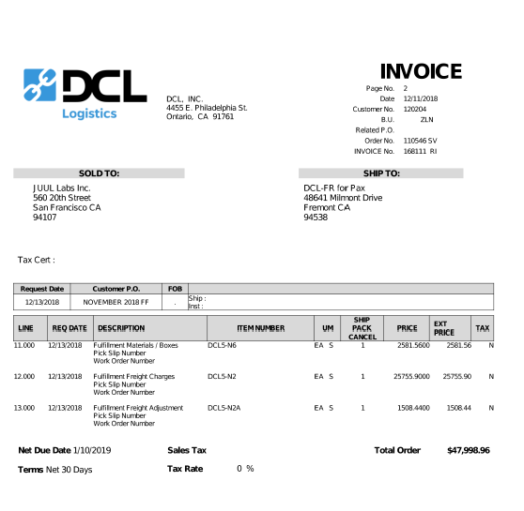
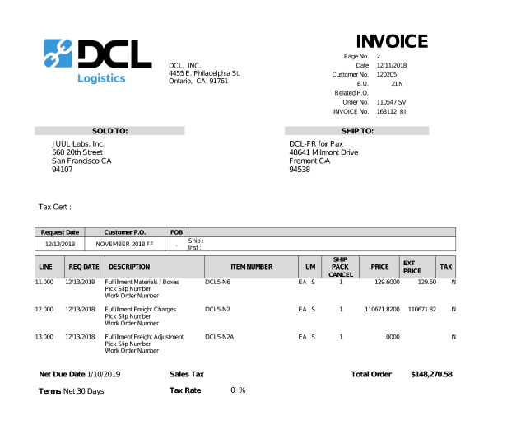

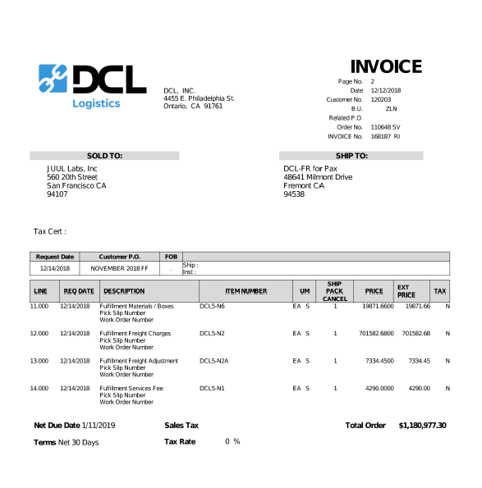

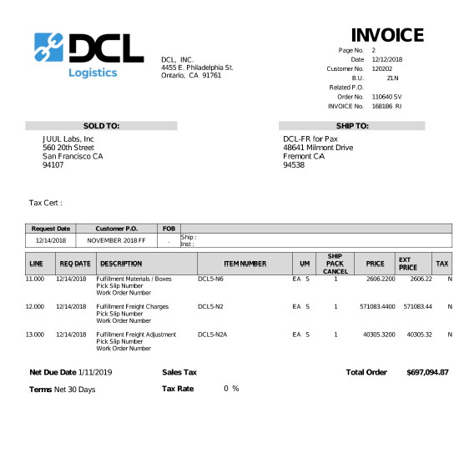

Invoice | Line 12 | Line 13 | Total charge | Warehousing+ Consumables | Freight Out
168186 RI | $571,083.44 | $40,305.32 | $697,094.87 | $85,706.11 | $611,388.76
168187 RI | $701,582.68 | $7,334.45 | $1,180,977.30 | $472,060.17 | $708,917.13
168111 RI | $27,577.90 | $1,508.44 | $47,998.96 | $18,912.62 | $29,086.34
168112 RI | $110,671.82 | $- | $148,270.58 | $37,598.76 | $110,671.82
168113 RI | $9,462.00 | $17,106.42 | $34,503.62 | $7,935.20 | $26,568.42
Nov charges | $1,420,377.84 | $66,254.63 | $2,108,845.33 | $622,212.86 | $1,486,632.47

