Sheet1
create project
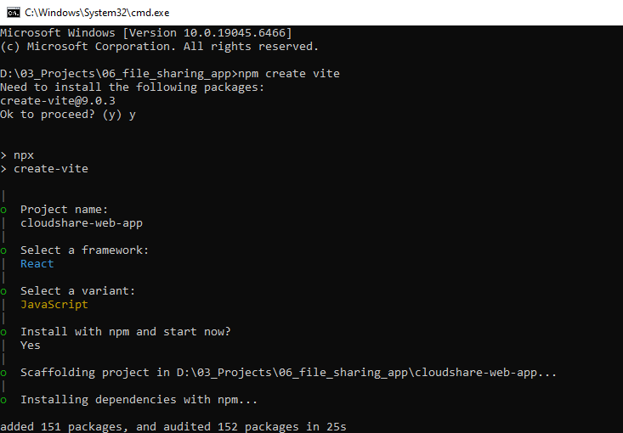

install dependency
 | $ npm install

install tailwind css with vite
 | https://tailwindcss.com/docs/installation/using-vite

 | $ npm install tailwindcss @tailwindcss/vite

