Moodle
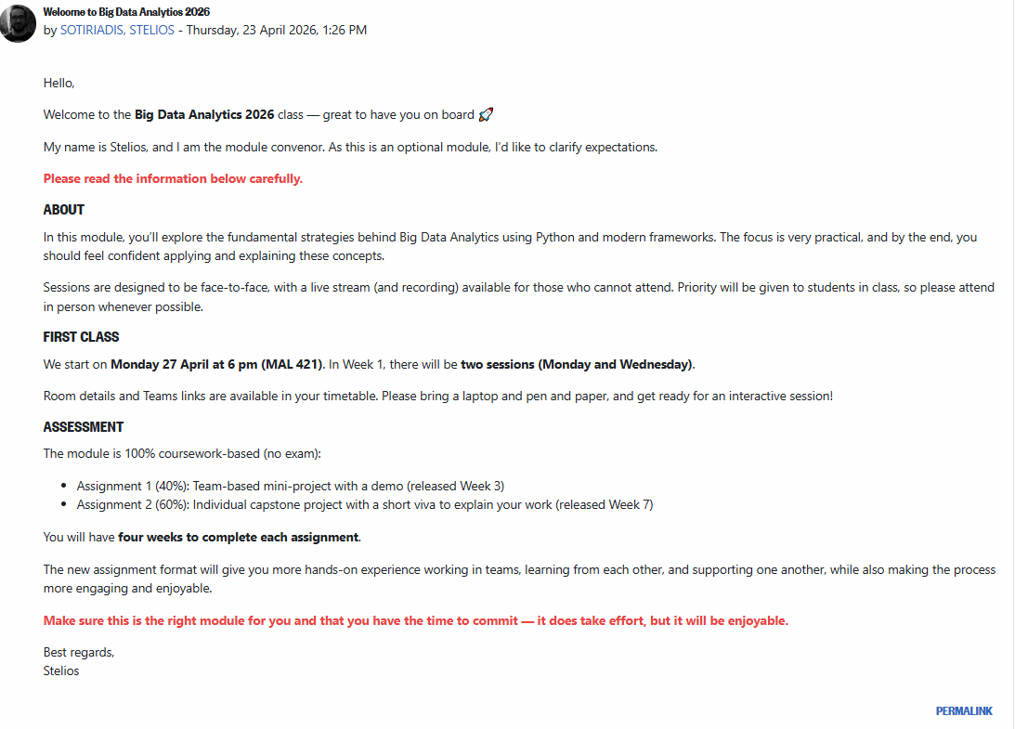
https://moodle.bbk.ac.uk/mod/forum/discuss.php?d=291288

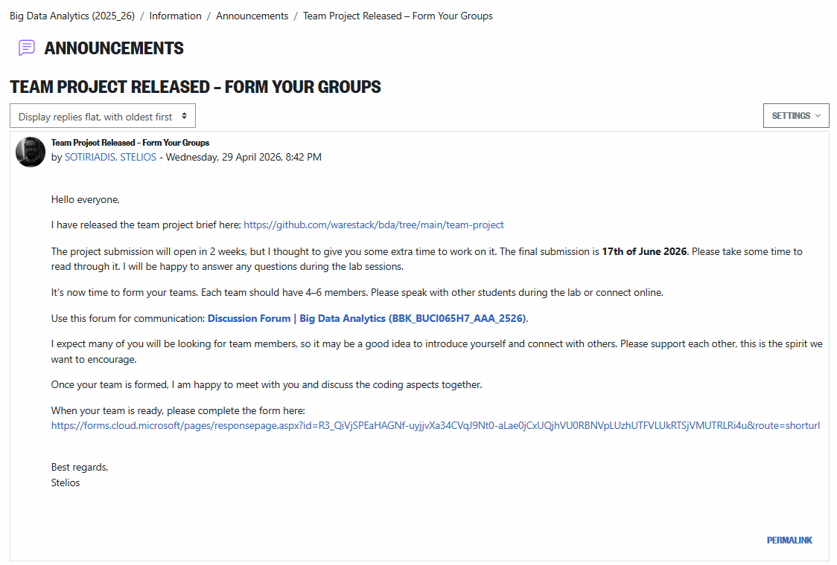

https://moodle.bbk.ac.uk/mod/forum/discuss.php?d=290976

