LED Resistor Calc
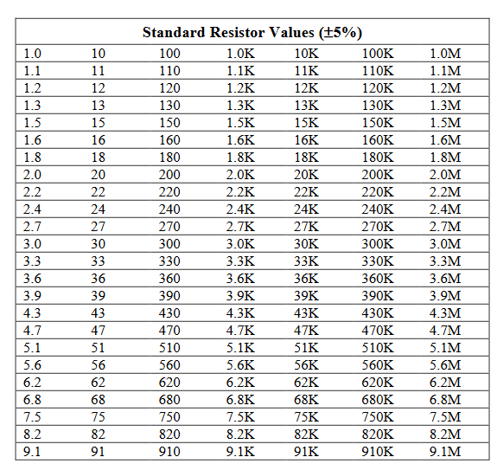
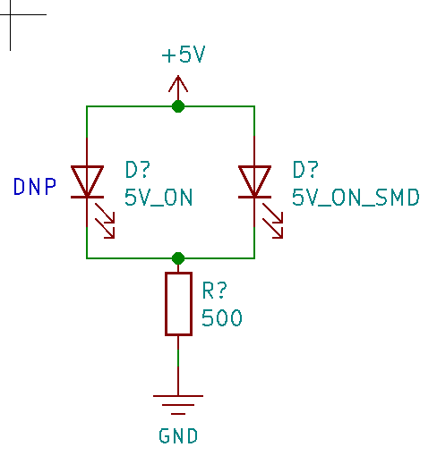
Purpose | Supply Voltage | LED Type | LED Color | FWD Voltage | FWD Current mA | FWD Current mA Designed | Calculated R Value | Closest 5% | Actual Current mA | R Power
Indicator | 12 | 3mm | RED | 1.85 | 20 | 15 | 677 | 680 | 14.9 | 0.15150367647
 | 12 | SMD | YELLOW | 1.8 | 20 | 15 | 680 | 680 | 15.0 | 0.153
Indicator | 5 | 3mm | GREEN | 2.1 | 20 | 15 | 193 | 220 | 13.2 | 0.038227272727
 | 5 | SMD | GREEN | 2.4 | 20 | 15 | 173 | 220 | 11.8 | 0.030727272727
User LED | 3.3 | 3mm | RED | 1.85 | 20 | 15 | 97 | 100 | 14.5 | 0.021025
 | 3.3 | SMD | BLUE | 3 | 20 | 15 | 20 | 22 | 13.6 | 0.0040909090909

