LED Resistor Calc
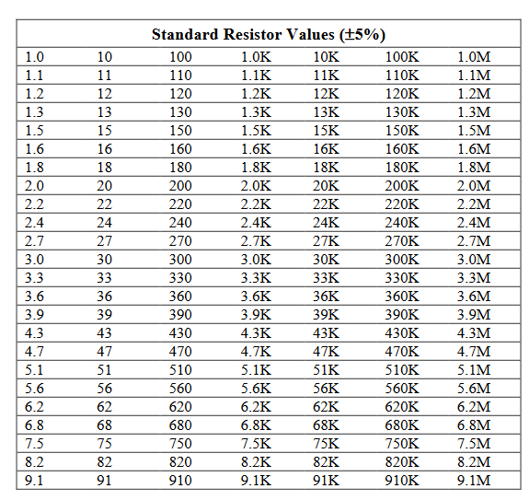
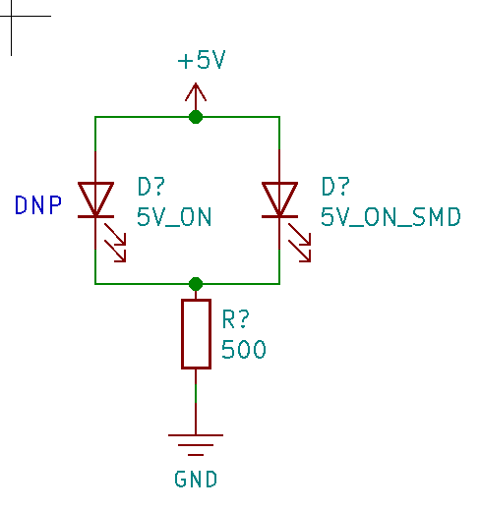
Purpose | Supply Voltage | LED Color | LED Type | FWD Voltage | FWD Current mA | FWD Current mA Designed | Calculated R Value | Closest 5% | Actual Current mA | R Power
Indicator | 12 | RED | 3mm | 1.85 | 20 | 15 | 677 | 680 | 14.9 | 0.15150367647
 | 12 | RED | SMD | 2.1 | 20 | 15 | 660 | 680 | 14.6 | 0.14413235294
Indicator | 5 | GREEN | 3mm | 2.1 | 20 | 15 | 193 | 200 | 14.5 | 0.04205
 | 5 | GREEN | SMD | 3 | 20 | 15 | 133 | 130 | 15.4 | 0.030769230769
User LED | 3.3 | RED | 3mm | 1.85 | 20 | 15 | 97 | 100 | 14.5 | 0.021025
 | 3.3 | BLUE | SMD | 3 | 20 | 15 | 20 | 20 | 15.0 | 0.0045

