SANRUSAN Outreach
Image | Artist / Maker | Studio | Instagram | Website | Email | Phone | Location | Address | Tags / Specialty | Approach Notes
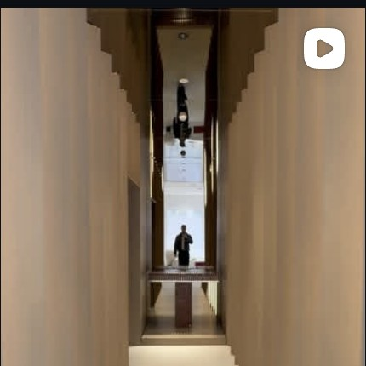 | Meike & Johannes Budde | BUDDE | @johannesbudde | budde.co | meike@budde.co | +49 176 41326982 | Cologne, Germany (also Milan) | Bachemer Straße 121, 50931 Köln | Furniture, lighting, interior objects; collectible + commercial | Email Meike (business lead). Also met by martamarghidanu, bogdantutuneanu (mutual followers).
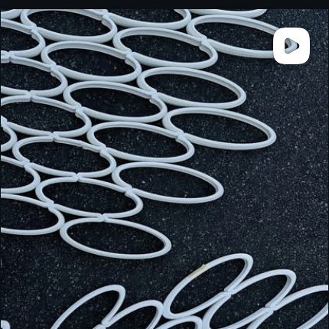 | DIVE Design | DIVE | @divedesignco | divedesignco.com / additive.divedesignco.com | via website |  | Boonton, NJ, USA |  | Additive manufacturing / 3D printing; sustainable furniture; DECIBEL editions; 3D Pets | Pitch via additive.divedesignco.com — Alex (CEO) & Adam Hecht (Director AM). Mention DECIBEL editions / collectible angle.
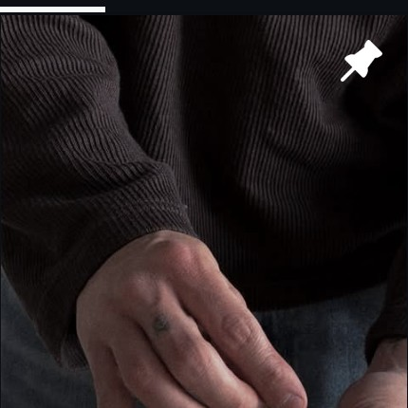 | Giulio Camposano | Giulio Pottery Studio | @giuliopotterystudio | giuliopotterystudio.art | Instagram DM |  | Verbania, Italy |  | Brutalist ceramics; Japanese minimalism; pottery wheel, stoneware | DM via Instagram (most active). Mutual: the_1of1_. Mention SANRUSAN gallery curation.
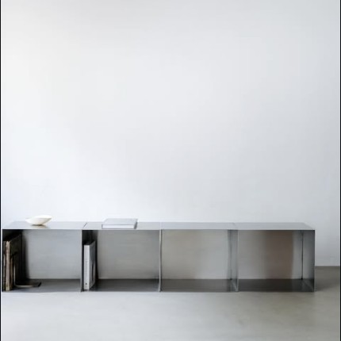 | form & eisen | form & eisen | @form.eisen | form-eisen.at | office@form-eisen.at | +43 664 2387708 | Salzburg, Austria |  | Collectible steel furniture; sideboards, shelves, stools, planters; industrial elegance | Email office@. Mutual: biju.gallery. Worldwide delivery already; should be receptive.
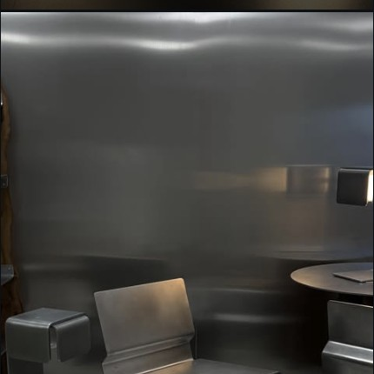 | Balboa Design | Balboa Design | @balboa.design | balboadesign.fr | via website contact form |  | France |  | Design studio - furniture & objects, made in-house; PSILO / BESPOKE / WORKSHOP / EVENTS | Contact via balboadesign.fr. Strong sculptural furniture in metal — fits SANRUSAN aesthetic.
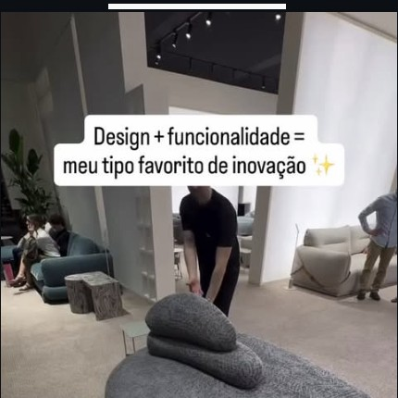 | Casa Simples DIY | Casa Simples | @casasimplesdiy |  | WhatsApp + IG DM |  | Brazil (Campinas / São Paulo area implied) |  | DIY, decor inspiration, achadinhos (small finds), functional decor | WhatsApp link in bio + IG DM. More of a creator/influencer than studio — could be partnership for visibility.
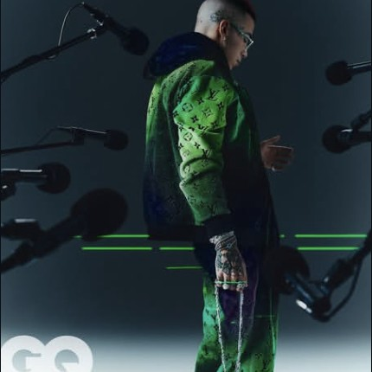 | Luca Ricci | Luca Ricci | @lucaa.ricci | behance.net/lucaaricci | IG DM / via Behance |  | Milan, Italy |  | Art Director / Graphic Designer; experimental objects; collectible art-objects | DM Instagram; portfolio on Behance. Mutual: marcosimonetti____.
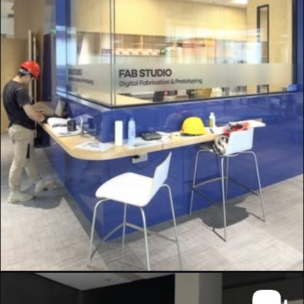 | Benjamin Bacon (白培耕) | SoundSpade / Dogma Lab | @soundspade | benjaminbacon.studio | via website contact |  | Shanghai, China |  | Artist / Associate Professor Media & Arts @ Duke Kunshan; sound, kinetic, experimental | Contact via benjaminbacon.studio. Pitch as functional art / sound objects intersection.
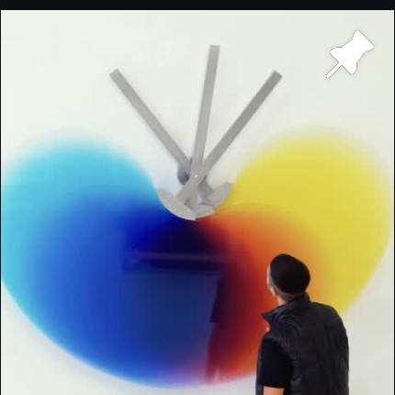 | Felipe Pantone | Felipe Pantone Studio (FPSTUDIO) | @felipepantone | felipepantone.com | via felipepantone.com/contact |  | Valencia, Spain |  | Kinetic / chromatic / configurable art; collectibles via @configurableart, @casaaxis | Huge artist (771K). Better path: via @configurableart shop or DM @casaaxis (his gallery brand). 771K following — long shot but viral fit.
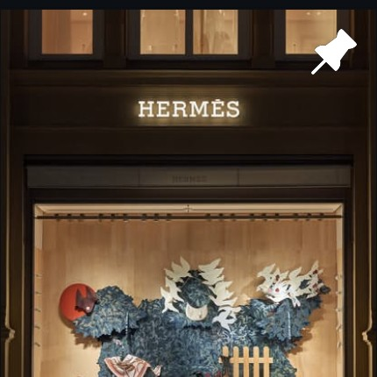 | Laurids Gallée | Studio Laurids Gallée | @laurids.gallee | lauridsgallee.com | via website (unique pieces inquiries) |  | Rotterdam, NL (Viennese) |  | Resin furniture, unique pieces or small series; rep'd by Objects With Narratives, The Future Perfect | Email via lauridsgallee.com. Mutual followers: martamarghidanu, ozymandias.inc. Strong SANRUSAN fit.
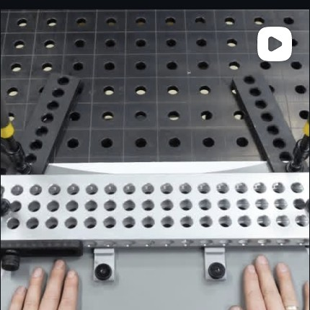 | Daniel de Bruin | Daniel de Bruin | @daniel_de_bruin | danieldebruin.com | via website |  | Utrecht / Soesterberg, NL |  | Creative engineer; prototypical machines, devices, kinetic objects | Contact via danieldebruin.com. Followed by felipepantone, fabianoefner. Beloved of design press.
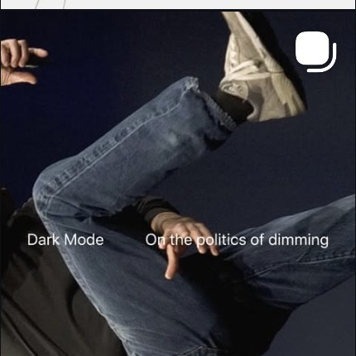 | Onibi | Onibi | @oni.bi | onibi.us | via website / IG DM |  | Brooklyn, NY, USA |  | Kinetic instruments for illumination; Ramulus floor lamp; collectible lighting | Email through onibi.us product/contact page. Mutual: demauricio_. Perfect functional-art fit.
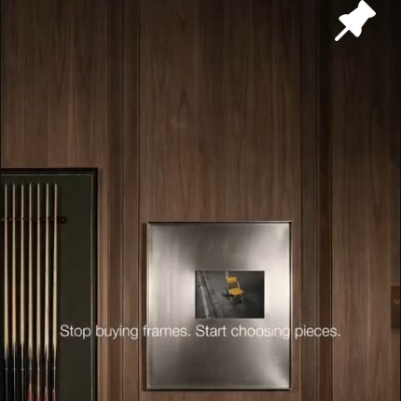 | KALA arts + objects | KALA | @kala_artobjects | kalaartobjects.com | support@kalaartobjects.com | +91 9946634891 | India |  | Room accents, soft furnishings, wall art, rugs, lighting; ships worldwide | Email support@. Possibly e-commerce reseller more than original artist — useful for stock/dropship discussions.
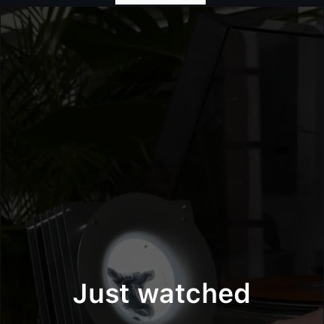 | DAKD Jung | BurnSlap | @dakd_jung | burnslap.me | via burnslap.me subscription / IG DM |  | Seoul, South Korea |  | Tech-based installation art; collectible electronics / FAV-EQ; release-by-application drops | Subscribe on burnslap.me to receive release news; DM @dakd_jung. Mutual: ozymandias.inc, iamrurd.
 | Andrea Mancuso | Studio Andrea Mancuso | @andreamancuso_studio | andreamancuso.com | studio@andreamancuso.com |  | Milan, Italy | Via Marco Aurelio 21, 20127 Milano | Research-based; narrative-driven objects, furniture, installations; AD100; Elle Deco winner 2025 | Email studio@. Mutual: valentinrusan, objectswithnarratives. Top-tier — pitch as exclusive Eastern European debut.
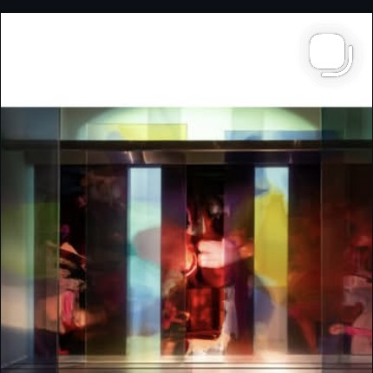 | Draga Obradovic & Aurel K. Basedow | Draga & Aurel | @dragaandaurel | draga-aurel.com | via website contact form | +39 031 3370189 (gallery) / +39 031 522817 (studio) | Como, Italy | Atelier: Via G. Ferrari 7, 22100 Como; Studio: Via A. Lenticchia 15, 22100 Como | Art & design atelier; resin, mixed media; #dragaandaurel #transparencymatters | Call or email. Mutual: martamarghidanu, valentinrusan. Established (45K followers).
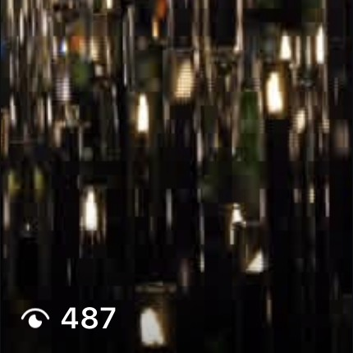 | Moritz Waldemeyer | Studio Waldemeyer | @studio.waldemeyer | studio.waldemeyer.com | studio@waldemeyer.com |  | London, UK |  | Art Engineering & Light Design; clients: Philip Treacy, Bentley, Jamiroquai | Email studio@. Mutual: valentinrusan. Celebrity-tier creative engineer.
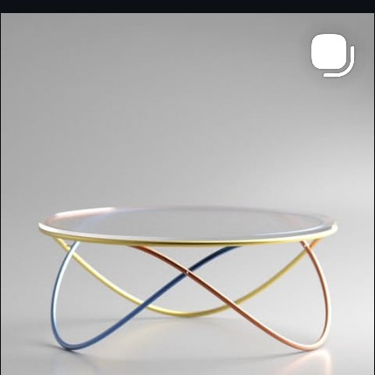 | Deniz Aktay | Dezin Objects | @dezinobjects | dezinobjects.com | info@dezinobjects.com |  | Stuttgart, Germany |  | Furniture & object design; press & awards listed; functionalist sculptural pieces | Email info@. Mutual: buzzyalex, andrada.borda. Active commercial — likely open to gallery placement.
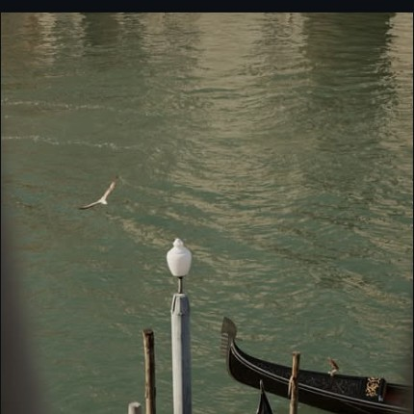 | Vincenzo De Cotiis | Vincenzo De Cotiis Architects & Gallery | @vdecotiis | decotiis.it | gallery@decotiis.it |  | Milan, Italy | Via San Giovanni sul muro 18, 20121 Milano | Art / Architecture / Interior Design; ART BASEL, Venice; ultra high-end collectible | Email gallery@. Mutual: teodoraburz, martamarghidanu. Top-tier — long shot but worth a curated outreach.
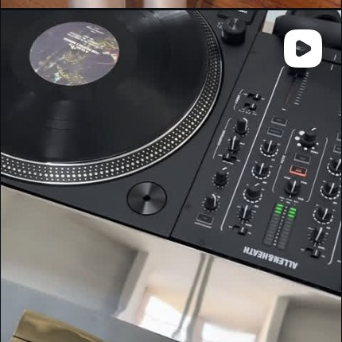 | Arielle Assouline-Lichten | Slash Objects | @slashobjects | slashobjects.com | via slashobjects.com / typeform link in bio |  | New York + Paris | 224 Centre Street, 4th Floor, New York 10013 | Furniture, surfaces, rubber/cork experimentation; Milan 2026; X Series | Fill typeform from her bio; mutual: ozymandias.inc, valentinrusan. Material-first practice — strong SANRUSAN match.
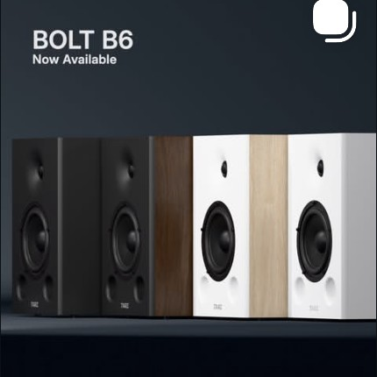 | TARZ | TARZ Hi-Fi Systems | @tarzhifi |  | Instagram DM (no website found) |  | Brazil (likely) |  | High-fidelity sound systems, custom-built, design-driven; BOLT B6 / BOLT Series | Only IG (88 followers — very new). DM directly. Could be founding partnership opportunity.
 | Javier & Anaïs | UNAVELA | @unavela.store | unavela.store | via unavela.store |  | South of France |  | Everyday objects with unusual shapes; aluminium machined; aerospace-engineer founders | Contact via unavela.store. Mutual: diamantby, ovidiubojor. Recent Yanko press — momentum.
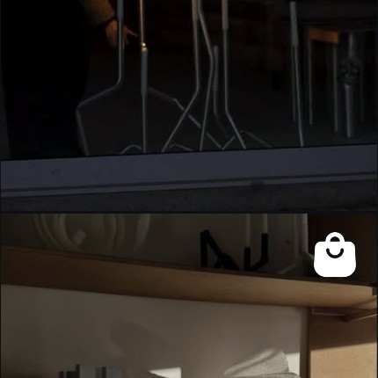 | AOT studio | AOT | @a.o.t.studio | aotstudio.com | via aotstudio.com contact |  | Copenhagen, Denmark |  | Family-led Danish design; one-off pieces + collections; 3daysofdesign exhibitor | Contact via aotstudio.com. Mutual: laurids.gallee, anneivan. Established Danish — quality fit.
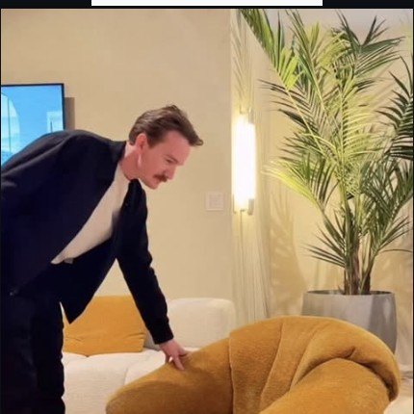 | Nicholas Baker | Nicholas Baker Studio | @nickpbaker | baker.studio | via baker.studio / Substack |  | Brooklyn, NY, USA |  | Furniture, lighting, everyday objects; The Local Project profile | Contact via baker.studio. Mutual: raressmanolache, cozmajohn. Subscribe to bakerstudio.substack.com for inroad.
 | Alberto Esses | Essesi Design Studio | @albertoessesi | essesi.com / essesi.design | hello@essesi.com |  | Los Angeles, USA (Mexican-born) |  | Industrial design; former Tesla Design Studio lead; Mexican craftsmanship + tech | Email hello@. Mutual: andrada.borda, raressmanolache. 'Sentience to Matter' philosophy aligns with SANRUSAN.
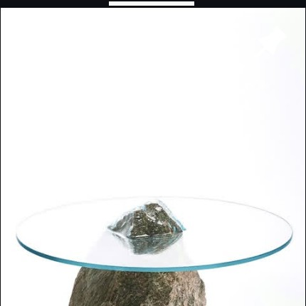 | Paul Cocksedge | Paul Cocksedge Studio | @paulcocksedge | paulcocksedgestudio.com | info@paulcocksedgestudio.com | +44 20 8985 0907 | London, UK | 2A Brenthouse Road, Soloman's Yard, London E9 6QG | Major artist & designer; collaborations with Dior; ships worldwide; PCS/NEWS/DROPS | Email info@. Mutual: martamarghidanu, bogzafmir. 613K followers — huge name but he sells limited drops.
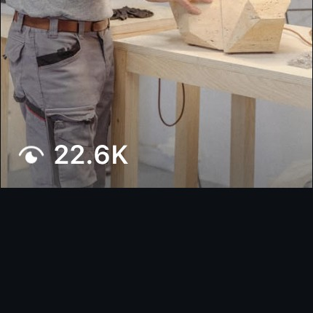 | Giacomo Ravagli | Giacomo Ravagli | @giacomo_ravagli | giacomoravagli.com | via giacomoravagli.com |  | Pietrasanta, Italy |  | Marble carver; high-end furniture, unique pieces, limited editions; Carpenters Workshop Gallery | Email via website. Mutual: valentinrusan, nilufargallery. Gallery-represented — go via him directly first.
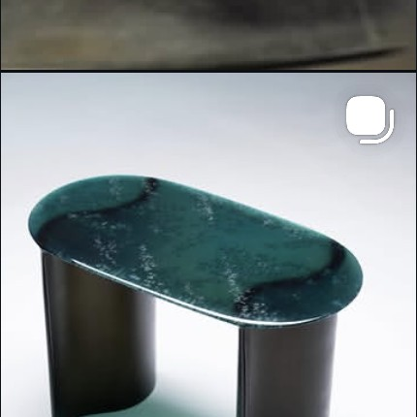 | Lukas Cober | Studio Lukas Cober | @studiolukascober | lukascober.com | via lukascober.com |  | Maastricht, Netherlands | Sandersweg 33, 6219 NW Maastricht | Makers Studio — Shapes — Unique Pieces; sculptural resin/glass furniture | Contact via lukascober.com. Mutual: laurids.gallee, diamantby. Strong SANRUSAN fit — confirmed gallery contacts.
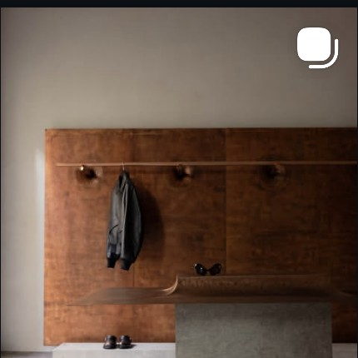 | Manu Bañó (Manuel) | Manu Bañó | @manuelbano | manubano.com | via manubano.com |  | Valencia, Spain / CDMX, Mexico |  | Co-founder EWE Studio; rep'd by @gallery_collectional, @licht_gallery, @masagaleria, @objectswithnarratives | Contact via manubano.com. Mutual: martamarghidanu, laurids.gallee. Heavy gallery rep — pitch quality of curation.
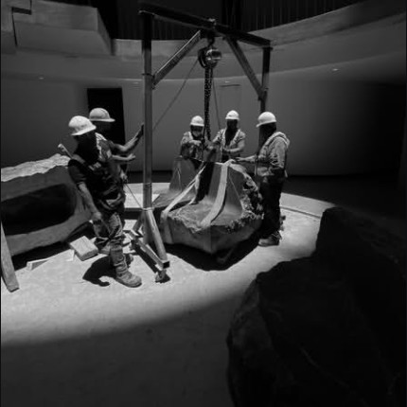 | Héctor Esrawe | Esrawe Studio | @hesrawe | esrawe.com | studio@esrawe.com (press: medios@esrawe.com) | +52 55 5553 9611 | Mexico City, Mexico | Córdoba 206, Roma Norte, CDMX | HFAIA Director; co-founder @ewestudio, @xinuperfumes, @masagaleria; large architecture+design practice | Email studio@ or medios@. Mutual: fabianoefner, diamantby. Major studio — likely via @masagaleria pipeline.
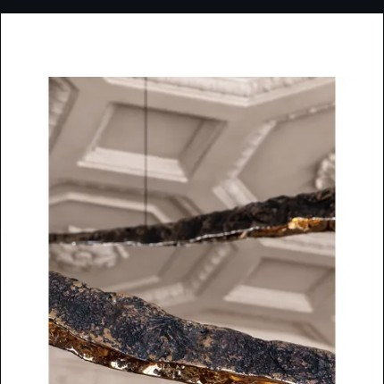 | Vladimir Slavov | DIM atelier | @dimatelier | dimatelier.com | vladimir.slavov@dimatelier.com | +32 484 327 077 | Antwerp / Zaventem, Belgium |  | Custom lighting and objects; PAD London, Collectible Fair, Nuance | Email Vladimir directly. Mutual: laurids.gallee, diamantby. Listed in 'Objects With Narratives'. Hot fit.
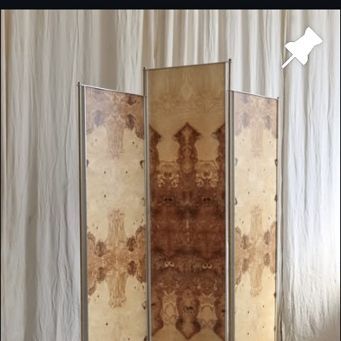 | hasik design studio | hasik design studio | @hasik_design | hasik.design | contact@hasik.design | +48 881 321 311 / +48 514 833 987 | Poland |  | Unique, handcrafted objects + authentic interior design; COMURE series | Email contact@. Polish — geographic proximity to Romania useful for shipping/visits.
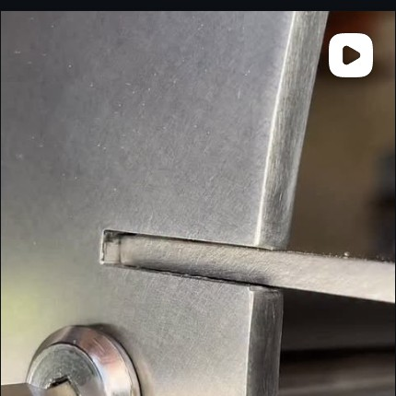 | Arthur Moulucou | MLK Furniture | @mlkfurniture | MLK on 1stDibs, Etsy, APOC, Isola, basic.space | arthur.moulucou@mailfence.com | +33 6 12 98 01 81 | Saint-Ciers-sur-Gironde, France | 114 Avenue de la République, 33820 Saint-Ciers-sur-Gironde | Functionalism + brutalism; low-tech, ready-to-assemble, modular; Hex400 table | Email arthur directly. Mutual: diamantby, super.sedia. Strong philosophical alignment with SANRUSAN.
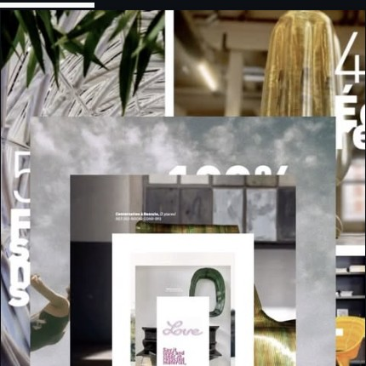 | Guillaume Crédoz | Bits to Atoms / Post Industrial Crafts | @ghouyoum | bitstoatoms.xyz | via bitstoatoms.xyz contact |  | M'kalles, Beirut, Lebanon |  | Architect & designer; bike trips, processes, sketches; Architecture Masterprize winner | Contact via bitstoatoms.xyz. Lebanese architecture office — uncommon geography, distinctive output.
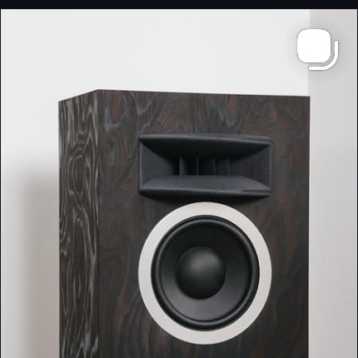 | Shivas Howard-Brown | Friendly Pressure | @friendly.pressure | friendlypressure.studio | Email via Instagram bio (for all enquiries) |  | London, UK |  | Bespoke loudspeaker systems; horn-inspired; Stone Island collab; FP-498, FP-Y210 | Email via bio link. Mutual: valentinrusan, anaraucea. Crossover fashion/audio — high-design audience.
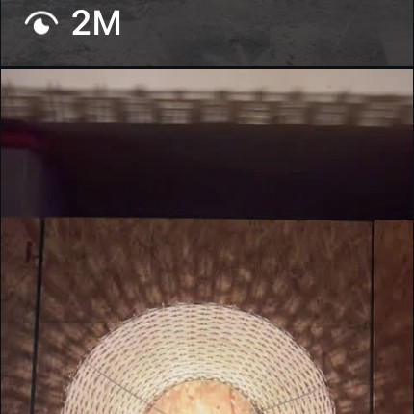 | Drew Hart | East 38th | @east38th_ | east38th.com | via east38th.com |  | Cincinnati, OH, USA |  | Furniture designer & maker; sculptural wood; Ripple Wall lamp | Contact via east38th.com. Mutual: demauricio_. Heavy maker presence (2M views on a Reel) — bankable craft.
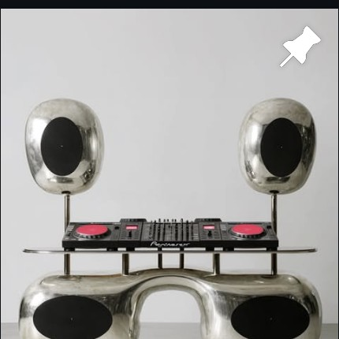 | Romanovna | Romanovna Studio | @romanovna.std | admiddleeast.com feature / IG bio | IG DM |  | Middle East (per AD Middle East feature) |  | Functional Art Pieces, Limited Works, Sensory & Contemporary; AI-driven; 'coming to life very soon' | DM Instagram. Mutual: tudormonroe, avi_ciciream. Pre-launch — perfect timing for SANRUSAN co-launch.
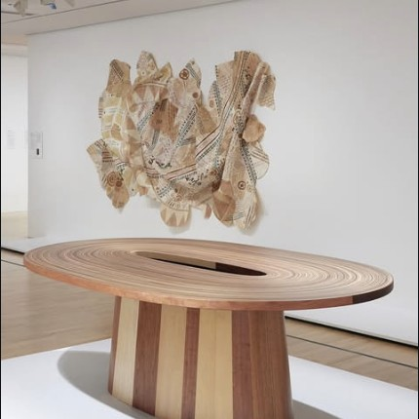 | Brodie Neill | Brodie Neill (Made in Ratio) | @brodieneill | brodieneill.com | info@brodieneill.com | +44 20 7033 3434 | London, UK | 4B Orsman Road, Tuscany Wharf, London N1 5QJ | Collectable & limited-edition; material innovation, sculptural form; SHOWING: Opal at One Leadenhall | Email info@. Mutual: objectswithnarratives, demauricio_. Established collectible — credibility booster for SANRUSAN.

