Info
SUPPLIER | IN TRANSIT DAYS
DWM - FORTACO | 5
DWM - METZKE | 106
DWM - PMC | 4
DWM - PPS | 7
DWM - Strickland | 10

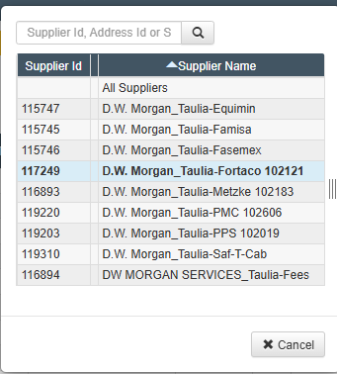
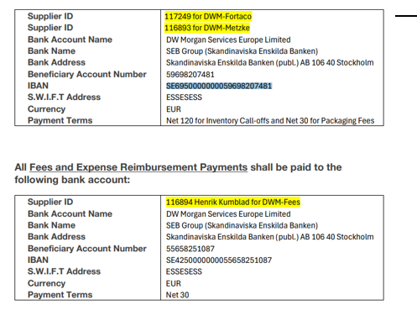
 |  |  | 494
BILLING DETAILS |  |  | 700
 |  |  | 206
AR Inventory |  |  | 183.92857143
Supplier ID | 117249 | Fortaco | 22.071428571
 | 116893 | Metzke
 | 119203 | PPS 102019
 | 119220 | PMC 102606
 | 119219 | Parker 100127
Bank Name | SEB Group (Skandinaviska Enskilda Banken)
Bank Address | Skandinaviska Enskilda Banken (publ.) AB 106 40 Stockholm
Beneficiary Account No. | 59698207481
IBAN | SE6950000000059698207481
SWIFT Address | ESSESESS
Payment Terms | Net 120 Inventory Call-offs, Net 30 Packaging Fees
CL: | 15M USD

AR ADMIN
Supplier ID | 116894: Henrik Kumblad E00602419
Bank Name | SEB Group (Skandinaviska Enskilda Banken)
Bank Address | Skandinaviska Enskilda Banken (publ.) AB 106 40 Stockholm
Beneficiary Account No. | 55658251087
IBAN | SE4250000000055658251087
SWIFT Address | ESSESESS
Payment Terms | Net 30

