Sheet1
Bug Reports

BUG ID | Title | Environment | Severity | Priority | Steps to Reproduce | Expected Result | Actual Result | Status | ScreenShort/Video
Bug_001 | Verify signup with weak password | Test Environment (Specify Browser/OS) | High | High | 1. Open the homepage URL. 2. Enter a weak password (e.g., "123456"). 3. Click "Sign Up". | The system should display an error message indicating the password strength requirement. | The system accepted the weak password, allowing account creation. | Fail | https://drive.google.com/file/d/1EsYF-Gk_jEABxEOLJAb3kI4Gmhx8HFuA/view?usp=drive_link
Bug_002 | Verify case sensitivity of email input | Test Environment (Specify Browser/OS) | Medium | Medium | 1. Open the homepage URL. 2. Enter an email with mixed-case letters (e.g., MAURYAABHI3442@gmail.com). 3. Attempt to sign up. | The email input should not be case-sensitive; accounts should be treated the same regardless of letter case. | The system treated the email as case-sensitive, leading to incorrect behavior. | Fail | https://drive.google.com/file/d/13xveBwRqmk6AbrLEXHDYCmUwSAZsyvxN/view?usp=sharing
Bug_003 | Verify longest data input in Name field | Test Environment (Specify Browser/OS) | Medium | Medium | 1. Open the homepage URL. 2. Enter a long character string in the first name field. 3. Submit the form. | The system should either accept the input or display a validation message if a character limit exists. | The system accepted the long input without validation, which may cause unexpected behavior. | Fail | 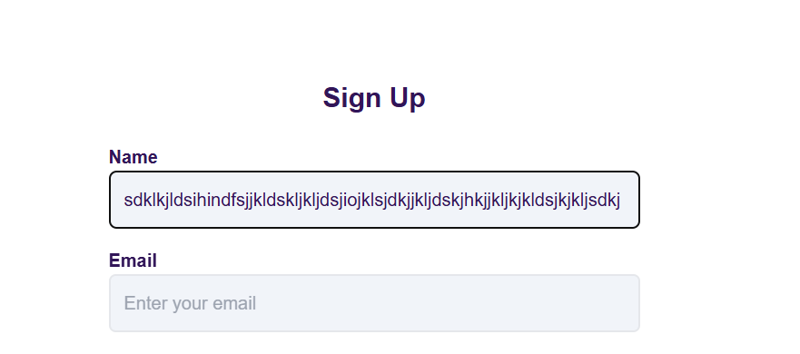
TC_023 | Verify the Password Visibility Toggle | Test Environment (Specify Browser/OS) | Medium | Medium | 1. Open the login page. 2. Enter a password (e.g., Test@123). 3. Click the eye icon (password visibility toggle). | The password should toggle between visible and hidden when clicking the eye icon. | The password does not toggle visibility when clicking the eye icon. | Fail | N/A

