Budget Forecast
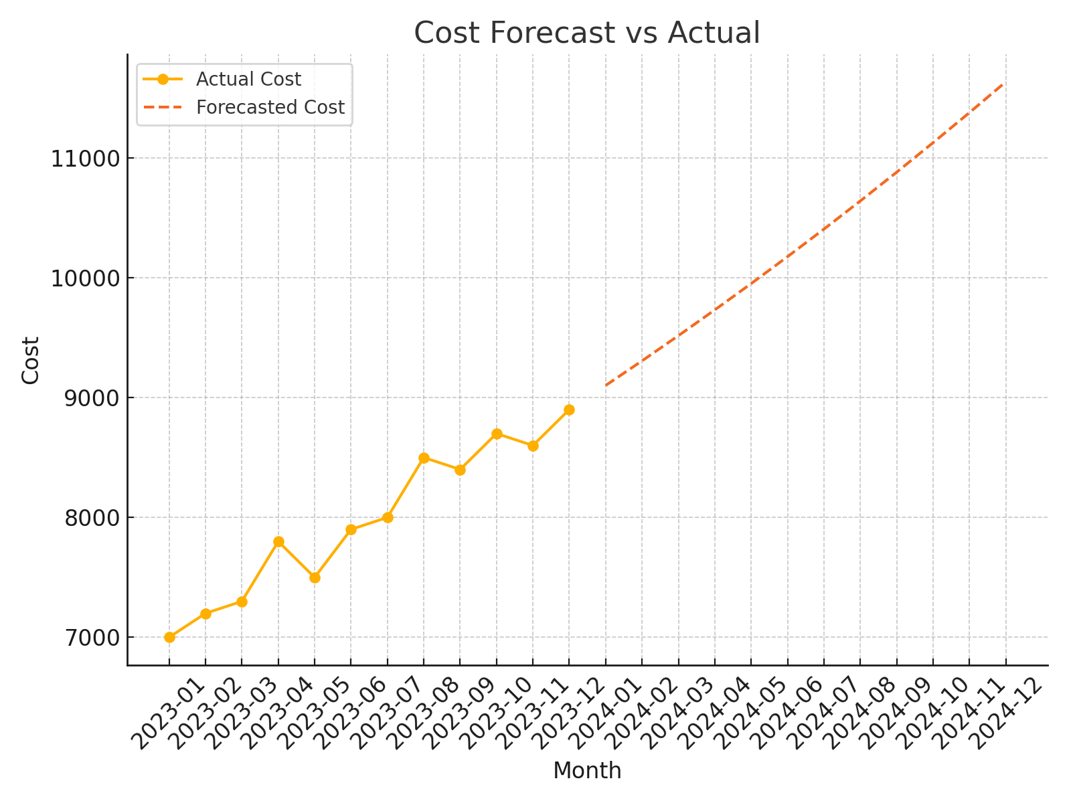
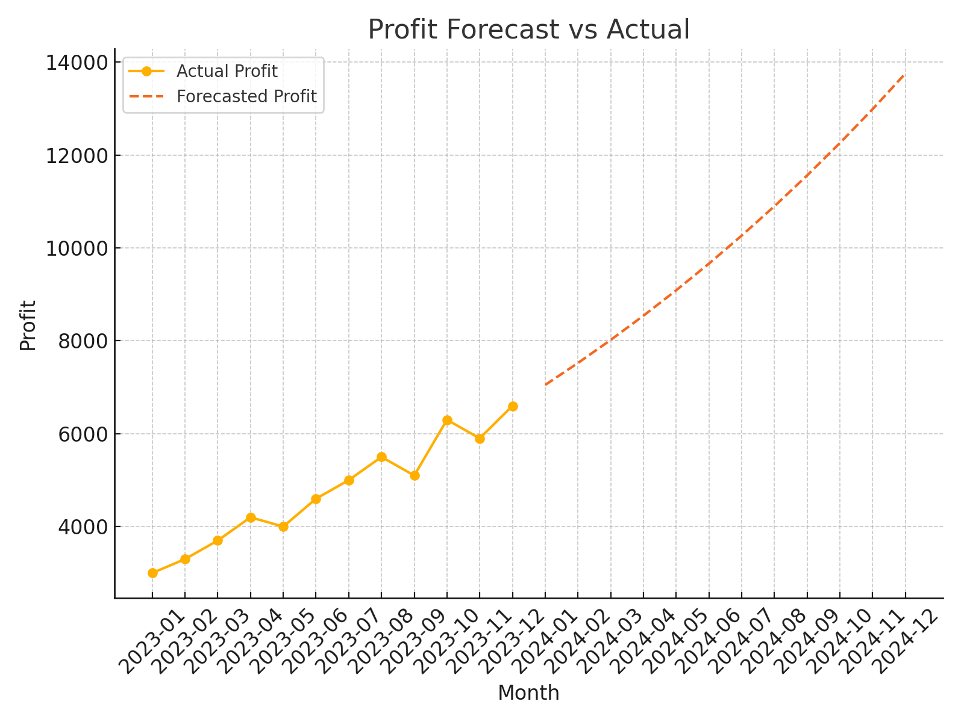
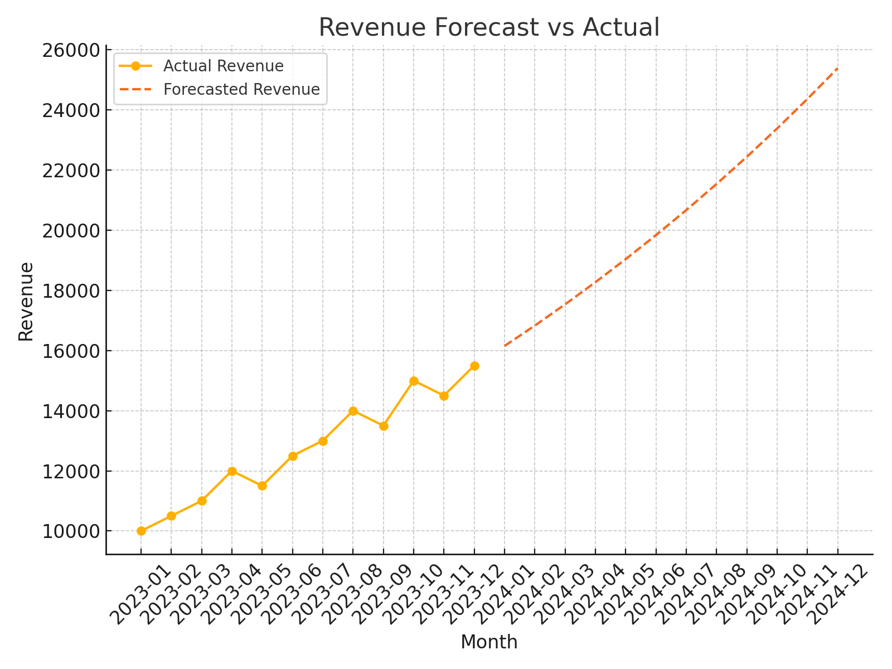
2024-01 | 16150.676022 | 9100.9155086 | 7049.7605129
2024-02 | 16828.666836 | 9306.3666399 | 7522.3001958
2024-03 | 17535.119093 | 9516.4557845 | 8018.6633083
2024-04 | 18271.227579 | 9731.2876445 | 8539.9399341
2024-05 | 19038.237235 | 9950.9692857 | 9087.267949
2024-06 | 19837.445265 | 10175.610191 | 9661.8350737
2024-07 | 20670.203327 | 10405.322314 | 10264.881013
2024-08 | 21537.919821 | 10640.220137 | 10897.699684
2024-09 | 22442.062272 | 10880.420726 | 11561.641546
2024-10 | 23384.159807 | 11126.043789 | 12258.116017
2024-11 | 24365.805747 | 11377.211739 | 12988.594008
2024-12 | 25388.660298 | 11634.049748 | 13754.61055

