Ver1_EP50_HL1000_PC4e5_18_May
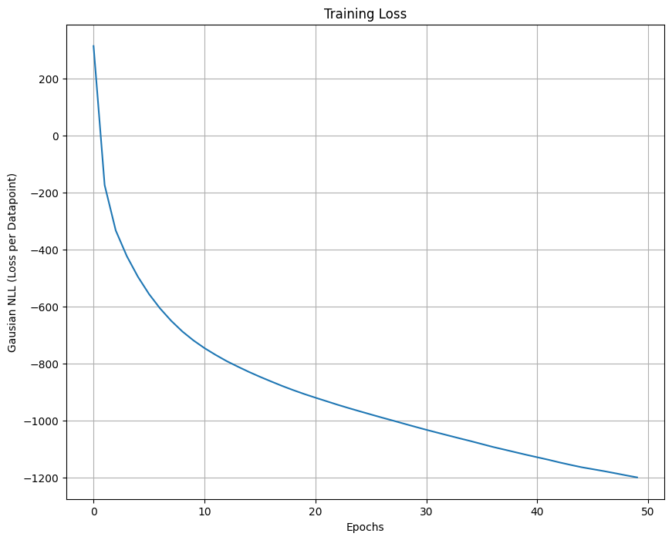
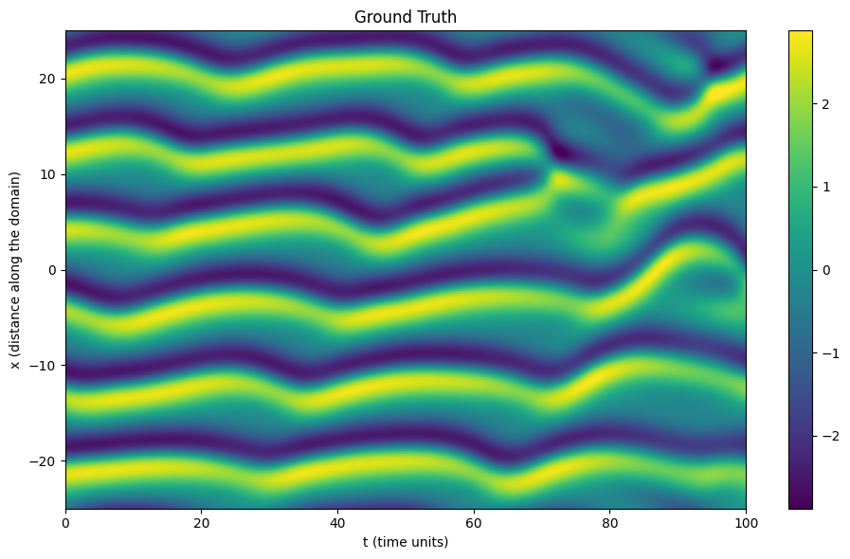
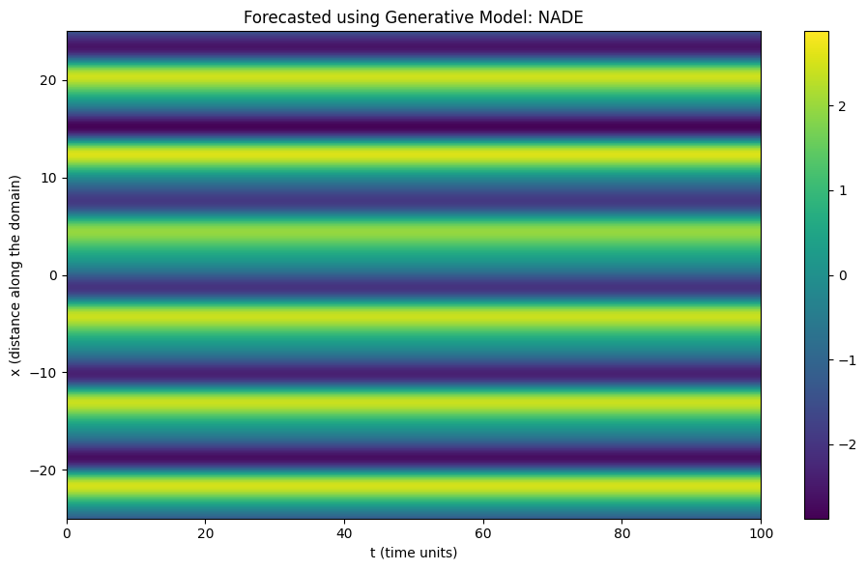
Epochs 50 | Hidden Layer 1000 | Point Cloud 4e5 | Forecast 4e4 | May 18

Ver2_EP80_HL1500_PC_9e4_18_May
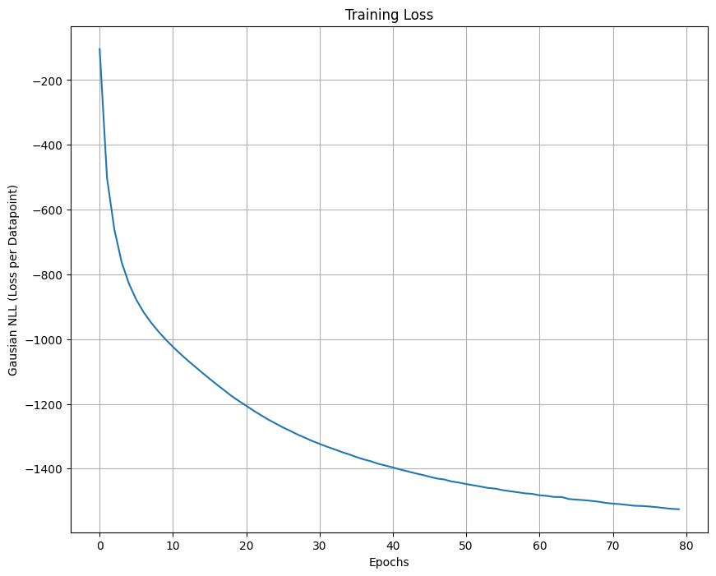

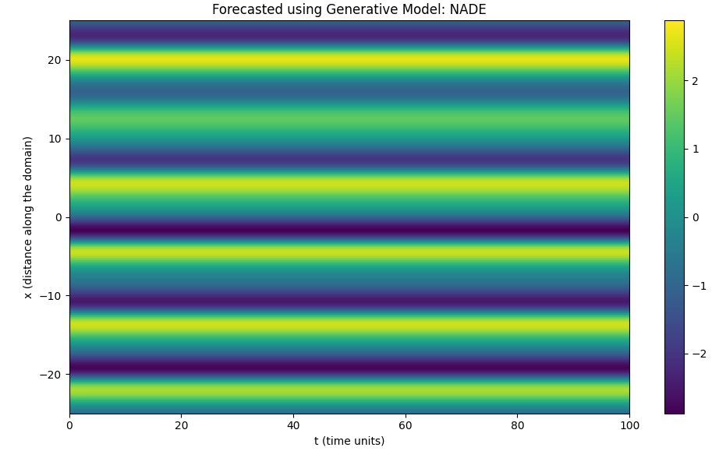

Ve3_EP80_HL1500_PC_1e6_19May
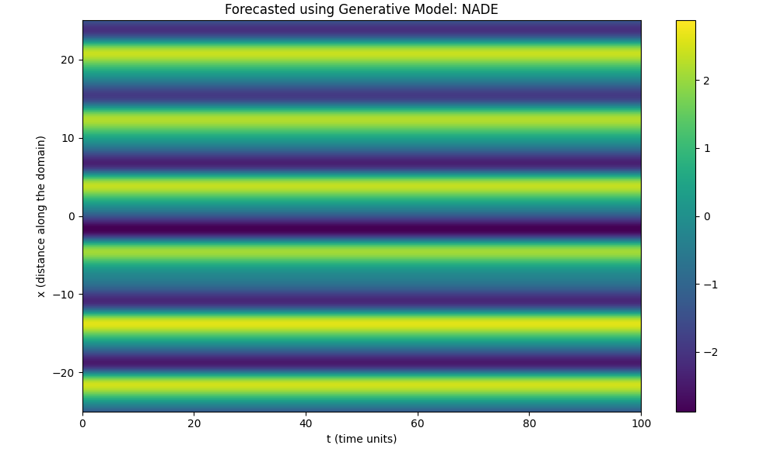
Epochs 80 | Hidden Layer 1500 | Point Cloud 1e6 | Forecast 4e4

V4_EP80_HL1500_PC_1e6_19May
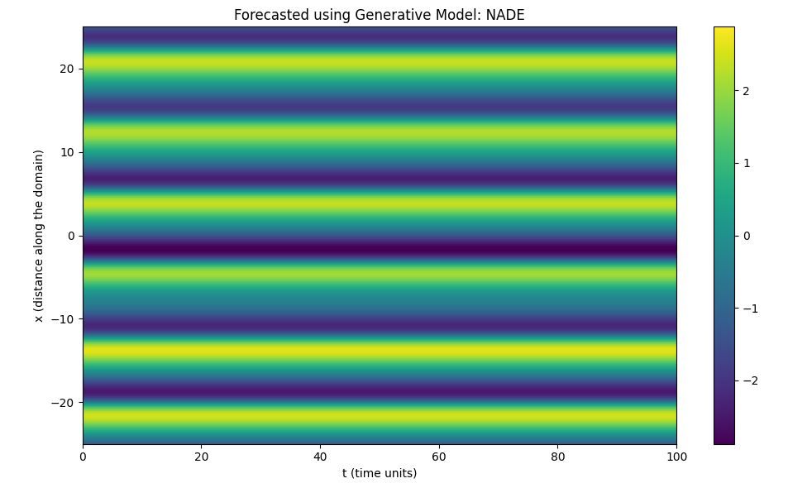
Epochs 80 | Hidden Layer 1500 | Point Cloud 1e6 | Forecast 1e5

V5_EP80_L1500_PC_3e6_19May
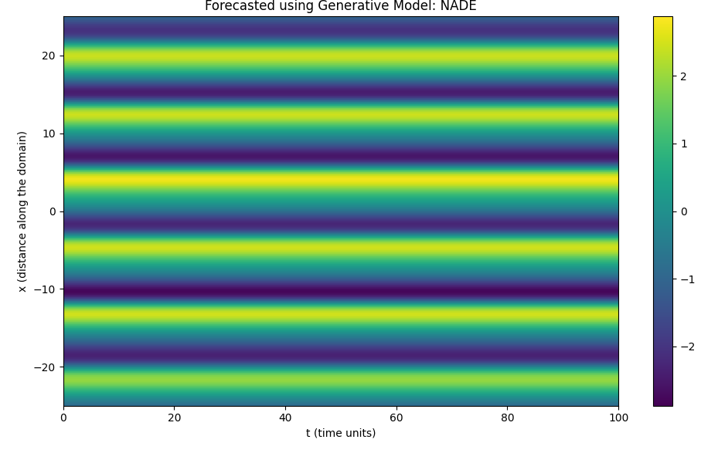
Epochs 80 | Hidden Layer 1500 | Point Cloud 3e6 | Forecast 1e6

