Defect
 | Defects | Steps to Reproduce | Priority | Severity | Screenshot
1 | Able to create Records with alpha numeric ids for Patient MRN and Accession number given Data Model has int for Patient ID
2 | Record is created with Blank site Name when Clinic is selected | 1.Go to Create New Order Form 2.Select site without entering any value such that It gives error to enter site 3.Now enter Site as Clini and rest of the form 4. Click on Submit | 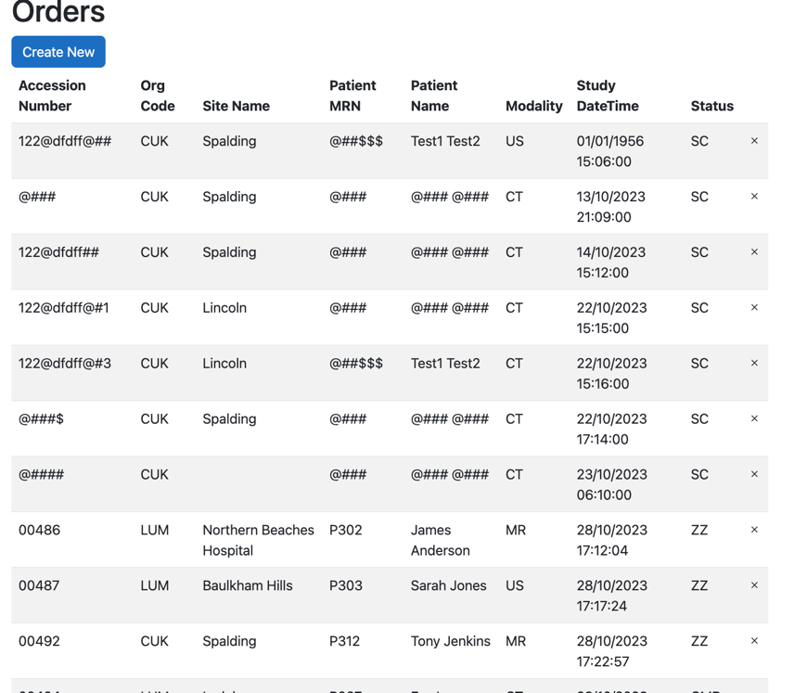
3 | Error message for site "Site is Required continue to display even after selecting the value | 1.Go to Create New Order Form 2.Select Organisation = the ultrasound 3.Now enter Site as Clinic and rest of the form 4. Click on Submit | 