Black Scholes Calculator
PART 1:
1b)
 | Type of Option | Call Option
 | Stock Price (S0) | $100.00 | Call | 9.47 | spot = 100
 | Exercise (Strike) Price (K) | $105.00 | Put | $9.46 | strike = 105
 | Annualized Volatility (σ) | 20.00% |  |  | expiry = 1 # 1 year
 | Annual Risk Free Rate (r) | 8.00% |  |  | rate = .08 # 8 percent
 | Time to Maturity (in years) (t) | 1.00 |  |  | div = 0.
 | Option Price | na |  |  | num = 1
 |  |  |  |  | vol = .2 # 20 percent
 | Additional Calculation Parameters |  |  |  | call_price = euro(spot,strike,expiry,rate,div,vol,num,option='call')
 | ln(S0/K) | (0.049) |  |  | put_price = euro(spot,strike,expiry,rate,div,vol,num,option='put')
 | (r+σ2/2)t | 0.100 |  |  | print(call_price, put_price)
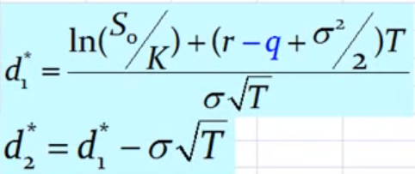
 | σ√t | 0.200 |  |  | 10.836859913068979 7.76407628366573
 | d1 | 0.256
 | d2 | 0.056
 | N(d1) | 0.601
 | N(d2) | 0.522
 | N(-d1) | 0.399
 | N(-d2) | 0.478
 | e-rt | 0.92312

1c)
 | Type of Option | Call Option |  |  | num = 3
 | Stock Price (S0) | $100.00 | Call | 23.10 | call_price = euro(spot,strike,expiry,rate,div,vol,num,option='call')
 | Exercise (Strike) Price (K) | $105.00 | Put | $13.00 | put_price = euro(spot,strike,expiry,rate,div,vol,num,option='put')
 | Annualized Volatility (σ) | 20.00% |  |  | print(call_price,put_price)
 | Annual Risk Free Rate (r) | 8.00% |  |  | 9.89430177233179 6.82151814292856
 | Time to Maturity (in years) (t) | 3.00
 | Option Price | na

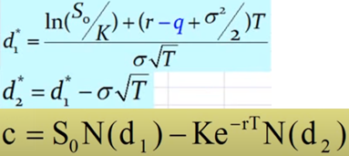
 | Additional Calculation Parameters
 | ln(S0/K) | (0.049)
 | (r+σ2/2)t | 0.300
 | σ√t | 0.346
 | d1 | 0.725
 | d2 | 0.379
 | N(d1) | 0.766
 | N(d2) | 0.648
 | N(-d1) | 0.234
 | N(-d2) | 0.352
 | e-rt | 0.78663

PART 1:
2a) |  |  |  |  | bs_call = opt.black_scholes_call
 | Type of Option | Call Option |  |  | bs_put = opt.black_scholes_put
 | Stock Price (S0) | $100.00 | Call | 18.39 | call = bs_call(spot,strike,expiry,rate,div,vol)
 | Exercise (Strike) Price (K) | $95.00 | Put | $8.04 | put = bs_put(spot,strike,expiry,rate,div,vol)
 | Annualized Volatility (σ) | 30.00% |  |  | print(call,put)
 | Annual Risk Free Rate (r) | 8.00% |  |  | 8.65018212986152 5.577398500458276
 | Time to Maturity (in years) (t) | 1.00
 | Option Price | na

 | Additional Calculation Parameters
 | ln(S0/K) | 0.051
 | (r+σ2/2)t | 0.125
 | σ√t | 0.300
 | d1 | 0.588
 | d2 | 0.288
 | N(d1) | 0.722
 | N(d2) | 0.613
 | N(-d1) | 0.278
 | N(-d2) | 0.387
 | e-rt | 0.92312

